Website
 | Service page | designing flaws

Total visitor 160,222 ,feedback = ,unique = 40k,enq = 6115 + |  | maek this dynamic from admin panel and log it as user come
add bottom left icon bg os
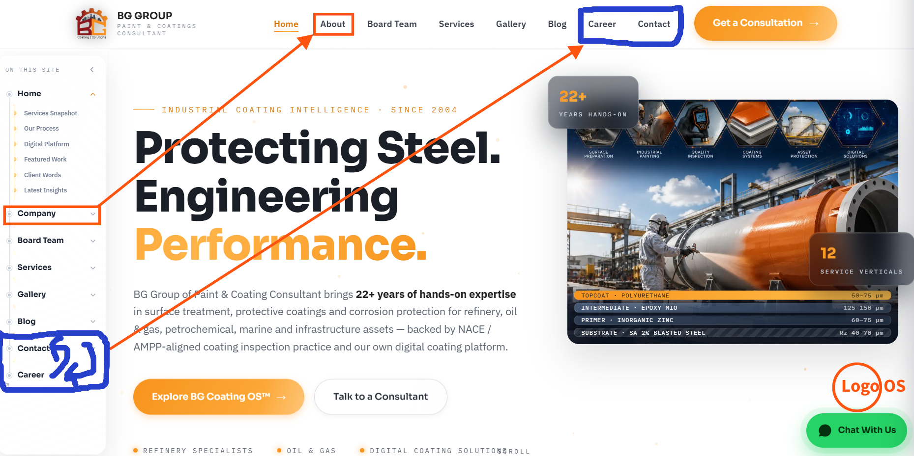 | Home | Company → About Us: Rename “Company” to “About Us” in the sidebar and link it to the About page. Sidebar Chronology: Arrange Career and Contact in the same order as the main navigation menu. Operating System Shortcut: Add a floating bullet/icon at the bottom-right corner that directly opens the BG Coating OS™ module.

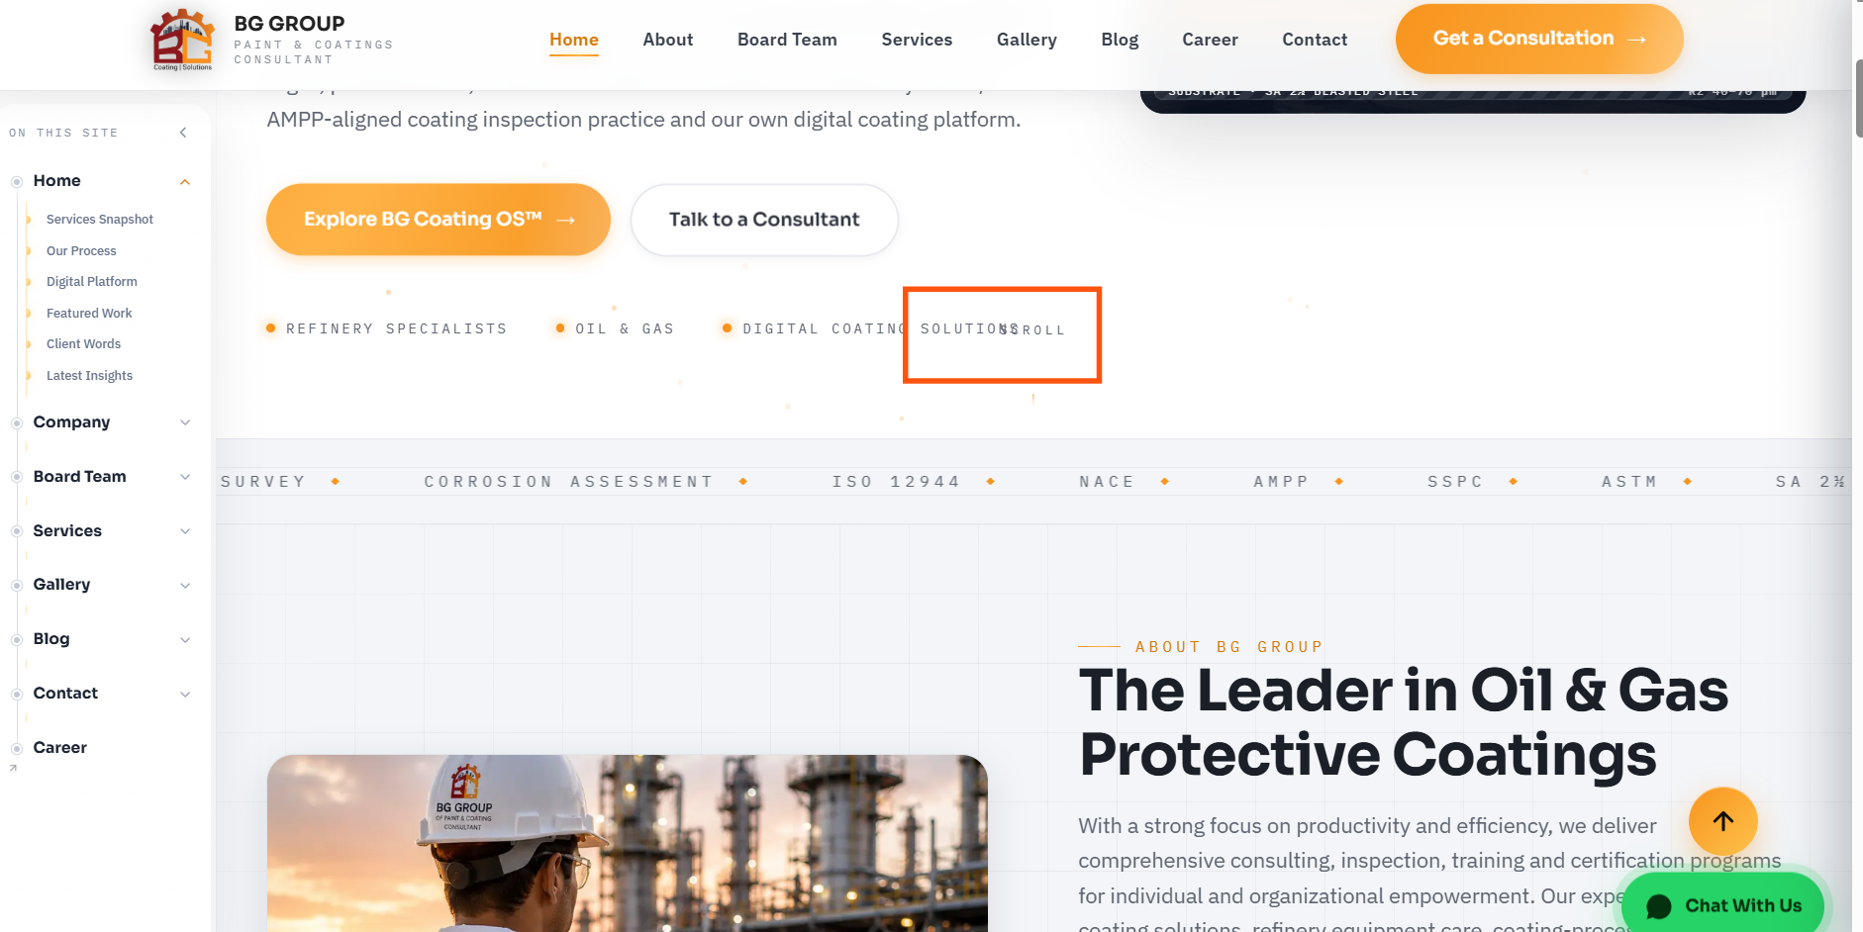 | Home | Scroll and Solution are overlapped -- Need to fix this

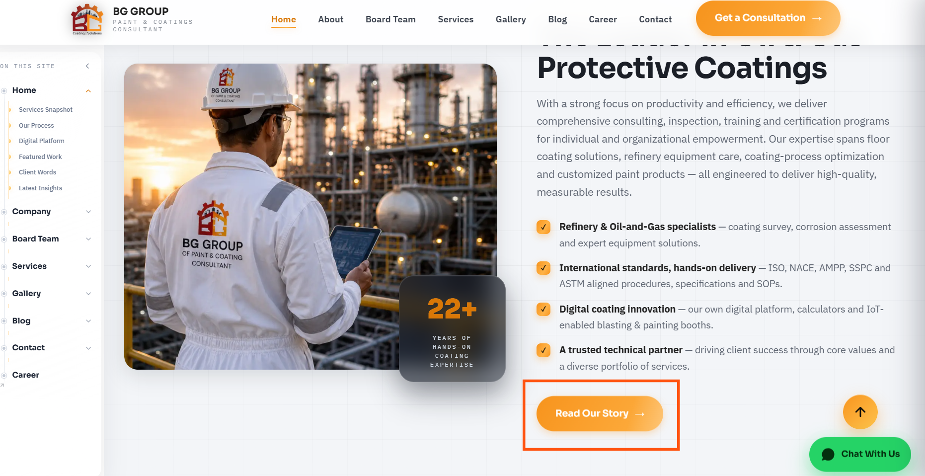 | Home [After clicking Read Our Story], page to direct given snap beside. In Board team, there is specific section where BG Group Story is described, that specific section to be derect. | 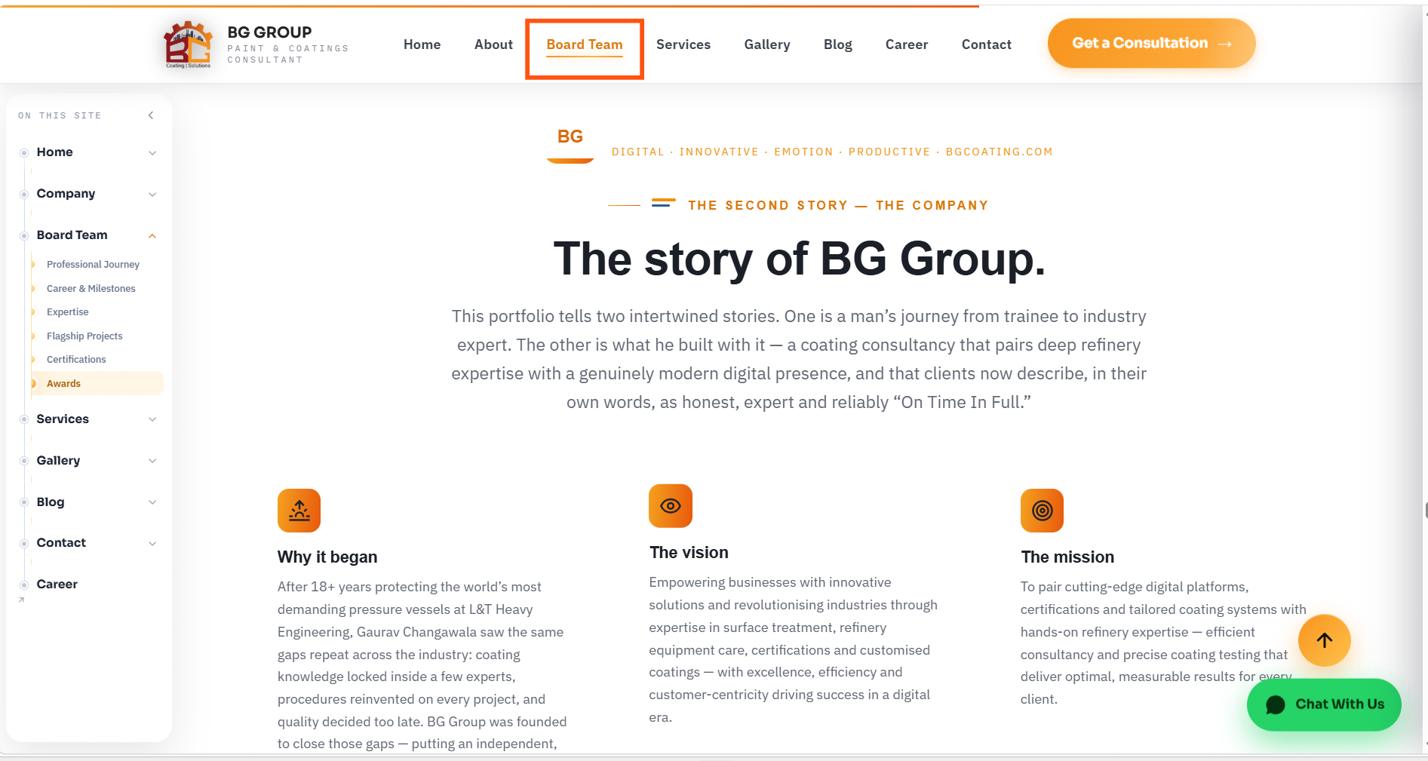

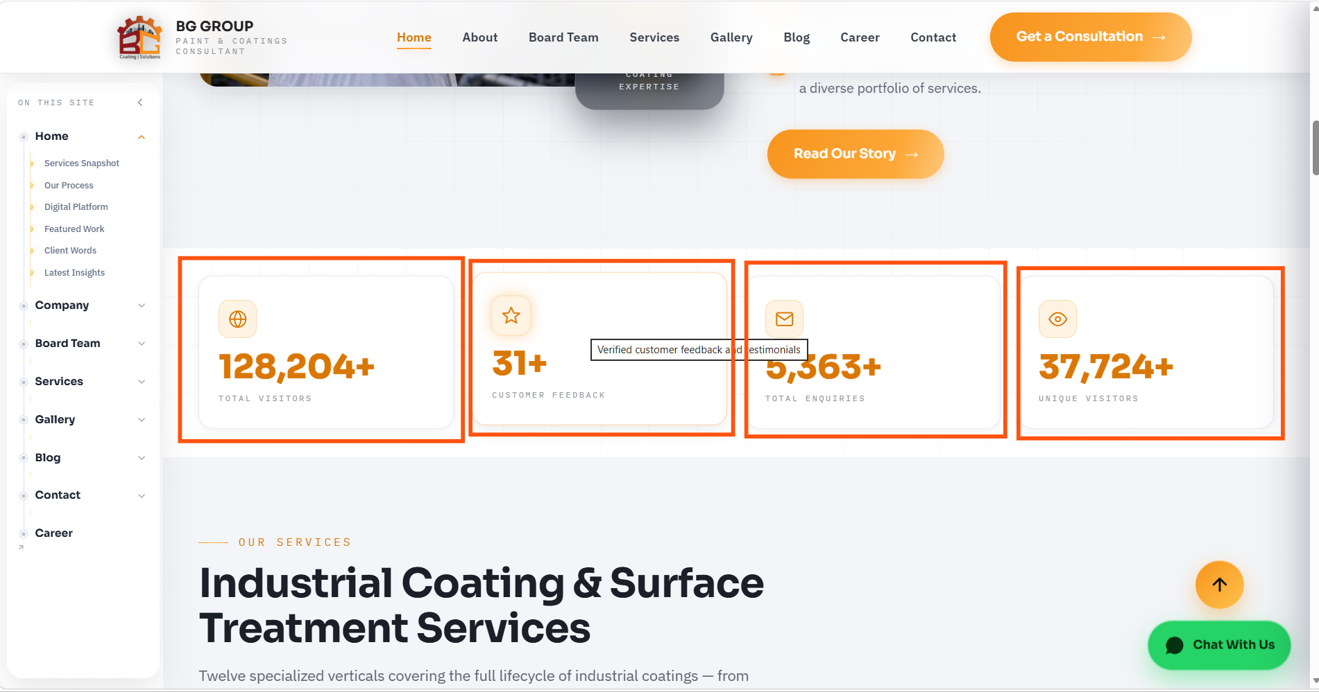 | Home | This is already we discussed, all the data should have dynamic and logically correct. We already discussed in detailed for this.

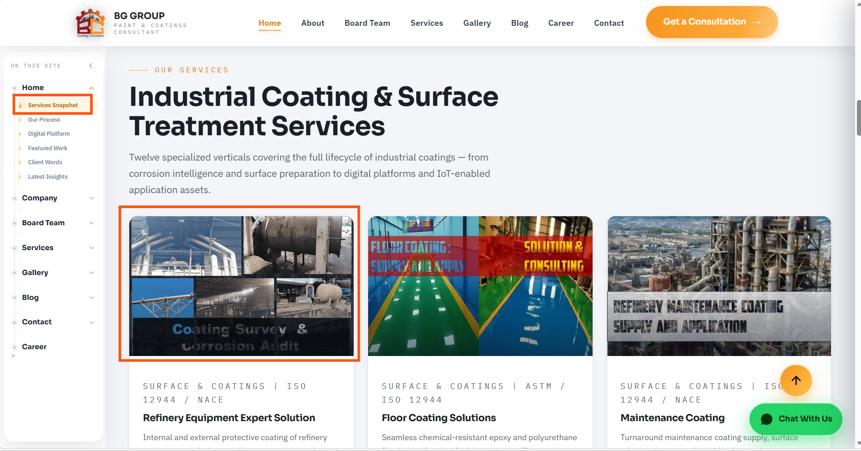 | HOme | Service Snap shot to change the name - "Services" Photo / Thumbnail : Size of Photo, Relavancy, Clarity need to be there. Also, it should be set to our theme. Just random photo will give complete different look which won't be okay. Ensure the proper dimension. Keep Photo size <50KB : We should have minimum load to our website and user should get quick loaded without buffering. Low KB size but still get clear resolution. Please make sure the same for all the images "Ensure for each services - Not giving comment for all the services"

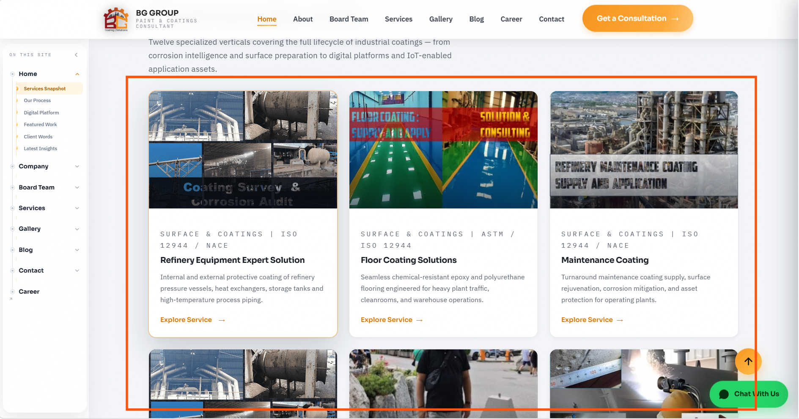 | Home | All the services to be covered in this section. Total 12 services are there .. UI is okay but above suggested change to implement. Services chronology to be maintained as per Service Section given and accordingly proper direction to be given. We should have provison for change chronology in service section and same chronology to be replicate in home section. Basicaaly, this specific section should look like smaller and quick review services of Main Manu of Services. If user want to go into the specific service from home page, should get proper direction to that specific service.

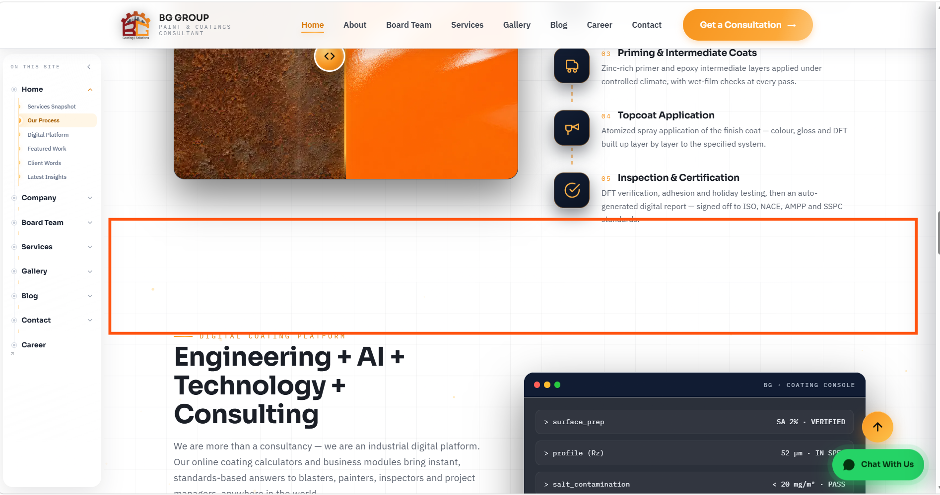 | Home | Optimize the space if possible. Looks more space and can be reduce. Check similarly to other area of website

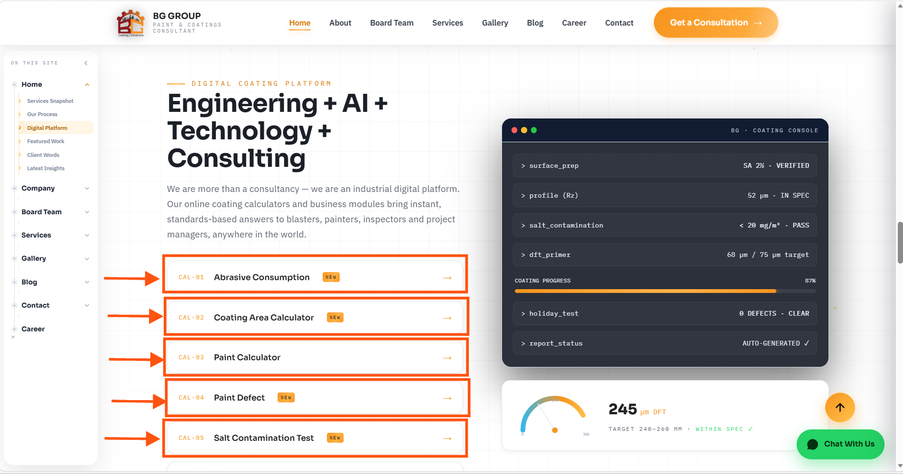 | Home | All link to have proper direction. This should engage audiance with BG COating Operating Platform and at specific location and solve the purpose of the clicking the link. UI should have connect properly to user

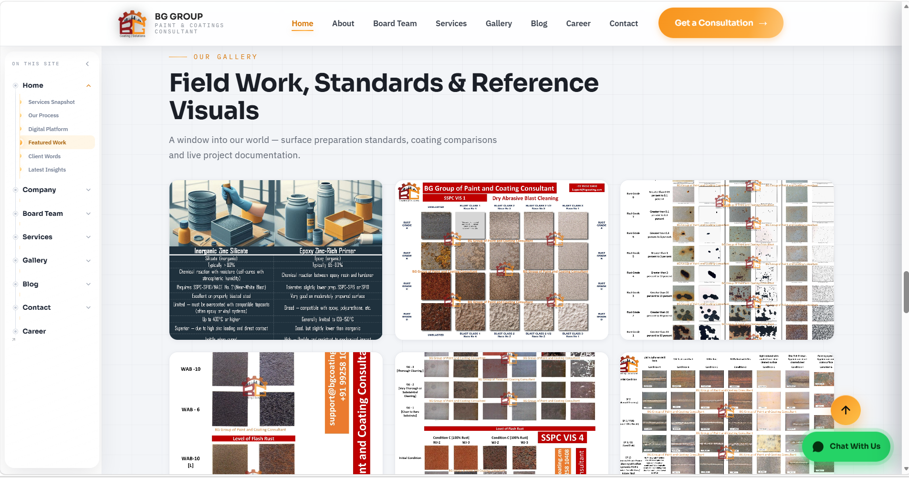 | HOme | All the latest update photo in Gallary should be here. Not all the photo, the existing quantity is okay but chronology to be latest. If we add to Gallary similarly to be replace here. Photo always to have <50KB or minimum size to keep minimal load to website so that user can get quick loading of website.

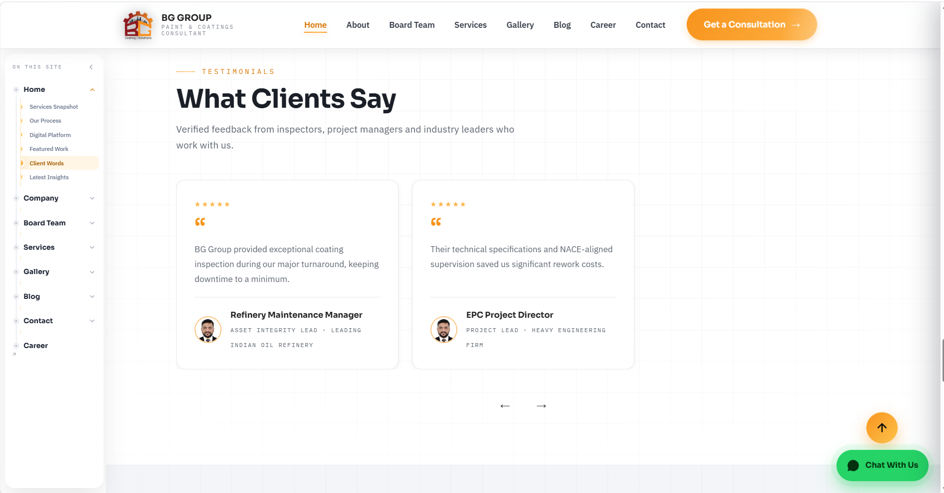 | Home | Testimonials - Feed all the testimonial from our Google REview company page from GMB [Google my business account). One time you neeed to feel all. As of now 69 review is there. After that we will be doing so.

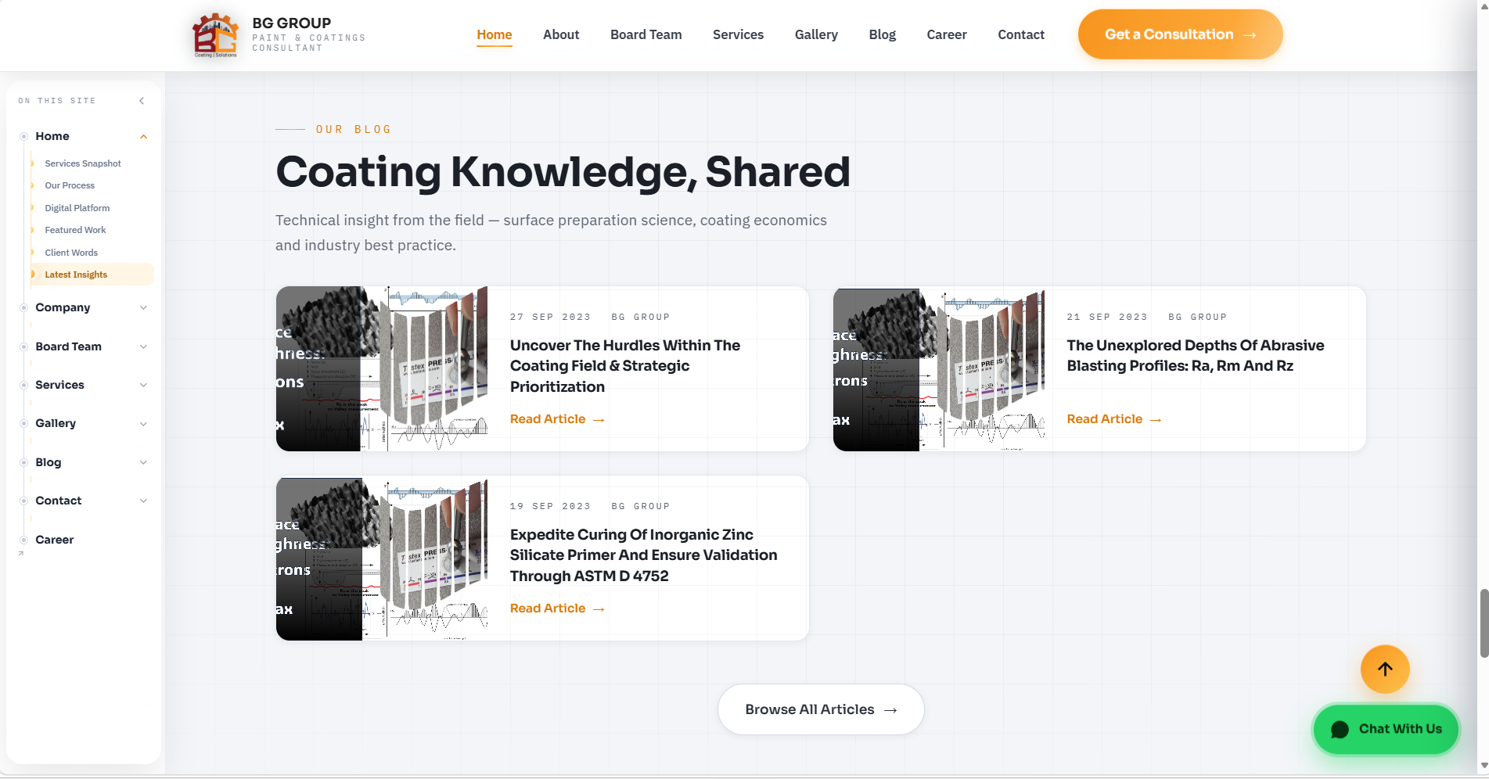 | Home | Ensure Proper thumbnail of the blog. If require, i will give the blog to you. In earlier website we have 9 blogs. You may fill those blogs as one time and future blog we will be doing. Ensure thumbnail to be proper. Image alsot to have proper. Heading, Tagline etc also to be reivew correctly.

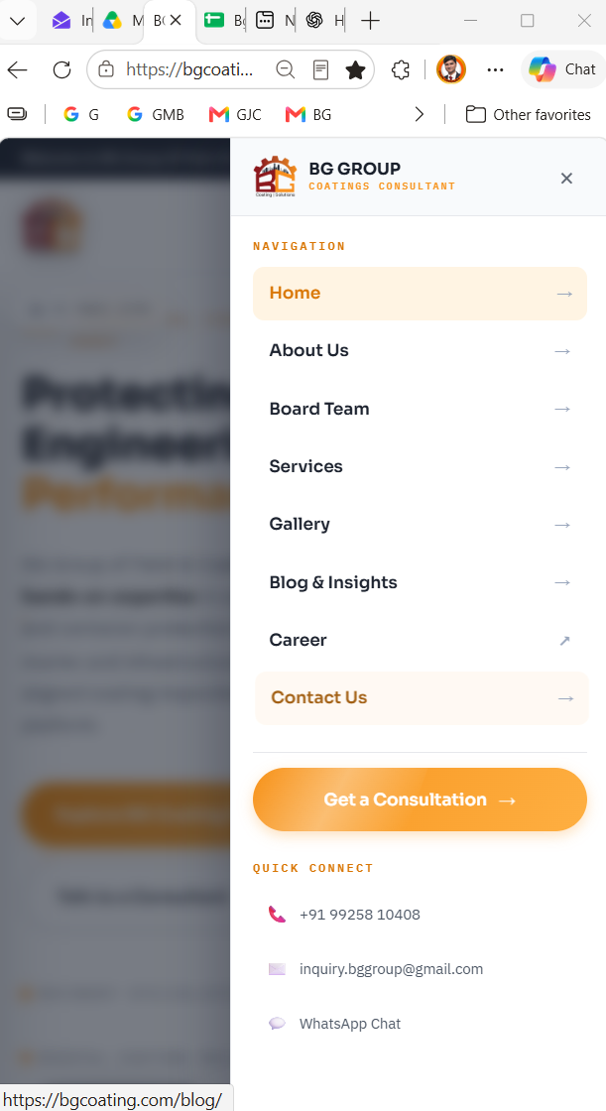 | Home | Add Button of "BG Coating OS" to be here just below the Get a Consultant.

