Sheet1
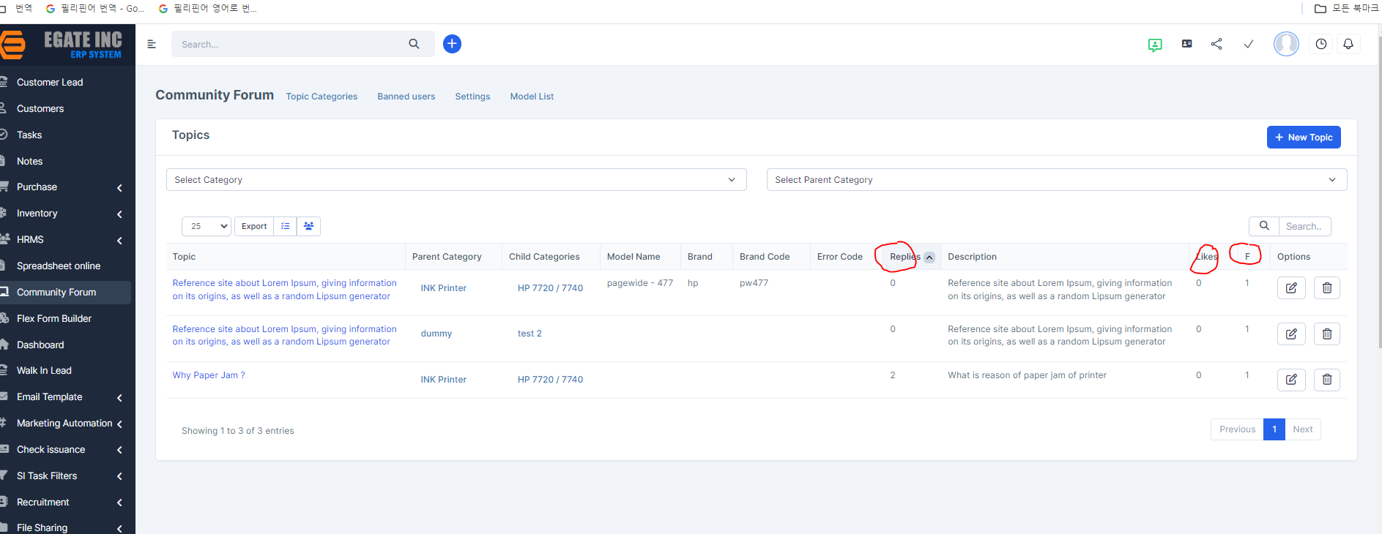

task 1 | this is not important so I want to combine in 1 collum like this | task2 | hover mouse her ---> Likes , Follow , Reply

