Sheet1
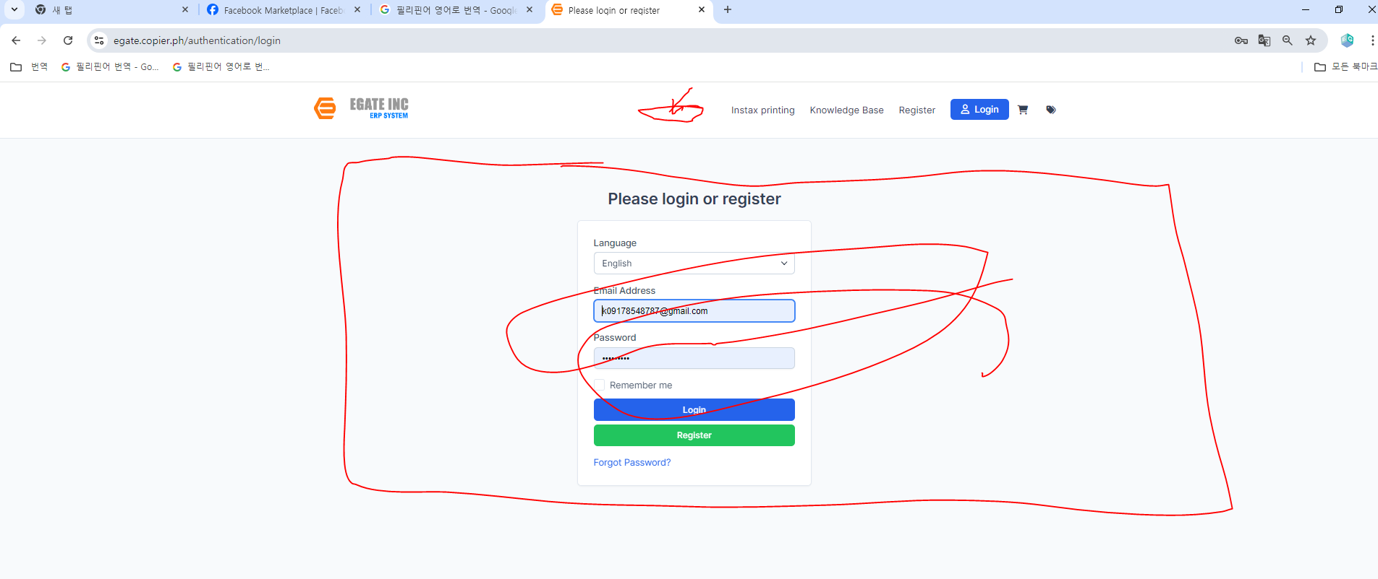
step1 |  | we have installed this forum here

 |  | https://codecanyon.net/item/discussion-and-community-forum-module-for-perfex/51125221?_gl=1*1vok8p8*_gcl_au*MTM4MTg1NTUzNi4xNzE5MjE1MDY1*_ga*Nzc0NDQwMDA4LjE3MTkyMTUwNjQ.*_ga_ZKBVC1X78F*MTcyNjA1MTE1NC4xNTguMS4xNzI2MDUxNjExLjI0LjAuMA..&_ga=2.126165773.1484435839.1725934636-774440008.1719215064
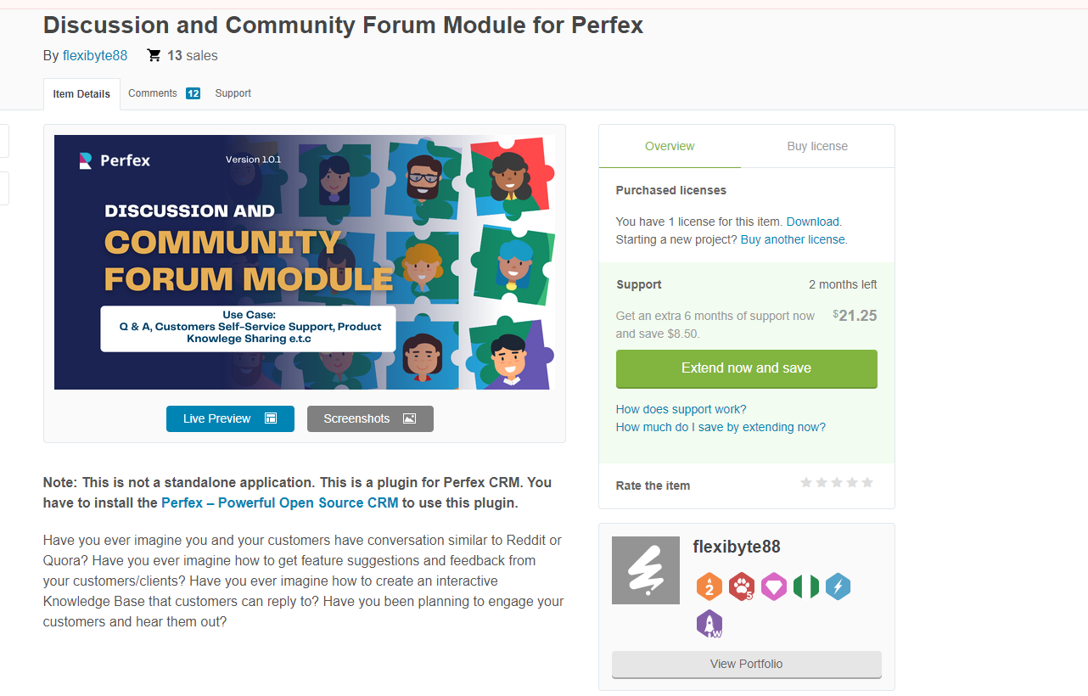

step2 | we have installed here at egate

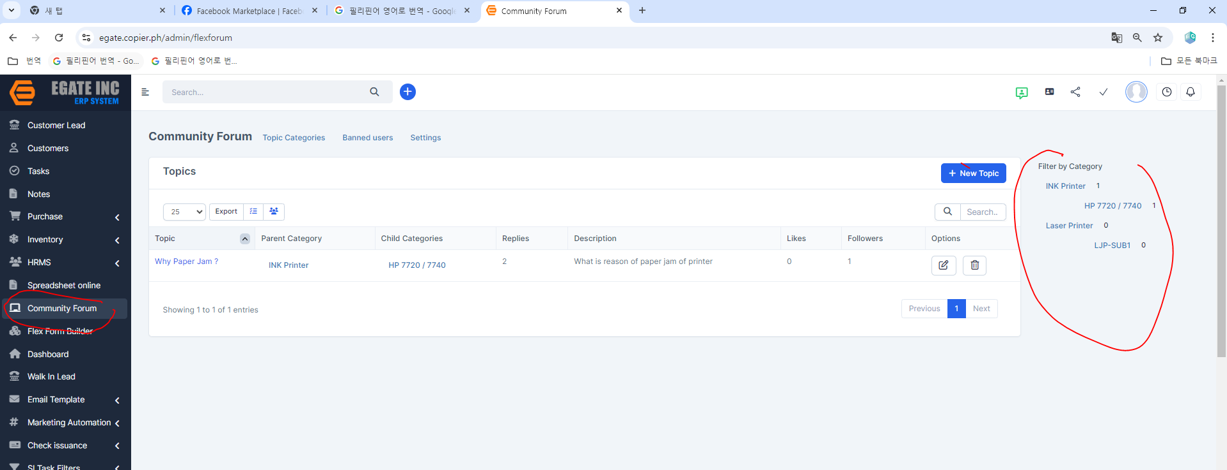

 | task1 | create menu --> Technical Forum | task2 | display this contents to this page

