Sheet1
step1 | we have this label.ph site
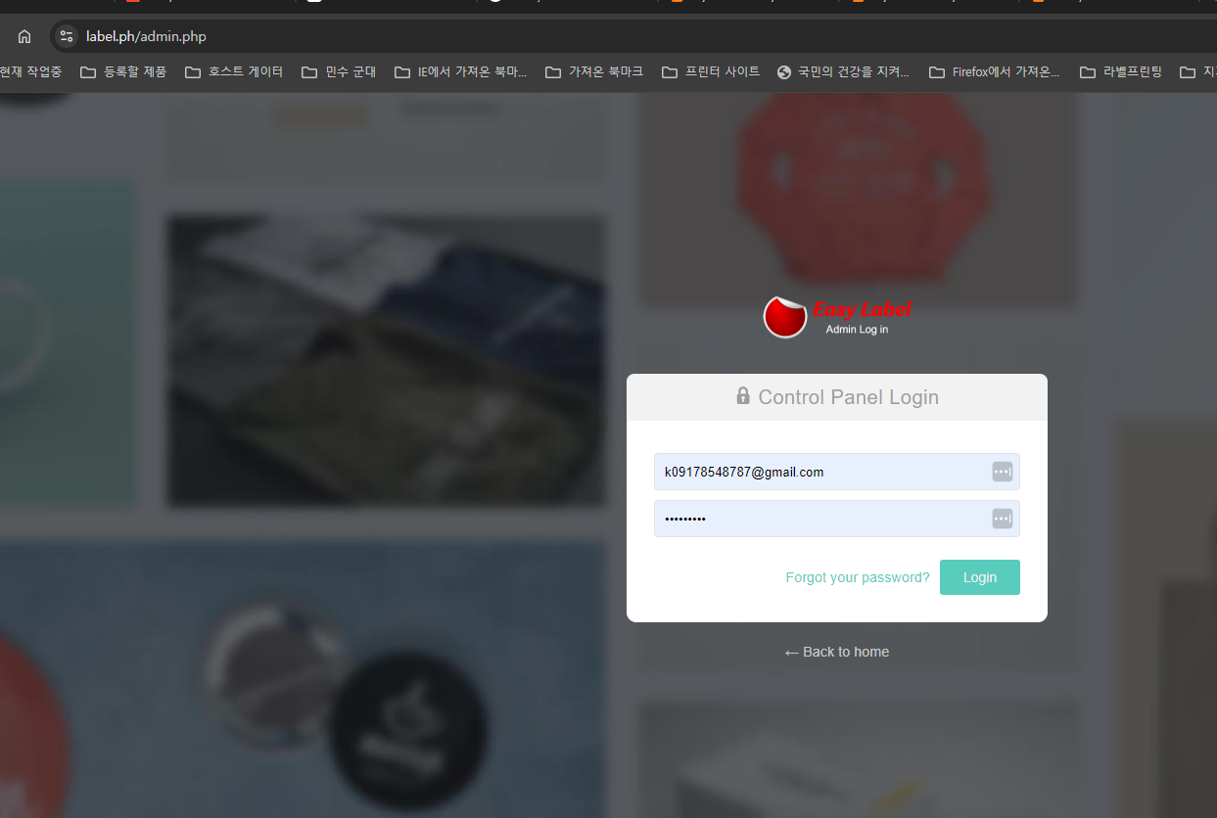

step2 | when we print order |  | I don't know where this image created --- order page or customer design page..i do not know

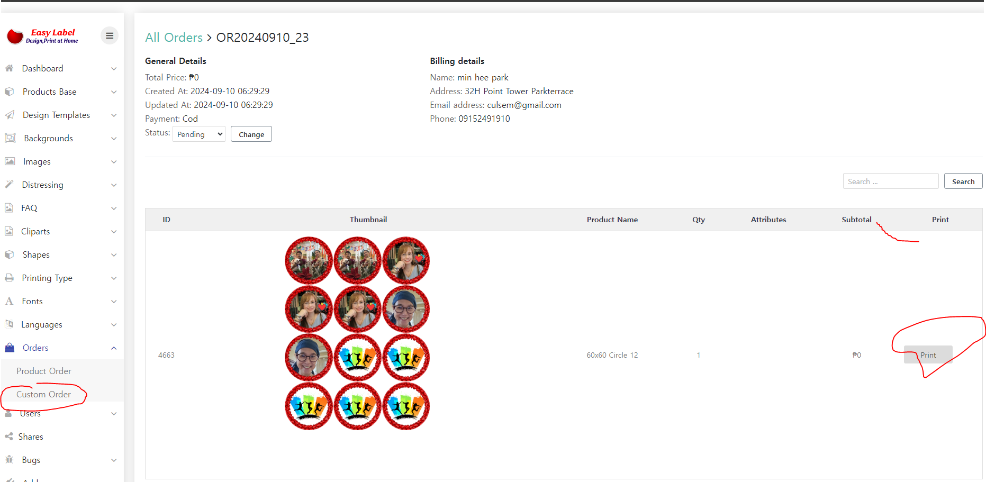

 |  | The hex code for pure black is #000000. |  | #00FFFF. |  | #000000
 |  | The hex code for pure cyan is #00FFFF. |  |  |  | #00FFFF
 |  | The hex code for pure red is #FF0000. |  |  |  | #FF0000
 |  |  |  |  |  | #FFFF00
 |  | The hex code for pure yellow is #FFFF00.

task1 | we can put this color block on the top or botton ? Because .. I want to know if this print color is correct or not --- cyan magenta yellow and black
 | we can display top or bottom .. Any place will be fine
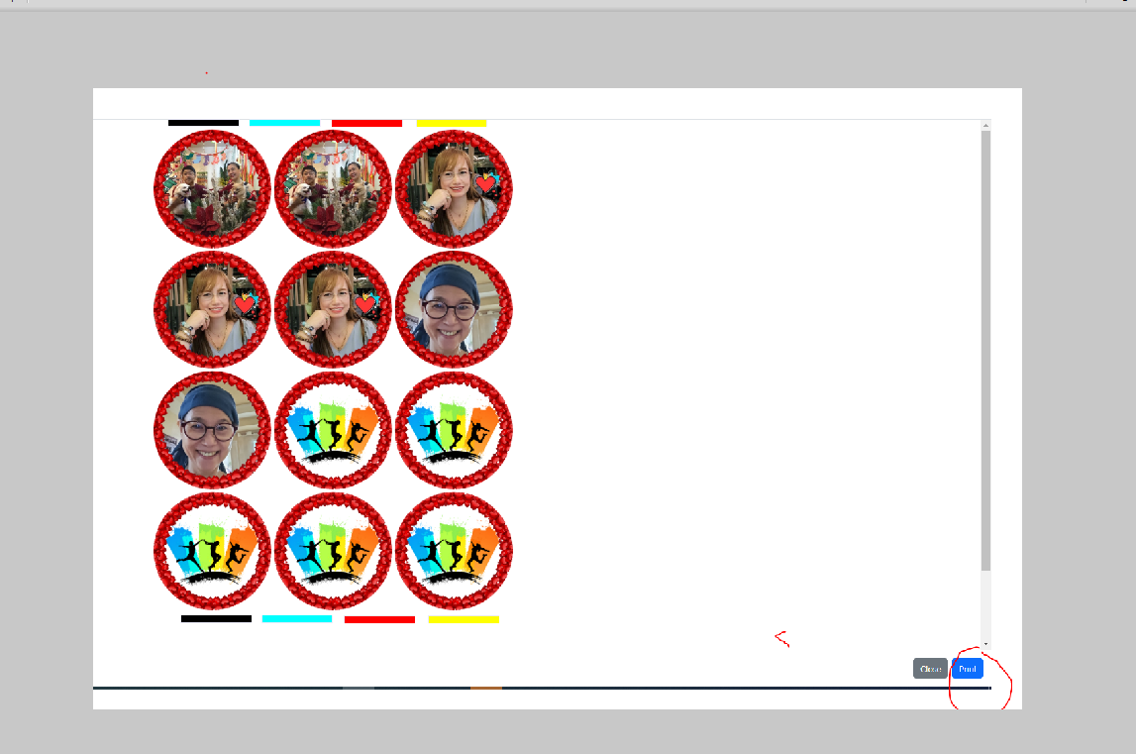

task2 | I wonder if we user can adjust top margin and left margin before user print |  |  |  | I do not know where we can put margin set up
 |  |  |  |  | like check writer -- you made margin set up there

 | because every user have different printer setting as default …. So I want make this user will adjust margin under this software …not from printer set up

 | if you can not find good way …it is ok … but you can try to find a way how to do

