Sheet1
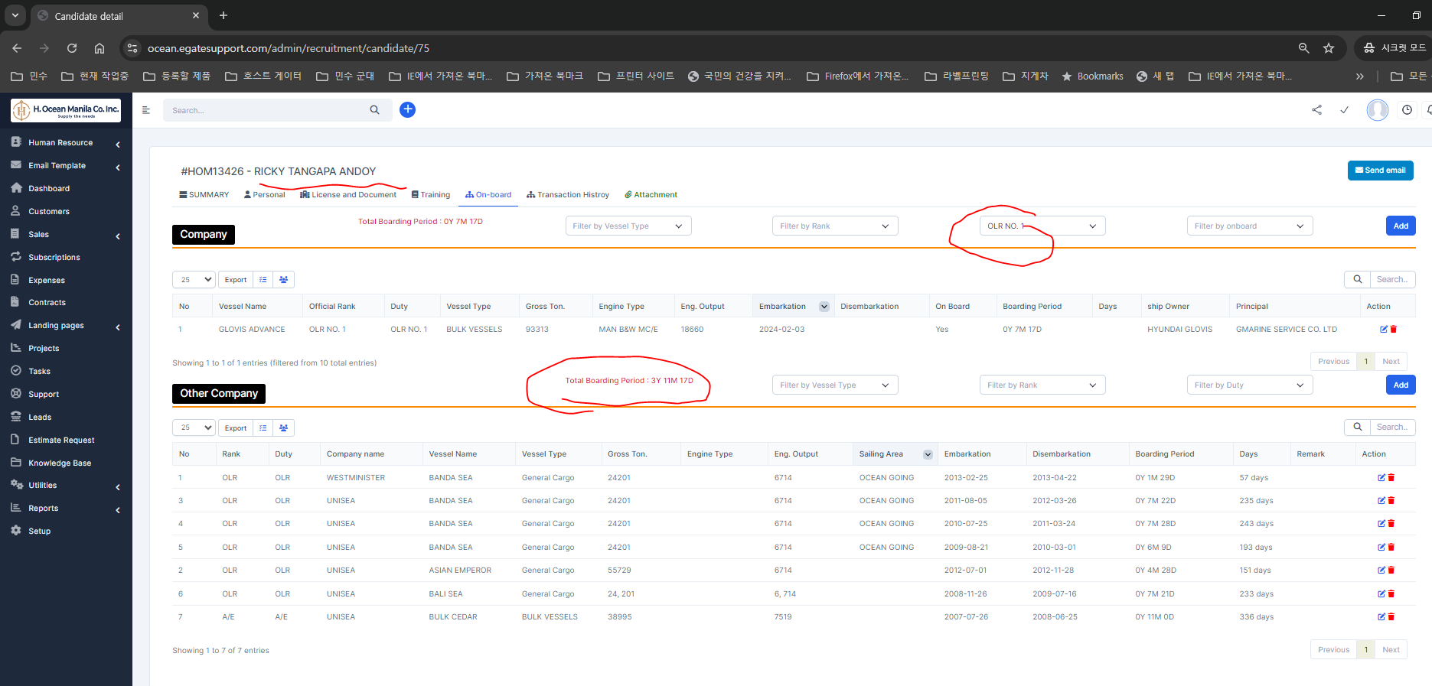
step 1 | sample crew, you will see his other current rank career - 3Y 11M 17D (OLR No.1)
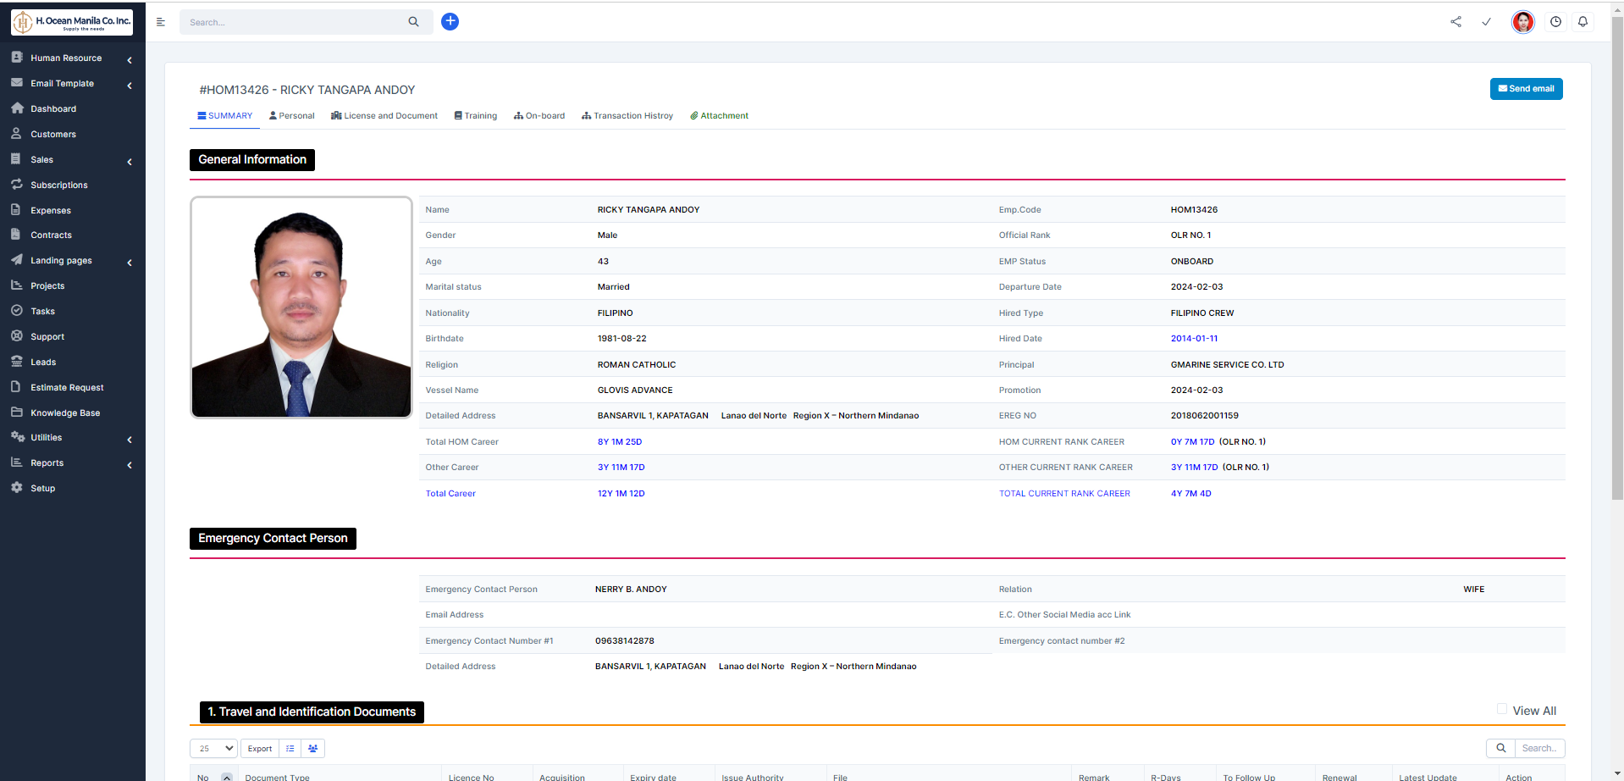

step 2 | click onboard to check and filter OLR NO.1

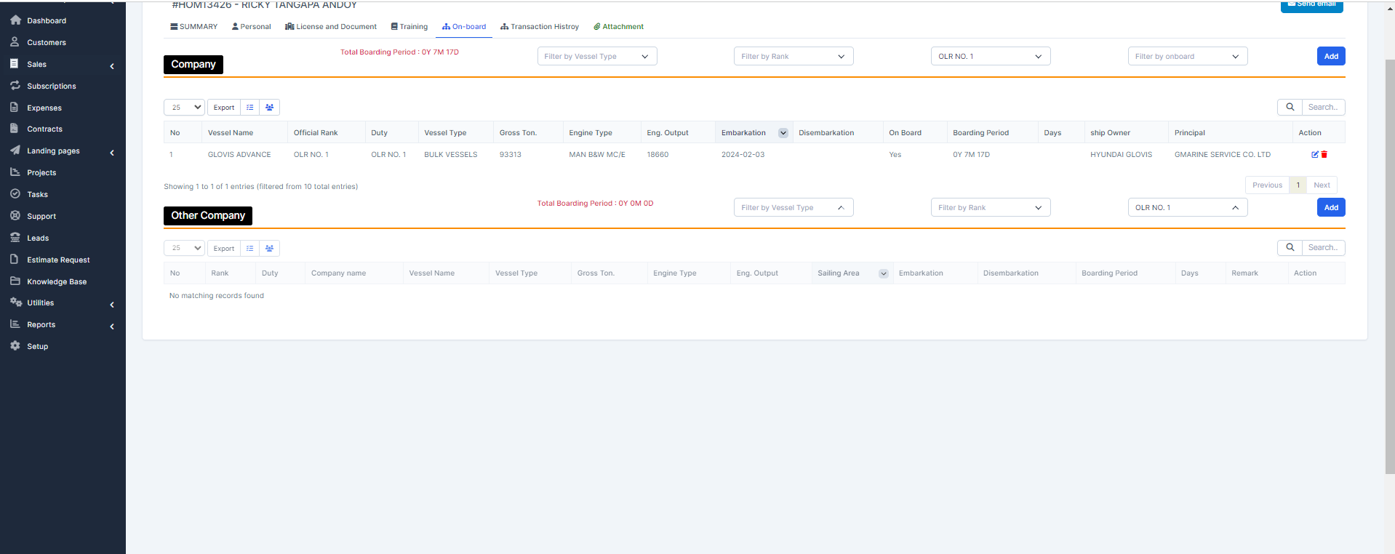

 | task 1 | this filter value (OLR No1 )of other company here is 0Y 0M 0D | this will be displayed here

Sheet2
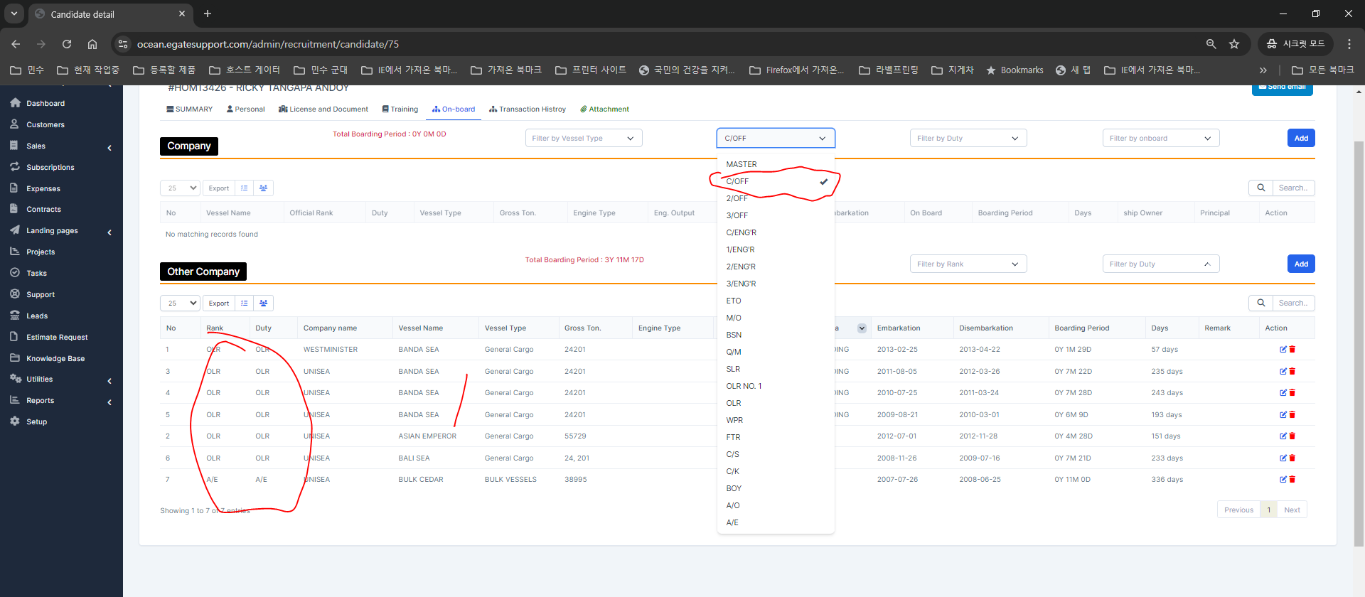
task1 | when click this filter this should be filtered also | task2 | if this is fitered by this condition | this period should be computed properly

Sheet3
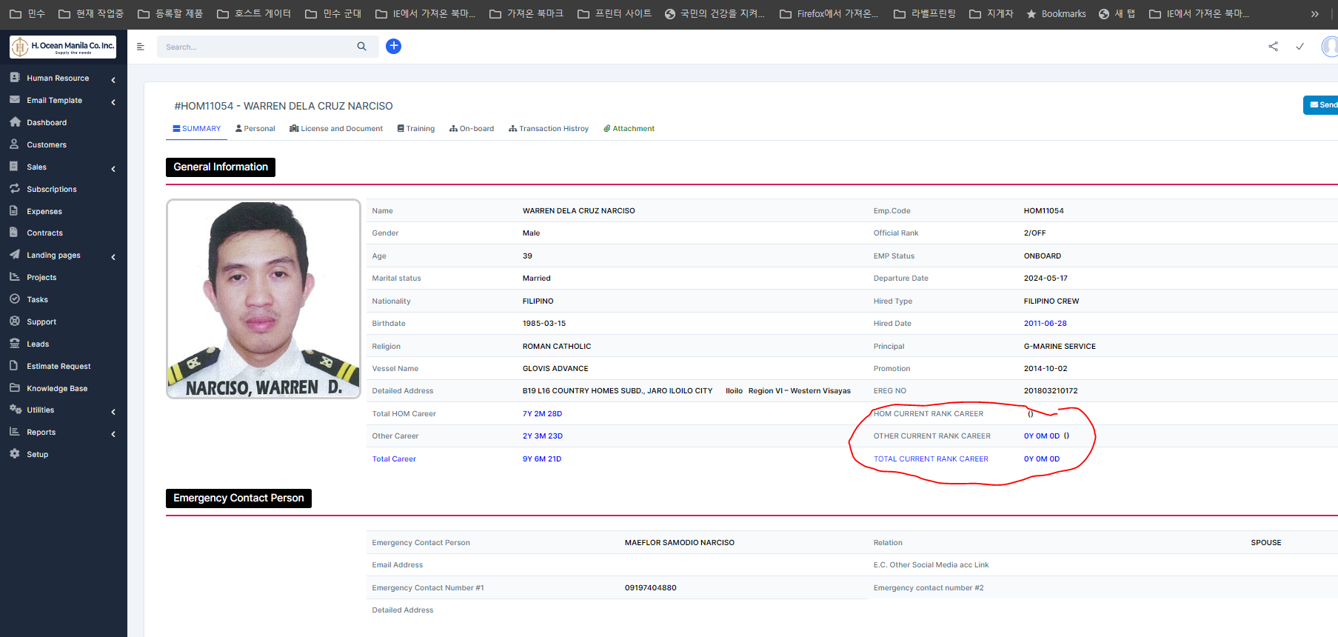
 |  |  | step1 | onboard tab -- latest data | corresponding value of duty is 2/0

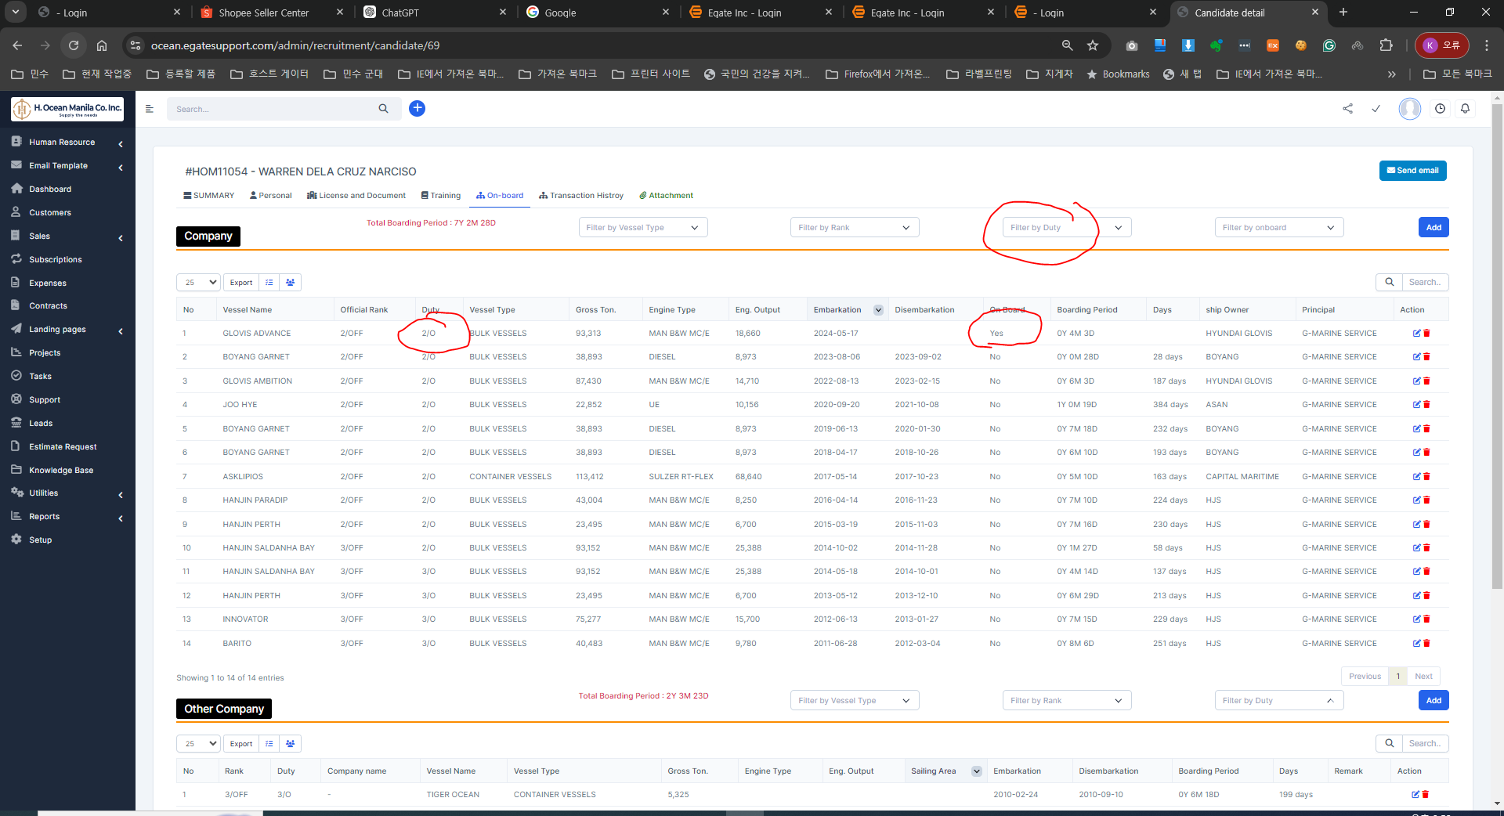

step2 |  | filtered by latest duty value
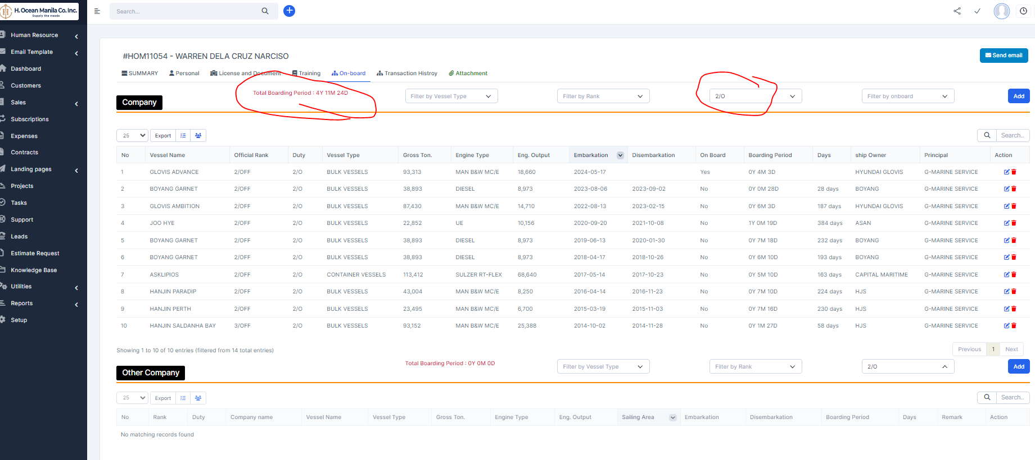

task1 | this filtered period will be displayed here

