Sheet1
step 1 | under Invoice--> process payment-->filter all--->filter company and click receive payment

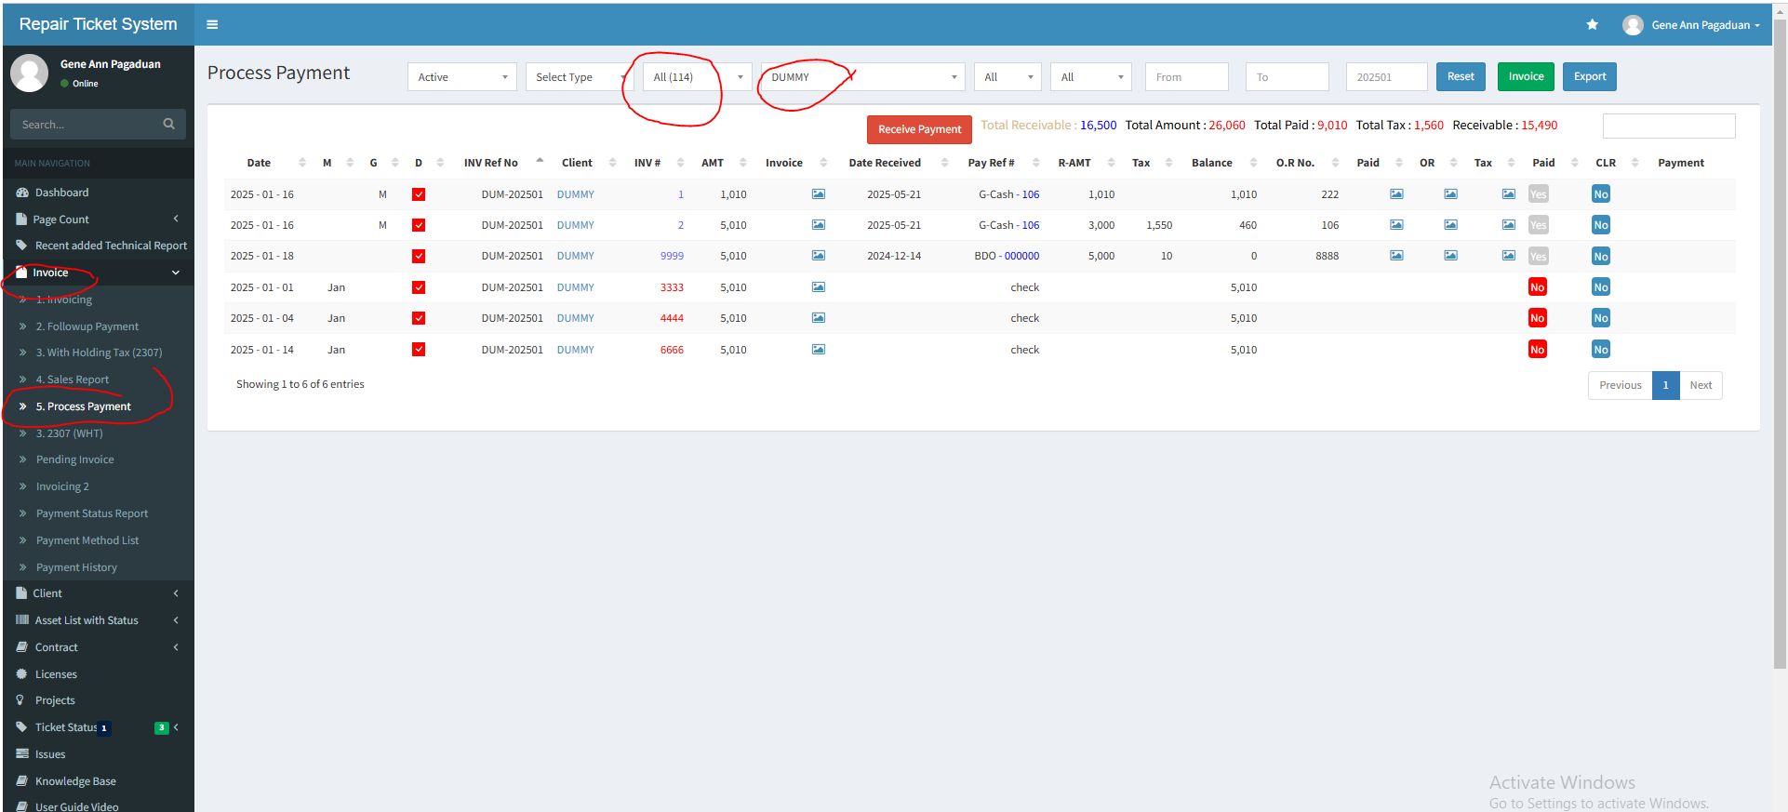

step2 | input details, attach files and click save changes

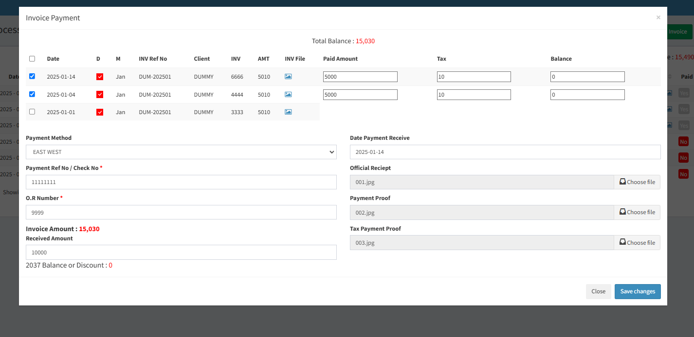

step 3 | this is the payment we process.. Now click again receive button
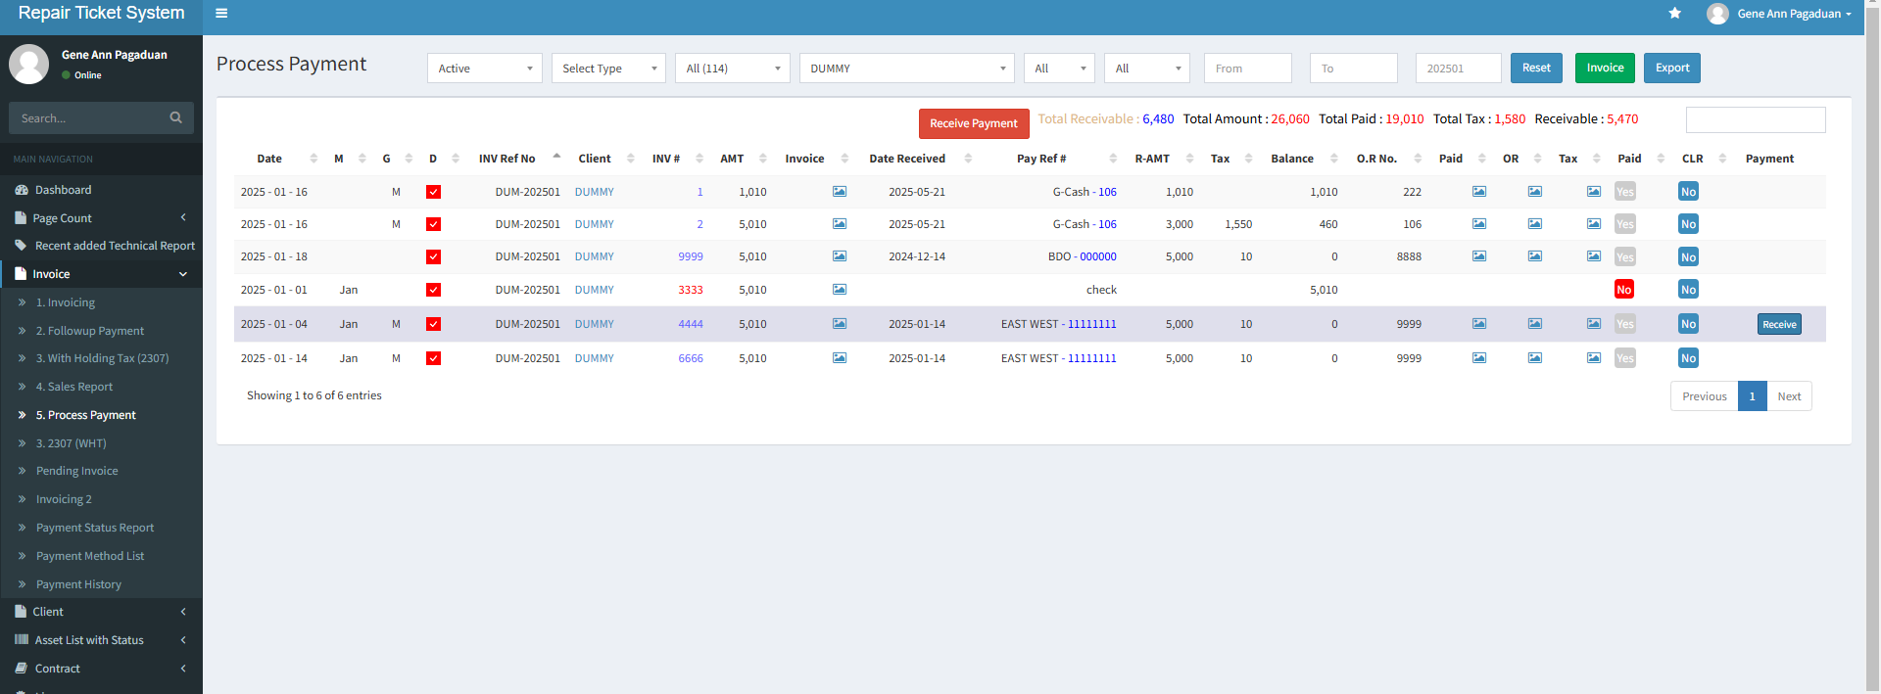

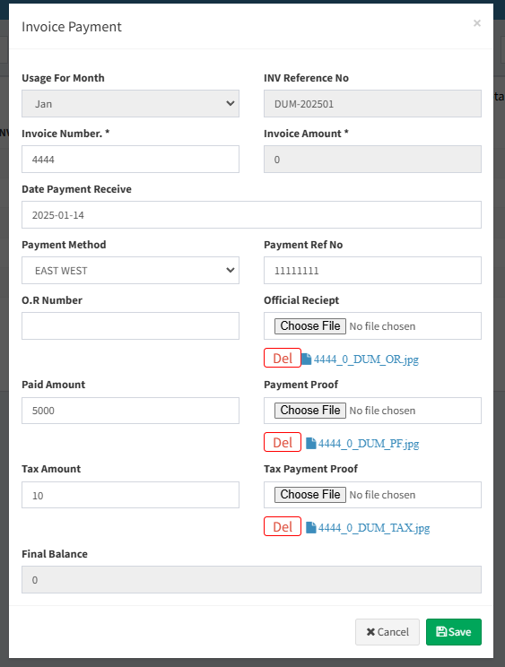

 |  | task 1 | OR number is not reflecting it should reflect the OR number we update here

 |  | task 2 | make del button smaller and put space betwee del button and file icon

