Sheet1
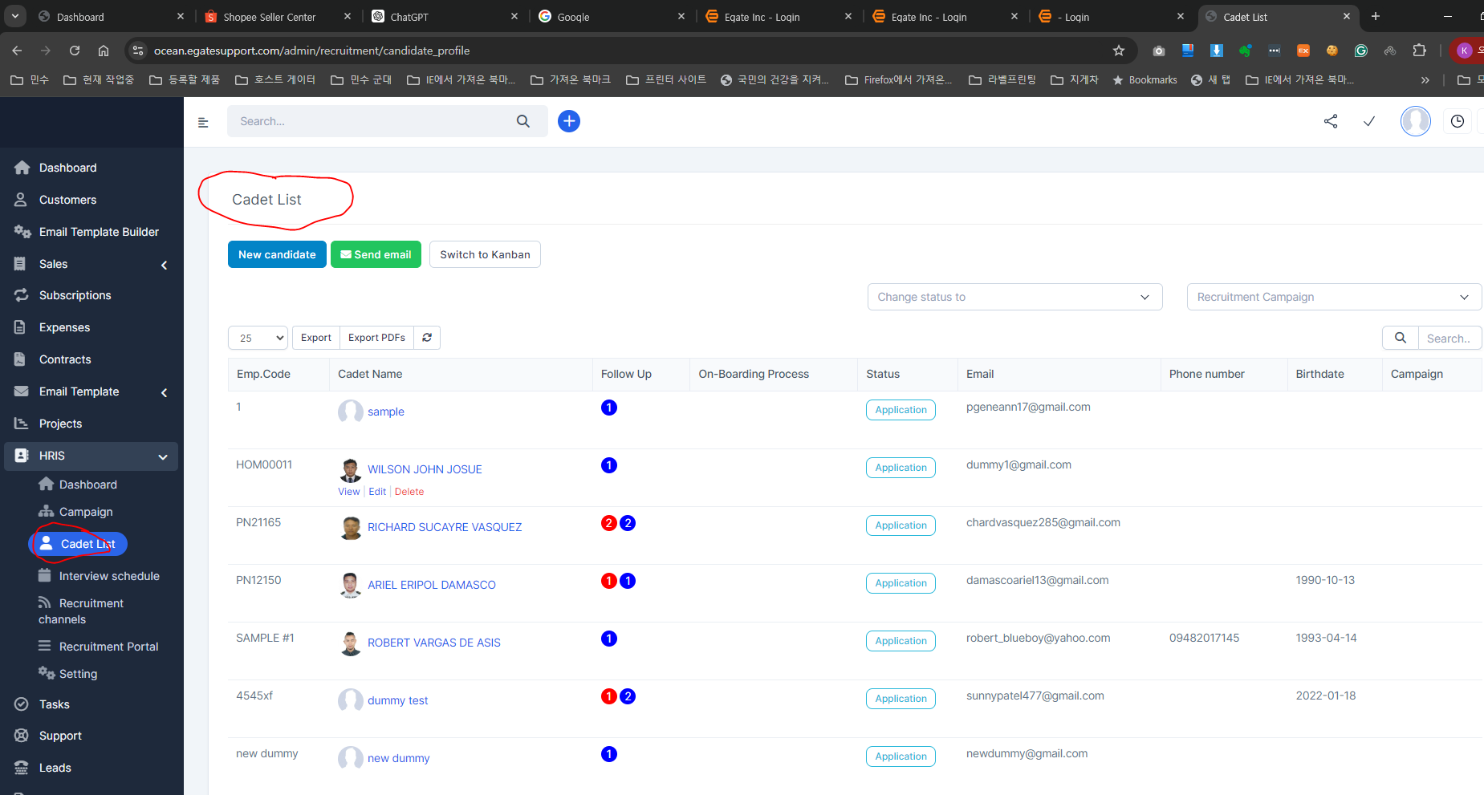
task1 -- text change | Cadet List --- Crew List

Sheet2
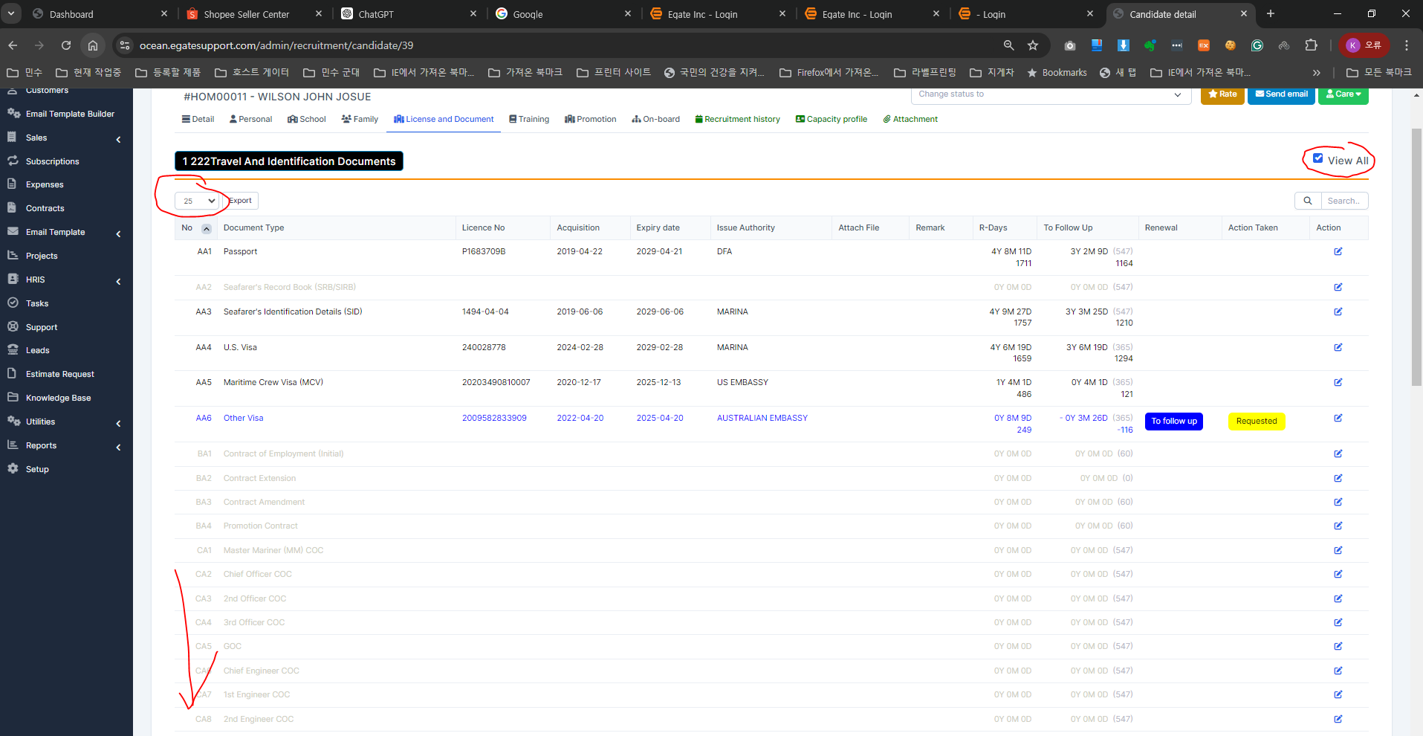
 |  | When click this View All
task1 | Error 1 | admin setting list does now show all here | when click this display qty as ALL ( all list view ) | currently it says 82 list -- but it does now show all list here

Sheet3
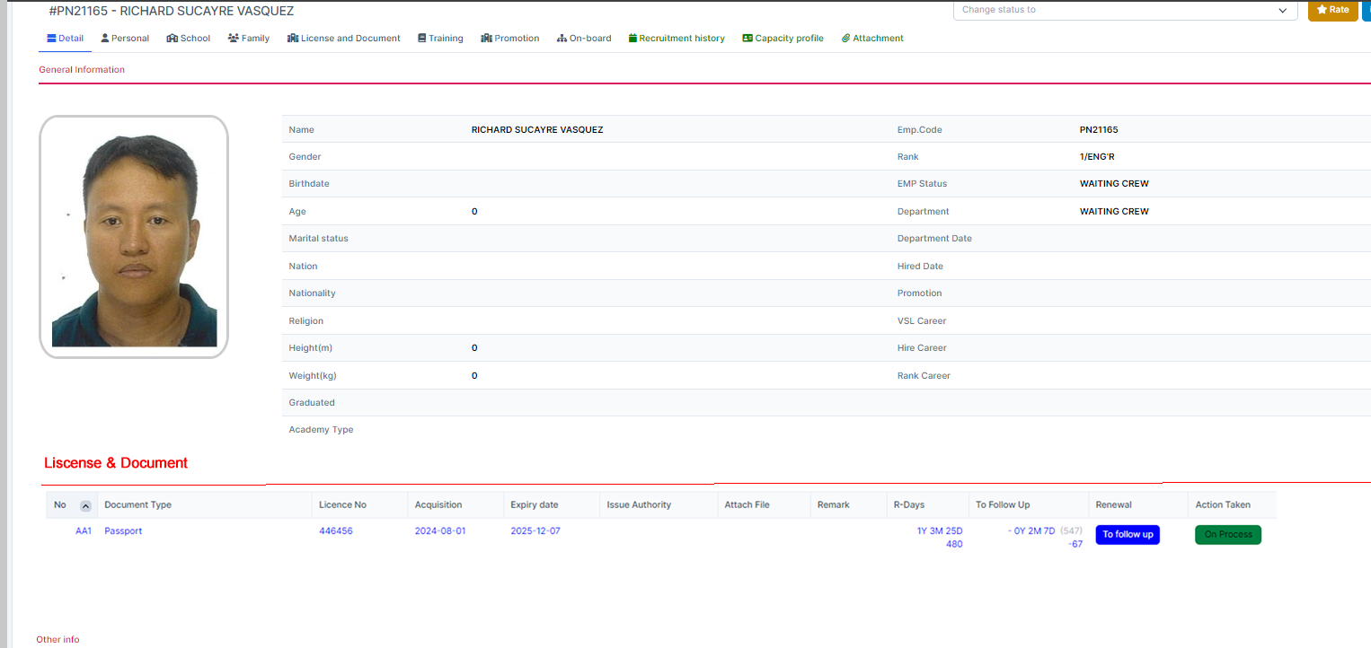
 | Task1 | admin setting -- add check box like this |  |  | Display Information on Main Page

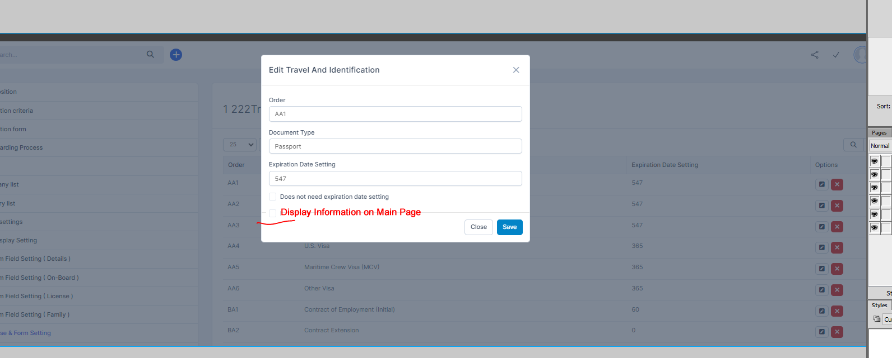

 |  | task2 | add collum and display this value as text or check box |  |  |  | maybe check box will be better

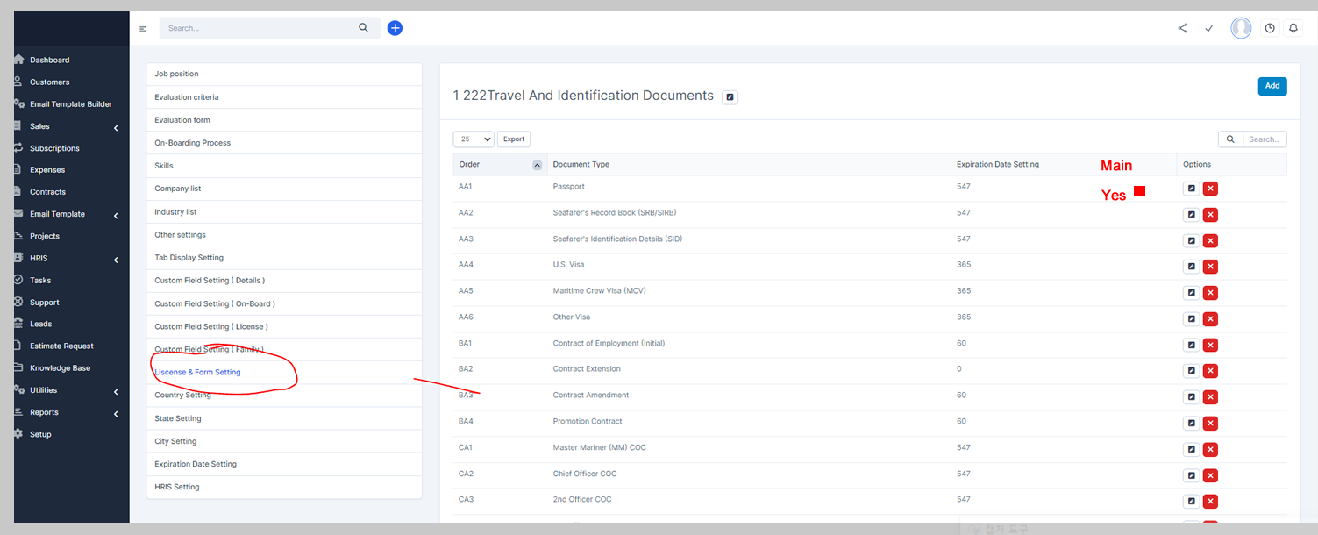

step1 | each crew has details page here |  |  | then he as his own liscense tab here |  |  |  | but I want to see this information at main page here
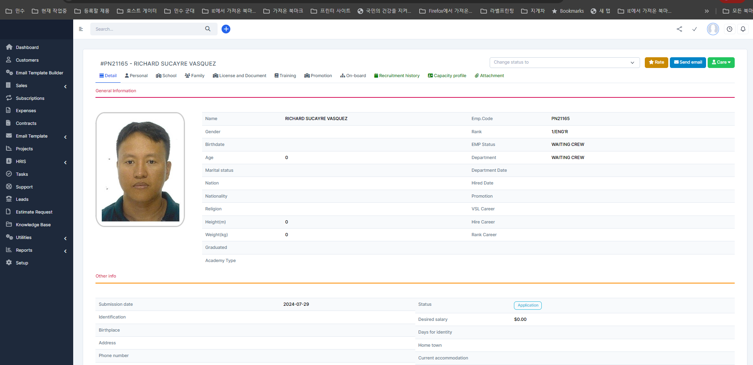

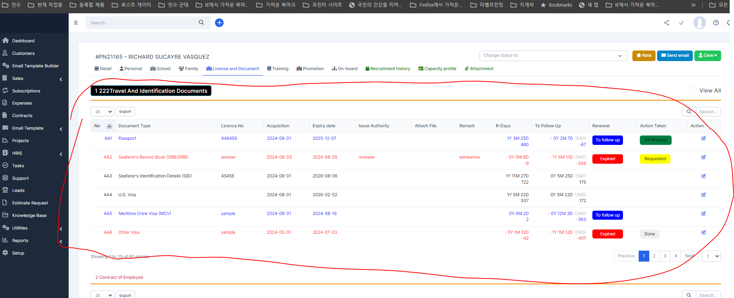

Step2 | but we can not display all listing at main page

 | Task3 | make additiona ROW like this and display like this |  |  |  | in this case --> it shows only passport information only here not all |  |  | because if admin will set this check box yes

Sheet4
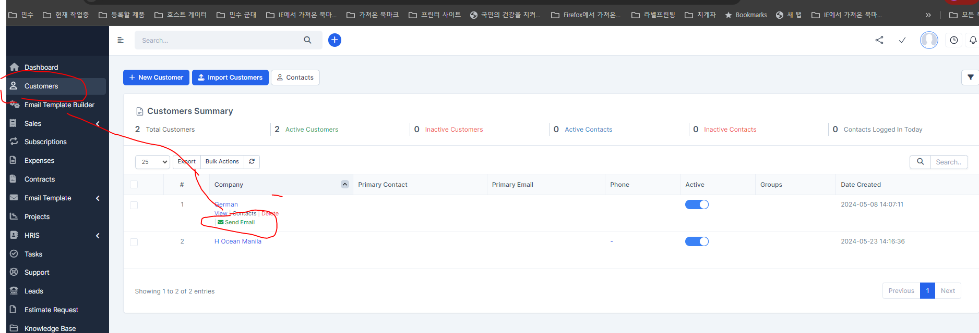
 | step1 | this email send works well -- but it only send subject from the template only --- description does not send --> I think we better not to use this

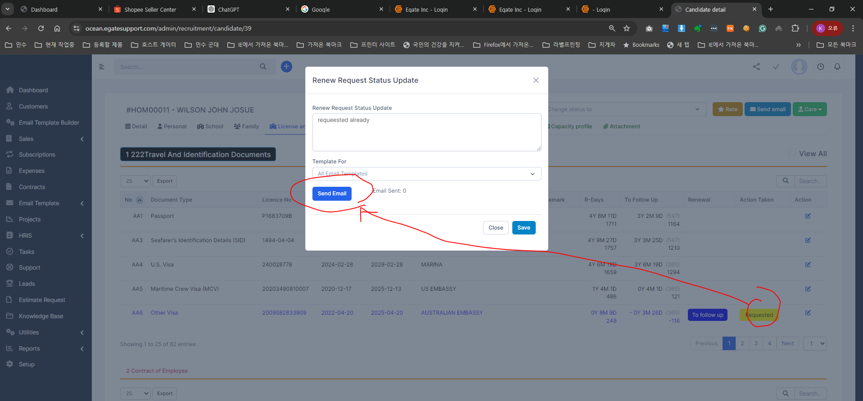

step2 | I purchase new module for email template |  | try to check this code to use -- because we also have email trigger here -- if there is expiration ---it will triger sending email also ---we can consider also

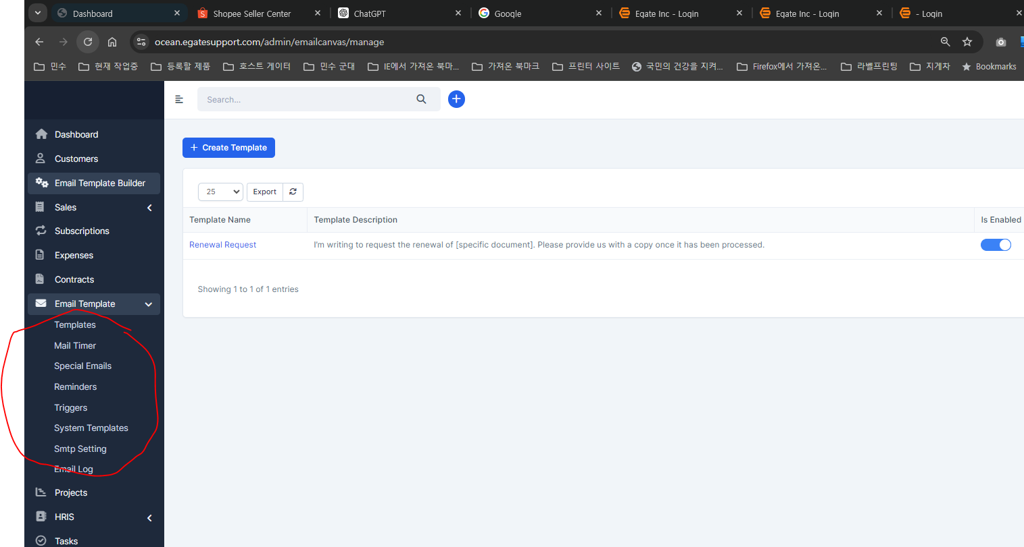

step3 | this module send email like this way ---it will be more easy to customise send email for this

