Matplotlib_canvas
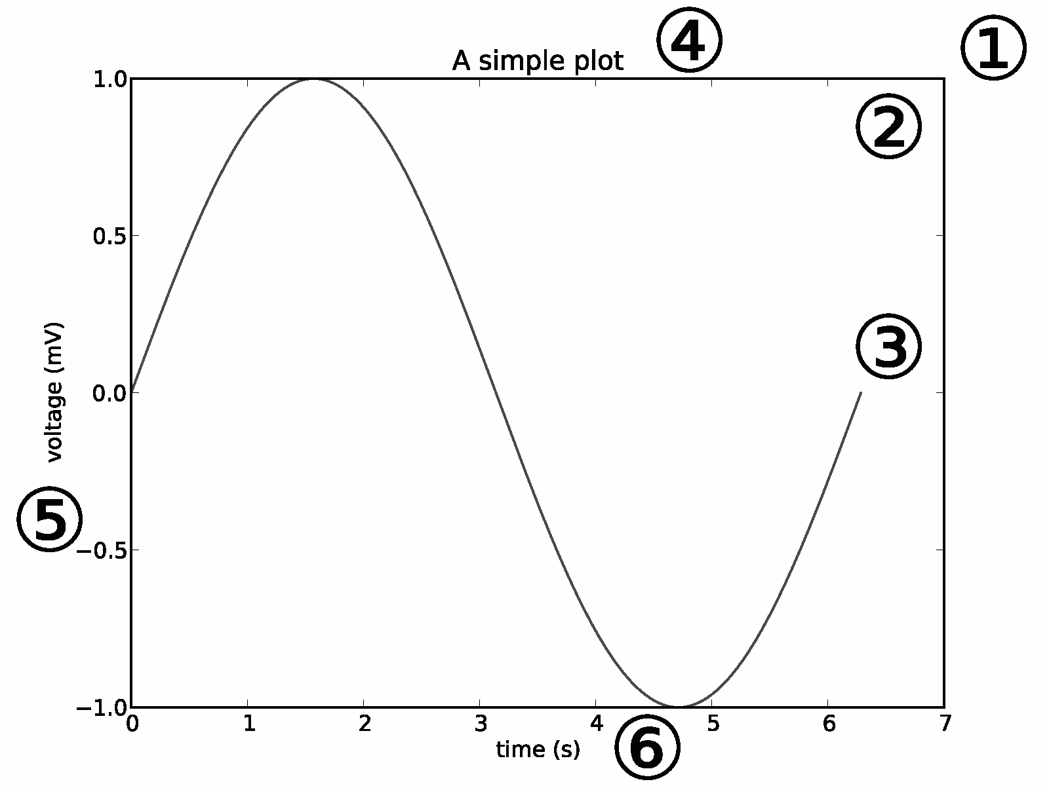

Axes
Line2D
Text

pathPatch
Bbox

spines

tick

ticklabel

xlabel

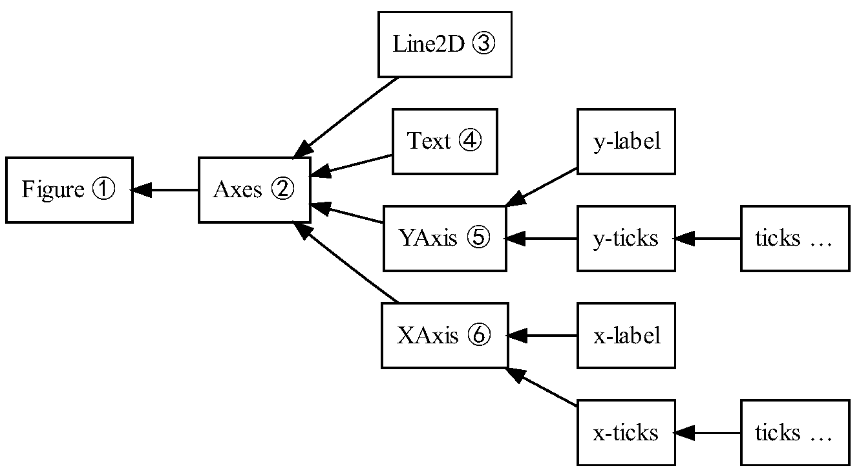
Artist
复合Artist
基本Artist

