配置
阿里云管理控制台 | https://ecs.console.aliyun.com/home

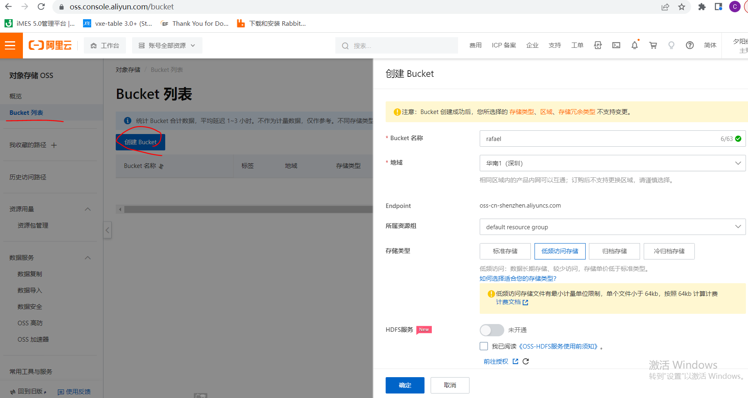
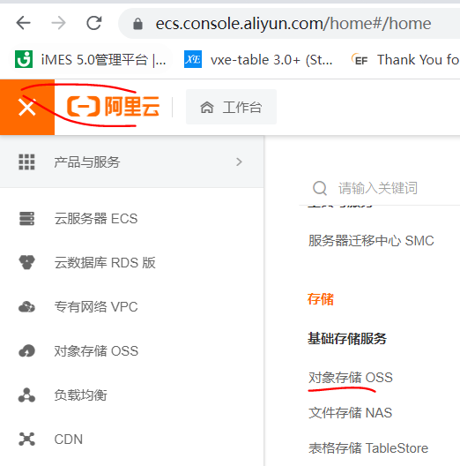
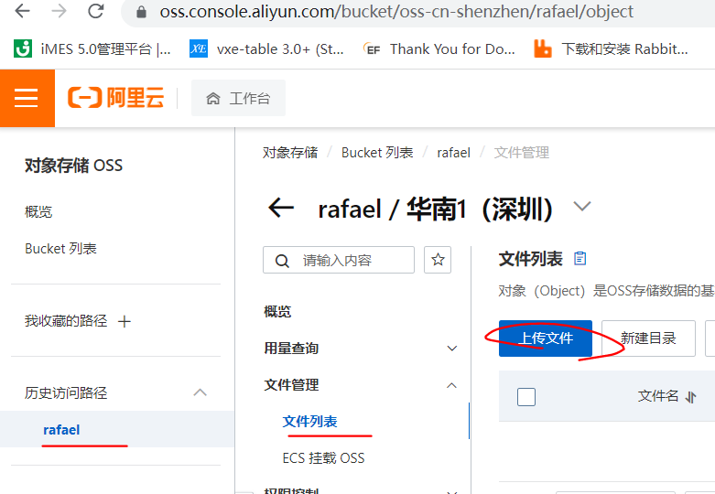

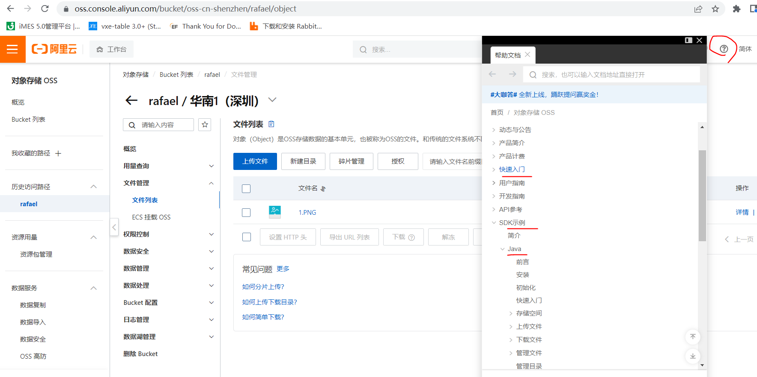
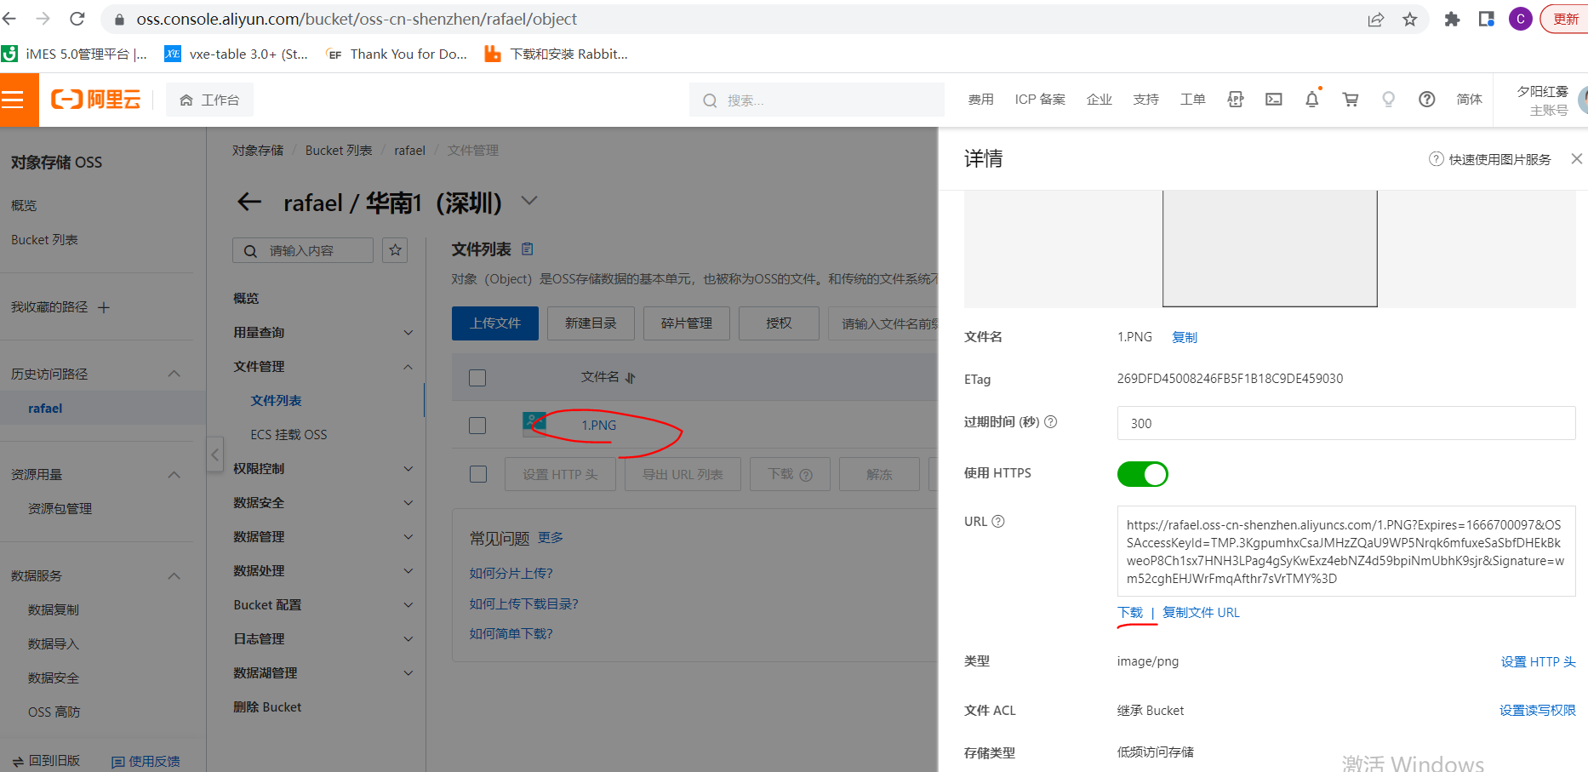

遇到的问题 | The OSS Access Key Id you provided does not exist in our records. Cause: com.mysql.jdbc.exceptions.jdbc4.MySQLSyntaxErrorException: Table 'db_news.oss_file' doesn't exist

