配置
阿里云管理控制台 | https://ecs.console.aliyun.com/home

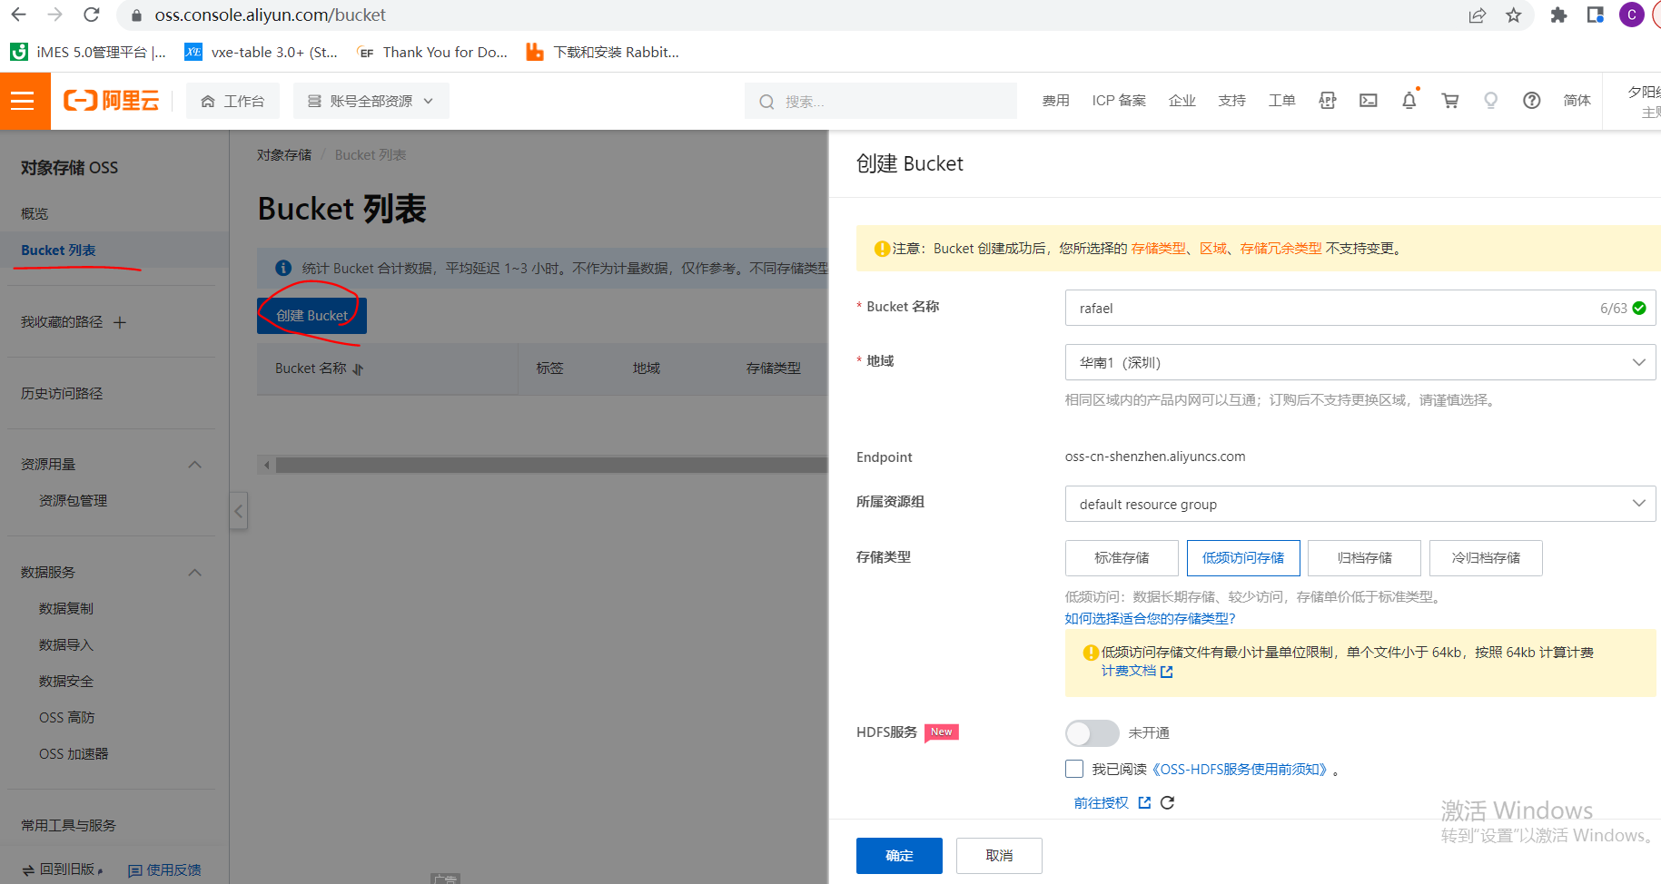
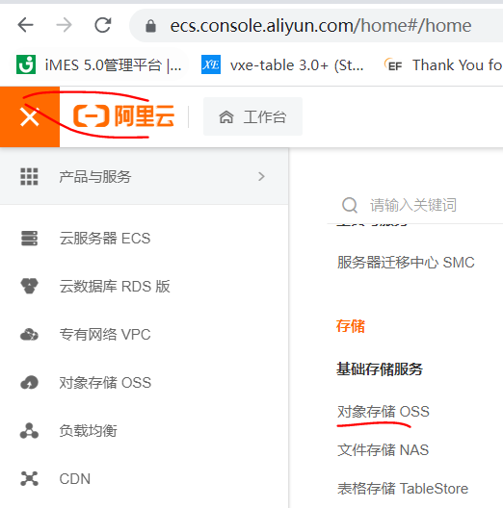
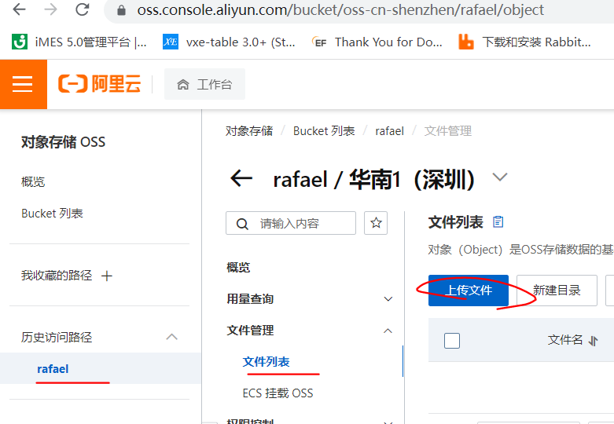

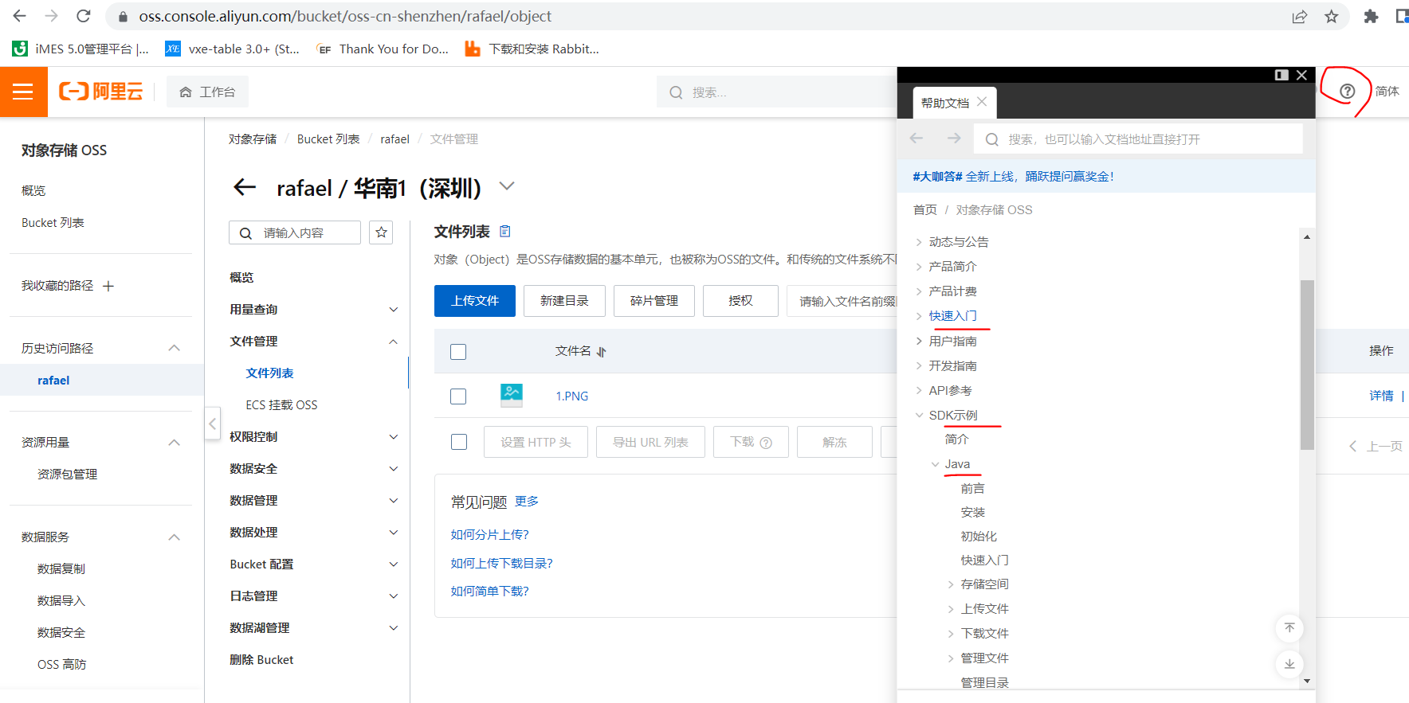
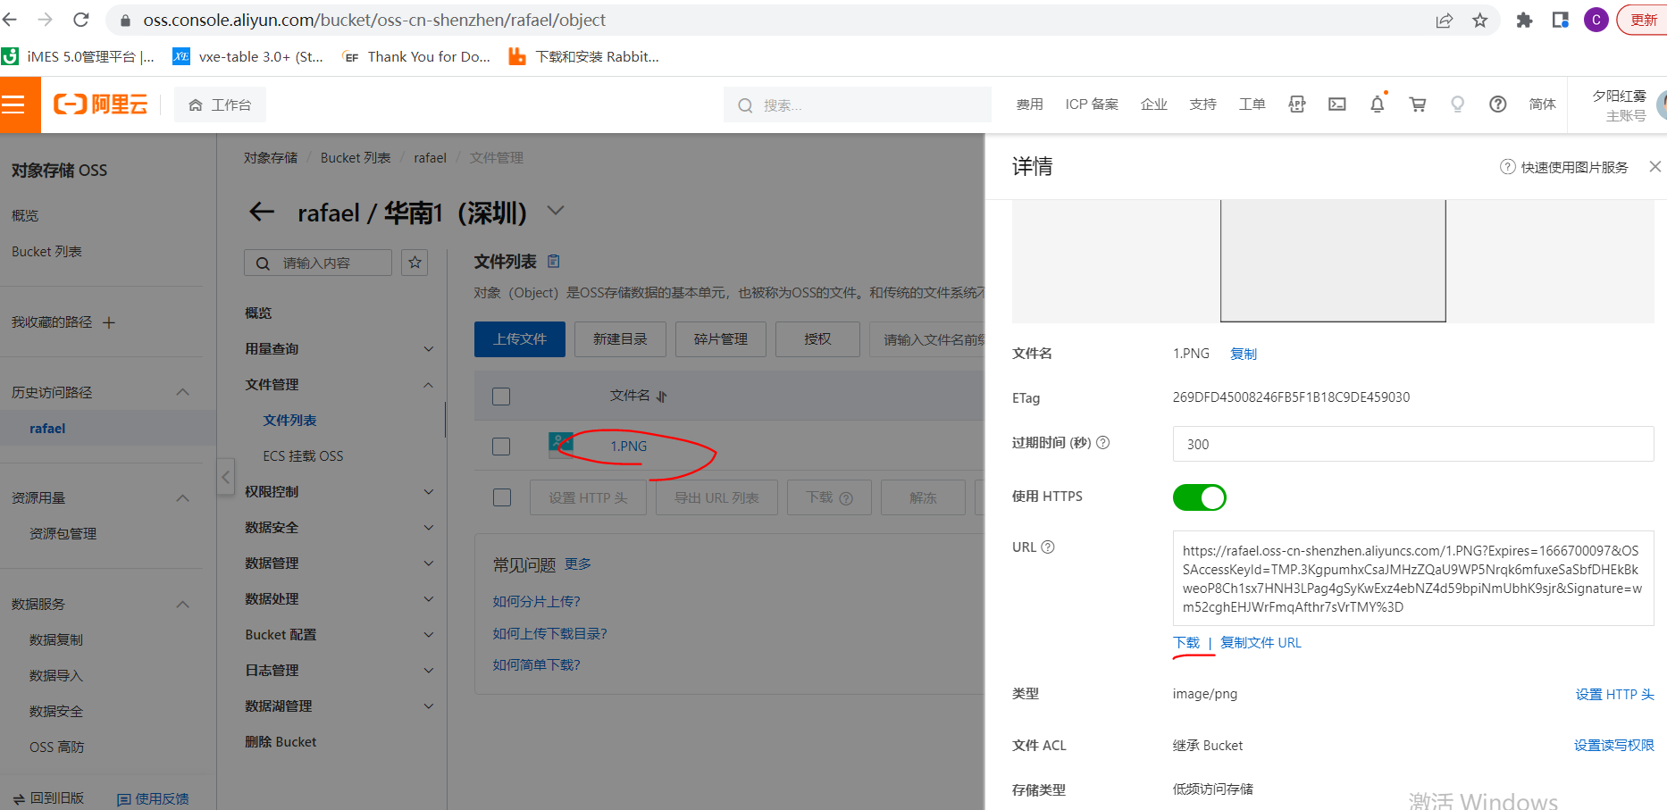

遇到的问题
accessId没有填 | The OSS Access Key Id you provided does not exist in our records.
连接的数据库没有表 | Cause: com.mysql.jdbc.exceptions.jdbc4.MySQLSyntaxErrorException: Table 'db_news.oss_file' doesn't exist
id字段的字符串类型 | Could not set property 'id' of 'class com.upload.entity.OssFile' with value '1585117197615857665' Cause: java.lang.IllegalArgumentException: argument type mismatch

