Common Info
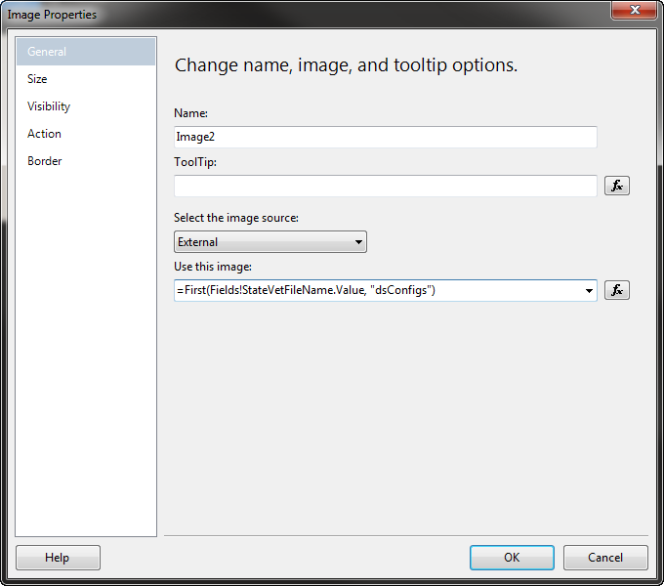
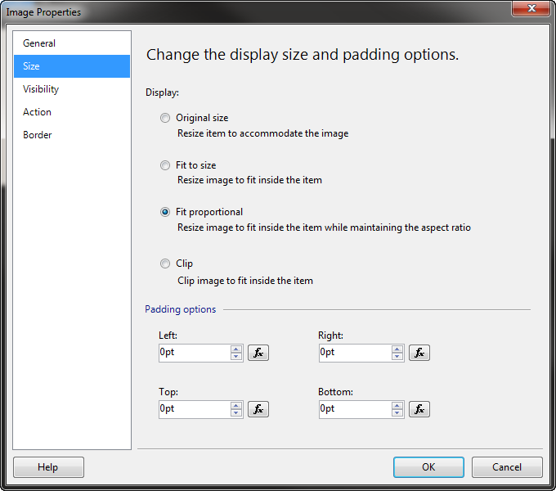
Development Tools
Visual Studio | 2013
SQL | 2008 R2 or greater
Other | Install BIDS 2014 (necessary open report solution in VS)
Server/Database
Server Name | hdcvs-usaherds\d2008
 | IP: 192.168.245.17 if you need to edit host file
Login | usaherds_readonly or Windows authentication
Password | ~USAHERDS!ReadOnly2008
Database | alusaherds
Team Foundation Server
TFS Link | http://hdcvs-tfs:8080/tfs
Path to solution | $/USAHERDS/src/USAHERDS_Reports2008/USAHerds_Reports2008.sln
Project | AL_Reports
Data source | USAHerds_Datasource
Shared Dataset | dsConfigs - contains generic values (vet name, etc.) that will be used on multiple reports.
Instructions
General | o Do not modify any stored procedures. o Report will be optimized for export to PDF.
Layout and Formatting (unless otherwise noted) | o A sample report layout is in the AL_Reports folder in TFS. The file name is SampleLayout.rdl and it is a rough draft of what is required. o FormattedName and FormattedAddress must fit into the window of a No. 10 size standard envelope. Place name and address in the area between 2.125” and 3.5” from the top of the sheet. o Use zero inch margins with 1 inch columns to the left and right. See SampleLayout.rdl. o All text should be 12 pt. Times New Roman (CourierNew for Premises - see samples) o Left text alignment | 
Images | o Images for the header and the footer are in the AL_Reports folder in TFS. o Use the following image properties when adding the signature to the report

20160108_Screenshots
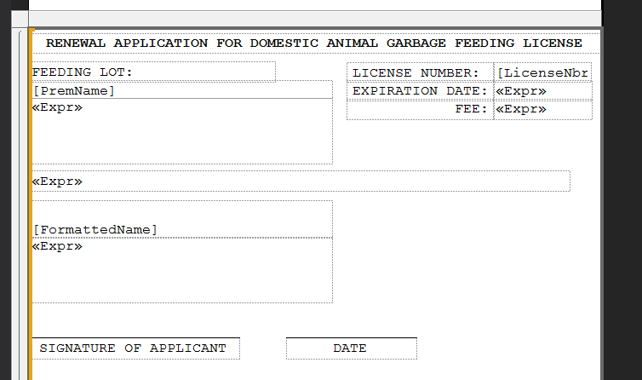
The letters that need to be changed look kind of like this:

Each of the text boxes in here are just textboxes lined up next to each other.


We’d like this changed to something similar to the following:

Where all the text/objects in the main part of the report are in a single table. This way, everything is tied to a single control and will be easier to adapt in the future.

