Sheet1
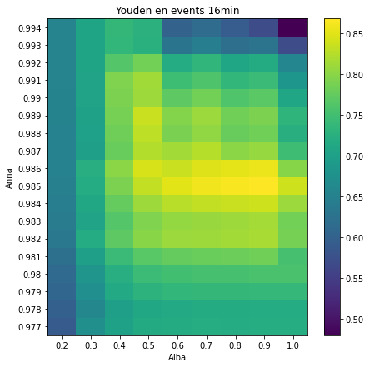
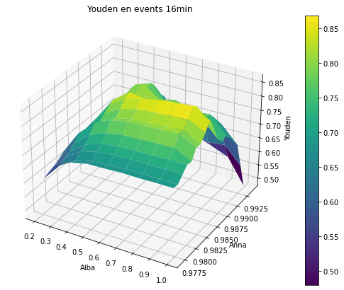
 | 0.2 | 0.3 | 0.4 | 0.5 | 0.6 | 0.7 | 0.8 | 0.9 | 1
0.977 | 0.59048966121 | 0.67406464307 | 0.70275551528 | 0.7153460438 | 0.71714100723 | 0.72012711269 | 0.7195663165 | 0.7207240073 | 0.72077102214
0.978 | 0.59785121276 | 0.66051822574 | 0.69719088697 | 0.71065566565 | 0.71429584131 | 0.7172297514 | 0.71733381296 | 0.71910621298 | 0.71918193055
0.979 | 0.60663983903 | 0.67227187986 | 0.71381297044 | 0.72974393559 | 0.73531780814 | 0.73752326464 | 0.7376281141 | 0.73873587008 | 0.73880326463
0.98 | 0.61235972329 | 0.68204131044 | 0.72365821444 | 0.74462179647 | 0.75085642782 | 0.75376241704 | 0.75460174525 | 0.75698647494 | 0.7570474505
0.981 | 0.62255630162 | 0.69788797062 | 0.74379199799 | 0.76779913 | 0.77660954007 | 0.77946547772 | 0.78162785632 | 0.78464646465 | 0.75441350269
0.982 | 0.63583335716 | 0.71972176882 | 0.77274733505 | 0.79879821831 | 0.80947090817 | 0.81220964436 | 0.81439178213 | 0.81807206273 | 0.7878254335
0.983 | 0.6399572942 | 0.70524572549 | 0.76430175431 | 0.7929004827 | 0.80542541045 | 0.80875660209 | 0.81224468351 | 0.81592226312 | 0.78637613412
0.984 | 0.64330263542 | 0.71203916041 | 0.77615864528 | 0.81188904611 | 0.82690536401 | 0.83214226359 | 0.83568327711 | 0.83932575384 | 0.81044865199
0.985 | 0.64734693878 | 0.7191794967 | 0.79185658957 | 0.83282807827 | 0.85088391854 | 0.85943936813 | 0.86428512733 | 0.86853768354 | 0.83967659239
0.986 | 0.65150493318 | 0.72390339092 | 0.8016449074 | 0.84526596222 | 0.83549189985 | 0.84736552497 | 0.85217545966 | 0.85774256944 | 0.79857063853
0.987 | 0.65182908694 | 0.69757646221 | 0.77757934373 | 0.82363429408 | 0.81388201874 | 0.82575740836 | 0.80028780764 | 0.80723123657 | 0.7480556807
0.988 | 0.65151552398 | 0.69867246332 | 0.78285816747 | 0.83014583879 | 0.79009197171 | 0.80330007187 | 0.77784657571 | 0.78480632165 | 0.72563821322
0.989 | 0.65320583548 | 0.70173718427 | 0.78713916738 | 0.83576208606 | 0.79576077116 | 0.80964561203 | 0.78490821804 | 0.7918958248 | 0.7327255246
0.99 | 0.65445972687 | 0.7047747298 | 0.7920252522 | 0.81109033675 | 0.77244843501 | 0.78637829329 | 0.76166321796 | 0.76868134754 | 0.70950955477
0.991 | 0.65458089669 | 0.70523029878 | 0.79298556056 | 0.81325982023 | 0.74565778733 | 0.76029136138 | 0.73628689431 | 0.74333549769 | 0.68416201236
0.992 | 0.65473500036 | 0.70667963383 | 0.76475578592 | 0.7863909227 | 0.71884251081 | 0.73350922068 | 0.71021970303 | 0.71729166456 | 0.65811718431
0.993 | 0.65489434054 | 0.70634038463 | 0.73579195795 | 0.72717361355 | 0.62933532903 | 0.64401280179 | 0.62072996178 | 0.6278078679 | 0.56863253123
0.994 | 0.65519584527 | 0.70722380776 | 0.73721492933 | 0.72860790688 | 0.60047262891 | 0.61583856614 | 0.59256479021 | 0.56934232171 | 0.47986217494

