Sheet1
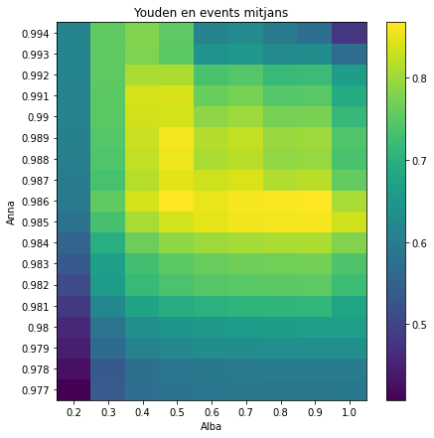
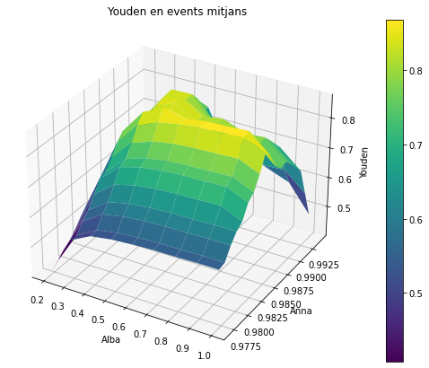
 | 0.2 | 0.3 | 0.4 | 0.5 | 0.6 | 0.7 | 0.8 | 0.9 | 1
0.977 | 0.40776326297 | 0.53757609604 | 0.5724672972 | 0.58297963167 | 0.58786208349 | 0.59095866533 | 0.59112380278 | 0.59261288431 | 0.59274345684
0.978 | 0.4260813783 | 0.53567591707 | 0.575501153 | 0.58763208413 | 0.59297524209 | 0.59619953144 | 0.59652338793 | 0.59811242673 | 0.59834979187
0.979 | 0.44671885801 | 0.5664082104 | 0.61080369322 | 0.62443173901 | 0.63059027655 | 0.63386349592 | 0.63422705622 | 0.63589503205 | 0.63613014697
0.98 | 0.460432903 | 0.58708257702 | 0.63492927382 | 0.6501284466 | 0.65691051805 | 0.66072609038 | 0.66151706922 | 0.66338328489 | 0.66361638759
0.981 | 0.4833641495 | 0.62220707482 | 0.67639356125 | 0.6938537844 | 0.70195292611 | 0.70613516268 | 0.70731003609 | 0.70944803089 | 0.67871849467
0.982 | 0.51174958273 | 0.659700407 | 0.71802977496 | 0.73695415422 | 0.74563151456 | 0.74983159796 | 0.75113299087 | 0.75348821452 | 0.72272846737
0.983 | 0.53630345156 | 0.66514871772 | 0.72880702692 | 0.7510885383 | 0.76083608453 | 0.76550117323 | 0.76704329795 | 0.76974260613 | 0.7393742159
0.984 | 0.55486924582 | 0.69597658578 | 0.76508163279 | 0.79000959281 | 0.80098550007 | 0.80619594292 | 0.80835386308 | 0.81124716815 | 0.78114591762
0.985 | 0.5793040716 | 0.73241472762 | 0.80729570147 | 0.83653341799 | 0.84904211836 | 0.8568081428 | 0.85885761779 | 0.86194656003 | 0.83235457081
0.986 | 0.59460580967 | 0.75544544804 | 0.83613686584 | 0.86735078137 | 0.85191483974 | 0.86186907618 | 0.86378630436 | 0.86744721241 | 0.80753116035
0.987 | 0.59922857575 | 0.73303275628 | 0.81579495623 | 0.84723721274 | 0.83176557216 | 0.84169989401 | 0.8132305183 | 0.81736728159 | 0.75752021441
0.988 | 0.60350749623 | 0.74053387454 | 0.82389014427 | 0.85548562963 | 0.80922125842 | 0.819243888 | 0.79090082034 | 0.7949531426 | 0.73536957771
0.989 | 0.60655522875 | 0.74491927531 | 0.82920084823 | 0.86111703725 | 0.81499141269 | 0.82473238391 | 0.79691694576 | 0.80065981899 | 0.74110160637
0.99 | 0.60978210339 | 0.7492154428 | 0.83430043608 | 0.83628203858 | 0.79013713633 | 0.79972333857 | 0.77194202032 | 0.77568076186 | 0.71615268464
0.991 | 0.61137950416 | 0.75139428871 | 0.83710996488 | 0.8391614705 | 0.76259561739 | 0.77219654207 | 0.74465961743 | 0.74873385259 | 0.68897491565
0.992 | 0.61306394949 | 0.75323769464 | 0.80869195796 | 0.81113746769 | 0.73457653199 | 0.74418456212 | 0.71693596113 | 0.72105101528 | 0.66129821284
0.993 | 0.61347792875 | 0.75417188702 | 0.77886131775 | 0.75112268125 | 0.64394936633 | 0.65369725657 | 0.62647967518 | 0.63073235145 | 0.57098602528
0.994 | 0.61426224258 | 0.75586978863 | 0.78067689859 | 0.75294047595 | 0.61523488049 | 0.62503965326 | 0.59790865199 | 0.57140251602 | 0.4813677139

