Sheet1
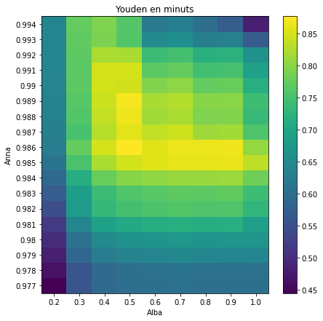
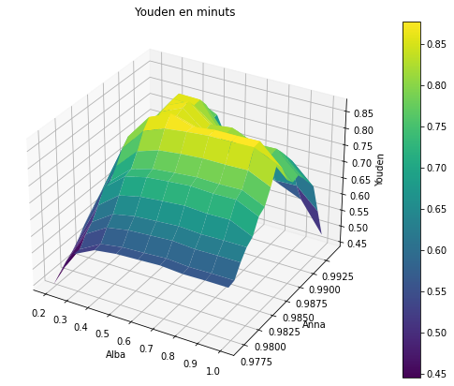
 | 0.2 | 0.3 | 0.4 | 0.5 | 0.6 | 0.7 | 0.8 | 0.9 | 1
0.977 | 0.44472062292 | 0.55792398151 | 0.59041161075 | 0.5994729595 | 0.6025449987 | 0.60576741105 | 0.60110751326 | 0.60249132026 | 0.60260380014
0.978 | 0.46330263656 | 0.55637762994 | 0.5927758965 | 0.60301219864 | 0.60616539917 | 0.61024062974 | 0.60535334892 | 0.60671670577 | 0.60686945113
0.979 | 0.48258096786 | 0.58670057638 | 0.62608877803 | 0.63762999348 | 0.64192932553 | 0.64619028461 | 0.64108605858 | 0.64261716752 | 0.64276317826
0.98 | 0.4971668206 | 0.60731056303 | 0.65030756364 | 0.66364189805 | 0.66840354422 | 0.67320586466 | 0.66910497898 | 0.67063458574 | 0.67077598118
0.981 | 0.51852218455 | 0.64157270516 | 0.69099391395 | 0.70590928491 | 0.71209552025 | 0.71745812901 | 0.71334950522 | 0.71490548584 | 0.68475950026
0.982 | 0.54703567036 | 0.68028387821 | 0.73210501514 | 0.74792343121 | 0.75424181373 | 0.75961975589 | 0.75623636238 | 0.75781459507 | 0.72765742348
0.983 | 0.56982327849 | 0.68390161233 | 0.73911256759 | 0.75788291818 | 0.76456587887 | 0.77024861671 | 0.76876492079 | 0.77054346719 | 0.740458618
0.984 | 0.58964191885 | 0.713867355 | 0.77690917593 | 0.79780751115 | 0.80531368331 | 0.81004241136 | 0.81026083577 | 0.81215645222 | 0.78209954687
0.985 | 0.61030808822 | 0.75206745411 | 0.82180221785 | 0.84720865429 | 0.85493147953 | 0.86100941152 | 0.86121819159 | 0.86299275945 | 0.83298916807
0.986 | 0.6255666147 | 0.7743057956 | 0.84923393392 | 0.87683288899 | 0.85577896984 | 0.86376966744 | 0.86412963387 | 0.86623248132 | 0.80599568412
0.987 | 0.62884059011 | 0.7517120494 | 0.82894049888 | 0.85665509307 | 0.83569610007 | 0.84384000786 | 0.81419117236 | 0.81661341158 | 0.75640672942
0.988 | 0.63351260906 | 0.75921963289 | 0.83749474517 | 0.86540962155 | 0.81438548221 | 0.82259968856 | 0.79306668845 | 0.79547647166 | 0.73526592871
0.989 | 0.63650698841 | 0.76335568592 | 0.84245307027 | 0.87068250272 | 0.81972164376 | 0.82757892514 | 0.79844069608 | 0.80084038919 | 0.74062129752
0.99 | 0.63973731343 | 0.7674341913 | 0.84770814812 | 0.84534601201 | 0.79502179117 | 0.80290709784 | 0.7737563938 | 0.7761472695 | 0.71591950345
0.991 | 0.64126802253 | 0.76879876756 | 0.84969823608 | 0.8482109166 | 0.76769971832 | 0.77553033705 | 0.74641784397 | 0.74880520159 | 0.68857177858
0.992 | 0.6408134142 | 0.77041213955 | 0.82141734277 | 0.8202696995 | 0.73978848526 | 0.74774587293 | 0.71871729614 | 0.72110002582 | 0.66086192911
0.993 | 0.6410061338 | 0.77091658771 | 0.79173937496 | 0.7602715644 | 0.64947565543 | 0.65742692681 | 0.6283964005 | 0.63077679449 | 0.57053739104
0.994 | 0.64161794762 | 0.77231411581 | 0.79311446552 | 0.7616241358 | 0.62055868385 | 0.62852225628 | 0.59948886455 | 0.57156049139 | 0.48101527409

