Sheet1
Data-Sheet of Grow Go-320
ITEM | SPECITICATION | DETAILS
GENERAL | Project Code: | 320
 | Product Name: | Grow Flowering Flex
 | Product Code: | 320-0001
 | Size (LxWxH) mm: | Ф95mm H128mm
 | Cover Type: | Frosted
 | Cover Material: | PC
 | Body Color： | White
 | Body Material： | Aluminum
 | Surface Finish： | Plastic covered
 | IP Level: | 44
 | Housing Type: | /
 | Socket / Connetion Cable Type: | E27
OPTICS | Efficiency(μmol/J): | 2.2
 | PPF(μmol/s): | 30.8
 | Beam Angle: | 120°
 | Spectral Distribution | 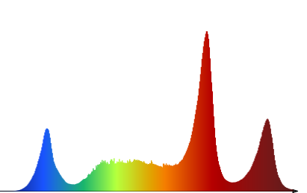
 | LED Supplier: | HONGLITRONIC
 | LED Type: | 3535
 | LED Quantity: | 23pcs
ELECTRICAL | Power Supply Internal/External: | Internal
 | Size if External: | -
 | Input Power: | 14W
 | Input Voltage: | 110-277V
 | Frequency: | 50/60Hz
 | THD: | <15%
 | PF： | >0.95
 | Interconnectable(Yes/No): | No
 | By Max Power: | ---
 | By Max Quantity: | ---
PHYSICAL | Cooling Type Passive/Active: | Passive
 | Environment Temperature： | -10 to 40 ℃
 | Tc Lamp Body Temperature: | 63℃ at 30℃ ambient temperature
 | Weight per.Piece: | 0.12Kg
 | Weight per unit: | 0.13Kg
 | Quantity Per Packing Unit: | 20
 | Box Size Per Packing Unit: | 640x260x315mm
 | Box Weight Per Packing Unit: | 2.8Kg
 | Accessories Included: | ---
 | Accessories Additional Available: | ---
CERTIFICATION | Certificates: | CE
 | Lxx/Bxx: | L90/B50 25000h at 25℃ ambient temperature
 | Lifetime Hrs（L70）: | >50000 Hrs
 | Warranty LED/Housing/Driver: | 5years

