Sheet1
https://webrtc.ecl.ntt.com/en/

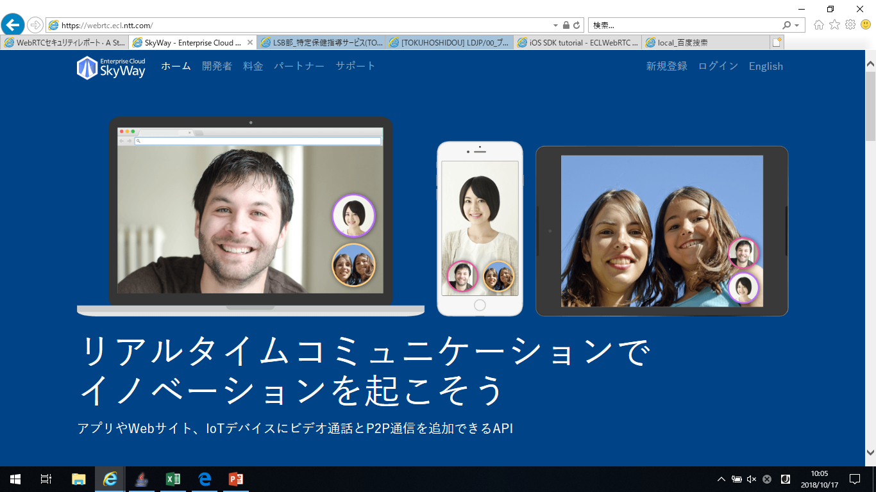

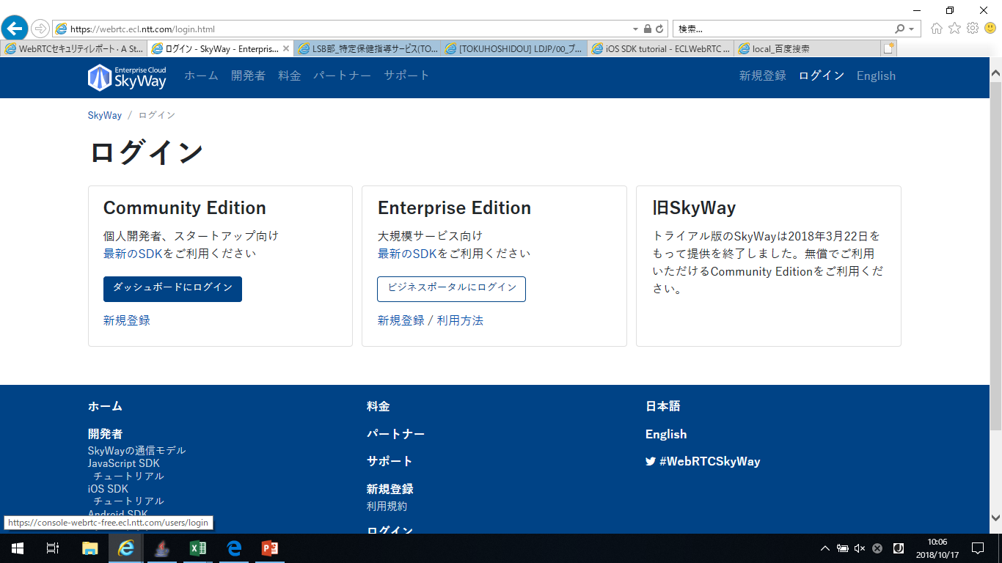

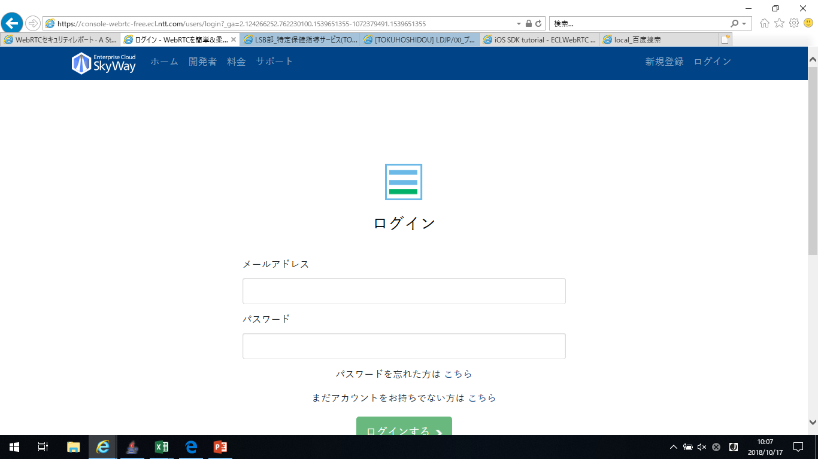

wangm@liandisys.com.cn
Sun.123456

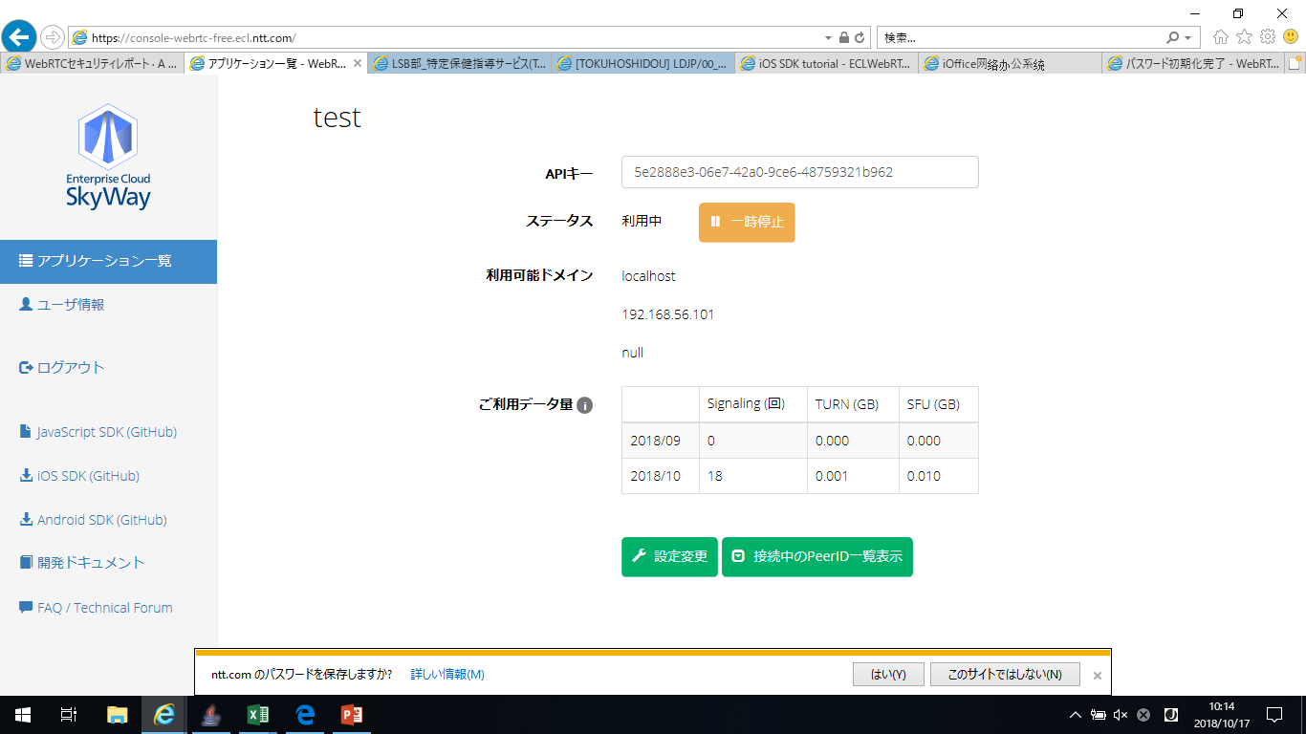

API key

支持domain

domain设定

