marine
taxid | unique_name | marmgCAMI2_short_read_sample_0 | MPA4 | MPA4 | mOTUs3 | mOTUs3 | MPA | MPA3 | mOTUs2 | mOTUs2 | Bracken | Bracken | Kraken2 | Kraken2 | Krakenuniq | Krakenuniq | Krakenuniq_nt | Krakenuniq_nt | 256 |  | MPA | mOTUs2 | Kraken2 | Bracken | Krakenuniq | Krakenuniq_nt
133539 | Nitrosococcus halophilus | 0.09929 | 0.1121227 |  | 0.1021965016 |  | 0.1293963 |  | 0.1030874806 |  | 0.1262 |  | 0.1162 |  | 0.1151 |  | 0.1151 |  |  | identified | 252 | 293 | 327 | 372 | 264 | 288
1335757 | Spiribacter curvatus | 0.08905 | 0.1005385 |  | 0.0915601848 |  | 0.1161926 |  | 0.0923584333 |  | 0.0529 |  | 0.0486 |  | 0.04843 |  | 0.04819 |  |  | TP | 187 | 208 | 198 | 199 | 178 | 197
54248 | Hyperthermus butylicus | 0.06316 | 0.0711726 |  | 0.0644891262 |  | 0.0795974 |  | 0.0650513613 |  | 0.0325 |  | 0.0299 |  | 0.02972 |  | 0.02972
971279 | Palaeococcus pacificus | 0.03243 | 0.036583 |  | 0.034621094 |  | 0.0417594 |  | 0.0349229308 |  | 0.0186 |  | 0.0171 |  | 0.01699 |  | 0.01698 |  |  | precision | 0.74206349206 | 0.70989761092 | 0.60550458716 | 0.53494623656 | 0.67424242424 | 0.68402777778
1229 | Nitrosococcus oceani | 0.03243 | 0.0367466 |  | 0.0342343149 |  | 0.0409856 |  | 0.0345327797 |  | 0.0358 |  | 0.032 |  | 0.03163 |  | 0.03162 |  |  | recall | 0.73046875 | 0.8125 | 0.7734375 | 0.77734375 | 0.6953125 | 0.76953125
ref_mOTU_v3_01404 | Vibrio sp. [Vibrio sp. Vb278/Vibrio toranzoniae/Vibrio lentus/Vibrio sp. J2-1/Vibrio sp. J2-3/Vibrio sp. J2-8/Vibrio sp. J2-6/Vibrio sp. J2-12/Vibrio sp. J2-15/Vibrio sp. J2-4/Vibrio sp. J2-26/Vibrio sp. J2-29/Vibrio sp. J2-31/Vibrio sp. J2-17/Vibrio sp. ECSMB14106/Vibrio sp. ECSMB14105/Vibrio sp. ZF57/Vibrio sp. 10N.261.45.E1/Vibrio sp. 10N.222.47.A9/Vibrio tasmaniensis/Vibrio crassostreae/Vibrio splendidus/Vibrio sp. MED222/Vibrio celticus/Vibrio cyclitrophicus/Vibrio alginolyticus/Vibrio atlanticus] | 0 |  |  | 0.0322909548 |  |  |  |  |  |  |  |  |  |  |  |  |  |  | f1 | 0.54205419147 | 0.57679180887 | 0.46831995413 | 0.41583711358 | 0.46880918561 | 0.52638075087
1335746 | Spiribacter salinus | 0.02902 | 0.0326706 |  | 0.03182545 |  | 0.0368688 |  | 0.0321029136 |  | 0.0156 |  | 0.0143 |  | 0.01424 |  | 0.01422
387093 | Sulfurovum sp. NBC37-1 | 0.03073 | 0.0347636 |  | 0.0292864164 |  | 0.0395838 |  | 0.029541744 |  | 0.0241 |  | 0.0216 |  | 0.02131 |  | 0.0213
55601 | Vibrio anguillarum | 0.02589 | 0.0087941 |  | 0.0252527451 |  | 0.0026491 |  | 0.0254729059 |  | 0.0102 |  | 0.0081 |  | 0.007514 |  | 0.007786
314275 | Alteromonas mediterranea | 0.02277 | 0.0255373 |  | 0.0242772414 |  | 0.0277536 |  | 0.0244124459 |  | 0.0328 |  | 0.0286 |  | 0.0283 |  | 0.02101
1263979 | Candidatus Endolissoclinum faulkneri | 0.03418 | 0.0390784 |  | 0.0213034021 |  | 0 |  | 0.0351979259 |  | 0.0155 |  | 0.0143 |  | 0.01423 |  | 0.01423
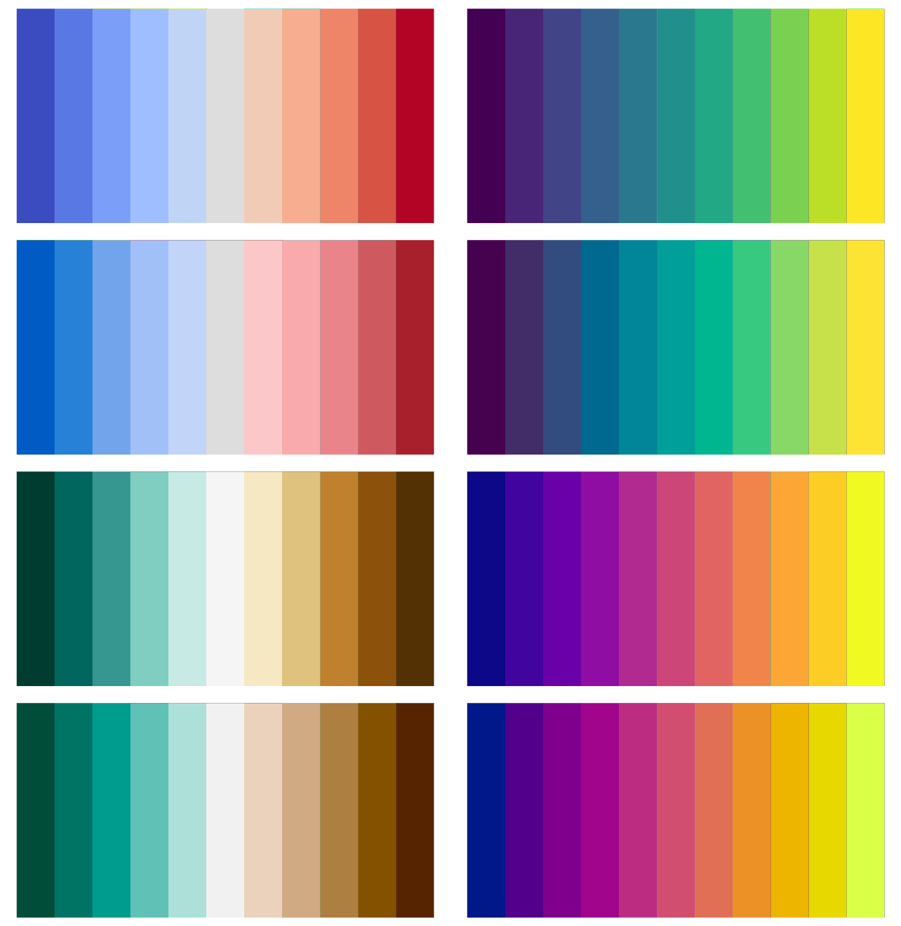
467094 | Ilumatobacter coccineus | 0.01309 | 0.0148464 |  | 0.013463906 |  | 0 |  | 0.0135812883 |  | 0.0195 |  | 0.0179 |  | 0.01781 |  | 0.0178
ref_mOTU_v3_01750 | Aliivibrio salmonicida/logei | 0 |  |  | 0.0127889077
80852 | Aliivibrio wodanis | 0.01223 | 0.0126878 |  | 0.0118306869 |  | 0.0059968 |  | 0.0135443679 |  | 0.0177 |  | 0.0161 |  | 0 |  | 0.01668
39960 | Erythrobacter litoralis | 0.01252 | 0.0140784 |  | 0.0113987994 |  | 0.0139144 |  | 0.012716458 |  | 0.0124 |  | 0.0113 |  | 0.01128 |  | 0.01123
936476 | Marinomonas posidonica | 0.00939 | 0.0106456 |  | 0.0101954335 |  | 0.0120786 |  | 0.0102843203 |  | 0.0113 |  | 0.0103 |  | 0.01025 |  | 0.01024
28108 | Alteromonas macleodii | 0.00886 | 0.0087018 |  | 0.0099140184 |  | 0.0083406 |  | 0 |  | 0.0131 |  | 0.0112 |  | 0.01109 |  | 0.011
80679 | Thioflavicoccus mobilis | 0.0091 | 0.0100916 |  | 0.0096826497 |  | 0.0112895 |  | 0.0097670658 |  | 0.0116 |  | 0.0107 |  | 0.01062 |  | 0.01061
187493 | Thalassolituus oleivorans | 0.00907 | 0.0096728 |  | 0.0095787404 |  | 0.0113952 |  | 0.0096622506 |  | 0.0107 |  | 0.0098 |  | 0.009739 |  | 0.009714
186192 | Marinithermus hydrothermalis | 0.00853 | 0.0096646 |  | 0.0090861518 |  | 0.0109483 |  | 0.0091653675 |  | 0.0059 |  | 0.0055 |  | 0.005431 |  | 0.005424
ref_mOTU_v3_03029 | Cycloclasticus zancles/pugetii [Cycloclasticus zancles/Cycloclasticus sp. DSM 27168/Cycloclasticus pugetii/Cycloclasticus sp. P1] | 0 |  |  | 0.0082865833
691 | s__Vibrio_natriegens | 0 | 0.0078998 |  | 0.0081974078 |  | 0.0090661 |  | 0.0082688752 |  | 0.0117 |  | 0.0066 |  | 0.0064 |  | 0.006374
168695 | Salinispora tropica | 0.00733 | 0.0084797 |  | 0.0075108801 |  | 0.0092903 |  | 0.0075763621 |  | 0.0116 |  | 0.0106 |  | 0.01074 |  | 0.01069
1292 | Staphylococcus warneri | 0.00711 | 0.0029972 |  | 0.007435287 |  | 0.0075284 |  | 0 |  | 0.005 |  | 0.0039 |  | 0.003703 |  | 0.003646
190893 | Vibrio coralliilyticus | 0.00626 | 0.0062839 |  | 0.007323981 |  | 0.0068285 |  | 0.0073878336 |  | 0.0107 |  | 0.008 |  | 0.007634 |  | 0.007635
38027 | Methanosarcina siciliae | 0.00683 | 0.0076172 |  | 0.0072914772 |  | 0.0087849 |  | 0.0073550465 |  | 0.0104 |  | 0.0094 |  | 0.009277 |  | 0.009274
100716 | Chloroherpeton thalassium | 0.00711 | 0.0079632 |  | 0.0070768048 |  | 0.0091348 |  | 0.0071385025 |  | 0.0072 |  | 0.0066 |  | 0.006592 |  | 0.006591
1491 | Clostridium botulinum | 0.00711 | 0.0082061 |  | 0.0069812471 |  | 0 |  | 0.0070421116 |  | 0.0083 |  | 0.0076 |  | 0.007513 |  | 0.007504
80854 | Moritella viscosa | 0.00745 | 0.0083195 |  | 0.0065214903 |  | 0.0096885 |  | 0.0065783466 |  | 0.0108 |  | 0.0099 |  | 0 |  | 0.00913
171437 | Tistrella mobilis | 0.00651 | 0.0065384 |  | 0.006370604 |  | 0.0076373 |  | 0.0064261448 |  | 0.013 |  | 0.0118 |  | 0.01172 |  | 0.0117
32051 | Synechococcus sp. WH 7803 | 0.00597 | 0 |  | 0.0063636394 |  | 0.007842 |  | 0.0064191195 |  | 0.0043 |  | 0.0028 |  | 0 |  | 0.002721
1096 | Chlorobium phaeobacteroides | 0.00597 | 0.0065835 |  | 0.0060485645 |  | 0 |  | 0.0061012977 |  | 0.005 |  | 0.0046 |  | 0 |  | 0
ref_mOTU_v3_01569 | Halomonas sp. [Halomonas sp. A3H3/Halomonas sp. 23_GOM-1509m/Halomonas sp. 19A_GOM-1509m/Halomonas sp. DSM 26667/Halomonas sp. KHS3] | 0 |  |  | 0.0057736088
897 | Desulfococcus multivorans | 0.00541 | 0.0060437 |  | 0.0057185072 |  | 0.0070395 |  | 0.0057683628 |  | 0.0074 |  | 0.0068 |  | 0.006778 |  | 0.006767
-1 | -1 | 0 | 0 |  | 0.0057084005 |  | 0 |  | 0.0005216151 |  | 0 |  | 0 |  | 0 |  | 0
1427356 | Hyphomicrobium nitrativorans | 0.00541 | 0.0061508 |  | 0.0053084082 |  | 0.0067193 |  | 0.0053546884 |  | 0.0061 |  | 0.0056 |  | 0.005568 |  | 0.005564
2234 | Archaeoglobus fulgidus | 0.00484 | 0.0054019 |  | 0.0052485028 |  | 0.0060268 |  | 0.0052942608 |  | 0.0034 |  | 0.0032 |  | 0.00315 |  | 0.003148
645 | Aeromonas salmonicida | 0.00512 | 0.0000201 |  | 0.0051513529 |  | 0.004399 |  | 0 |  | 0.0073 |  | 0.0062 |  | 0.006052 |  | 0.006005
256839 | Shewanella decolorationis [ref_mOTU_v25_03047] | 0 | 0 |  | 0.0049922819 |  | 0 |  | 0.005035806 |  | 0 |  | 0 |  | 0 |  | 0
1124597 | Magnetococcus marinus | 0.00455 | 0.0050786 |  | 0.0047316974 |  | 0.0058872 |  | 0.0047729498 |  | 0.0066 |  | 0.0061 |  | 0.006052 |  | 0.006047
ref_mOTU_v3_02054 | Psychrobacter sp. [Psychrobacter sp. JCM 18900/Psychrobacter sp. JCM 18901/Psychrobacter sp. P11G3/Psychrobacter sp. B29-1] | 0 |  |  | 0.0046653092
666 | Vibrio cholerae | 0.00398 | 0.0044037 |  | 0.0043157669 |  | 0.0043498 |  | 0.0043533931 |  | 0.0086 |  | 0.0039 |  | 0.00336 |  | 0.003341
1238 | Piscirickettsia salmonis | 0.00399 | 0.0042132 |  | 0.0040622975 |  | 0.0048258 |  | 0.0040977138 |  | 0.0042 |  | 0.0039 |  | 0.003862 |  | 0.00385
421 | Methylomonas methanica | 0.00427 | 0.0047704 |  | 0.004022361 |  | 0 |  | 0.0040574291 |  | 0.0066 |  | 0.0061 |  | 0.006067 |  | 0.006065
1896164 | Luteimonas sp. JM171 | 0.00341 | 0.0036984 |  | 0.0039408708 |  | 0.0043268 |  | 0.0039752285 |  | 0.0031 |  | 0.0029 |  | 0 |  | 0.002837
ref_mOTU_v3_00609 | Streptomyces olivaceus/pactum [Streptomyces olivaceus/Streptomyces sp. FXJ7.023/Streptomyces pactum] | 0 |  |  | 0.0038008984
28229 | Colwellia psychrerythraea | 0.00313 | 0.0034535 |  | 0.0036477552 |  | 0.000641 |  | 0.0036795574 |  | 0.0052 |  | 0.0047 |  | 0.004711 |  | 0.004693
119864 | Marinomonas mediterranea | 0.0037 | 0.0041322 |  | 0.0035943924 |  | 0.0046133 |  | 0.0036257294 |  | 0.0053 |  | 0.0049 |  | 0.004867 |  | 0.004861
1229909 | Candidatus Nitrosopumilus sediminis | 0.00341 | 0.0038499 |  | 0.003551962 |  | 0.0044189 |  | 0.003582929 |  | 0.0018 |  | 0.0016 |  | 0.001597 |  | 0.001593
2198 | Methanoculleus marisnigri | 0.00398 | 0.0039071 |  | 0.0035194407 |  | 0.0050888 |  | 0.0035030307 |  | 0.003 |  | 0.0028 |  | 0.002748 |  | 0.002738
1828 | Rhodococcus fascians [ref_mOTU_v25_01411] | 0 | 0 |  | 0.0033432847 |  | 0 |  | 0.0033724325 |  | 0 |  | 0 |  | 0 |  | 0
160232 | Nanoarchaeum equitans | 0.00313 | 0.0035851 |  | 0.0032926383 |  | 0.0041553 |  | 0.0033213445 |  | 0 |  | 0 |  | 0 |  | 0.0004251
1188228 | Gloeomargarita lithophora | 0.00284 | 0.0032227 |  | 0.0031535139 |  | 0.0035171 |  | 0.0031810071 |  | 0.0026 |  | 0.0024 |  | 0 |  | 0.002383
1276 | Kytococcus sedentarius | 0.00313 | 0.0034663 |  | 0.0031373799 |  | 0.003772 |  | 0.0031647325 |  | 0.0027 |  | 0.0024 |  | 0.002421 |  | 0.002417
ext_mOTU_v3_29049 | Aliivibrio species incertae sedis | 0 |  |  | 0.0031238292
28173 | Vibrio nigripulchritudo | 0.00313 | 0.0032155 |  | 0.0031167756 |  | 0.0032961 |  | 0.0031439485 |  | 0.0061 |  | 0.0056 |  | 0.004498 |  | 0.00449
64471 | Synechococcus sp. CC9311 | 0.00284 | 0.0033852 |  | 0.0031128739 |  | 0.0036997 |  | 0.0031400129 |  | 0.0023 |  | 0.0021 |  | 0.002141 |  | 0.002032
1006 | Marivirga tractuosa | 0.00313 | 0.0035156 |  | 0.0029934014 |  | 0.0040529 |  | 0.0030194987 |  | 0.0043 |  | 0.004 |  | 0.003975 |  | 0.003973
1003110 | Verrucosispora maris | 0.00291 | 0.0031278 |  | 0.0029795359 |  | 0.0036584 |  | 0.0030055124 |  | 0.006 |  | 0.0054 |  | 0.005428 |  | 0.004935
167642 | Ilyobacter polytropus | 0.00256 | 0.0028165 |  | 0.0027559467 |  | 0.0033972 |  | 0.0027799739 |  | 0.0024 |  | 0.0022 |  | 0.002218 |  | 0.002203
1792508 | Yangia sp. CCB-MM3 | 0.00284 | 0.002739 |  | 0.0027163246 |  | 0.0036319 |  | 0.0027400063 |  | 0.0048 |  | 0.0044 |  | 0.004386 |  | 0.004382
271098 | Shewanella halifaxensis | 0.00256 | 0.0028485 |  | 0.002630491 |  | 0.0033279 |  | 0.0026534244 |  | 0.0042 |  | 0.0038 |  | 0.003782 |  | 0.003776
1219 | Prochlorococcus marinus | 0.00797 | 0.0078016 |  | 0.0026248704 |  | 0.0004312 |  | 0.0100870237 |  | 0.0044 |  | 0.004 |  | 0.002279 |  | 0.00427
ref_mOTU_v3_05074 | Methylophilales bacterium [Methylophilales bacterium MBRSF5/Methylophilales bacterium MBRSG12/Methylophilales bacterium MBRS-H7] | 0 |  |  | 0.0026078396
1191459 | Flammeovirga sp. MY04 | 0.00256 | 0 |  | 0.0024466628 |  | 0.0031374 |  | 0.0024679936 |  | 0.0058 |  | 0.0053 |  | 0.004236 |  | 0.004143
ref_mOTU_v3_01864 | Pseudoalteromonas translucida/haloplanktis | 0 |  |  | 0.0023971069
1763535 | Hydrogenophaga sp. LPB0072 | 0.00256 | 0.0028589 |  | 0.0023893991 |  | 0.0032507 |  | 0.0024102306 |  | 0.0039 |  | 0.0036 |  | 0.003561 |  | 0.003559
430914 | Halorhabdus tiamatea | 0.00227 | 0.0025987 |  | 0.002362132 |  | 0.0029312 |  | 0.0023827258 |  | 0.0022 |  | 0.002 |  | 0.001994 |  | 0.001993
ref_mOTU_v3_05934 | Lacinutrix sp. [Lacinutrix sp. MedPE-SW/Lacinutrix sp. 5H-3-7-4] | 0 |  |  | 0.002339525
1917158 | Alteromonas sp. RW2A1 | 0 | 0 |  | 0.0022360972 |  | 0 |  | 0.0022555921 |  | 0.0025 |  | 0.0008 |  | 0.0007877 |  | 0.0007688
53633 | Sulfobacillus acidophilus | 0.00227 | 0.002522 |  | 0.0022112316 |  | 0 |  | 0.0022305098 |  | 0 |  | 0 |  | 0 |  | 0.002279
64160 | Desulfurobacterium thermolithotrophum | 0.00171 | 0.0018699 |  | 0.0022071009 |  | 0.0021328 |  | 0.0022263431 |  | 0.0008 |  | 0.0007 |  | 0.0007345 |  | 0.0007332
1420917 | s__Marinobacter_salarius | 0 | 0.0025391 |  | 0.002088503 |  | 0.0027256 |  | 0.0020782551 |  | 0.0032 |  | 0.0029 |  | 0.002404 |  | 0.00289
1042877 | Thermococcus sp. 4557 | 0.00199 | 0.0024361 |  | 0.0020691681 |  | 0.0026072 |  | 0.0020872077 |  | 0.0012 |  | 0.0011 |  | 0.001044 |  | 0.001042
1384459 | Methyloceanibacter caenitepidi | 0.00171 | 0.0019434 |  | 0.0020332264 |  | 0.0022431 |  | 0.0020509526 |  | 0.0018 |  | 0.0016 |  | 0.001597 |  | 0.001596
914150 | Kangiella geojedonensis | 0.00171 | 0.0019157 |  | 0.0019921562 |  | 0.0020981 |  | 0.0020095244 |  | 0.0013 |  | 0.0012 |  | 0.001201 |  | 0.0012
2426 | Teredinibacter turnerae | 0.00199 | 0.0020078 |  | 0.0019829409 |  | 0.0025815 |  | 0.0020002288 |  | 0.0032 |  | 0.0029 |  | 0.002915 |  | 0.002914
ref_mOTU_v3_01375 | Bacillus sp. [Bacillus zhangzhouensis/Bacillus australimaris/Bacillus pumilus/Bacillus sp. G1(2015b)/Bacillus sp. Root920/Bacillus sp. AM 13(2015)/Bacillus sp. P003/Bacillus sp. I-2/Bacillus safensis/Bacillus sp. WP8] | 0 |  |  | 0.0019607705
ref_mOTU_v3_02759 | Thermotoga petrophila/naphthophila [Thermotoga sp. Cell2/Thermotoga sp. TBGT1766/Thermotoga sp. Xyl54/Thermotoga sp. TBGT1765/Thermotoga sp. RQ2/Thermotoga sp. A7A/Thermotoga petrophila/Thermotoga naphthophila] | 0 |  |  | 0.0019217645
ref_mOTU_v3_01513 | Rhodobacter sphaeroides/johrii [Rhodobacter sphaeroides/Rhodobacter sp. AKP1/Rhodobacter johrii] | 0 |  |  | 0.0018914856
45658 | Vibrio scophthalmi | 0.00171 | 0.0017462 |  | 0.0018862179 |  | 0.0018689 |  | 0.0019026625 |  | 0.0026 |  | 0.0024 |  | 0.002346 |  | 0.002312
1737403 | Nanohaloarchaea archaeon SG9 | 0.00171 | 0 |  | 0.0018739339 |  | 0 |  | 0.0018902714 |  | 0 |  | 0 |  | 0 |  | 0.000537
ref_mOTU_v3_02749 | Streptomyces sp. [Streptomyces sp. LaPpAH-202/Streptomyces sp. CNY228/Streptomyces sp. GBA 94-10/Streptomyces sp. PVA 94-07/Streptomyces sp. NRRL B-3253/Streptomyces sp. NRRL F-6628/Streptomyces sp. CNQ431/Streptomyces sp. KE1/Streptomyces sp. ScaeMP-6W/Streptomyces albidoflavus/Streptomyces albus/Streptomyces griseus/Streptomyces sp. FR-008/Streptomyces sp. M10/Streptomyces sampsonii/Streptomyces sp. S4] | 0 |  |  | 0.0018657669
876 | Desulfovibrio desulfuricans | 0.00171 | 0.0018771 |  | 0.0018635426 |  | 0 |  | 0.0018797895 |  | 0.002 |  | 0.0019 |  | 0 |  | 0
60890 | Phaeobacter gallaeciensis | 0.00223 | 0.0024854 |  | 0.0018433944 |  | 0.002626 |  | 0.0022440672 |  | 0.0031 |  | 0.0026 |  | 0.002541 |  | 0.00254
...

