Feuil1
 |  | Test directivité
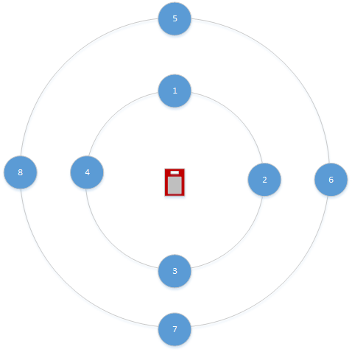

 | BLE NANO |  | RN4020 | BLE112
1
2
3
4
5
6
7
8

Feuil2
 |  | Test directivité
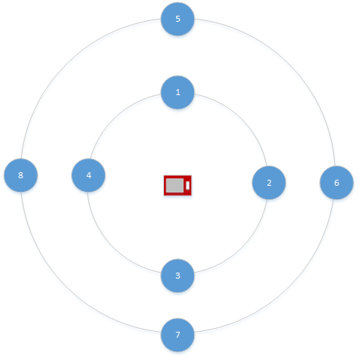

 | BLE NANO |  | RN4020 | BLE112
1
2
3
4
5
6
7
8

Feuil3
 |  | Test directivité
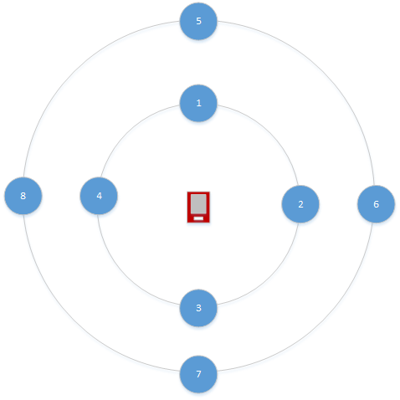

 | BLE NANO |  | RN4020 | BLE112
1
2
3
4
5
6
7
8

Feuil4
 |  | Test directivité
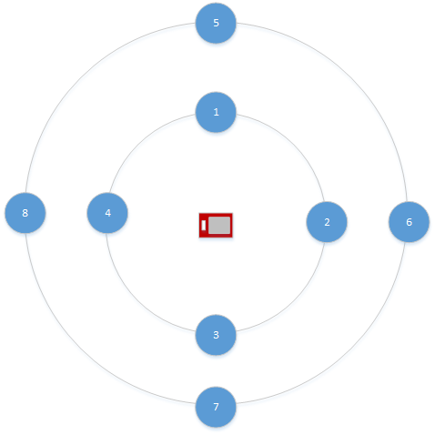

 | BLE NANO |  | RN4020 | BLE112
1
2
3
4
5
6
7
8

