
Variant Confirmation Report

Sample ID: | 21MZ0003

Description:
Gene | FBN1
Exon | 22/66
Sequence Variant | ENST00000316623.5:c.2645C>T
 | ENSP00000325527.5:p.Ala882Val
Variant Location (GRCh37) | 15:48787352
Allele Balance | 0.53
Allele Depth (REF,ALT) | 116,131
Allele Frequency (ESP,ExAC,dbSNP) | - - -
Variant Found | Y
Comment | This mutation has been asserted as a disease-causing muatation in the HGMD database HGMD Accession: CM042039 HGMD Classification: DM Loeys (2004) Hum Mutat 24: 140 PubMed: 15241795

Validation:
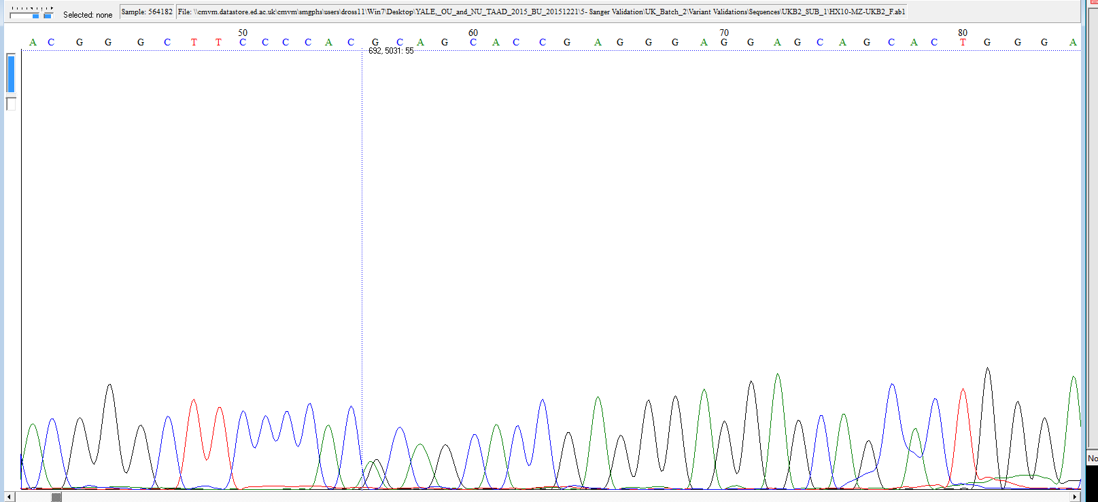

Fluidigm Image:
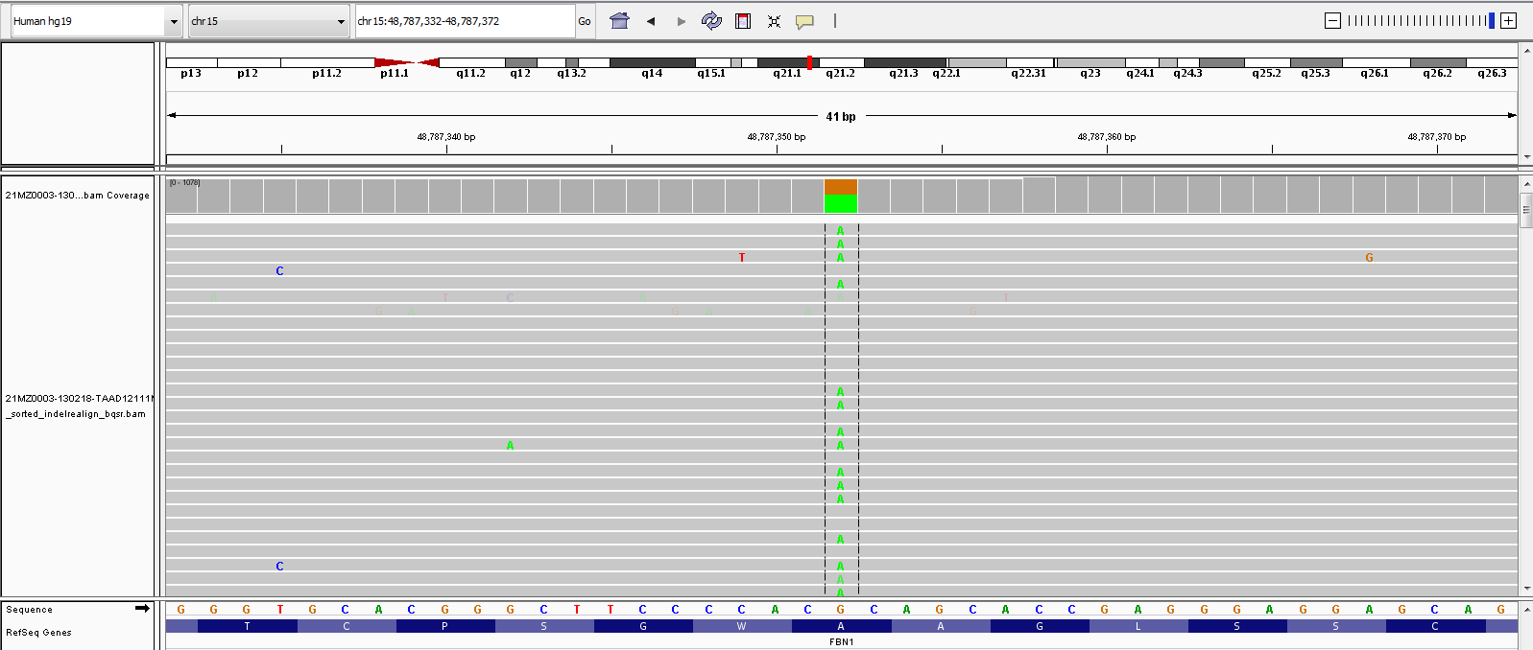

The following information is for research purpose only. Any decisions made on the information should be made by an appropriate responsible clinician who may require further confirmation within a clinical laboratory.

