
Variant Confirmation Report

Sample ID: | 26JW1055

Description:
Gene | MYLK
Exon | 20/34
Sequence Variant | ENST00000360304.3:c.3637G>A
 | ENSP00000353452.3:p.Val1213Met
Variant Location (GRCh37) | 3:123401086
Allele Balance | 0.59
Allele Depth (REF,ALT) | 103,146
Allele Frequency (ESP,ExAC,dbSNP) | 0.00769 0.00003 -
Variant Found | Y
Comment | This mutation has been asserted as a likely disease-causing muatation in the HGMD database HGMD Accession: CM107678 HGMD Classification: DM? Wang (2010) Am J Hum Genet 87: 701 PubMed: 21055718 Date of Variant Class Change From DM to DM?: 2012-04-10 00:00:00

Validation:
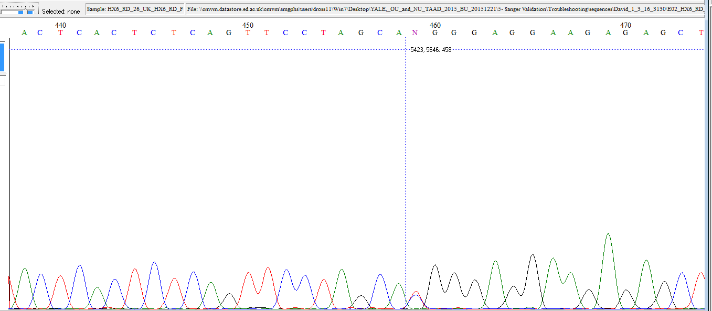

Fluidigm Image:
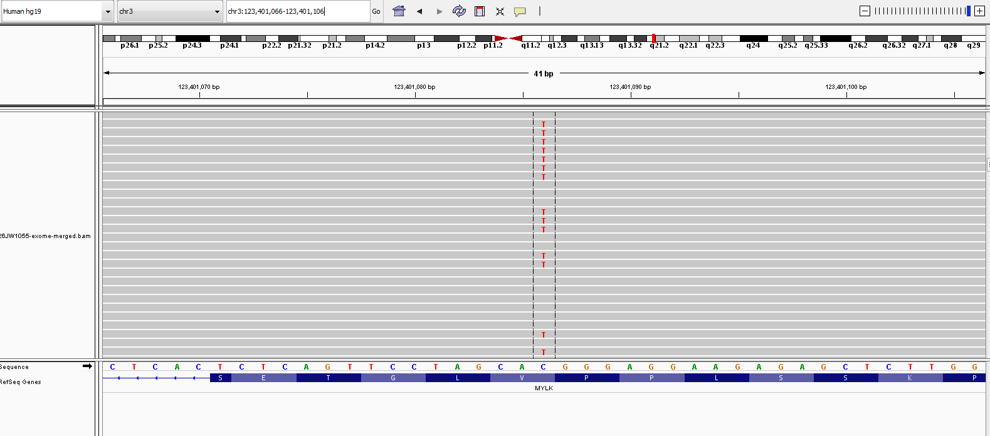

The following information is for research purpose only. Any decisions made on the information should be made by an appropriate responsible clinician who may require further confirmation within a clinical laboratory.

