
Variant Confirmation Report

Sample ID: | ARCH773

Description:
Gene | COL1A1
Exon | 45/51
Sequence Variant | ENST00000225964.5:c.3304C>T
 | ENSP00000225964.5:p.Gln1102Ter
Variant Location (GRCh37) | 17:48265302
Allele Balance | 0.42
Allele Depth (REF,ALT) | 144,106
Allele Frequency (ESP,ExAC,dbSNP) | - - -
Variant Found | Y
Comment | This mutation introduces a prematurestop codon and is likely to be pathogenic

Validation:
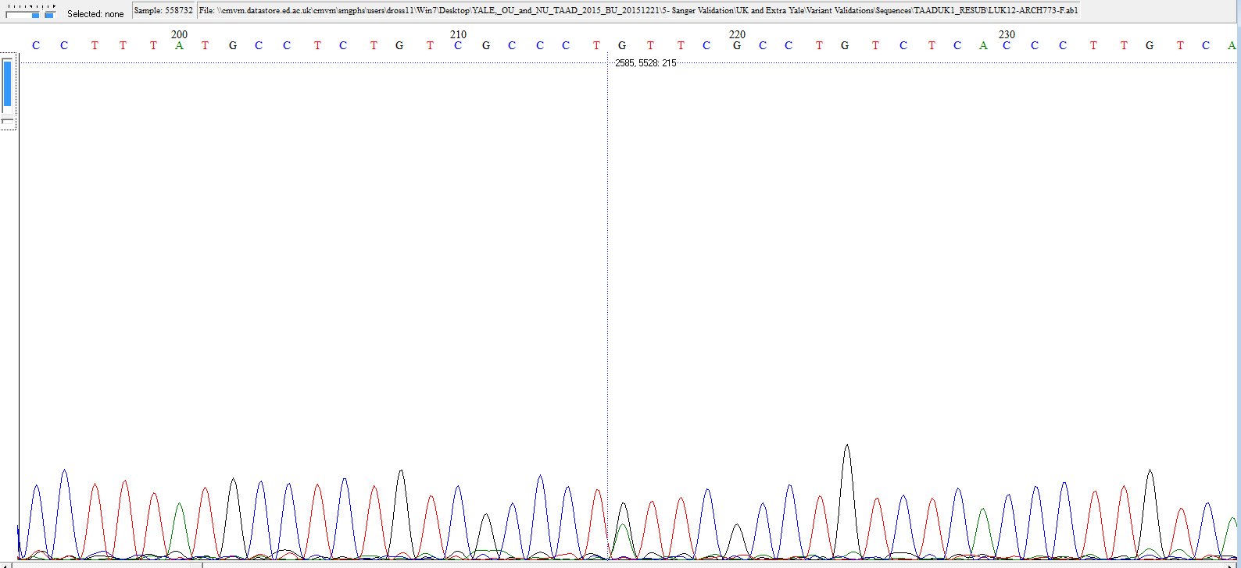

Fluidigm Image:
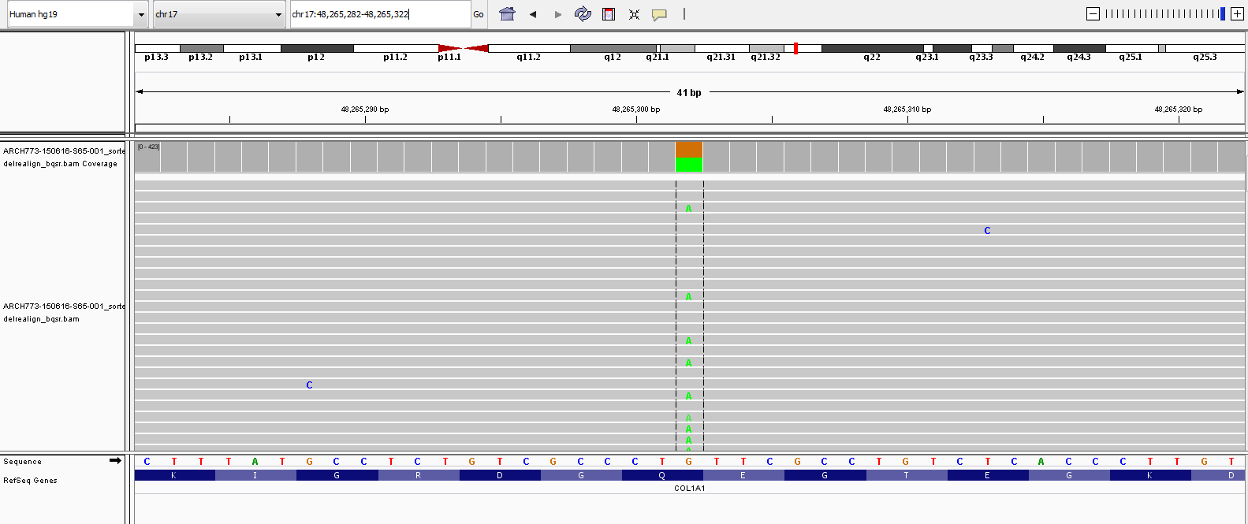

The following information is for research purpose only. Any decisions made on the information should be made by an appropriate responsible clinician who may require further confirmation within a clinical laboratory.

