
Variant Confirmation Report

Sample ID: | 21GC1025

Description:
Gene | TGFBR1
Intron | 7/8
Sequence Variant | ENST00000374994.4:c.1255+1G>A
 | -
Variant Location (GRCh37) | 9:101908892
Allele Balance | 0.44
Allele Depth (REF,ALT) | 129,102
Allele Frequency (ESP,ExAC,dbSNP) | - - -
Variant Found | Y
Comment | Splicing variant. This will require further investigation

Validation:
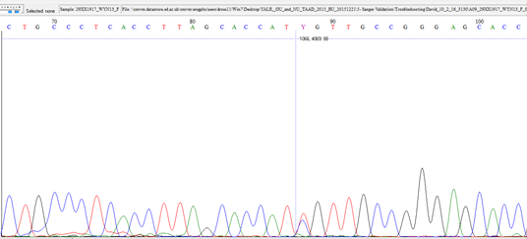

Fluidigm Image:
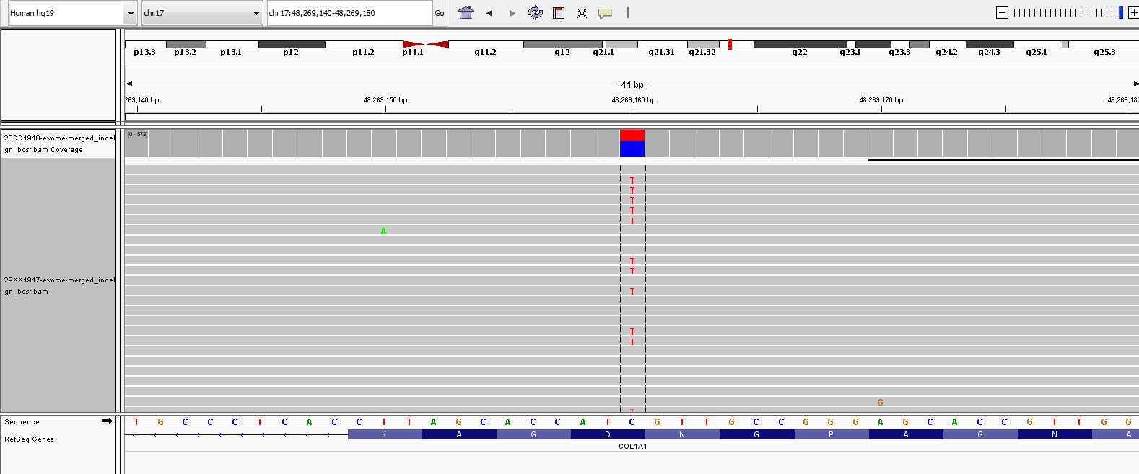

The following information is for research purpose only. Any decisions made on the information should be made by an appropriate responsible clinician who may require further confirmation within a clinical laboratory.

