
Variant Confirmation Report

Sample ID: | 24NY0896

Description:
Gene | FBN1
Exon | 64/66
Sequence Variant | ENST00000316623.5:c.8021G>A
 | ENSP00000325527.5:p.Cys2674Tyr
Variant Location (GRCh37) | 15:48707763
Allele Balance | 0.52
Allele Depth (REF,ALT) | 120,128
Allele Frequency (ESP,ExAC,dbSNP) | - - -
Variant Found | Y
Comment | Rules category, do something

Validation:
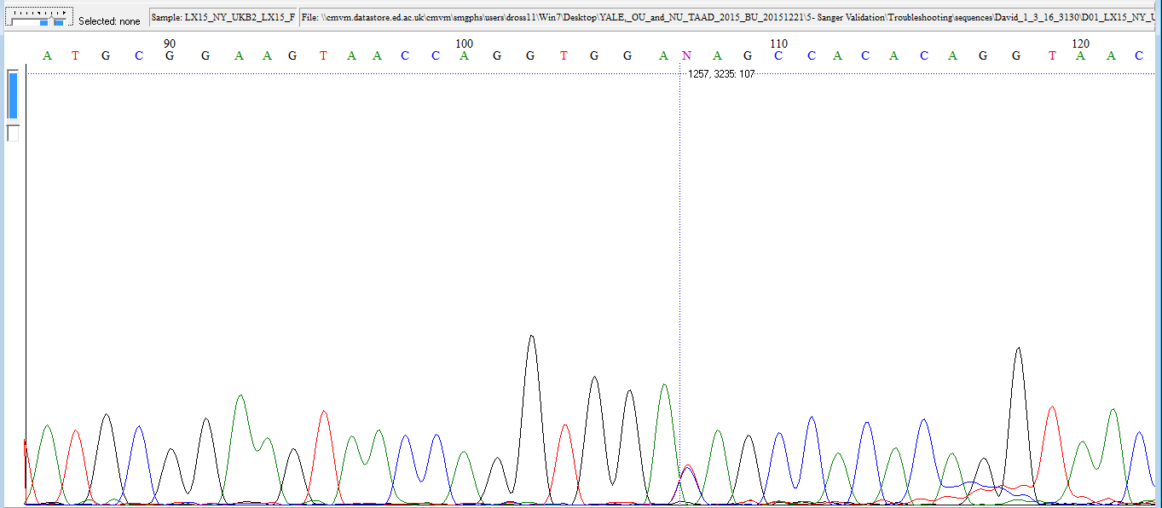

Fluidigm Image:

The following information is for research purpose only. Any decisions made on the information should be made by an appropriate responsible clinician who may require further confirmation within a clinical laboratory.

