Sample Week 1
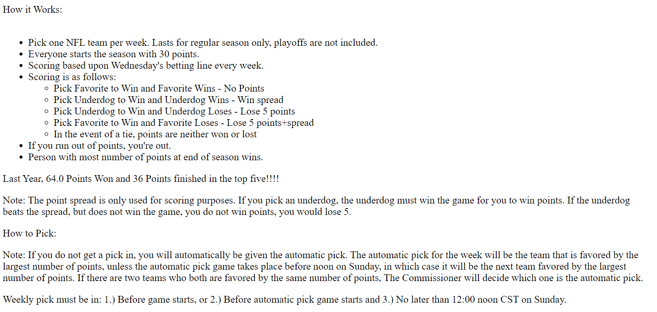
Team | Date | Spread
Ravens | 2024-09-05 20:20:00 | 3
Chiefs | 2024-09-05 20:20:00 | -3
Packers | 2024-09-06 20:15:00 | 2.5
Eagles | 2024-09-06 20:15:00 | -2.5
Steelers | 2024-09-08 13:00:00 | 3
Falcons | 2024-09-08 13:00:00 | -3
Cardinals | 2024-09-08 13:00:00 | 6.5
Bills | 2024-09-08 13:00:00 | -6.5
Titans | 2024-09-08 13:00:00 | 4.5
Bears | 2024-09-08 13:00:00 | -4.5
Patriots | 2024-09-08 13:00:00 | 9.5
Bengals | 2024-09-08 13:00:00 | -9.5 | Autopick
Texans | 2024-09-08 13:00:00 | -1.5
Colts | 2024-09-08 13:00:00 | 1.5
Jaguars | 2024-09-08 13:00:00 | 3.5
Dolphins | 2024-09-08 13:00:00 | -3.5
Panthers | 2024-09-08 13:00:00 | 4
Saints | 2024-09-08 13:00:00 | -4
Vikings | 2024-09-08 13:00:00 | -1.5
Giants | 2024-09-08 13:00:00 | 1.5
Raiders | 2024-09-08 16:05:00 | 3.5
Chargers | 2024-09-08 16:05:00 | -3.5
Broncos | 2024-09-08 16:05:00 | 4.5
Seahawks | 2024-09-08 16:05:00 | -4.5
Cowboys | 2024-09-08 16:25:00 | 2.5
Browns | 2024-09-08 16:25:00 | -2.5
Commanders | 2024-09-08 16:25:00 | 3
Buccaneers | 2024-09-08 16:25:00 | -3
Rams | 2024-09-08 20:20:00 | 3.5
Lions | 2024-09-08 20:20:00 | -3.5
Jets | 2024-09-09 20:15:00 | 4.5
49ers | 2024-09-09 20:15:00 | -4.5

