Flow Diagram
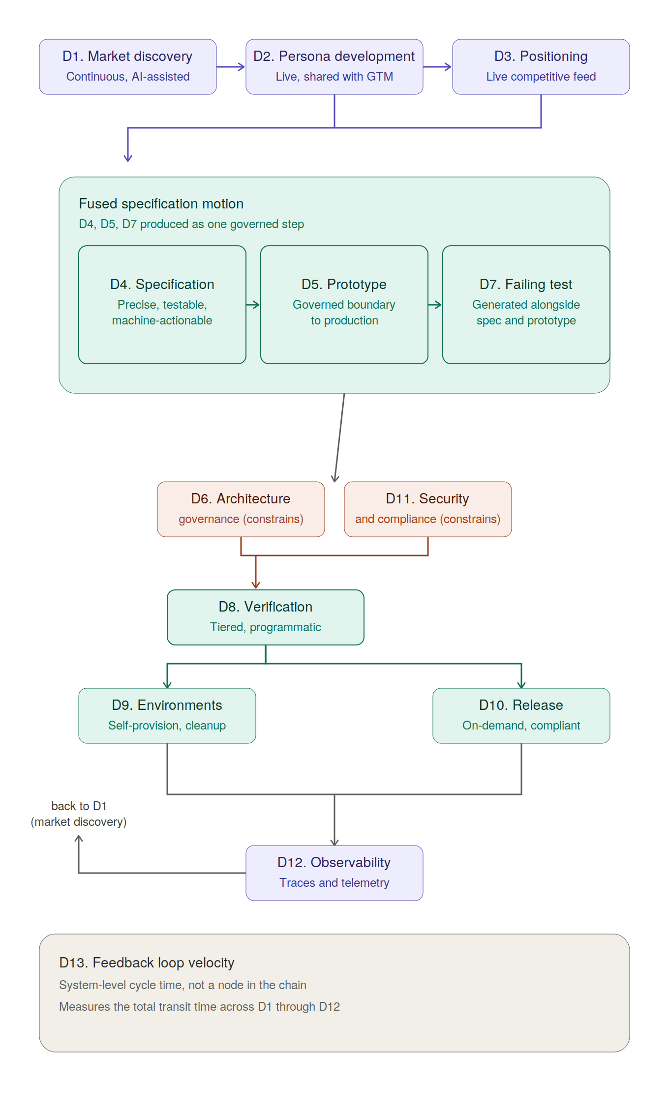

AI-Native SDLC Maturity Model © 2026 by David Facer is licensed under CC BY 4.0. To view a copy of this license, visit creativecommons.org/licenses/by/4.0/

