Plotly
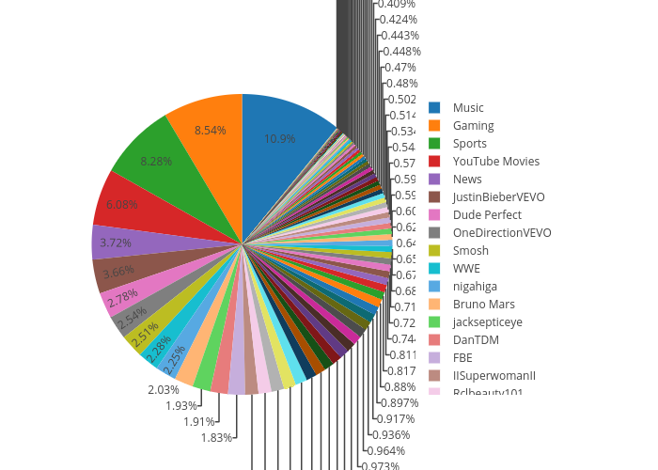
https://plot.ly/~supermax03/0/

