Sheet1
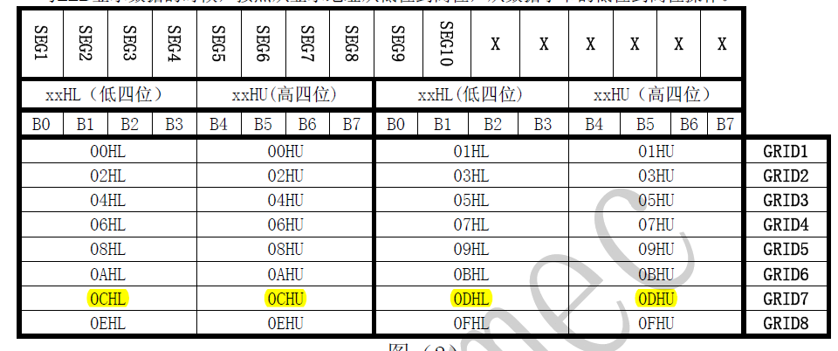
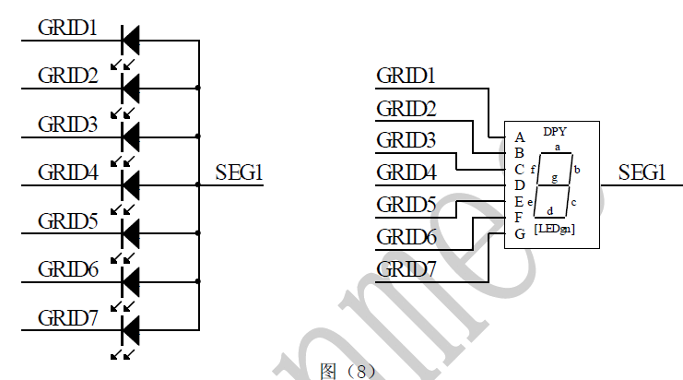
 | SEG8 | SEG7 | SEG6 | SEG5 | SEG4 | SEG3 | SEG2 | SEG1 | x | x | x | x | x | x | SEG10 | SEG9
GRID1-a | 1 |  | 0 |  |  |  | 0 | 1 | 0 | 0 | 0 | 0 | 0 | 0 | 0 | 0
GRID2-b | 0 |  | 1 |  |  |  | 1 | 1 | 0 | 0 | 0 | 0 | 0 | 0 | 0 | 0
GRID3-c | 0 |  | 1 |  |  |  | 1 | 1 | 0 | 0 | 0 | 0 | 0 | 0 | 0 | 0
GRID4-d | 0 |  | 0 |  |  |  | 0 | 1 | 0 | 0 | 0 | 0 | 0 | 0 | 0 | 0
GRID5-e | 1 |  | 0 |  |  |  | 0 | 1 | 0 | 0 | 0 | 0 | 0 | 0 | 0 | 0
GRID6-f | 1 |  | 0 |  |  |  | 0 | 1 | 0 | 0 | 0 | 0 | 0 | 0 | 0 | 0
GRID7-g | 1 |  | 0 |  |  |  | 0 | 0 | 0 | 0 | 0 | 0 | 0 | 0 | 0 | 0
GRID8-dg | 1 |  | 1 |  |  |  | 1 | 1 | 0 | 0 | 0 | 0 | 0 | 0 | 0 | 0
 | display F |  | display 1 |  |  |  | dis 1 | display 0
 | SEG1-8 Level |  |  |  |  |  |  |  |  |  |  |  |  |  |  |  |  | Reg
Display Char | 0 | 1 | 2 | 3 | 4 | 5 | 6 | 7 | 8 | 9 | A | B | C | D | E | F | -
GRID1-a | 1 | 0 | 1 | 1 | 0 | 1 | 1 | 1 | 1 | 1 | 1 | 0 | 1 | 0 | 1 | 1 | 0 | 0x00
GRID2-b | 1 | 1 | 1 | 1 | 1 | 0 | 0 | 1 | 1 | 1 | 1 | 0 | 0 | 1 | 0 | 0 | 0 | 0x02
GRID3-c | 1 | 1 | 0 | 1 | 1 | 1 | 1 | 1 | 1 | 1 | 1 | 1 | 0 | 1 | 0 | 0 | 0 | 0x04
GRID4-d | 1 | 0 | 1 | 1 | 0 | 1 | 1 | 0 | 1 | 1 | 0 | 1 | 1 | 1 | 1 | 0 | 0 | 0x06
GRID5-e | 1 | 0 | 1 | 0 | 0 | 0 | 1 | 0 | 1 | 0 | 1 | 1 | 1 | 1 | 1 | 1 | 0 | 0x08
GRID6-f | 1 | 0 | 0 | 0 | 1 | 1 | 1 | 0 | 1 | 1 | 1 | 1 | 1 | 0 | 1 | 1 | 0 | 0x0A
GRID7-g | 0 | 0 | 1 | 1 | 1 | 1 | 1 | 0 | 1 | 1 | 1 | 1 | 0 | 1 | 1 | 1 | 1 | 0x0C
GRID8-dg | 0 | 0 | 0 | 0 | 0 | 0 | 0 | 0 | 0 | 0 | 0 | 0 | 0 | 0 | 0 | 0 | 0 | 0X0E
 | FC | 60 | DA | F2 | 66 | B6 | BE | E0 | FE | F6 | EE | 3E | 9C | 7A | 9E | 8D | 2

