HOR. PUMP(E405)
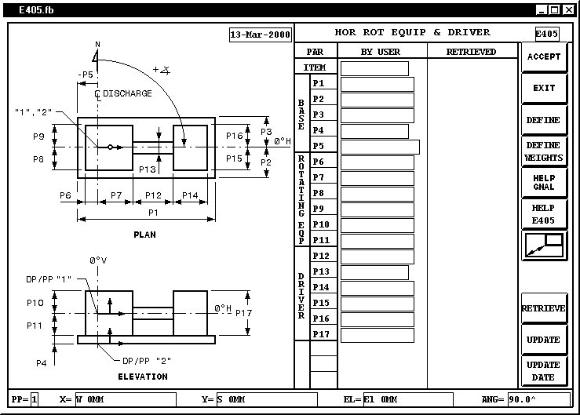

検証デモ用_配管_機器サイズ情報
CASE | EQUIP. NO. | PIPE SIZE (SUC) | NOZZLE SIZE (SUC) | PIPE SIZE (DIS) | NOZZLE SIZE (DIS) | RATIO (V.S. BASE) | BASE |  |  |  |  | ROTATING EQP. |  |  |  |  |  | DRIVER |  |  |  |  |  | LOCATION |  |  |  |  | FILE
 |  |  |  |  |  |  | P1 | P2 | P3 | P4 | P5 | P6 | P7 | P8 | P9 | P10 | P11 | P12 | P13 | P14 | P15 | P16 | P17 | PP | X | Y | EL | ANG. | NAME
 |  |  |  |  |  |  | MM | MM | MM | MM | MM | MM | MM | MM | MM | MM | MM | MM | MM | MM | MM | MM | MM |  | MM | MM | MM
BASE | 020-P-141A | 8 | 6 | 6 | 3 | 1 | 2200 | 765 | 585 | 325 | -345 | 110 | 590 | 375 | 375 | 225 | 360 | 425 | 150 | 710 | 180 | 180 | 545 | 2 | 11972000 | 9342600 | 100000 | 90^ | ai_eq_nsr.dgn
 | 020-P-141B | 8 | 6 | 6 | 3 | 1 | 2200 | 765 | 585 | 325 | -345 | 110 | 590 | 375 | 375 | 225 | 360 | 425 | 150 | 710 | 180 | 180 | 545 | 2 | 11972000 | 9339600 | 100000 | 90^ | ai_eq_nsr.dgn
CASE-1 | 020-P-141A-1 | 4 | 3 | 3 | 2 | 0.64 | 1400 | 489.6 | 374.4 | 208 | -220.8 | 70.4 | 377.6 | 240 | 240 | 144 | 230.4 | 272 | 96 | 454.4 | 115.2 | 115.2 | 348.8
 | 020-P-141A-1 | 4 | 3 | 3 | 2 | 0.64 | 1400 | 489.6 | 374.4 | 208 | -220.8 | 70.4 | 377.6 | 240 | 240 | 144 | 230.4 | 272 | 96 | 454.4 | 115.2 | 115.2 | 348.8
CASE-2 | 020-P-141A-2 | 6 | 4 | 4 | 3 | 0.73 | 1600 | 558.45 | 427.05 | 237.25 | -251.85 | 80.3 | 430.7 | 273.75 | 273.75 | 164.25 | 262.8 | 310.25 | 109.5 | 518.3 | 131.4 | 131.4 | 397.85
 | 020-P-141A-2 | 6 | 4 | 4 | 3 | 0.73 | 1600 | 558.45 | 427.05 | 237.25 | -251.85 | 80.3 | 430.7 | 273.75 | 273.75 | 164.25 | 262.8 | 310.25 | 109.5 | 518.3 | 131.4 | 131.4 | 397.85
CASE-3 | 020-P-141A-3 | 6 | 4 | 4 | 3 | 0.82 | 1800 | 627.3 | 479.7 | 237.25 | -251.85 | 80.3 | 430.7 | 273.75 | 273.75 | 164.25 | 262.8 | 310.25 | 109.5 | 518.3 | 131.4 | 131.4 | 397.85
 | 020-P-141A-3 | 6 | 4 | 4 | 3 | 0.82 | 1800 | 627.3 | 479.7 | 237.25 | -251.85 | 80.3 | 430.7 | 273.75 | 273.75 | 164.25 | 262.8 | 310.25 | 109.5 | 518.3 | 131.4 | 131.4 | 397.85
CASE-4 | 020-P-141A-4 | 8 | 6 | 6 | 4 | 0.91 | 2000 | 696.15 | 532.35 | 295.75 | -313.95 | 100.1 | 536.9 | 341.25 | 341.25 | 204.75 | 327.6 | 386.75 | 136.5 | 646.1 | 163.8 | 163.8 | 495.95
 | 020-P-141A-4 | 8 | 6 | 6 | 4 | 0.91 | 2000 | 696.15 | 532.35 | 295.75 | -313.95 | 100.1 | 536.9 | 341.25 | 341.25 | 204.75 | 327.6 | 386.75 | 136.5 | 646.1 | 163.8 | 163.8 | 495.95
CASE-5 | 020-P-141A-5 | 10 | 8 | 8 | 6 | 1.1 | 2400 | 841.5 | 643.5 | 357.5 | -379.5 | 121 | 649 | 412.5 | 412.5 | 247.5 | 396 | 467.5 | 165 | 781 | 198 | 198 | 599.5
 | 020-P-141A-5 | 10 | 8 | 8 | 6 | 1.1 | 2400 | 841.5 | 643.5 | 357.5 | -379.5 | 121 | 649 | 412.5 | 412.5 | 247.5 | 396 | 467.5 | 165 | 781 | 198 | 198 | 599.5
CASE-6 | 020-P-141A-6 | 12 | 10 | 10 | 8 | 1.37 | 3000 | 1048.05 | 801.45 | 445.25 | -472.65 | 150.7 | 808.3 | 513.75 | 513.75 | 308.25 | 493.2 | 582.25 | 205.5 | 972.7 | 246.6 | 246.6 | 746.65
 | 020-P-141A-6 | 12 | 10 | 10 | 8 | 1.37 | 3000 | 1048.05 | 801.45 | 445.25 | -472.65 | 150.7 | 808.3 | 513.75 | 513.75 | 308.25 | 493.2 | 582.25 | 205.5 | 972.7 | 246.6 | 246.6 | 746.65
CASE-7 | 020-P-141A-7 | 14 | 12 | 12 | 10 | 1.46 | 3200 | 1116.9 | 854.1 | 474.5 | -503.7 | 160.6 | 861.4 | 547.5 | 547.5 | 328.5 | 525.6 | 620.5 | 219 | 1036.6 | 262.8 | 262.8 | 795.7
 | 020-P-141A-7 | 14 | 12 | 12 | 10 | 1.46 | 3200 | 1116.9 | 854.1 | 474.5 | -503.7 | 160.6 | 861.4 | 547.5 | 547.5 | 328.5 | 525.6 | 620.5 | 219 | 1036.6 | 262.8 | 262.8 | 795.7

NOZZLE
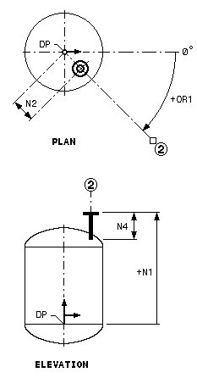
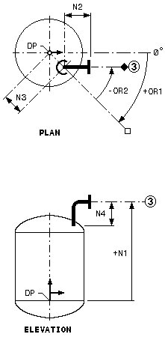
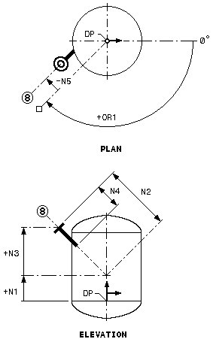
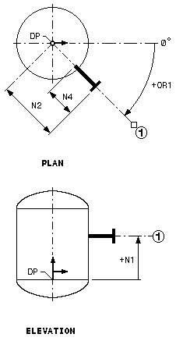
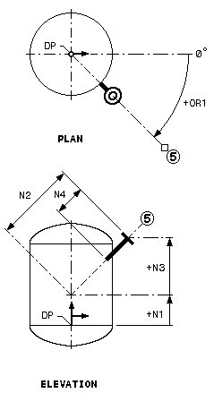
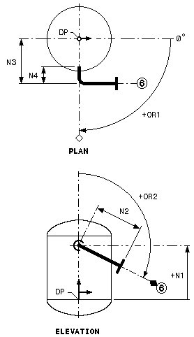
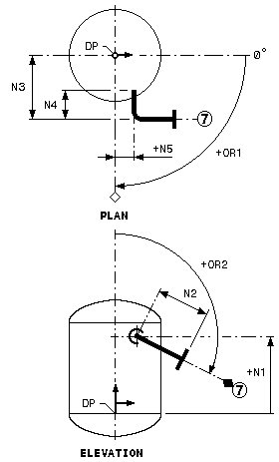
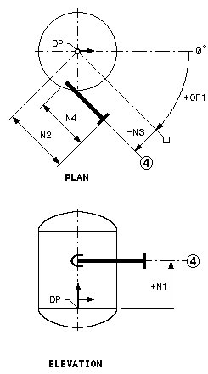

TYPE 1
TYPE 2
TYPE 3
TYPE 4
TYPE 5
TYPE 6
TYPE 7
TYPE 8

EQUIP. NO. | NOZZLE | STATUS | NOZLE | DIAM | PREP | RTNG | OR1 | OR2 | N1 | N2 | N3 | N4 | N5 | LOCATION |  |  |  | FILE
 | NO. |  | TYPE |  |  |  |  |  |  |  |  |  |  | DP | X | Y | EL | NAME
 |  |  |  | IN |  |  |  |  | MM | MM | MM | MM | MM |  | MM | MM | MM
020-P-141A | N1 |  | 2 | 4IN | RFFE | 300 | 0^ | 0^ | -165 | 0 | 0 | 165 | 0 | 1 | 11972000 | 9342600 | 100685 | ai_eq_nsr.dgn
020-P-141A | N2 |  | 4 | 3IN | RFFE | 300 | 0^ | 0^ | 0 | 300 | 0 | 300 | 0 | 1 | 11972000 | 9342600 | 100685 | ai_eq_nsr.dgn
020-P-141B | N1 |  | 2 | 4IN | RFFE | 300 | 0^ | 0^ | -165 | 0 | 0 | 165 | 0 | 1 | 11972000 | 9339600 | 100685 | ai_eq_nsr.dgn
020-P-141B | N2 |  | 4 | 3IN | RFFE | 300 | 0^ | 0^ | 0 | 300 | 0 | 300 | 0 | 1 | 11972000 | 9339600 | 100685 | ai_eq_nsr.dgn
020-P-405A | N1 |  | 2 | 10IN | RFFE | 300 | 0^ | 0^ | -250 | 0 | 0 | 250 | 0 | 1 | 11936980 | 9266300 | 100980 | ai_eq_nsr.dgn
020-P-405A | N2 |  | 4 | 6IN | RFFE | 300 | 0^ | 0^ | 0 | 650 | 0 | 650 | 0 | 1 | 11936980 | 9266300 | 100980 | ai_eq_nsr.dgn
020-P-405B | N1 |  | 2 | 10IN | RFFE | 300 | 0^ | 0^ | -250 | 0 | 0 | 250 | 0 | 1 | 11941980 | 9266300 | 100980 | ai_eq_nsr.dgn
020-P-405B | N2 |  | 4 | 6IN | RFFE | 300 | 0^ | 0^ | 0 | 650 | 0 | 650 | 0 | 1 | 11941980 | 9266300 | 100980 | ai_eq_nsr.dgn
021-G-0044A | N1 |  | 2 | 8IN | RFFE | 300 | 0^ | 0^ | -290 | 0 | 0 | 290 | 0 | 1 | 5492500 | 2520500 | 101012 | ai_eq_jed.dgn
021-G-0044A | N2 |  | 4 | 6IN | RFFE | 300 | 0^ | 0^ | 0 | 406 | -300 | 406 | 0 | 1 | 5492500 | 2520500 | 101012 | ai_eq_jed.dgn
021-G-0044B | N1 |  | 2 | 8IN | RFFE | 300 | 0^ | 0^ | -290 | 0 | 0 | 290 | 0 | 1 | 5492500 | 2516500 | 101012 | ai_eq_jed.dgn
021-G-0044B | N2 |  | 4 | 6IN | RFFE | 300 | 0^ | 0^ | 0 | 406 | -300 | 406 | 0 | 1 | 5492500 | 2516500 | 101012 | ai_eq_jed.dgn
24-P0704A | N1 |  | 2 | 6IN | RFFE | 300 | 0^ | 0^ | -205 | 0 | 0 | 205 | 0 | 1 | 1081500 | 1494000 | 4490 | ai_eq_qgx4.dgn
24-P0704A | N2 |  | 4 | 3IN | RFFE | 300 | 0^ | 0^ | 0 | 400 | 0 | 400 | 0 | 1 | 1081500 | 1494000 | 4490 | ai_eq_qgx4.dgn
24-P0704B | N1 |  | 2 | 6IN | RFFE | 300 | 0^ | 0^ | -205 | 0 | 0 | 205 | 0 | 1 | 1077500 | 1494000 | 4490 | ai_eq_qgx4.dgn
24-P0704B | N2 |  | 4 | 3IN | RFFE | 300 | 0^ | 0^ | 0 | 400 | 0 | 400 | 0 | 1 | 1077500 | 1494000 | 4490 | ai_eq_qgx4.dgn
24-P9201A | N1 |  | 2 | 4IN | RFFE | 300 | 0^ | 0^ | -165 | 0 | 0 | 165 | 0 | 1 | 1129500 | 1486500 | 4385 | ai_eq_qgx4.dgn
24-P9201A | N2 |  | 4 | 3IN | RFFE | 300 | 0^ | 0^ | 0 | 300 | 0 | 300 | 0 | 1 | 1129500 | 1486500 | 4385 | ai_eq_qgx4.dgn
24-P9201B | N1 |  | 2 | 4IN | RFFE | 300 | 0^ | 0^ | -165 | 0 | 0 | 165 | 0 | 1 | 1129500 | 1490000 | 4385 | ai_eq_qgx4.dgn
24-P9201B | N2 |  | 4 | 3IN | RFFE | 300 | 0^ | 0^ | 0 | 300 | 0 | 300 | 0 | 1 | 1129500 | 1490000 | 4385 | ai_eq_qgx4.dgn
35-P001A | N1 |  | 2 | 6IN | RFFE | 600 | 0^ | 0^ | -185 | 0 | 0 | 185 | 0 | 1 | 1185000 | 1620500 | 4315 | ai_eq_rgx3.dgn
35-P001A | N2 |  | 4 | 3IN | RFFE | 600 | 0^ | 0^ | 0 | 285 | -155 | 285 | 0 | 1 | 1185000 | 1620500 | 4315 | ai_eq_rgx3.dgn
35-P001B | N1 |  | 2 | 6IN | RFFE | 600 | 0^ | 0^ | -185 | 0 | 0 | 185 | 0 | 1 | 1181500 | 1620500 | 4315 | ai_eq_rgx3.dgn
35-P001B | N2 |  | 4 | 3IN | RFFE | 600 | 0^ | 0^ | 0 | 285 | -155 | 285 | 0 | 1 | 1181500 | 1620500 | 4315 | ai_eq_rgx3.dgn
98-PBA63411 | N1 |  | 1 | 16IN | RFFE | 300 | 90^ | 0^ | 0 | 1000 | 0 | 1000 | 0 | 1 | 10092350 | 10988000 | 97260 | ai_eq_png.dgn
98-PBA63411 | N2 |  | 4 | 10IN | RFFE | 300 | 0^ | 0^ | 0 | 730 | 515 | 730 | 0 | 1 | 10092350 | 10988000 | 97260 | ai_eq_png.dgn

