Sheet1
logo | name | site | address | phone
 | American Red Cross | http://www.redcross.org/sc/rock-hill | 200 Piedmont Boulevard | 803-329-6575
 |  |  | Rock Hill , SC 29732

 | Boys & Girls Clubs of York County | http://www.bgcyc.org/ | 410 E. Black Street | (803) 324-7920
 |  |  | Rock Hill, SC 29730

 |  |  | 1130 Highway 55 East | (803)222-4837
 |  |  | P.O. Box 521
 |  |  | Clover, SC 29710-1418

 | York County Free Clinic | http://yorkcountyfreeclinic.org/index.php | 410 Oakland Ave | Rock Hill | 803-366-6337

 | United Way | http://www.unitedwayofyc.org/contact-us | 226 Northpark Drive, Suite 100
 |  |  | P.O. Box 925
 |  |  | Rock Hill, SC 29731
 |  |  | Phone: (803) 324-2735

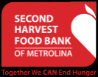
 | Second Harvest Food Bank of Metrolina | http://www.secondharvestmetrolina.org/ | 538 1st Ave. SW | (704) 763 - 9617
 |  |  | Hickory, NC 28601

 | Renew our Community | http://renewoc.org/invitation/volunteer | 119 E. White St. • Rock Hill, SC 29731 | (803) 328-0003

 | Pilgrims' Inn | http://pilgrimsinn.org/contact-us/ | 236 W. Main Street | (803) 327-4227
 |  |  | Rock Hill, South Carolina 29730

 | Lake Wylie Rotary Club | http://lakewylierotary.org/why-rotary/ | 5220 Crowder’s Cove Lane, Lake Wylie, SC 29710 | 803-517-2190

 | Internation Center of York County | http://www.icycsc.org/ | 410 East Black Street | (803) 980-2098
 |  |  | Rock Hill, SC 29730

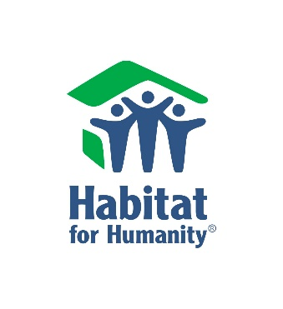
 | Habitat for Humanity of York County | http://www.yorkcountyhabitat.org/habitat/contact-info | 825 N. Anderson Road | (803) 328-1728
 |  |  | Rock Hill, SC 29730

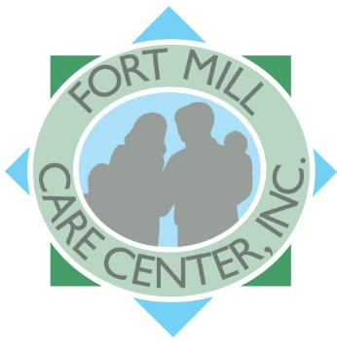
 | Fort Mill Care Center | http://www.fortmillcarecenter.org/ | 818 Tom Hall Street | (803) 547-7620
 |  |  | Suite 114
 |  |  | Fort Mill, South Carolina 29715

