Dropout 0.1
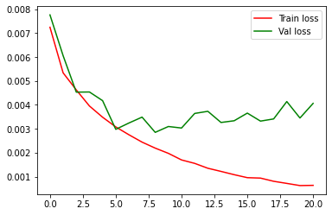
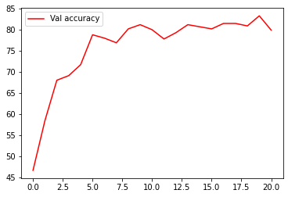
Epoch [1/50], Step [100/245], Loss: 1.5061
Epoch [1/50], Step [200/245], Loss: 1.2280

Epoch [2/50], Step [100/245], Loss: 1.2671
Epoch [2/50], Step [200/245], Loss: 1.0020

Epoch [3/50], Step [100/245], Loss: 1.0314
Epoch [3/50], Step [200/245], Loss: 0.7791

Epoch [4/50], Step [100/245], Loss: 0.7173
Epoch [4/50], Step [200/245], Loss: 0.7468

Epoch [5/50], Step [100/245], Loss: 0.7016
Epoch [5/50], Step [200/245], Loss: 0.7004

Epoch [6/50], Step [100/245], Loss: 0.5284
Epoch [6/50], Step [200/245], Loss: 0.4916

Epoch [7/50], Step [100/245], Loss: 0.5907
Epoch [7/50], Step [200/245], Loss: 0.6397

Epoch [8/50], Step [100/245], Loss: 0.4472
Epoch [8/50], Step [200/245], Loss: 0.5412

Epoch [9/50], Step [100/245], Loss: 0.4825
Epoch [9/50], Step [200/245], Loss: 0.3270

Epoch [10/50], Step [100/245], Loss: 0.3832
Epoch [10/50], Step [200/245], Loss: 0.5187

Epoch [11/50], Step [100/245], Loss: 0.3787
Epoch [11/50], Step [200/245], Loss: 0.4106

Epoch [12/50], Step [100/245], Loss: 0.2634
Epoch [12/50], Step [200/245], Loss: 0.2967

Epoch [13/50], Step [100/245], Loss: 0.2343
Epoch [13/50], Step [200/245], Loss: 0.2593

Epoch [14/50], Step [100/245], Loss: 0.1806
Epoch [14/50], Step [200/245], Loss: 0.2815

Epoch [15/50], Step [100/245], Loss: 0.1912
Epoch [15/50], Step [200/245], Loss: 0.3486

Epoch [16/50], Step [100/245], Loss: 0.2403
Epoch [16/50], Step [200/245], Loss: 0.2675

Epoch [17/50], Step [100/245], Loss: 0.2710
Epoch [17/50], Step [200/245], Loss: 0.2196

Epoch [18/50], Step [100/245], Loss: 0.1170
Epoch [18/50], Step [200/245], Loss: 0.1329

Epoch [19/50], Step [100/245], Loss: 0.1209
Epoch [19/50], Step [200/245], Loss: 0.1050

Epoch [20/50], Step [100/245], Loss: 0.0913
Epoch [20/50], Step [200/245], Loss: 0.1288

Epoch [21/50], Step [100/245], Loss: 0.0913
Epoch [21/50], Step [200/245], Loss: 0.1557

Dropout 0.2
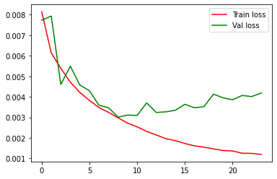
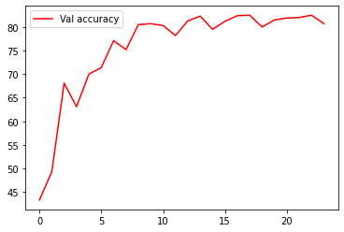
Epoch [1/50], Step [100/245], Loss: 1.6018
Epoch [1/50], Step [200/245], Loss: 1.4378

Epoch [2/50], Step [100/245], Loss: 1.2460
Epoch [2/50], Step [200/245], Loss: 1.2830

Epoch [3/50], Step [100/245], Loss: 1.1136
Epoch [3/50], Step [200/245], Loss: 1.0366

Epoch [4/50], Step [100/245], Loss: 1.0389
Epoch [4/50], Step [200/245], Loss: 0.8807

Epoch [5/50], Step [100/245], Loss: 0.8932
Epoch [5/50], Step [200/245], Loss: 0.7860

Epoch [6/50], Step [100/245], Loss: 0.8985
Epoch [6/50], Step [200/245], Loss: 0.8027

Epoch [7/50], Step [100/245], Loss: 0.6913
Epoch [7/50], Step [200/245], Loss: 0.7364

Epoch [8/50], Step [100/245], Loss: 0.6616
Epoch [8/50], Step [200/245], Loss: 0.6097

Epoch [9/50], Step [100/245], Loss: 0.6082
Epoch [9/50], Step [200/245], Loss: 0.5294

Epoch [10/50], Step [100/245], Loss: 0.5241
Epoch [10/50], Step [200/245], Loss: 0.5945

Epoch [11/50], Step [100/245], Loss: 0.5157
Epoch [11/50], Step [200/245], Loss: 0.5695

Epoch [12/50], Step [100/245], Loss: 0.4377
Epoch [12/50], Step [200/245], Loss: 0.4990

Epoch [13/50], Step [100/245], Loss: 0.3264
Epoch [13/50], Step [200/245], Loss: 0.4724

Epoch [14/50], Step [100/245], Loss: 0.2648
Epoch [14/50], Step [200/245], Loss: 0.4925

Epoch [15/50], Step [100/245], Loss: 0.3360
Epoch [15/50], Step [200/245], Loss: 0.3949

Epoch [16/50], Step [100/245], Loss: 0.2520
Epoch [16/50], Step [200/245], Loss: 0.2700

Epoch [17/50], Step [100/245], Loss: 0.3066
Epoch [17/50], Step [200/245], Loss: 0.3542

Epoch [18/50], Step [100/245], Loss: 0.2342
Epoch [18/50], Step [200/245], Loss: 0.4318

Epoch [19/50], Step [100/245], Loss: 0.3527
Epoch [19/50], Step [200/245], Loss: 0.3165

Epoch [20/50], Step [100/245], Loss: 0.1751
Epoch [20/50], Step [200/245], Loss: 0.2696

Epoch [21/50], Step [100/245], Loss: 0.2333
Epoch [21/50], Step [200/245], Loss: 0.2237

Epoch [22/50], Step [100/245], Loss: 0.2618
Epoch [22/50], Step [200/245], Loss: 0.2609

Epoch [23/50], Step [100/245], Loss: 0.2330
Epoch [23/50], Step [200/245], Loss: 0.2306

Epoch [24/50], Step [100/245], Loss: 0.1890
Epoch [24/50], Step [200/245], Loss: 0.3002

Dropout 0.3
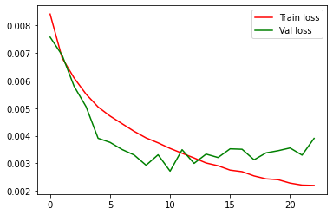
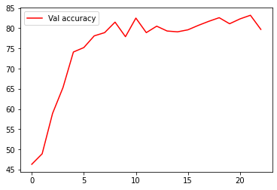
Epoch [1/50], Step [100/245], Loss: 1.8083
Epoch [1/50], Step [200/245], Loss: 1.4297

Epoch [2/50], Step [100/245], Loss: 1.3807
Epoch [2/50], Step [200/245], Loss: 1.2207

Epoch [3/50], Step [100/245], Loss: 1.2122
Epoch [3/50], Step [200/245], Loss: 1.1534

Epoch [4/50], Step [100/245], Loss: 1.0189
Epoch [4/50], Step [200/245], Loss: 0.9348

Epoch [5/50], Step [100/245], Loss: 0.9625
Epoch [5/50], Step [200/245], Loss: 0.9648

Epoch [6/50], Step [100/245], Loss: 0.9265
Epoch [6/50], Step [200/245], Loss: 0.8830

Epoch [7/50], Step [100/245], Loss: 0.8963
Epoch [7/50], Step [200/245], Loss: 0.8501

Epoch [8/50], Step [100/245], Loss: 0.7532
Epoch [8/50], Step [200/245], Loss: 0.8476

Epoch [9/50], Step [100/245], Loss: 0.7132
Epoch [9/50], Step [200/245], Loss: 0.8165

Epoch [10/50], Step [100/245], Loss: 0.8040
Epoch [10/50], Step [200/245], Loss: 0.7883

Epoch [11/50], Step [100/245], Loss: 0.7667
Epoch [11/50], Step [200/245], Loss: 0.6247

Epoch [12/50], Step [100/245], Loss: 0.6584
Epoch [12/50], Step [200/245], Loss: 0.6697

Epoch [13/50], Step [100/245], Loss: 0.4575
Epoch [13/50], Step [200/245], Loss: 0.6159

Epoch [14/50], Step [100/245], Loss: 0.5079
Epoch [14/50], Step [200/245], Loss: 0.5832

Epoch [15/50], Step [100/245], Loss: 0.5006
Epoch [15/50], Step [200/245], Loss: 0.6509

Epoch [16/50], Step [100/245], Loss: 0.5733
Epoch [16/50], Step [200/245], Loss: 0.5722

Epoch [17/50], Step [100/245], Loss: 0.5308
Epoch [17/50], Step [200/245], Loss: 0.5757

Epoch [18/50], Step [100/245], Loss: 0.5098
Epoch [18/50], Step [200/245], Loss: 0.5086

Epoch [19/50], Step [100/245], Loss: 0.5280
Epoch [19/50], Step [200/245], Loss: 0.5017

Epoch [20/50], Step [100/245], Loss: 0.4370
Epoch [20/50], Step [200/245], Loss: 0.4752

Epoch [21/50], Step [100/245], Loss: 0.4618
Epoch [21/50], Step [200/245], Loss: 0.5607

Epoch [22/50], Step [100/245], Loss: 0.4158
Epoch [22/50], Step [200/245], Loss: 0.4533

Epoch [23/50], Step [100/245], Loss: 0.5507
Epoch [23/50], Step [200/245], Loss: 0.4126

Dropout 0.4
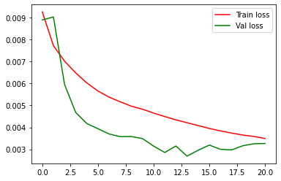
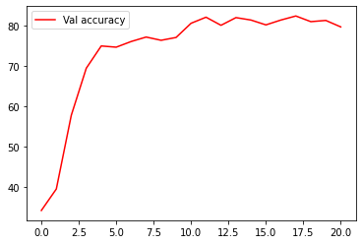
Epoch [1/50], Step [100/245], Loss: 1.8587
Epoch [1/50], Step [200/245], Loss: 1.6797

Epoch [2/50], Step [100/245], Loss: 1.6264
Epoch [2/50], Step [200/245], Loss: 1.3510

Epoch [3/50], Step [100/245], Loss: 1.2677
Epoch [3/50], Step [200/245], Loss: 1.3768

Epoch [4/50], Step [100/245], Loss: 1.3148
Epoch [4/50], Step [200/245], Loss: 1.3959

Epoch [5/50], Step [100/245], Loss: 1.2131
Epoch [5/50], Step [200/245], Loss: 1.2473

Epoch [6/50], Step [100/245], Loss: 1.0021
Epoch [6/50], Step [200/245], Loss: 1.1980

Epoch [7/50], Step [100/245], Loss: 0.9994
Epoch [7/50], Step [200/245], Loss: 1.1029

Epoch [8/50], Step [100/245], Loss: 1.1329
Epoch [8/50], Step [200/245], Loss: 0.9988

Epoch [9/50], Step [100/245], Loss: 0.9475
Epoch [9/50], Step [200/245], Loss: 0.9260

Epoch [10/50], Step [100/245], Loss: 1.0219
Epoch [10/50], Step [200/245], Loss: 0.9987

Epoch [11/50], Step [100/245], Loss: 1.0037
Epoch [11/50], Step [200/245], Loss: 0.9260

Epoch [12/50], Step [100/245], Loss: 0.9703
Epoch [12/50], Step [200/245], Loss: 0.9076

Epoch [13/50], Step [100/245], Loss: 0.9537
Epoch [13/50], Step [200/245], Loss: 0.7930

Epoch [14/50], Step [100/245], Loss: 0.8921
Epoch [14/50], Step [200/245], Loss: 0.8133

Epoch [15/50], Step [100/245], Loss: 0.8841
Epoch [15/50], Step [200/245], Loss: 0.7594

Epoch [16/50], Step [100/245], Loss: 0.8619
Epoch [16/50], Step [200/245], Loss: 0.8538

Epoch [17/50], Step [100/245], Loss: 0.7870
Epoch [17/50], Step [200/245], Loss: 0.8206

Epoch [18/50], Step [100/245], Loss: 0.8046
Epoch [18/50], Step [200/245], Loss: 0.6996

Epoch [19/50], Step [100/245], Loss: 0.7659
Epoch [19/50], Step [200/245], Loss: 0.7658

Epoch [20/50], Step [100/245], Loss: 0.7409
Epoch [20/50], Step [200/245], Loss: 0.6325

Epoch [21/50], Step [100/245], Loss: 0.6896
Epoch [21/50], Step [200/245], Loss: 0.7624

Dropout 0.5
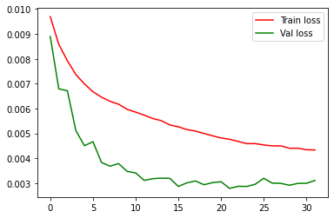
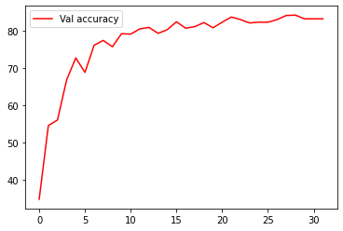
Epoch [1/50], Step [100/245], Loss: 1.7361
Epoch [1/50], Step [200/245], Loss: 1.8539

Epoch [2/50], Step [100/245], Loss: 1.8045
Epoch [2/50], Step [200/245], Loss: 1.7010

Epoch [3/50], Step [100/245], Loss: 1.5130
Epoch [3/50], Step [200/245], Loss: 1.5653

Epoch [4/50], Step [100/245], Loss: 1.4985
Epoch [4/50], Step [200/245], Loss: 1.3778

Epoch [5/50], Step [100/245], Loss: 1.5201
Epoch [5/50], Step [200/245], Loss: 1.4282

Epoch [6/50], Step [100/245], Loss: 1.3317
Epoch [6/50], Step [200/245], Loss: 1.3170

Epoch [7/50], Step [100/245], Loss: 1.3567
Epoch [7/50], Step [200/245], Loss: 1.3117

Epoch [8/50], Step [100/245], Loss: 1.1779
Epoch [8/50], Step [200/245], Loss: 1.3148

Epoch [9/50], Step [100/245], Loss: 1.1785
Epoch [9/50], Step [200/245], Loss: 1.2979

Epoch [10/50], Step [100/245], Loss: 1.2920
Epoch [10/50], Step [200/245], Loss: 1.2424

Epoch [11/50], Step [100/245], Loss: 1.1485
Epoch [11/50], Step [200/245], Loss: 1.2961

Epoch [12/50], Step [100/245], Loss: 1.2087
Epoch [12/50], Step [200/245], Loss: 1.1852

Epoch [13/50], Step [100/245], Loss: 1.0495
Epoch [13/50], Step [200/245], Loss: 1.1641

Epoch [14/50], Step [100/245], Loss: 1.1113
Epoch [14/50], Step [200/245], Loss: 1.0439

Epoch [15/50], Step [100/245], Loss: 1.0115
Epoch [15/50], Step [200/245], Loss: 1.0300

Epoch [16/50], Step [100/245], Loss: 1.0484
Epoch [16/50], Step [200/245], Loss: 1.0101

Epoch [17/50], Step [100/245], Loss: 1.1423
Epoch [17/50], Step [200/245], Loss: 0.9611

Epoch [18/50], Step [100/245], Loss: 1.0857
Epoch [18/50], Step [200/245], Loss: 1.0884

Epoch [19/50], Step [100/245], Loss: 0.9818
Epoch [19/50], Step [200/245], Loss: 1.0445

Epoch [20/50], Step [100/245], Loss: 0.9200
Epoch [20/50], Step [200/245], Loss: 1.1150

Epoch [21/50], Step [100/245], Loss: 0.9463
Epoch [21/50], Step [200/245], Loss: 1.0032

Epoch [22/50], Step [100/245], Loss: 0.9408
Epoch [22/50], Step [200/245], Loss: 0.9669

Epoch [23/50], Step [100/245], Loss: 0.8833
Epoch [23/50], Step [200/245], Loss: 0.8291

Epoch [24/50], Step [100/245], Loss: 0.8629
Epoch [24/50], Step [200/245], Loss: 0.9582

Epoch [25/50], Step [100/245], Loss: 1.0348
Epoch [25/50], Step [200/245], Loss: 0.9553

Epoch [26/50], Step [100/245], Loss: 0.9146
Epoch [26/50], Step [200/245], Loss: 0.8544

Epoch [27/50], Step [100/245], Loss: 0.9093
Epoch [27/50], Step [200/245], Loss: 0.9495

Epoch [28/50], Step [100/245], Loss: 0.8008
Epoch [28/50], Step [200/245], Loss: 0.9252

Epoch [29/50], Step [100/245], Loss: 0.8082
Epoch [29/50], Step [200/245], Loss: 0.8246

Epoch [30/50], Step [100/245], Loss: 0.9220
Epoch [30/50], Step [200/245], Loss: 0.8632

Epoch [31/50], Step [100/245], Loss: 0.8761
Epoch [31/50], Step [200/245], Loss: 0.8794

Epoch [32/50], Step [100/245], Loss: 0.9188
Epoch [32/50], Step [200/245], Loss: 0.8926

Dropout 0.6
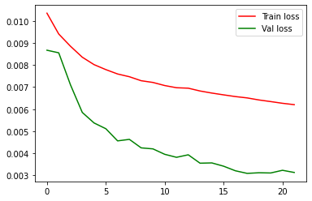
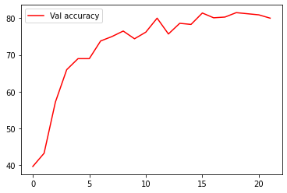
Epoch [1/50], Step [100/245], Loss: 2.0410
Epoch [1/50], Step [200/245], Loss: 1.9484

Epoch [2/50], Step [100/245], Loss: 1.9795
Epoch [2/50], Step [200/245], Loss: 1.8171

Epoch [3/50], Step [100/245], Loss: 1.6567
Epoch [3/50], Step [200/245], Loss: 1.6987

Epoch [4/50], Step [100/245], Loss: 1.7225
Epoch [4/50], Step [200/245], Loss: 1.7342

Epoch [5/50], Step [100/245], Loss: 1.6797
Epoch [5/50], Step [200/245], Loss: 1.5965

Epoch [6/50], Step [100/245], Loss: 1.4823
Epoch [6/50], Step [200/245], Loss: 1.6607

Epoch [7/50], Step [100/245], Loss: 1.5406
Epoch [7/50], Step [200/245], Loss: 1.6320

Epoch [8/50], Step [100/245], Loss: 1.5783
Epoch [8/50], Step [200/245], Loss: 1.4400

Epoch [9/50], Step [100/245], Loss: 1.3884
Epoch [9/50], Step [200/245], Loss: 1.5238

Epoch [10/50], Step [100/245], Loss: 1.4603
Epoch [10/50], Step [200/245], Loss: 1.4453

Epoch [11/50], Step [100/245], Loss: 1.5733
Epoch [11/50], Step [200/245], Loss: 1.3677

Epoch [12/50], Step [100/245], Loss: 1.5018
Epoch [12/50], Step [200/245], Loss: 1.3657

Epoch [13/50], Step [100/245], Loss: 1.3763
Epoch [13/50], Step [200/245], Loss: 1.2811

Epoch [14/50], Step [100/245], Loss: 1.4673
Epoch [14/50], Step [200/245], Loss: 1.4122

Epoch [15/50], Step [100/245], Loss: 1.3096
Epoch [15/50], Step [200/245], Loss: 1.5209

Epoch [16/50], Step [100/245], Loss: 1.3647
Epoch [16/50], Step [200/245], Loss: 1.3768

Epoch [17/50], Step [100/245], Loss: 1.3353
Epoch [17/50], Step [200/245], Loss: 1.3502

Epoch [18/50], Step [100/245], Loss: 1.3648
Epoch [18/50], Step [200/245], Loss: 1.2952

Epoch [19/50], Step [100/245], Loss: 1.2477
Epoch [19/50], Step [200/245], Loss: 1.2521

Epoch [20/50], Step [100/245], Loss: 1.2675
Epoch [20/50], Step [200/245], Loss: 1.1908

Epoch [21/50], Step [100/245], Loss: 1.1704
Epoch [21/50], Step [200/245], Loss: 1.3636

Epoch [22/50], Step [100/245], Loss: 1.2381
Epoch [22/50], Step [200/245], Loss: 1.2320

Dropout 0.7
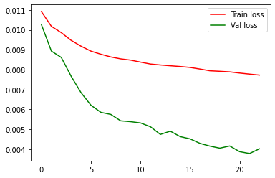
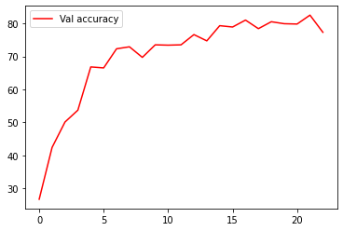
Epoch [1/50], Step [100/245], Loss: 2.1556
Epoch [1/50], Step [200/245], Loss: 2.0974

Epoch [2/50], Step [100/245], Loss: 2.0979
Epoch [2/50], Step [200/245], Loss: 2.0235

Epoch [3/50], Step [100/245], Loss: 2.0021
Epoch [3/50], Step [200/245], Loss: 1.9303

Epoch [4/50], Step [100/245], Loss: 1.9388
Epoch [4/50], Step [200/245], Loss: 1.9752

Epoch [5/50], Step [100/245], Loss: 1.8317
Epoch [5/50], Step [200/245], Loss: 1.8593

Epoch [6/50], Step [100/245], Loss: 1.8432
Epoch [6/50], Step [200/245], Loss: 1.6644

Epoch [7/50], Step [100/245], Loss: 1.7505
Epoch [7/50], Step [200/245], Loss: 1.7532

Epoch [8/50], Step [100/245], Loss: 1.6945
Epoch [8/50], Step [200/245], Loss: 1.7246

Epoch [9/50], Step [100/245], Loss: 1.6030
Epoch [9/50], Step [200/245], Loss: 1.7838

Epoch [10/50], Step [100/245], Loss: 1.8593
Epoch [10/50], Step [200/245], Loss: 1.6889

Epoch [11/50], Step [100/245], Loss: 1.6747
Epoch [11/50], Step [200/245], Loss: 1.8425

Epoch [12/50], Step [100/245], Loss: 1.6667
Epoch [12/50], Step [200/245], Loss: 1.6417

Epoch [13/50], Step [100/245], Loss: 1.6375
Epoch [13/50], Step [200/245], Loss: 1.6805

Epoch [14/50], Step [100/245], Loss: 1.6426
Epoch [14/50], Step [200/245], Loss: 1.6838

Epoch [15/50], Step [100/245], Loss: 1.6457
Epoch [15/50], Step [200/245], Loss: 1.6382

Epoch [16/50], Step [100/245], Loss: 1.6642
Epoch [16/50], Step [200/245], Loss: 1.6094

Epoch [17/50], Step [100/245], Loss: 1.6860
Epoch [17/50], Step [200/245], Loss: 1.6070

Epoch [18/50], Step [100/245], Loss: 1.4487
Epoch [18/50], Step [200/245], Loss: 1.5319

Epoch [19/50], Step [100/245], Loss: 1.5891
Epoch [19/50], Step [200/245], Loss: 1.6419

Epoch [20/50], Step [100/245], Loss: 1.5348
Epoch [20/50], Step [200/245], Loss: 1.5922

Epoch [21/50], Step [100/245], Loss: 1.4945
Epoch [21/50], Step [200/245], Loss: 1.5856

Epoch [22/50], Step [100/245], Loss: 1.5171
Epoch [22/50], Step [200/245], Loss: 1.5463

Epoch [23/50], Step [100/245], Loss: 1.5283
Epoch [23/50], Step [200/245], Loss: 1.5247

Dropout 0.8
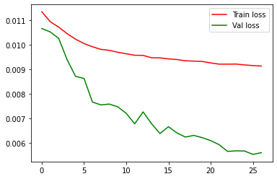
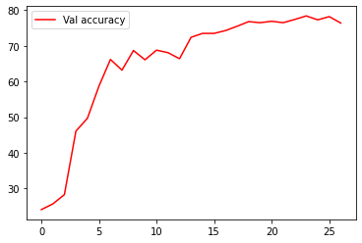
Epoch [1/50], Step [100/245], Loss: 2.1808
Epoch [1/50], Step [200/245], Loss: 2.2074

Epoch [2/50], Step [100/245], Loss: 2.1403
Epoch [2/50], Step [200/245], Loss: 2.1553

Epoch [3/50], Step [100/245], Loss: 2.1564
Epoch [3/50], Step [200/245], Loss: 2.1301

Epoch [4/50], Step [100/245], Loss: 2.0017
Epoch [4/50], Step [200/245], Loss: 2.1330

Epoch [5/50], Step [100/245], Loss: 2.0241
Epoch [5/50], Step [200/245], Loss: 2.0662

Epoch [6/50], Step [100/245], Loss: 2.0068
Epoch [6/50], Step [200/245], Loss: 1.9872

Epoch [7/50], Step [100/245], Loss: 2.0187
Epoch [7/50], Step [200/245], Loss: 1.9273

Epoch [8/50], Step [100/245], Loss: 1.8576
Epoch [8/50], Step [200/245], Loss: 2.0057

Epoch [9/50], Step [100/245], Loss: 1.9202
Epoch [9/50], Step [200/245], Loss: 1.9047

Epoch [10/50], Step [100/245], Loss: 1.9661
Epoch [10/50], Step [200/245], Loss: 2.0323

Epoch [11/50], Step [100/245], Loss: 1.8576
Epoch [11/50], Step [200/245], Loss: 1.9869

Epoch [12/50], Step [100/245], Loss: 2.0138
Epoch [12/50], Step [200/245], Loss: 2.0120

Epoch [13/50], Step [100/245], Loss: 1.8793
Epoch [13/50], Step [200/245], Loss: 1.8564

Epoch [14/50], Step [100/245], Loss: 1.9126
Epoch [14/50], Step [200/245], Loss: 1.8188

Epoch [15/50], Step [100/245], Loss: 1.8845
Epoch [15/50], Step [200/245], Loss: 1.9895

Epoch [16/50], Step [100/245], Loss: 1.8822
Epoch [16/50], Step [200/245], Loss: 1.8339

Epoch [17/50], Step [100/245], Loss: 1.8518
Epoch [17/50], Step [200/245], Loss: 1.8733

Epoch [18/50], Step [100/245], Loss: 1.8352
Epoch [18/50], Step [200/245], Loss: 1.8842

Epoch [19/50], Step [100/245], Loss: 1.8970
Epoch [19/50], Step [200/245], Loss: 1.7905

Epoch [20/50], Step [100/245], Loss: 1.8165
Epoch [20/50], Step [200/245], Loss: 1.8215

Epoch [21/50], Step [100/245], Loss: 1.8874
Epoch [21/50], Step [200/245], Loss: 1.8433

Epoch [22/50], Step [100/245], Loss: 1.8371
Epoch [22/50], Step [200/245], Loss: 1.8706

Epoch [23/50], Step [100/245], Loss: 1.7813
Epoch [23/50], Step [200/245], Loss: 1.7018

Epoch [24/50], Step [100/245], Loss: 1.7866
Epoch [24/50], Step [200/245], Loss: 1.9260

Epoch [25/50], Step [100/245], Loss: 1.7595
Epoch [25/50], Step [200/245], Loss: 1.8685

Epoch [26/50], Step [100/245], Loss: 1.8353
Epoch [26/50], Step [200/245], Loss: 1.8379

Epoch [27/50], Step [100/245], Loss: 1.8967
Epoch [27/50], Step [200/245], Loss: 1.9248

Dropout 0.9
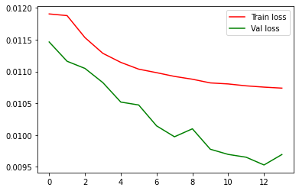
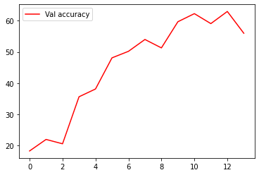
Epoch [1/50], Step [100/245], Loss: 2.2967
Epoch [1/50], Step [200/245], Loss: 2.3327

Epoch [2/50], Step [100/245], Loss: 2.2817
Epoch [2/50], Step [200/245], Loss: 2.3229

Epoch [3/50], Step [100/245], Loss: 2.3200
Epoch [3/50], Step [200/245], Loss: 2.3157

Epoch [4/50], Step [100/245], Loss: 2.2578
Epoch [4/50], Step [200/245], Loss: 2.2365

Epoch [5/50], Step [100/245], Loss: 2.2488
Epoch [5/50], Step [200/245], Loss: 2.2133

Epoch [6/50], Step [100/245], Loss: 2.2116
Epoch [6/50], Step [200/245], Loss: 2.1662

Epoch [7/50], Step [100/245], Loss: 2.2419
Epoch [7/50], Step [200/245], Loss: 2.1664

Epoch [8/50], Step [100/245], Loss: 2.2094
Epoch [8/50], Step [200/245], Loss: 2.1966

Epoch [9/50], Step [100/245], Loss: 2.2334
Epoch [9/50], Step [200/245], Loss: 2.1663

Epoch [10/50], Step [100/245], Loss: 2.1825
Epoch [10/50], Step [200/245], Loss: 2.1578

Epoch [11/50], Step [100/245], Loss: 2.1511
Epoch [11/50], Step [200/245], Loss: 2.2268

Epoch [12/50], Step [100/245], Loss: 2.1256
Epoch [12/50], Step [200/245], Loss: 2.1670

Epoch [13/50], Step [100/245], Loss: 2.1631
Epoch [13/50], Step [200/245], Loss: 2.1713

Epoch [14/50], Step [100/245], Loss: 2.1764
Epoch [14/50], Step [200/245], Loss: 2.1751

