Wages & Social Security
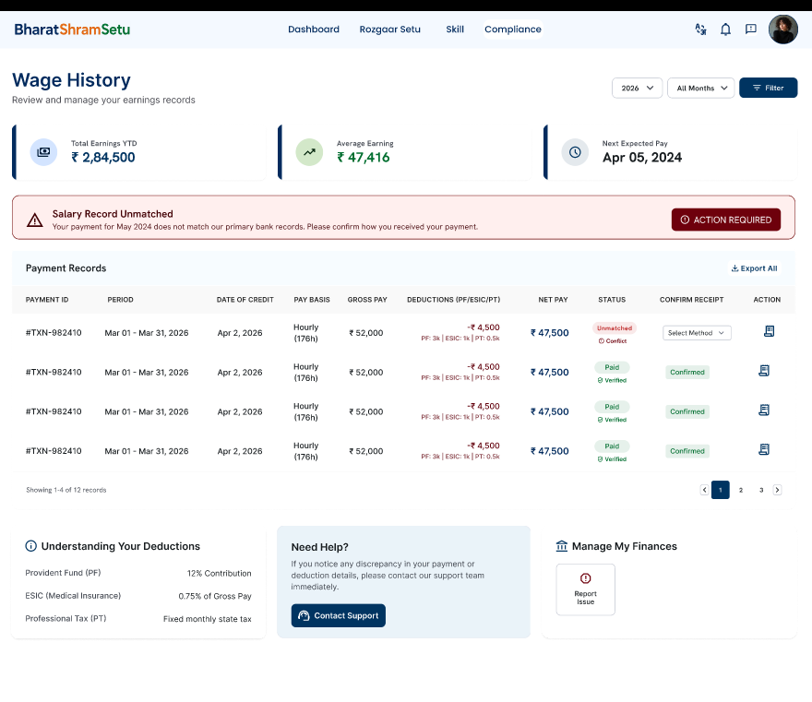
Wages & Social Security

Grievance
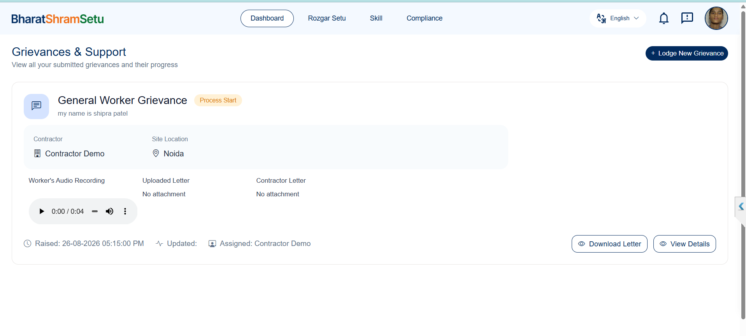
Worker Grievance

Step 1- | Select Language And Click on the start Recording

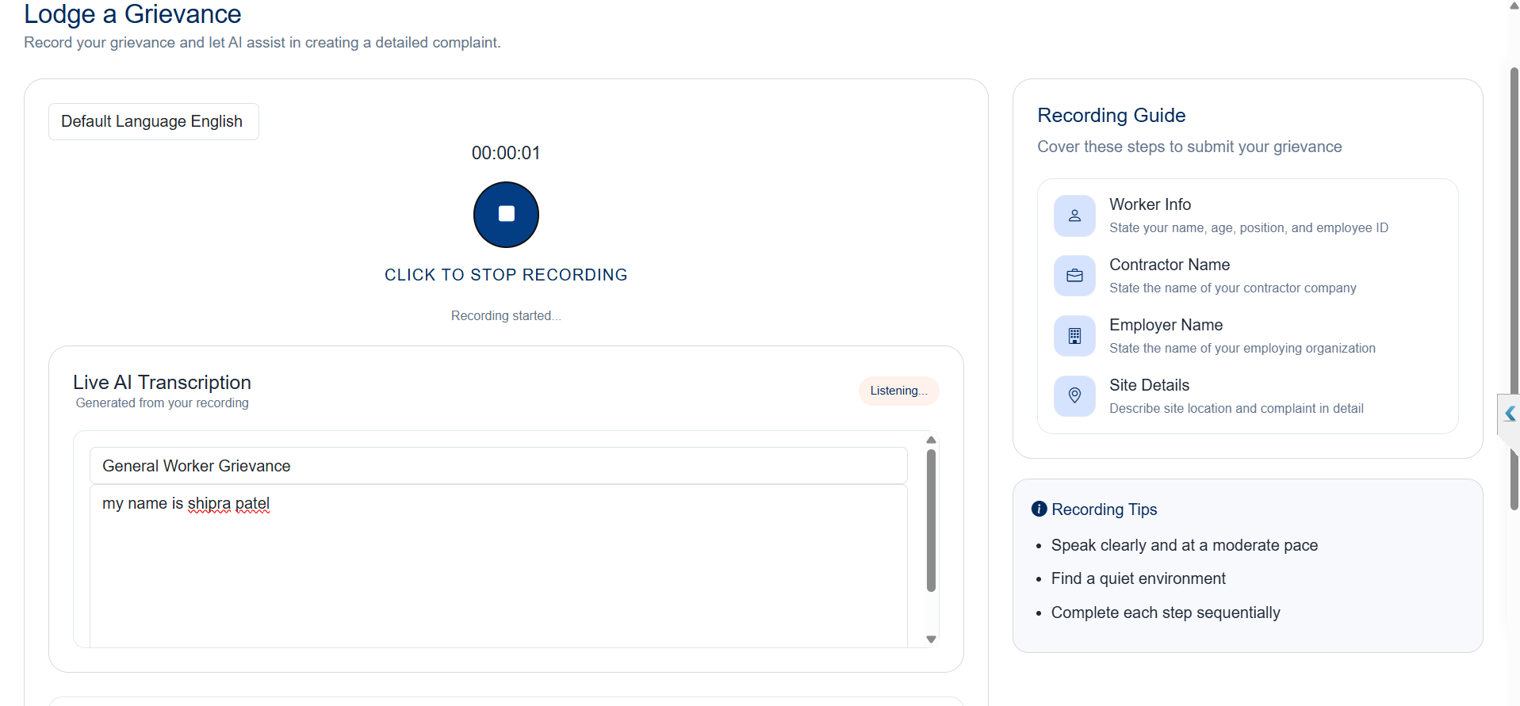

Step 2- | Submit the Grievance

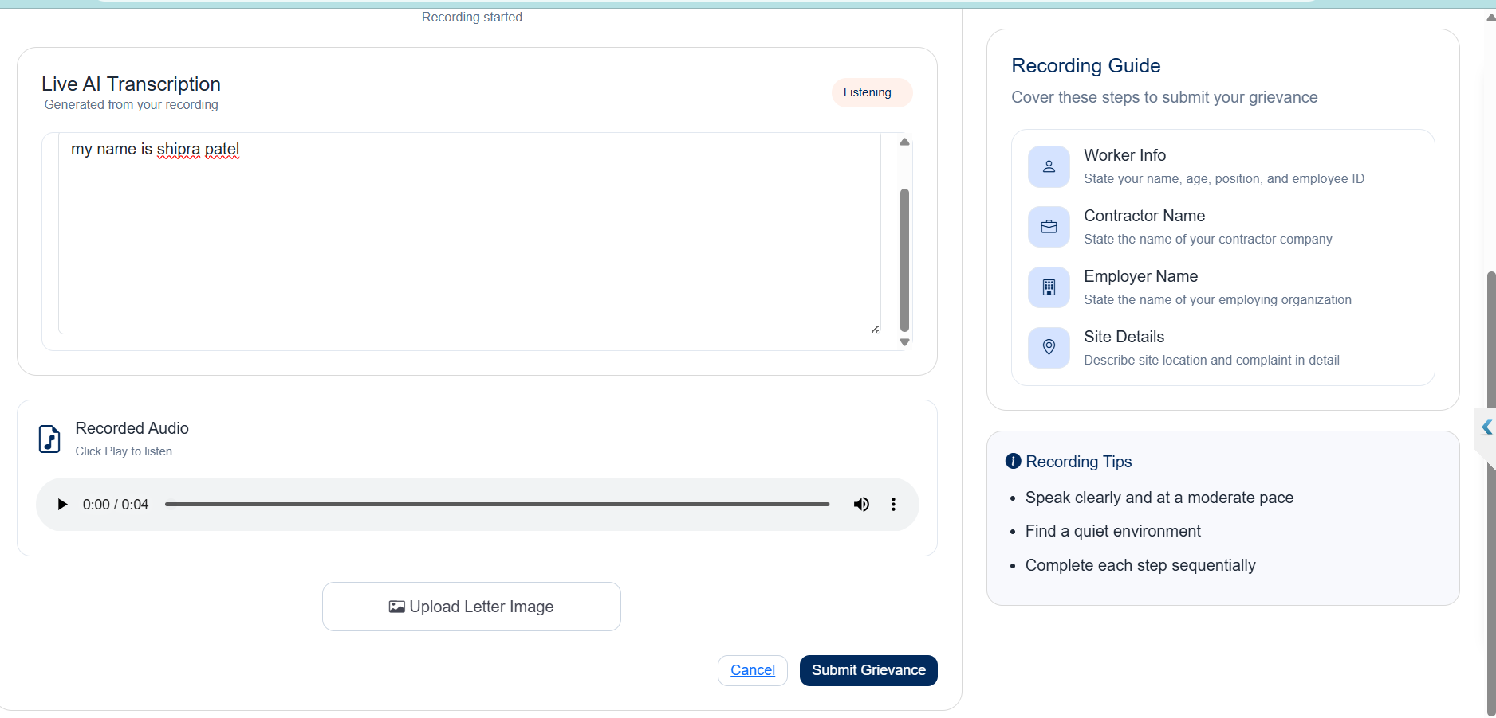

Step 3- | Data will be shown on the dashboard after the record is saved.

Skills
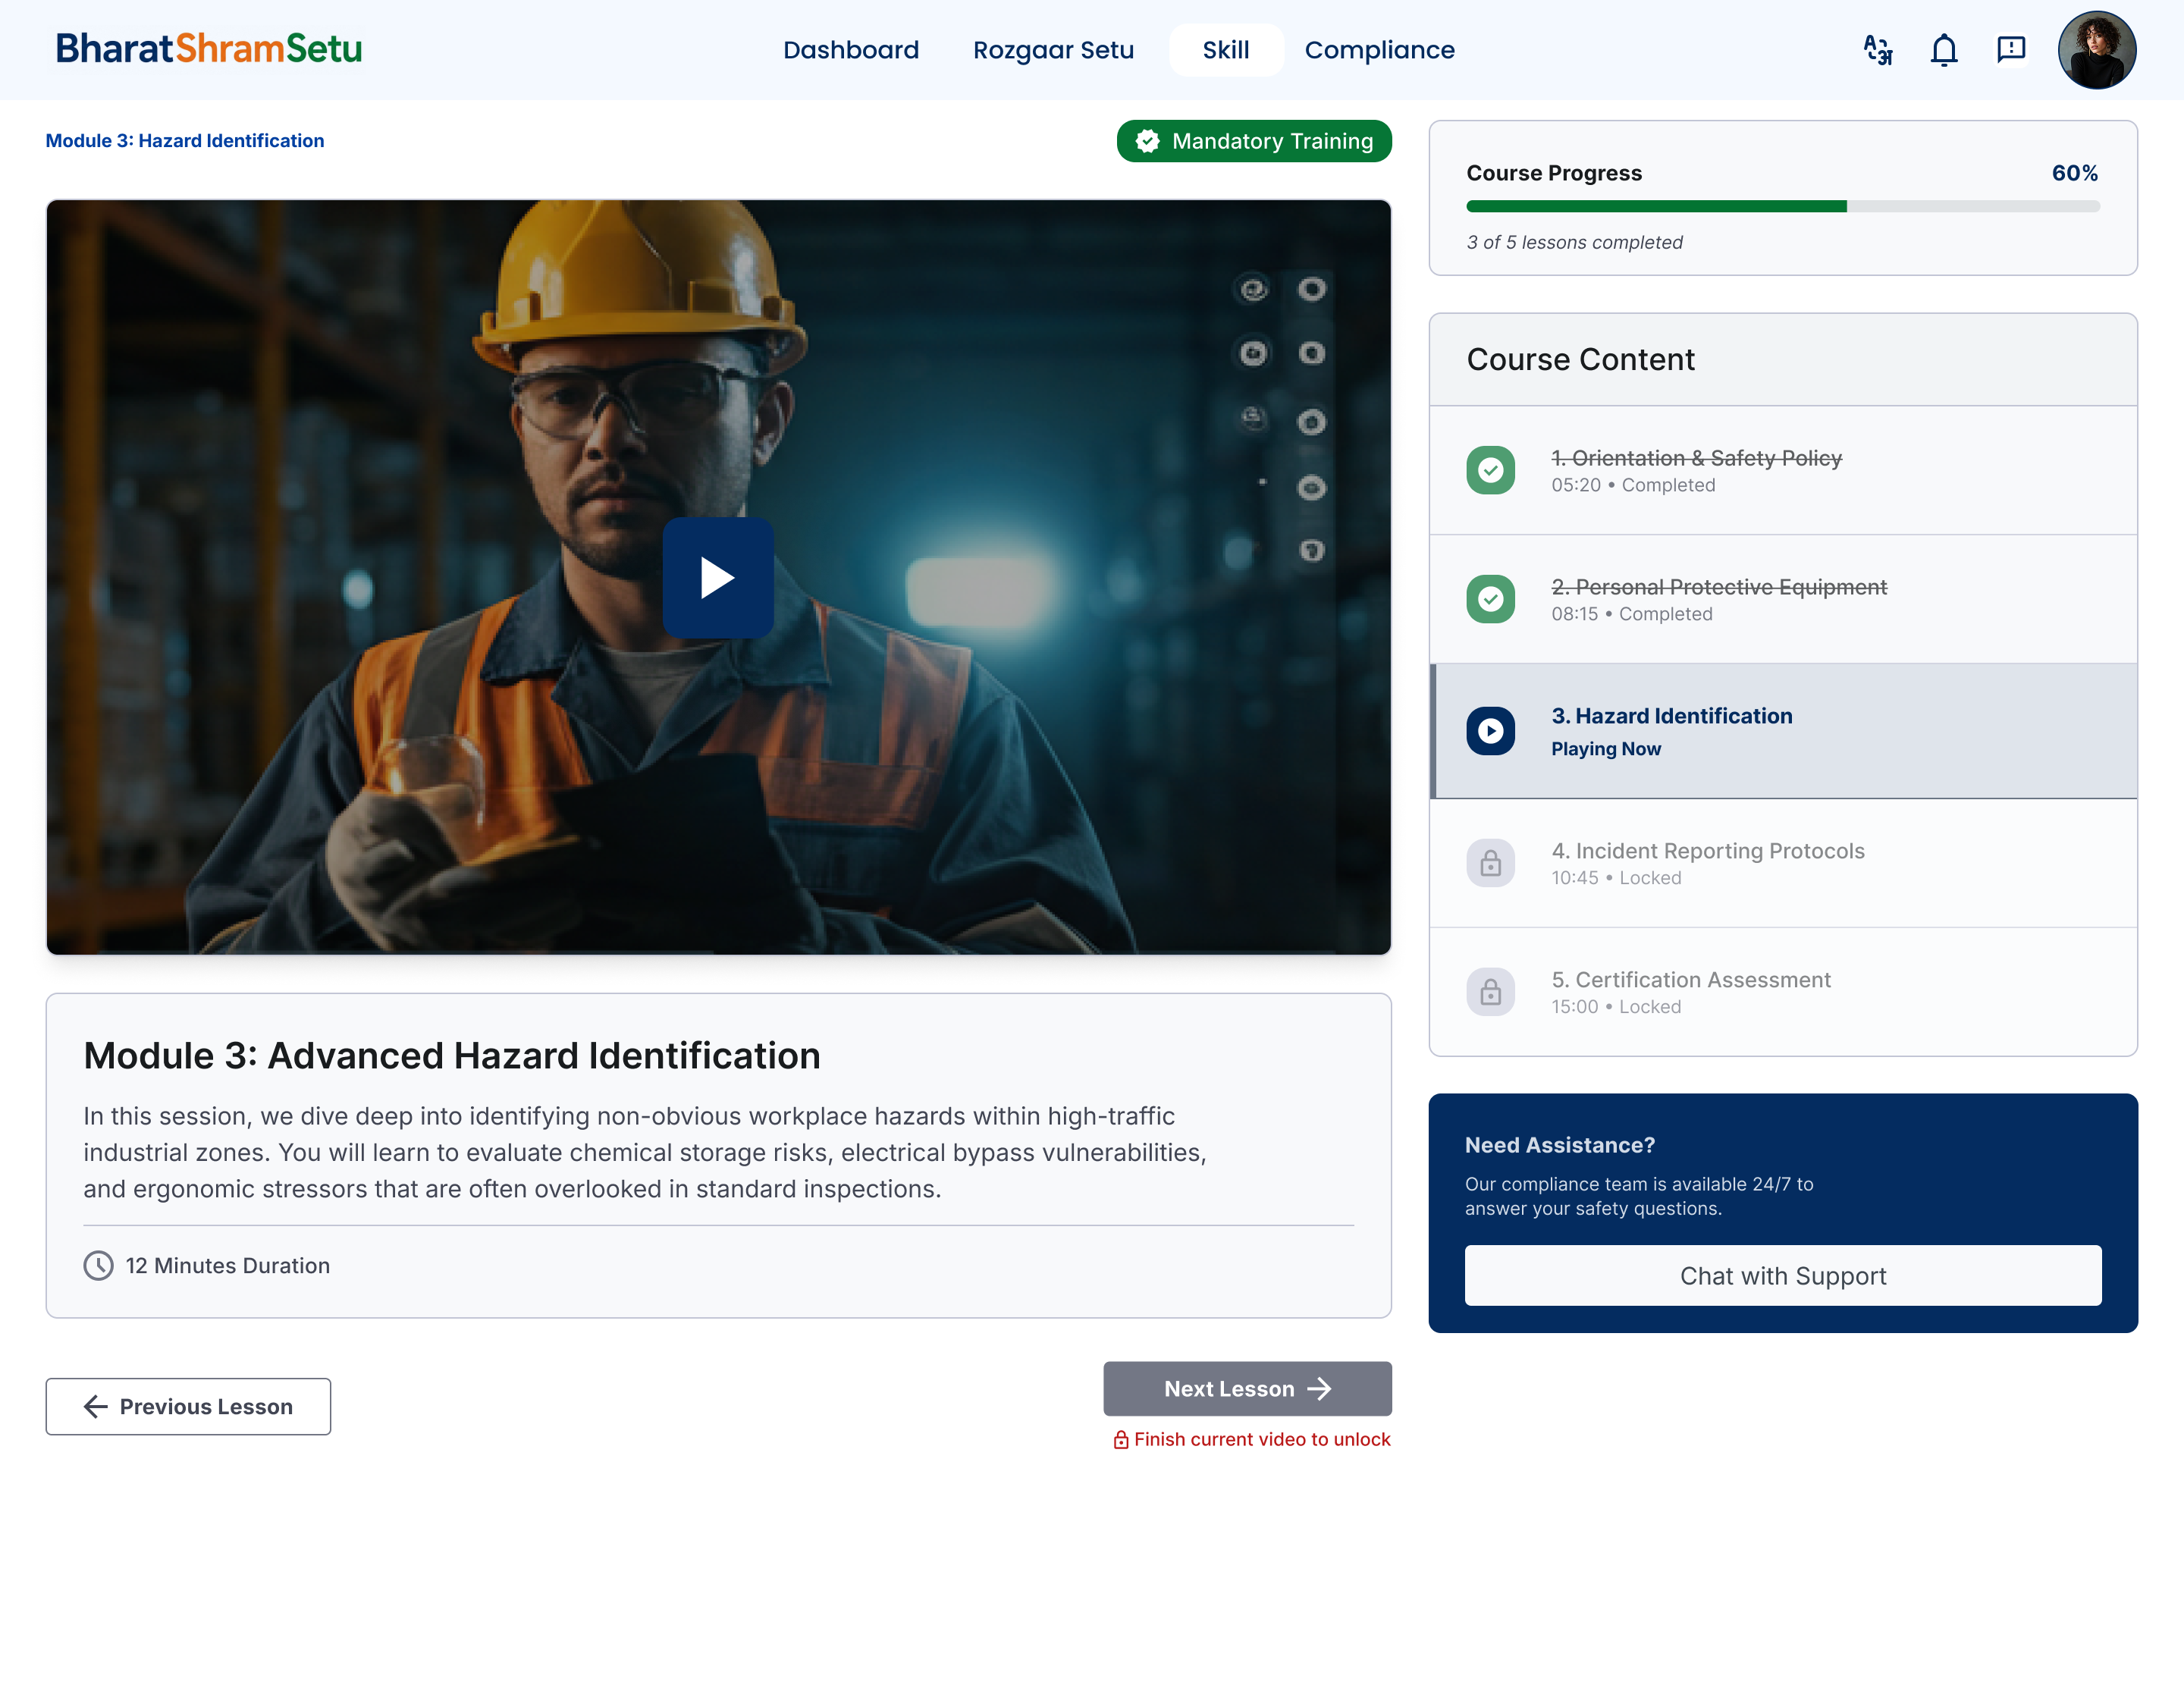
Skills

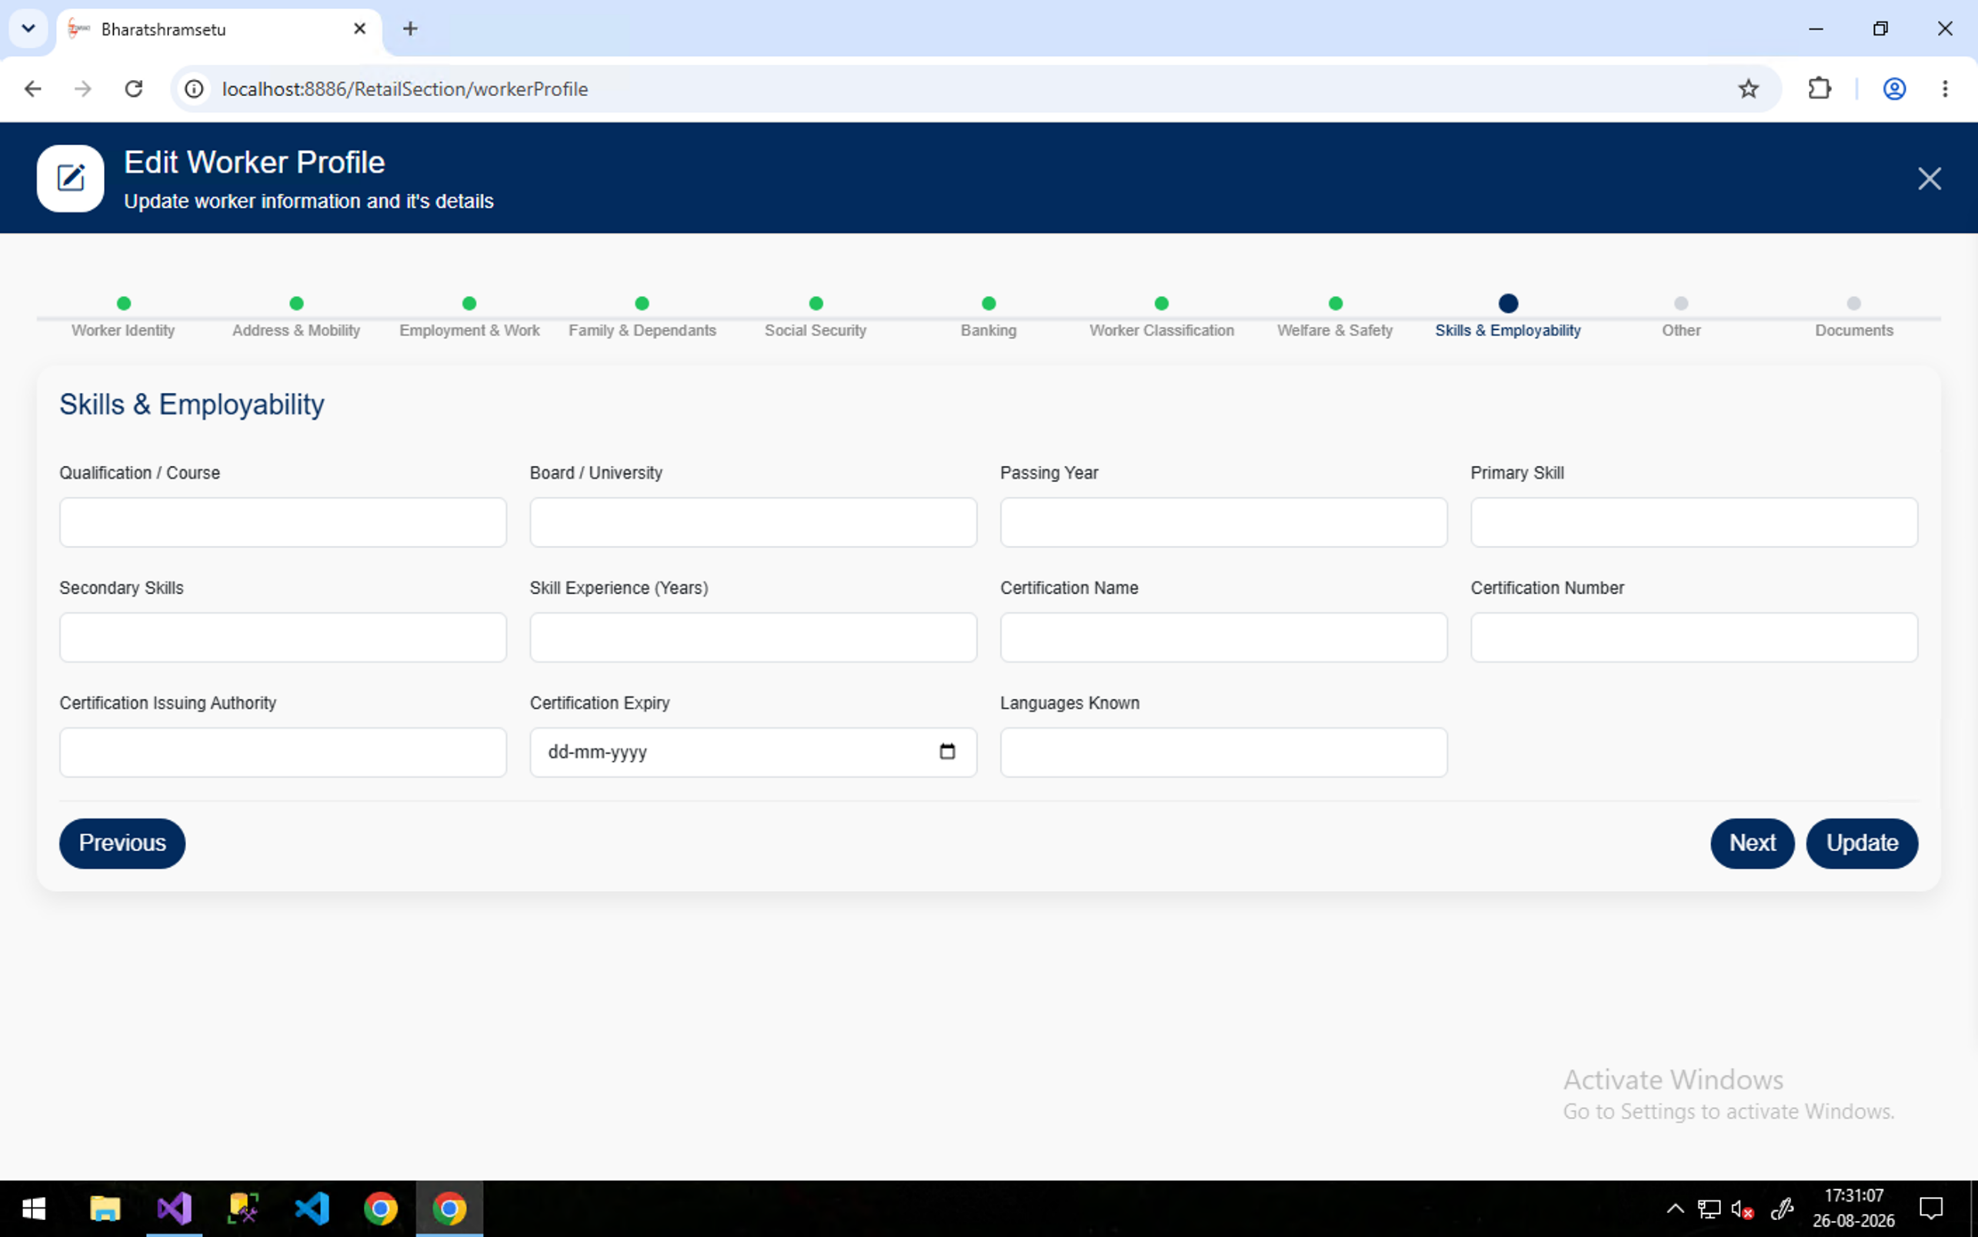


Skill Module

