Sheet1
Sno | Service | Project name | Allocated budget | Estimated budget | Screenshot
1 | EC2 | Flight Ticketing predictor | 200$ - 3 months | 195$ - 3 months | 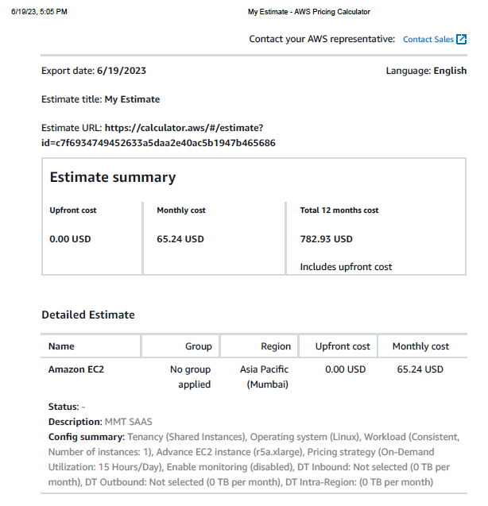

2 | Lambda | - | - | 174$ - 3 months | 