pivot table
 | Total
Brazil | 4571315
China | 6159432
United States | 17893201
Brazil | 3322831
China | 5971702
United States | 18587686
Brazil | 3699172
China | 6087116
United States | 15973969
Brazil | 4019834
China | 6595280
United States | 20335827
(blank)
Row Labels | Sum of Annual Salary | Row Labels | Sum of Bonus %
Female | 58178745 | Brazil | 12.06 | Row Labels | Sum of Annual Salary
Male | 55038620 | Manaus | 3.71 | Corporate | 28623948
(blank) |  | Accounting | 0.09 | Brazil | 4571315
Grand Total | 113217365 | Corporate | 0 | China | 6159432
 |  | Manufacturing | 0 | United States | 17893201
 |  | Speciality Products | 0.09 | Manufacturing | 27882219
 |  | Engineering | 0.86 | Brazil | 3322831
 |  | Manufacturing | 0 | China | 5971702
 |  | Research & Development | 0.5 | United States | 18587686
 |  | Speciality Products | 0.36 | Research & Development | 25760257
 |  | Finance | 0.63 | Brazil | 3699172
 |  | Corporate | 0.13 | China | 6087116
 |  | Manufacturing | 0.15 | United States | 15973969
 |  | Research & Development | 0.3 | Speciality Products | 30950941
 |  | Speciality Products | 0.05 | Brazil | 4019834
 |  | Human Resources | 0.28 | China | 6595280
 |  | Corporate | 0.11 | United States | 20335827
 |  | Manufacturing | 0 | (blank)
 |  | Research & Development | 0 | (blank)
 |  | Speciality Products | 0.17 | Grand Total | 113217365
 |  | IT | 0.92
 |  | Corporate | 0.17
 |  | Manufacturing | 0.43
 |  | Research & Development | 0.32
 |  | Marketing | 0.93
 |  | Corporate | 0.34
 |  | Manufacturing | 0.36
 |  | Research & Development | 0.23
 |  | Sales | 0
 |  | Corporate | 0
 |  | Research & Development | 0
 |  | Speciality Products | 0
 |  | Rio de Janerio | 3.4
 |  | Accounting | 0.55
 |  | Corporate | 0.4
 |  | Manufacturing | 0
 |  | Research & Development | 0
 |  | Speciality Products | 0.15
 |  | Engineering | 1.11
 |  | Corporate | 0.64
 |  | Manufacturing | 0.12
 |  | Research & Development | 0.11
 |  | Speciality Products | 0.24
 |  | Finance | 0.46
 |  | Corporate | 0.35
 |  | Manufacturing | 0.11
 |  | Human Resources | 0.12
 |  | Corporate | 0.06
 |  | Manufacturing | 0.06
 |  | Research & Development | 0
 |  | Speciality Products | 0
 |  | IT | 0.47
 |  | Corporate | 0
 |  | Manufacturing | 0.09
 |  | Research & Development | 0.28
 |  | Speciality Products | 0.1
 |  | Marketing | 0.15
 |  | Manufacturing | 0.15
 |  | Research & Development | 0
 |  | Speciality Products | 0
 |  | Sales | 0.54
 |  | Corporate | 0.24
 |  | Manufacturing | 0
 |  | Research & Development | 0.3
 |  | Sao Paulo | 4.95
 |  | Accounting | 0
 |  | Manufacturing | 0
 |  | Research & Development | 0
 |  | Engineering | 0.95
 |  | Corporate | 0.44
 |  | Manufacturing | 0
 |  | Research & Development | 0.51
 |  | Speciality Products | 0
 |  | Finance | 0.47
 |  | Corporate | 0.33
 |  | Manufacturing | 0
 |  | Research & Development | 0.09
 |  | Speciality Products | 0.05
 |  | Human Resources | 1.46
 |  | Corporate | 0.54
 |  | Manufacturing | 0.13
 |  | Research & Development | 0.15
 |  | Speciality Products | 0.64
 |  | IT | 0.19
 |  | Manufacturing | 0.09
 |  | Research & Development | 0.1
 |  | Speciality Products | 0
 |  | Marketing | 0.86
 |  | Manufacturing | 0
 |  | Research & Development | 0.4
 |  | Speciality Products | 0.46
 |  | Sales | 1.02
 |  | Corporate | 0.52
 |  | Manufacturing | 0
 |  | Speciality Products | 0.5
 |  | China | 18.52
 |  | Beijing | 4.34
 |  | Accounting | 0.23
 |  | Research & Development | 0
 |  | Speciality Products | 0.23
 |  | Engineering | 0.51
 |  | Corporate | 0
 |  | Manufacturing | 0
 |  | Research & Development | 0
 |  | Speciality Products | 0.51
 |  | Finance | 0.64
 |  | Corporate | 0.07
 |  | Manufacturing | 0.12
 |  | Speciality Products | 0.45
 |  | Human Resources | 1.54
 |  | Corporate | 0.58
 |  | Manufacturing | 0.3
 |  | Research & Development | 0.19
 |  | Speciality Products | 0.47
 |  | IT | 0.68
 |  | Corporate | 0.34
 |  | Manufacturing | 0.11
 |  | Research & Development | 0.23
 |  | Speciality Products | 0
 |  | Marketing | 0.67
 |  | Corporate | 0
 |  | Manufacturing | 0.3
 |  | Speciality Products | 0.37
 |  | Sales | 0.07
 |  | Corporate | 0
 |  | Manufacturing | 0
 |  | Research & Development | 0.07
 |  | Speciality Products | 0
 |  | Chengdu | 3.32
 |  | Accounting | 0.54
 |  | Manufacturing | 0.25
 |  | Research & Development | 0
 |  | Speciality Products | 0.29
 |  | Engineering | 0.82
 |  | Manufacturing | 0.34
 |  | Research & Development | 0
 |  | Speciality Products | 0.48
 |  | Finance | 0.07
 |  | Corporate | 0.07
 |  | Research & Development | 0
 |  | Speciality Products | 0
 |  | Human Resources | 0.6
 |  | Manufacturing | 0.32
 |  | Research & Development | 0.07
 |  | Speciality Products | 0.21
 |  | IT | 0.78
 |  | Corporate | 0.07
 |  | Manufacturing | 0.2
 |  | Research & Development | 0.46
 |  | Speciality Products | 0.05
 |  | Marketing | 0.28
 |  | Corporate | 0.13
 |  | Manufacturing | 0
 |  | Research & Development | 0.15
 |  | Speciality Products | 0
 |  | Sales | 0.23
 |  | Corporate | 0.23
 |  | Chongqing | 6.04
 |  | Accounting | 0.46
 |  | Corporate | 0.34
 |  | Research & Development | 0.12
 |  | Engineering | 0.4
 |  | Manufacturing | 0.4
 |  | Research & Development | 0
 |  | Speciality Products | 0
 |  | Finance | 1.54
 |  | Corporate | 0.55
 |  | Manufacturing | 0.16
 |  | Research & Development | 0.52
 |  | Speciality Products | 0.31
 |  | Human Resources | 0.6
 |  | Corporate | 0
 |  | Manufacturing | 0.6
 |  | Research & Development | 0
 |  | Speciality Products | 0
 |  | IT | 0.28
 |  | Corporate | 0
 |  | Manufacturing | 0.08
 |  | Research & Development | 0.05
 |  | Speciality Products | 0.15
 |  | Marketing | 2.01
 |  | Corporate | 1.25
 |  | Manufacturing | 0.14
 |  | Research & Development | 0.31
 |  | Speciality Products | 0.31
 |  | Sales | 0.75
 |  | Corporate | 0.16
 |  | Manufacturing | 0.1
 |  | Research & Development | 0.18
 |  | Speciality Products | 0.31
 |  | Shanghai | 4.82
 |  | Accounting | 0.24
 |  | Manufacturing | 0.12
 |  | Research & Development | 0
 |  | Speciality Products | 0.12
 |  | Engineering | 0.24
 |  | Corporate | 0.1
 |  | Manufacturing | 0
 |  | Research & Development | 0
 |  | Speciality Products | 0.14
 |  | Finance | 0.92
 |  | Corporate | 0.48
 |  | Manufacturing | 0
 |  | Research & Development | 0.3
 |  | Speciality Products | 0.14
 |  | Human Resources | 0.34
 |  | Corporate | 0.23
 |  | Manufacturing | 0
 |  | Research & Development | 0.11
 |  | IT | 0.92
 |  | Corporate | 0.05
 |  | Manufacturing | 0
 |  | Research & Development | 0.78
 |  | Speciality Products | 0.09
 |  | Marketing | 1.2
 |  | Corporate | 0.31
 |  | Manufacturing | 0.16
 |  | Research & Development | 0.51
 |  | Speciality Products | 0.22
 |  | Sales | 0.96
 |  | Corporate | 0.06
 |  | Manufacturing | 0.51
 |  | Research & Development | 0.32
 |  | Speciality Products | 0.07
 |  | United States | 58.08
 |  | Austin | 9.61
 |  | Accounting | 1.82
 |  | Corporate | 0.81
 |  | Manufacturing | 0.38
 |  | Research & Development | 0.26
 |  | Speciality Products | 0.37
 |  | Engineering | 1.08
 |  | Corporate | 0.65
 |  | Manufacturing | 0
 |  | Research & Development | 0.14
 |  | Speciality Products | 0.29
 |  | Finance | 1.38
 |  | Corporate | 0.77
 |  | Manufacturing | 0.13
 |  | Speciality Products | 0.48
 |  | Human Resources | 1.52
 |  | Manufacturing | 0.44
 |  | Research & Development | 0.98
 |  | Speciality Products | 0.1
 |  | IT | 1.55
 |  | Corporate | 0.43
 |  | Manufacturing | 0.26
 |  | Research & Development | 0.49
 |  | Speciality Products | 0.37
 |  | Marketing | 0.73
 |  | Corporate | 0.32
 |  | Manufacturing | 0
 |  | Speciality Products | 0.41
 |  | Sales | 1.53
 |  | Corporate | 0
 |  | Manufacturing | 0.45
 |  | Research & Development | 0.14
 |  | Speciality Products | 0.94
 |  | Chicago | 7.9
 |  | Accounting | 1.07
 |  | Manufacturing | 0.05
 |  | Research & Development | 0.68
 |  | Speciality Products | 0.34
 |  | Engineering | 0.89
 |  | Corporate | 0.12
 |  | Manufacturing | 0.39
 |  | Research & Development | 0.28
 |  | Speciality Products | 0.1
 |  | Finance | 2.04
 |  | Corporate | 0.55
 |  | Manufacturing | 0
 |  | Research & Development | 0.57
 |  | Speciality Products | 0.92
 |  | Human Resources | 0.66
 |  | Corporate | 0.37
 |  | Manufacturing | 0.14
 |  | Research & Development | 0.15
 |  | Speciality Products | 0
 |  | IT | 1.05
 |  | Corporate | 0.45
 |  | Manufacturing | 0.24
 |  | Research & Development | 0.05
 |  | Speciality Products | 0.31
 |  | Marketing | 1.39
 |  | Corporate | 0.67
 |  | Manufacturing | 0
 |  | Research & Development | 0.31
 |  | Speciality Products | 0.41
 |  | Sales | 0.8
 |  | Corporate | 0.73
 |  | Manufacturing | 0
 |  | Research & Development | 0.07
 |  | Speciality Products | 0
 |  | Columbus | 11.41
 |  | Accounting | 1.34
 |  | Corporate | 0.36
 |  | Manufacturing | 0.49
 |  | Research & Development | 0.29
 |  | Speciality Products | 0.2
 |  | Engineering | 1.48
 |  | Corporate | 0.3
 |  | Manufacturing | 0.36
 |  | Research & Development | 0.34
 |  | Speciality Products | 0.48
 |  | Finance | 0.66
 |  | Corporate | 0
 |  | Manufacturing | 0
 |  | Research & Development | 0.44
 |  | Speciality Products | 0.22
 |  | Human Resources | 1.92
 |  | Corporate | 0.73
 |  | Manufacturing | 0.53
 |  | Speciality Products | 0.66
 |  | IT | 1.62
 |  | Corporate | 0.64
 |  | Manufacturing | 0.31
 |  | Research & Development | 0.28
 |  | Speciality Products | 0.39
 |  | Marketing | 1.75
 |  | Corporate | 0.91
 |  | Manufacturing | 0.16
 |  | Research & Development | 0.16
 |  | Speciality Products | 0.52
 |  | Sales | 2.64
 |  | Corporate | 0.37
 |  | Manufacturing | 0.73
 |  | Research & Development | 1.08
 |  | Speciality Products | 0.46
 |  | Miami | 10.05
 |  | Accounting | 2.11
 |  | Corporate | 0.87
 |  | Manufacturing | 0.56
 |  | Research & Development | 0.32
 |  | Speciality Products | 0.36
 |  | Engineering | 0.88
 |  | Corporate | 0
 |  | Manufacturing | 0.28
 |  | Research & Development | 0.23
 |  | Speciality Products | 0.37
 |  | Finance | 1.25
 |  | Corporate | 0.41
 |  | Manufacturing | 0.09
 |  | Research & Development | 0.6
 |  | Speciality Products | 0.15
 |  | Human Resources | 1.21
 |  | Corporate | 0.06
 |  | Manufacturing | 0.32
 |  | Research & Development | 0
 |  | Speciality Products | 0.83
 |  | IT | 1.82
 |  | Corporate | 0.1
 |  | Manufacturing | 0.71
 |  | Research & Development | 0.65
 |  | Speciality Products | 0.36
 |  | Marketing | 2.24
 |  | Corporate | 0.37
 |  | Manufacturing | 0.4
 |  | Research & Development | 0.37
 |  | Speciality Products | 1.1
 |  | Sales | 0.54
 |  | Corporate | 0.1
 |  | Manufacturing | 0.33
 |  | Research & Development | 0.11
 |  | Speciality Products | 0
 |  | Phoenix | 8.13
 |  | Accounting | 0.7
 |  | Corporate | 0.13
 |  | Manufacturing | 0.31
 |  | Research & Development | 0.14
 |  | Speciality Products | 0.12
 |  | Engineering | 0.52
 |  | Corporate | 0.11
 |  | Manufacturing | 0
 |  | Research & Development | 0.14
 |  | Speciality Products | 0.27
 |  | Finance | 0.98
 |  | Corporate | 0.27
 |  | Manufacturing | 0.31
 |  | Research & Development | 0.2
 |  | Speciality Products | 0.2
 |  | Human Resources | 1.63
 |  | Corporate | 0.26
 |  | Manufacturing | 0.21
 |  | Research & Development | 0.33
 |  | Speciality Products | 0.83
 |  | IT | 1.19
 |  | Corporate | 0.1
 |  | Manufacturing | 0.4
 |  | Research & Development | 0.14
 |  | Speciality Products | 0.55
 |  | Marketing | 1.48
 |  | Corporate | 0.45
 |  | Manufacturing | 0.22
 |  | Research & Development | 0.67
 |  | Speciality Products | 0.14
 |  | Sales | 1.63
 |  | Corporate | 0.42
 |  | Manufacturing | 0.56
 |  | Research & Development | 0.24
 |  | Speciality Products | 0.41
 |  | Seattle | 10.98
 |  | Accounting | 1.54
 |  | Corporate | 0.05
 |  | Manufacturing | 0.43
 |  | Research & Development | 0.29
 |  | Speciality Products | 0.77
 |  | Engineering | 1.58
 |  | Corporate | 0
 |  | Manufacturing | 1.27
 |  | Research & Development | 0
 |  | Speciality Products | 0.31
 |  | Finance | 2.35
 |  | Corporate | 1.29
 |  | Manufacturing | 0.47
 |  | Research & Development | 0.41
 |  | Speciality Products | 0.18
 |  | Human Resources | 1.53
 |  | Corporate | 0.8
 |  | Manufacturing | 0
 |  | Research & Development | 0
 |  | Speciality Products | 0.73
 |  | IT | 1.74
 |  | Corporate | 0
 |  | Manufacturing | 0.19
 |  | Research & Development | 0.49
 |  | Speciality Products | 1.06
 |  | Marketing | 1.22
 |  | Corporate | 0
 |  | Manufacturing | 0.31
 |  | Research & Development | 0.37
 |  | Speciality Products | 0.54
 |  | Sales | 1.02
 |  | Corporate | 0
 |  | Manufacturing | 0.61
 |  | Research & Development | 0.23
 |  | Speciality Products | 0.18
 |  | (blank)
 |  | (blank)
 |  | (blank)
 |  | (blank)
 |  | Grand Total | 88.66

RelativeVsAbsolute
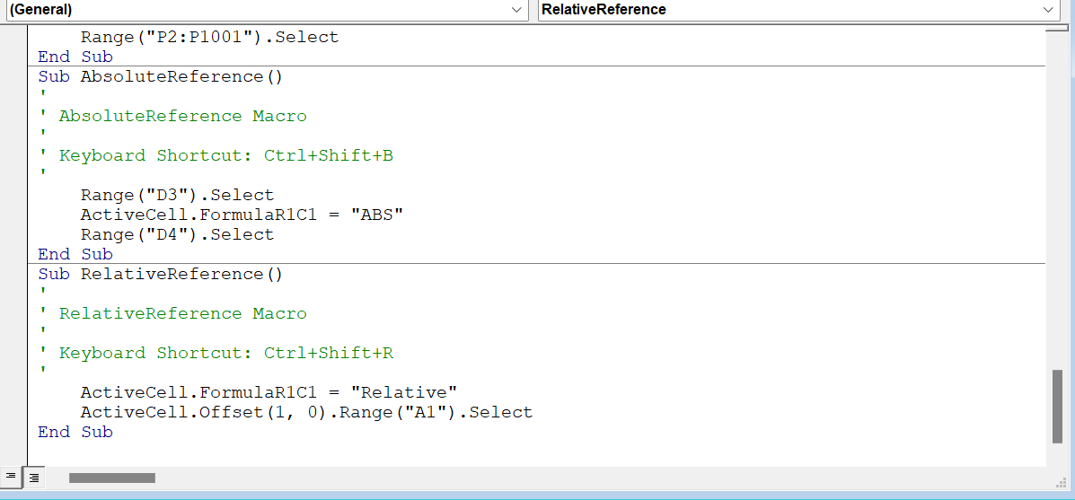
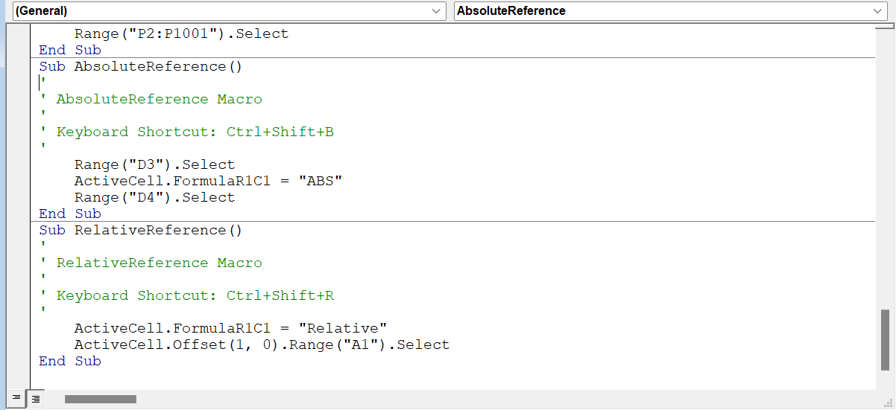
ABS

 |  | Relative

 | Relative

