DAY 2
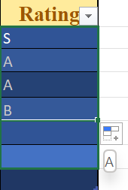
THIS INCLUDES COMPARISION OF RANGE VS STRUCTURED REFERENCE,FREEZED PANES,SLICER,AUTO,CUSTOM & FLASH FILLS

NORMAL Table Programming World |  |  |  |  |  |  |  | EXCEL Table Programming World(Freezed Panes)
No. | Book | Author | Price |  | No. | Book | Date | Author | Surname | Rating | Price
1 | Head First Java | Katty Serria | 79 |  | 1 | Head First Java | 2023-07-08 | Katty Serria | Serria | S | 79
3 | Clean Code | Robert Martin | 42 | VS | 3 | Clean Code | 2023-07-10 | Robert Martin | Aartin | A | 42
4 | Thinking in Java | Bruce Eckel | 35 |  | 4 | Thinking in Java | 2023-07-11 | Bruce Eckel | Bckel | B | 35
5 | The Passionate Programmer | Chad Fowler | 16 |  | 5 | The Passionate Programmer | 2023-07-12 | Chad Fowler | Aowler | S | 16
Total | 208 |  |  |  | 6 | Clean Python | 2023-07-13 | Sunil Kapil | Bapil | A | 79
 |  |  |  |  | Total |  |  |  |  |  | 251

 |  |  |  |  |  | CUSTOM LIST | PRICE SLICER |  | RATING SLICER

