MCAR Results
Analysis | Miss Mech | TV Missing | Y Missing | HD Prop | Timing Effect | SE | Bias | MSE | Coverage % | Type I Error | N | Nreps
CC | Full data | 0 | 0 | 12% | -0.000173 [-0.118937, 0.118592] | 0.060594 | -0.000173 | 0.0048 | 94.66% | 5.15% | 591 | 10000
CC | 20% MCAR in Y | 0 | 0.200035 | 12% | 0.000633 [-0.133899, 0.135164] | 0.068638 | 0.000633 | 0.005 | 95.14% | 4.62% | 591 | 10000
CC | 40% MCAR in Y | 0 | 0.399838 | 12% | 0.000662 [-0.153474, 0.154798] | 0.078641 | 0.000662 | 0.0048 | 95% | 4.77% | 591 | 10000

CC | Full data | 0 | 0 | 12% | -6e-04 [-0.1168, 0.1155] | 0.0592 | -6.00E-04 | 0.0035 | 94.80% | 5% | 591 | 1000
CC | 20% MCAR in Y | 0 | 0.2 | 12% | 0.0022 [-0.1284, 0.1328] | 0.0666 | 0.0022 | 0.0044 | 95.60% | 4.40% | 591 | 1000
CC | 40% MCAR in Y | 0 | 0.3996 | 12% | 0.001 [-0.1576, 0.1595] | 0.0809 | 0.001 | 0.0047 | 94.40% | 5.30% | 591 | 1000
CC | 20% MCAR in TV & Y | 0.1997 | 0.1998 | 10% | -0.0031 [-0.138, 0.1318] | 0.0688 | -0.0031 | 0.0065 | 94.70% | 5.20% | 591 | 1000
CC | 40% MCAR in TV & Y | 0.3997 | 0.3996 | 7% | -3e-04 [-0.1553, 0.1548] | 0.0791 | -3.00E-04 | 0.0062 | 94.90% | 4.90% | 591 | 1000

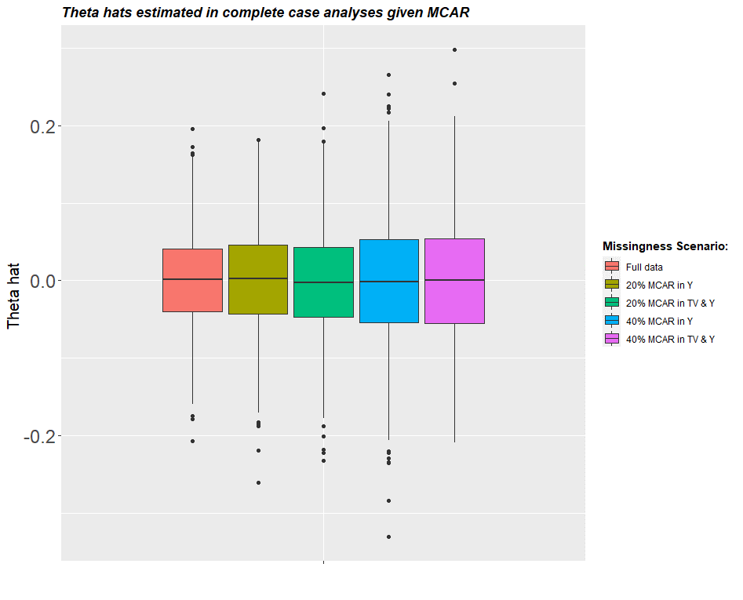
 | Theoretical SE ratio | Simulation SE ratio
 | 1.1180339887 | 1.1327524177
 | 1.2909944487 | 1.2978347691

 |  | theta | theta.se | theta.lb | theta.ub | bias | Covp | rej.prob | HD.prop | TVmissing | Ymissing | sim.type | missTV | missY | N | nreps
 |  | -0.005643072 | 0.0718271 | -0.1464242 | 0.135138 | -0.005643072 | 0.936 | 0.06 | 1 0.07151269 | 0.2582555 | 0.217631 | CC | MA | R MAR | 591 | 1000

MAR Res
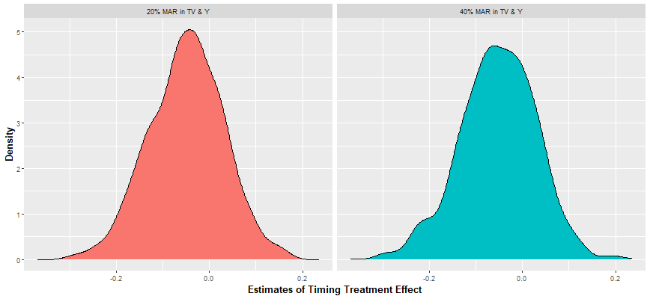
sim.type | missTV |  |  | missY | TVmissing | Ymissing | theta | theta.se |  | theta.lb | theta.ub | bias | HD.prop | N | nreps
CC | MAR |  |  | MAR | 0.2582555 | 0.2176311 | -0.005643072 | 0.0718271 |  | -0.1464242 | 0.135138 | -0.005643072 | 0.07151269 | 591 | 1000
MI | MAR |  |  | MAR | 0.2524112 | 0.2209814 | -0.01058739 | 0.06277348 |  | -0.1336234 | 0.1124486 | -0.01058739 | 0.3475296 | 591 | 40 | m=5 datasets

Results after Re-coding the Missingness models

Analysis | Mech (TV & Y) | % missing in TV | % missing in Y | Theta-hat | SE | Lower bound | Upper bound | Bias | Z-stat | Coverage | Type 1 error | % Non-responders | N | Reps
CC | MAR | 0.227 | 0.229 | -0.045 | 0.073 | -0.187 | 0.098 | -0.045 | -19.474 | 90.0% | 9.7% | 8.6% | 591 | 1000 |  | In full data, ~12% were non-responders
CC | MAR | 0.405 | 0.406 | -0.057 | 0.089 | -0.232 | 0.117 | -0.057 | -20.377 | 90.6% | 8.6% | 6.4% | 591 | 1000
CC | MNAR | 0.226 | 0.232 | -0.094 | 0.074 | -0.238 | 0.050 | -0.094 | -40.391 | 75.2% | 23.8% | 8.6% | 591 | 1000
CC | MNAR | 0.405 | 0.402 | -0.121 | 0.093 | -0.304 | 0.062 | -0.121 | -41.005 | 72.7% | 25.6% | 6.3% | 591 | 1000
MI | MAR | 0.228 | 0.229 | -0.009 | 0.067 | -0.139 | 0.122 | -0.009 | -4.098 | 95.1% | 4.8% | 35.3% | 591 | 1000
MI | MAR | 0.405 | 0.406 | -0.009 | 0.071 | -0.149 | 0.130 | -0.009 | -4.083 | 97.1% | 2.8% | 35.5% | 591 | 1000
MI | MNAR | 0.226 | 0.231 | -0.027 | 0.066 | -0.155 | 0.102 | -0.027 | -12.958 | 95.4% | 4.4% | 33.7% | 591 | 1000
MI | MNAR | 0.403 | 0.402 | -0.042 | 0.068 | -0.176 | 0.092 | -0.042 | -19.539 | 95.3% | 3.9% | 33.0% | 591 | 1000

 |  |  |  |  | 4.2478356629

