Cycles
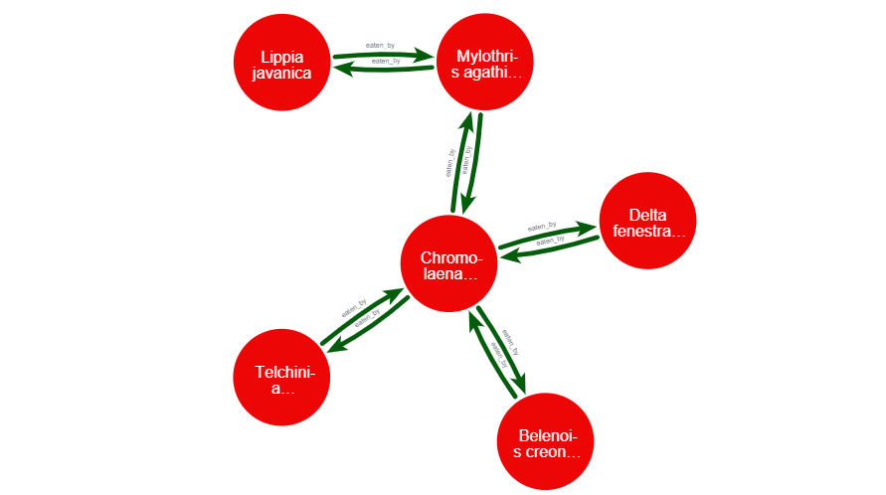
Cycles
We identified 10 cycles. At this stage, it is unclear whether these cycles represent biologically plausible relationships. We manually reviewed them, and these interactions appear suspicious or potentially incorrect. We need a validation from an expert so that we can generate more trustworthy results
Action Needed: All interactions requiring expert validation have been marked with “Yes” in the Expert Validation Required column. Please review these flagged interactions to confirm whether the relationships are valid so that incorrect links can be removed and the overall analysis remains accurate and trustworthy.

Prey scientific name | Prey common name | Prey kingdom | Predator scientific name | Predator common name | Predator kingdom | Relationship_url | My notes | Expert Validation Required | Expert Remarks
Belenois creona severina | African Common White | Animalia | Chromolaena odorata | Siam weed | Plantae | "https://www.inaturalist.org/observations/86062717" | Seems like polination; not sure if its predation | Yes
Chromolaena odorata | Siam weed | Plantae | Belenois creona severina | African Common White | Animalia | "https://www.inaturalist.org/observations/86062724" | Seems invalid interaction | Yes
Chromolaena odorata | Siam weed | Plantae | Delta fenestrale |  | Animalia | "https://www.inaturalist.org/observations/86062722" | Seems invalid interaction | Yes
Chromolaena odorata | Siam weed | Plantae | Mylothris agathina agathina | Common Dotted Border | Animalia | "https://www.inaturalist.org/observations/86062718" | Seems invalid interaction | Yes
Chromolaena odorata | Siam weed | Plantae | Telchinia serena | Dancing Amber | Animalia | "https://www.inaturalist.org/observations/86062723" | Seems invalid interaction | Yes
Delta fenestrale |  | Animalia | Chromolaena odorata | Siam weed | Plantae | "https://www.inaturalist.org/observations/86062717" | Seems like polination; not sure if its predation | Yes
Lippia javanica | Fever Tea | Plantae | Mylothris agathina agathina | Common Dotted Border | Animalia | https://www.inaturalist.org/observations/164485487 | Seems invalid interaction | Yes
Mylothris agathina agathina | Common Dotted Border | Animalia | Lippia javanica | Fever Tea | Plantae | https://www.inaturalist.org/observations/164485479 | Seems like polination; not sure if its predation | Yes
Mylothris agathina agathina | Common Dotted Border | Animalia | Chromolaena odorata | Siam weed | Plantae | "https://www.inaturalist.org/observations/86062717" | Seems like polination; not sure if its predation | Yes
Telchinia serena | Dancing Amber | Animalia | Chromolaena odorata | Siam weed | Plantae | "https://www.inaturalist.org/observations/86062717" | Seems like polination; not sure if its predation | Yes
Anguilla anguilla | European eel | Animalia | Egretta garzetta | Little egret | Animalia | "https://www.inaturalist.org/observations/86169670" | TRUE | No
Anguilla anguilla | European eel | Animalia | Larus michahellis | Yellow-legged gull | Animalia | "https://www.inaturalist.org/observations/157527462" | TRUE | No
Egretta garzetta | Little egret | Animalia | Anguilla anguilla | European eel | Animalia | "https://www.inaturalist.org/observations/86169673" | Seems invalid interaction | Yes
Larus michahellis | Yellow-legged gull | Animalia | Anguilla anguilla | European eel | Animalia | "https://www.inaturalist.org/observations/69723396" | Seems invalid interaction | Yes
Acanthacris ruficornis | Garden Locust | Animalia | Halcyon albiventris albiventris | Southern Brown-hooded Kingfisher | Animalia | https://www.inaturalist.org/observations/66415128 | TRUE | No
Halcyon albiventris albiventris | Southern Brown-hooded Kingfisher | Animalia | Acanthacris ruficornis | Garden Locust | Animalia | https://www.inaturalist.org/observations/66450578 | Seems invalid interaction | Yes
Apiomerus californicus | California Bee Assassin | Animalia | Apis mellifera | Western Honey Bee | Animalia | https://www.inaturalist.org/observations/142450505 | Seems invalid interaction | Yes
Apis mellifera | Western Honey Bee | Animalia | Apiomerus californicus | California Bee Assassin | Animalia | https://www.inaturalist.org/observations/142450506 | TRUE | No
Asclepias speciosa | showy milkweed | Plantae | Papilio rutulus | Western Tiger Swallowtail | Animalia | https://www.inaturalist.org/observations/228896748 | Pollination; Which direction should be ideal? 2 interactions (a->b, b->a) are present | Yes
Papilio rutulus | Western Tiger Swallowtail | Animalia | Asclepias speciosa | showy milkweed | Plantae | https://www.inaturalist.org/observations/228896745 | Pollination; Which direction should be ideal? 2 interactions (a->b, b->a) are present | Yes
Azanus jesous | African Babul Blue | Animalia | Dichrostachys cinerea | aroma | Plantae | https://www.inaturalist.org/observations/56967330 | Seems invalid interaction | Yes
Dichrostachys cinerea | aroma | Plantae | Azanus jesous | African Babul Blue | Animalia | https://www.inaturalist.org/observations/56967333 | TRUE | No
Bombus bifarius | Colorado Black-notched Bumble Bee | Animalia | Solidago velutina | velvety goldenrod | Plantae | https://www.inaturalist.org/observations/230630332 | Pollination; Which direction should be ideal? 2 interactions (a->b, b->a) are present | Yes
Solidago velutina | velvety goldenrod | Plantae | Bombus bifarius | Colorado Black-notched Bumble Bee | Animalia | https://www.inaturalist.org/observations/230630338 | Pollination; Which direction should be ideal? 2 interactions (a->b, b->a) are present | Yes
Geococcyx californianus | Greater Roadrunner | Animalia | Sphinx chersis | Great Ash Sphinx | Animalia | https://www.inaturalist.org/observations/250649007 | Seems invalid interaction | Yes
Sphinx chersis | Great Ash Sphinx | Animalia | Geococcyx californianus | Greater Roadrunner | Animalia | https://www.inaturalist.org/observations/250649005 | TRUE | No
Julbernardia globiflora | Mnondo | Plantae | Pilostyles aethiopica |  | Plantae | https://www.inaturalist.org/observations/149463617 | Seems invalid interaction | Yes
Pilostyles aethiopica |  | Plantae | Julbernardia globiflora | Mnondo | Plantae | https://www.inaturalist.org/observations/149463618 | Seems invalid interaction | Yes
Leucophaeus atricilla | Laughing Gull | Animalia | Trinectes maculatus | Hogchoker | Animalia | https://www.inaturalist.org/observations/150509953 | Seems invalid interaction | Yes
Trinectes maculatus | Hogchoker | Animalia | Leucophaeus atricilla | Laughing Gull | Animalia | https://www.inaturalist.org/observations/150511090 | TRUE | No
Neoscona crucifera | Spotted Orbweaver | Animalia | Tachycines asynamorus | Greenhouse Camel Cricket | Animalia | https://www.inaturalist.org/observations/135098040 | Unable to interpret | Yes
Tachycines asynamorus | Greenhouse Camel Cricket | Animalia | Neoscona crucifera | Spotted Orbweaver | Animalia | https://www.inaturalist.org/observations/135098008 | Unable to interpret | Yes

Diagram for example

