p1.1
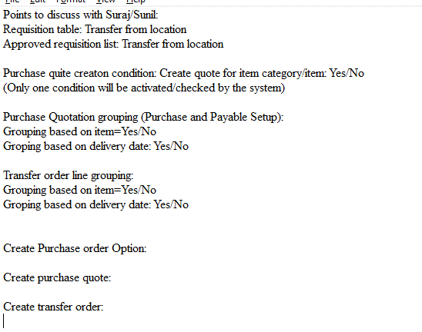
 | Purchase requisition and Workflow approval

PR | Purchse requisition required in Header and Line format.
 | One purchase requisition, with multiple item line.
 | Header level approval (Same as purchase order, All Base approval workflow and notification required).
 | Single notification and mail at Header level.

PR-Header | Two separate page for Replishment Type= Purchase and Transfer
 | Purchase requisition created by me (Preparer Filter)

 | Requisition Table
 | Replishment Type: |  |  |  |  | Requested date:
 | Purchase requisition No: |  |  |  |  | Preparer:
 | Name: |  | Single line (100 Ch) |  |  | Reason code:
 | Requester:
 | Status: |  |  |  |  | Detail: |  | Single line (250 Ch)
 | Receiving Location: |  |  |  |  | Item Category Code:
 | Transfer from Location:

PR-Line | Requisition lines
 | Type | No | Description |  |  | Quantity | UoM | Unit Price | Item Category |  | Requester | Line Status
 | Item | ITM0011 |  |  |  |  |  | ????

 | Field Detail (Header):
 | Replishment System: Purchase (Auto update from Page)
 | Purchase requisition No: No. series from Purchase and Payble setup.
 | Name: Text field (100 Ch)
 | Requester Name: Lookup from Purchaser Code/Sales person code (Show description here)
 | Requisition Status: Draft; Submit; Approved; Rejected;
 | Transaction Status: Approved (Ordered); Approved (Partially Ordered); Received; Received (Partially); Invoiced; Invoiced (Partially)
 |  | Status field should update from requisition line (If all lines are apporved, then Header Status is approved; If All lines are received then Received etc.
 | Receiving Location: Lookup from location list.
 | Transfer from Location: Refer logic of Transfer from location in Requisition worksheet.
 | Delivery date: Date on which delivery is expected.
 | Preparer: User ID of person, creating requistion.
 | Purchaser Code: Look up from User list. (Auto update from custom table)
 | Reason code: Look up from lookup list.
 | Detail: | Text field (250 ch)
 | Item Category Code: If not selected blank.

 | Field Detail (Line)
 | Type: Item; GL; FA; Comment (Refer Requistion worksheet line)
 | Item Category Code: From header.
 | No.:Item filter based on Item Category Code.
 | Description: Text field (100 Ch), update from item; GL; FA; Comment code
 | Unit of Measure Code: Refer requisition worksheet line.
 | Quantity: Number field
 | Direct Unit Cost: Refer requisition worksheet Direct Unit Cost Field (Non editable field).

 | Approved requisition wooksheet
RL-Approved | Once Approved, Requisitio worksheet is updated with approved requisition lines.
 | Page: Purchase requisition assigned to me (Purchase code filter)
 | Once requisition line is created, user cant delete the line, user can change the status Open; Purchase order Created; Quotation Created; Transfer Order Created; Canceled.

 | Type | Item Category Code | No. | Purchaser Code | Action Message | Accept Action Message | Description | Transfer from Location | Location Code | Original Quantity | Quantity | Unit of Measure Code | Direct Unit Cost | Vendor Purchase Price exist | Order Date | Original Due Date | Delivery date | Vendor No. | Replenishment System | Ref. Order Type | Ref. Order No. | Ref. Line No. | Planning Flexibility | Confirmed | Requisition Header | Requisition Line | Approved Requisition Line Status
 | Item |  | ZY001 |  |  | Yes | ItemA |  | 10MUWEH01 | X | 10 | PCS | 0 | Yes/No | 2020-07-04 |  | 2020-10-04 | V00020 | Purchase | x | x | x | x | x
 |  |  |  | (Base Requester ID) |  |  |  | (Refer Transfer from Location on Requisition worksheet) |  |  |  |  |  |  |  | (Base Due Date)

 | Requisition worksheet lines:
 | Type: From purchase requisition lines.
 | Item Category Code: Requisition line.
 | No.: From purchase requisition lines.
 | Purchaser Code: From User List (Based on custom table explained below).
 | Accept Action Message: Yes
 | Description: From requisition lines
 | Location: from purchase requisition line.
 | Transfer from location: Refer Transfer from Location on Requisition worksheet (Editable field)
 | Quantity: From Purchase requisition line.
 | Unit of Measure Code: From purchase requisition line.
 | Delivery date: From requisition line (Base due date).
 | Order date: Base Order date.
 | Vendor No.: Base vendor No.
 | Replishment system: From purchase requisition line.
 | Requisition Header: From requisition table.
 | Requisition Line: From requisition table.
 | Apporved requisition line Status: Once requisition line is created, user cant delete the line, user can change the status to Cancel (Other status =Open; Purchase order Created; Quote Created; Transfer Order Created; Canceled).

PT | Purchaser table:
 | Location | Item Category | Purchaser Code

 |  | Priority1: Location + Item Category
 |  | Priority2: Location
 |  | Prioroty3: Item Category
 |  | Priority4: Blank

Quote | Condition to create quote (from Purchase and Payable Setup):
 | Condition 1: Create quote for all = Yes/No
 | Condition 2: Create quote for item category/item: Yes/No
 | Condition 3: Vendor Trade Agreement exist = Yes/No"
 | (Only one condition will be activated/checked by the system)

Grouping: | Purchase order line grouping (Purchase and Payable Setup):
 | Grouping based on item=Yes/No
 | Groping based on delivery date: Yes/No

 | Purchase Quote line grouping (Purchase and Payable Setup):
 | Grouping based on item=Yes/No
 | Groping based on delivery date: Yes/No

 | Transfer order line grouping:
 | Grouping based on item=Yes/No
 | Groping based on delivery date: Yes/No

 | Update fields same as Purchase order.

 | When user click on button to create document:
 | System should show one option box:

 | Create Purchase order:
 | Purchase order header grouping:
 |  | Replishment Type: Purchase Order
 |  | Vendor: Separate Order for each vendor
 |  | Location: Separate Order for each location.
 |  | Order Date From: (Editable)
 |  | Order Date To: (Editable)

 | Purchase order line grouping:
 |  | Item: Yes/No (From Purchase and Payable Setup (Editable)
 |  | Delivery Date: Yes/No (From Purchase and Payable Setup (Editable)

 | Create purchase quote:
 | Purchase quite will be created for the item lines (approved requisition lines) manually selected by user. If user want to create single quote, for multiple item, user have to select the items manually.
 | Purchase quote header grouping:
 |  | Replishment Type: Purchase Quote
 |  | Vendor: Separate quote for each vendor
 |  | Location: Separate quote for each location.

 | Purchase quote line grouping:
 | Item: Yes/No (From Purchase and Payable Setup (Editable)
 | Delivery Date: Yes/No (From Purchase and Payable Setup (Editable)

 | Create Transfer order:
 | Purchase quote header grouping:
 |  | Replishment Type: Transfer order
 |  | Transfer from location & Transfer To Location:
 |  | Order Date From: (Editable)
 |  | Order Date To: (Editable)

 | Transfer order line grouping:
 | Item: Yes/No (From Purchase and Payable Setup (Editable)
 | Delivery Date: Yes/No (From Purchase and Payable Setup (Editable)

