Positive Top 10
Stock | Total Score | Positive | Neutral | Negative
$C | 11 | 11 | 1 | 0
$AAL | 3 | 5 | 4 | 2
$AAPL | 2 | 4 | 4 | 2
$SPY | 2 | 4 | 2 | 2
$YHOO | 2 | 3 | 4 | 1
$WBMD | 2 | 2 | 0 | 0
$GDP | 2 | 2 | 0 | 0
Top Stock Recommendations (Buy)
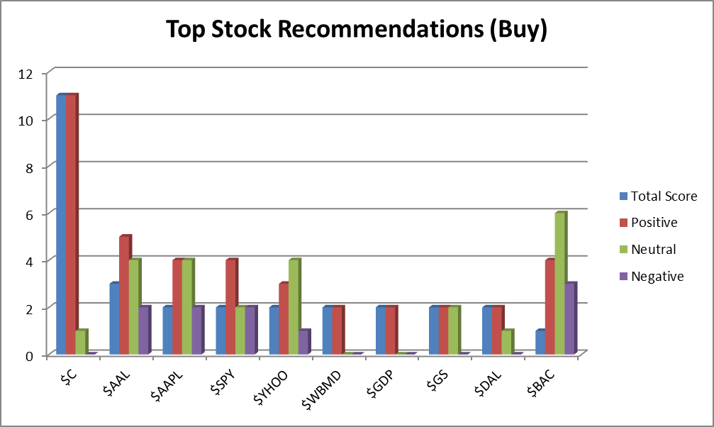
$GS | 2 | 2 | 2 | 0
$DAL | 2 | 2 | 1 | 0
$BAC | 1 | 4 | 6 | 3
$LNKD | 1 | 2 | 3 | 1
$INTC | 1 | 1 | 1 | 0
$TLT | 1 | 1 | 0 | 0
$WAG | 1 | 1 | 0 | 0
$JBLU | 1 | 1 | 0 | 0
$CBI | 1 | 1 | 0 | 0
$GT | 1 | 1 | 0 | 0
$HTZ | 1 | 1 | 0 | 0
$URI | 1 | 1 | 0 | 0
$ABX | 1 | 1 | 0 | 0
$CNQ | 1 | 1 | 0 | 0
$DE | 1 | 1 | 1 | 0
$GM | 1 | 1 | 0 | 0
$MET | 1 | 1 | 0 | 0
$NSRGY | 1 | 1 | 0 | 0
$SPG | 1 | 1 | 0 | 0
$WYNN | 1 | 1 | 0 | 0
$BA | 1 | 1 | 0 | 0
$MGM | 1 | 1 | 0 | 0
$EXPR | 1 | 1 | 1 | 0
$JOSB | 1 | 1 | 0 | 0
$OXGN | 1 | 1 | 0 | 0
$JIVE | 1 | 1 | 0 | 0
$CLGX | 1 | 1 | 0 | 0
$AWH | 1 | 1 | 0 | 0
$GAIN | 1 | 1 | 0 | 0
$CIE | 1 | 1 | 0 | 0
$RYN | 1 | 1 | 0 | 0
$HIT | 1 | 1 | 0 | 0
$AIG | 1 | 1 | 0 | 0
$NBG | 1 | 1 | 0 | 0
$AKS | 1 | 1 | 0 | 0
$IGT | 1 | 1 | 0 | 0
$AVP | 1 | 1 | 0 | 0
$DRQ | 1 | 1 | 0 | 0
$CA | 1 | 1 | 0 | 0
$NOC | 1 | 1 | 0 | 0
$TNX | 1 | 1 | 0 | 0
$ZC | 1 | 1 | 0 | 0
$STUDY | 1 | 1 | 0 | 0
$MW | 0 | 2 | 5 | 2
$LUV | 0 | 1 | 2 | 1
$UAL | 0 | 1 | 1 | 1
$SPX | 0 | 1 | 0 | 1
$SSNLF | 0 | 0 | 1 | 0
$JNJ | 0 | 0 | 1 | 0
$WFC | 0 | 0 | 1 | 0
$USO | 0 | 0 | 1 | 0
$HA | 0 | 0 | 1 | 0
$GILD | 0 | 0 | 1 | 0
$dang | 0 | 0 | 1 | 0
$litb | 0 | 0 | 1 | 0
$fnma | 0 | 0 | 1 | 0
$MCP | 0 | 0 | 1 | 0
$GSS | 0 | 0 | 1 | 0
$tvix | 0 | 0 | 1 | 0
$GSAT | 0 | 0 | 1 | 0
$mm | 0 | 0 | 1 | 0
$ERIC | 0 | 0 | 1 | 0
$PAY | 0 | 0 | 1 | 0
$GLUU | 0 | 0 | 1 | 0
$ATVI | 0 | 0 | 1 | 0
$RAD | 0 | 0 | 1 | 0
$NUS | 0 | 0 | 1 | 0
$CVX | 0 | 0 | 1 | 0
$BK | 0 | 0 | 1 | 0
$VMW | 0 | 0 | 1 | 0
$INFN | 0 | 0 | 1 | 0
$CNTF | 0 | 0 | 1 | 0
$SNTA | 0 | 0 | 1 | 0
$PBR | 0 | 0 | 1 | 0
$HLF | 0 | 0 | 1 | 0
$HCHC | 0 | 0 | 1 | 0
$ERBB | 0 | 0 | 1 | 0
$ENTA | 0 | 0 | 1 | 0
$FMI | 0 | 0 | 1 | 0
$TDS | 0 | 0 | 1 | 0
$NUAN | 0 | 0 | 1 | 0
$AGNC | 0 | 0 | 1 | 0
$UNP | 0 | 0 | 1 | 0
$IBM | 0 | 0 | 1 | 0
$JPM | 0 | 0 | 1 | 0
$MS | 0 | 0 | 1 | 0
$GNW | 0 | 0 | 1 | 0
$V | 0 | 0 | 1 | 0
$AXP | 0 | 0 | 1 | 0
$OII | 0 | 0 | 1 | 0
$SSO | 0 | 0 | 1 | 0
$ULTA | 0 | 0 | 1 | 0
$ROP | 0 | 0 | 1 | 0
$CI | 0 | 0 | 1 | 0
$CMP | 0 | 0 | 1 | 0
$RRC | 0 | 0 | 1 | 0
$MSFT | 0 | 0 | 2 | 0
$GRFS | 0 | 0 | 1 | 0
$ARRS | 0 | 0 | 1 | 0
$ACT | 0 | 0 | 1 | 0
$ANIK | 0 | 0 | 1 | 0
$QQQ | 0 | 0 | 1 | 0
$IBB | 0 | 0 | 1 | 0
$CREE | 0 | 0 | 1 | 0
$DLTR | 0 | 0 | 1 | 0
$KMI | 0 | 0 | 1 | 0
$KO | -1 | 0 | 1 | 1
$P | -1 | 0 | 1 | 1
$EMC | -1 | 0 | 0 | 1
$ZNGA | -1 | 0 | 0 | 1
$VOY | -1 | 0 | 0 | 1
$ALK | -1 | 0 | 0 | 1
$WJA | -1 | 0 | 0 | 1
$AC | -1 | 0 | 0 | 1
$XLF | -1 | 0 | 1 | 1
$MDY | -1 | 0 | 0 | 1
$AMTD | -1 | 0 | 0 | 1
$FEYE | -1 | 0 | 0 | 1
$EBAY | -1 | 0 | 0 | 1
$PPH | -1 | 0 | 0 | 1
$SCTY | -1 | 0 | 0 | 1
$IWM | -1 | 0 | 0 | 1
$PCLN | -2 | 2 | 1 | 4
$GTAT | -2 | 0 | 0 | 2
$KRE | -2 | 0 | 0 | 2
$YELP | -2 | 0 | 0 | 2
$GOOGL | -3 | 0 | 1 | 3
$TSLA | -4 | 4 | 6 | 8
$TWTR | -5 | 5 | 8 | 10
$AMZN | -5 | 3 | 3 | 8
$FB | -6 | 5 | 12 | 11
$GOOG | -6 | 3 | 10 | 9
$NFLX | -7 | 2 | 1 | 9

Negative Top 10
Stock | Total Score | Positive | Neutral | Negative
$NFLX | -7 | 2 | 1 | 9
$FB | -6 | 5 | 12 | 11
$GOOG | -6 | 3 | 10 | 9
$TWTR | -5 | 5 | 8 | 10
Top Stock Recommendations (Sell)
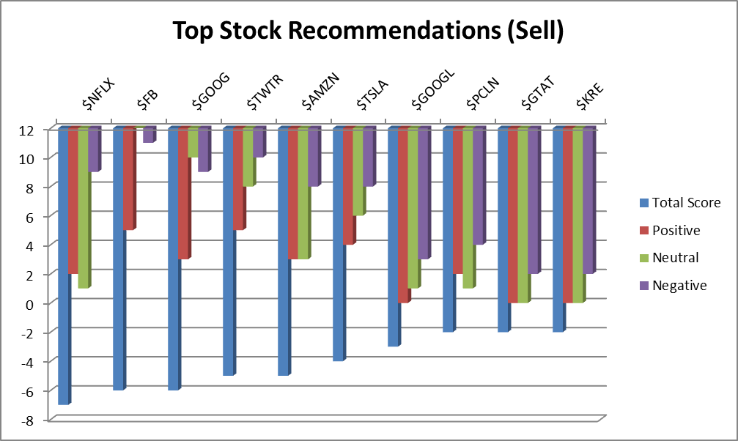
$AMZN | -5 | 3 | 3 | 8
$TSLA | -4 | 4 | 6 | 8
$GOOGL | -3 | 0 | 1 | 3
$PCLN | -2 | 2 | 1 | 4
$GTAT | -2 | 0 | 0 | 2
$KRE | -2 | 0 | 0 | 2
$YELP | -2 | 0 | 0 | 2
$KO | -1 | 0 | 1 | 1
$P | -1 | 0 | 1 | 1
$EMC | -1 | 0 | 0 | 1
$ZNGA | -1 | 0 | 0 | 1
$VOY | -1 | 0 | 0 | 1
$ALK | -1 | 0 | 0 | 1
$WJA | -1 | 0 | 0 | 1
$AC | -1 | 0 | 0 | 1
$XLF | -1 | 0 | 1 | 1
$MDY | -1 | 0 | 0 | 1
$AMTD | -1 | 0 | 0 | 1
$FEYE | -1 | 0 | 0 | 1
$EBAY | -1 | 0 | 0 | 1
$PPH | -1 | 0 | 0 | 1
$SCTY | -1 | 0 | 0 | 1
$IWM | -1 | 0 | 0 | 1
$MW | 0 | 2 | 5 | 2
$LUV | 0 | 1 | 2 | 1
$UAL | 0 | 1 | 1 | 1
$SPX | 0 | 1 | 0 | 1
$SSNLF | 0 | 0 | 1 | 0
$JNJ | 0 | 0 | 1 | 0
$WFC | 0 | 0 | 1 | 0
$USO | 0 | 0 | 1 | 0
$HA | 0 | 0 | 1 | 0
$GILD | 0 | 0 | 1 | 0
$dang | 0 | 0 | 1 | 0
$litb | 0 | 0 | 1 | 0
$fnma | 0 | 0 | 1 | 0
$MCP | 0 | 0 | 1 | 0
$GSS | 0 | 0 | 1 | 0
$tvix | 0 | 0 | 1 | 0
$GSAT | 0 | 0 | 1 | 0
$mm | 0 | 0 | 1 | 0
$ERIC | 0 | 0 | 1 | 0
$PAY | 0 | 0 | 1 | 0
$GLUU | 0 | 0 | 1 | 0
$ATVI | 0 | 0 | 1 | 0
$RAD | 0 | 0 | 1 | 0
$NUS | 0 | 0 | 1 | 0
$CVX | 0 | 0 | 1 | 0
$BK | 0 | 0 | 1 | 0
$VMW | 0 | 0 | 1 | 0
$INFN | 0 | 0 | 1 | 0
$CNTF | 0 | 0 | 1 | 0
$SNTA | 0 | 0 | 1 | 0
$PBR | 0 | 0 | 1 | 0
$HLF | 0 | 0 | 1 | 0
$HCHC | 0 | 0 | 1 | 0
$ERBB | 0 | 0 | 1 | 0
$ENTA | 0 | 0 | 1 | 0
$FMI | 0 | 0 | 1 | 0
$TDS | 0 | 0 | 1 | 0
$NUAN | 0 | 0 | 1 | 0
$AGNC | 0 | 0 | 1 | 0
$UNP | 0 | 0 | 1 | 0
$IBM | 0 | 0 | 1 | 0
$JPM | 0 | 0 | 1 | 0
$MS | 0 | 0 | 1 | 0
$GNW | 0 | 0 | 1 | 0
$V | 0 | 0 | 1 | 0
$AXP | 0 | 0 | 1 | 0
$OII | 0 | 0 | 1 | 0
$SSO | 0 | 0 | 1 | 0
$ULTA | 0 | 0 | 1 | 0
$ROP | 0 | 0 | 1 | 0
$CI | 0 | 0 | 1 | 0
$CMP | 0 | 0 | 1 | 0
$RRC | 0 | 0 | 1 | 0
$MSFT | 0 | 0 | 2 | 0
$GRFS | 0 | 0 | 1 | 0
$ARRS | 0 | 0 | 1 | 0
$ACT | 0 | 0 | 1 | 0
$ANIK | 0 | 0 | 1 | 0
$QQQ | 0 | 0 | 1 | 0
$IBB | 0 | 0 | 1 | 0
$CREE | 0 | 0 | 1 | 0
$DLTR | 0 | 0 | 1 | 0
$KMI | 0 | 0 | 1 | 0
$BAC | 1 | 4 | 6 | 3
$LNKD | 1 | 2 | 3 | 1
$INTC | 1 | 1 | 1 | 0
$TLT | 1 | 1 | 0 | 0
$WAG | 1 | 1 | 0 | 0
$JBLU | 1 | 1 | 0 | 0
$CBI | 1 | 1 | 0 | 0
$GT | 1 | 1 | 0 | 0
$HTZ | 1 | 1 | 0 | 0
$URI | 1 | 1 | 0 | 0
$ABX | 1 | 1 | 0 | 0
$CNQ | 1 | 1 | 0 | 0
$DE | 1 | 1 | 1 | 0
$GM | 1 | 1 | 0 | 0
$MET | 1 | 1 | 0 | 0
$NSRGY | 1 | 1 | 0 | 0
$SPG | 1 | 1 | 0 | 0
$WYNN | 1 | 1 | 0 | 0
$BA | 1 | 1 | 0 | 0
$MGM | 1 | 1 | 0 | 0
$EXPR | 1 | 1 | 1 | 0
$JOSB | 1 | 1 | 0 | 0
$OXGN | 1 | 1 | 0 | 0
$JIVE | 1 | 1 | 0 | 0
$CLGX | 1 | 1 | 0 | 0
$AWH | 1 | 1 | 0 | 0
$GAIN | 1 | 1 | 0 | 0
$CIE | 1 | 1 | 0 | 0
$RYN | 1 | 1 | 0 | 0
$HIT | 1 | 1 | 0 | 0
$AIG | 1 | 1 | 0 | 0
$NBG | 1 | 1 | 0 | 0
$AKS | 1 | 1 | 0 | 0
$IGT | 1 | 1 | 0 | 0
$AVP | 1 | 1 | 0 | 0
$DRQ | 1 | 1 | 0 | 0
$CA | 1 | 1 | 0 | 0
$NOC | 1 | 1 | 0 | 0
$TNX | 1 | 1 | 0 | 0
$ZC | 1 | 1 | 0 | 0
$STUDY | 1 | 1 | 0 | 0
$AAPL | 2 | 4 | 4 | 2
$SPY | 2 | 4 | 2 | 2
$YHOO | 2 | 3 | 4 | 1
$WBMD | 2 | 2 | 0 | 0
$GDP | 2 | 2 | 0 | 0
$GS | 2 | 2 | 2 | 0
$DAL | 2 | 2 | 1 | 0
$AAL | 3 | 5 | 4 | 2
$C | 11 | 11 | 1 | 0

