BUG001
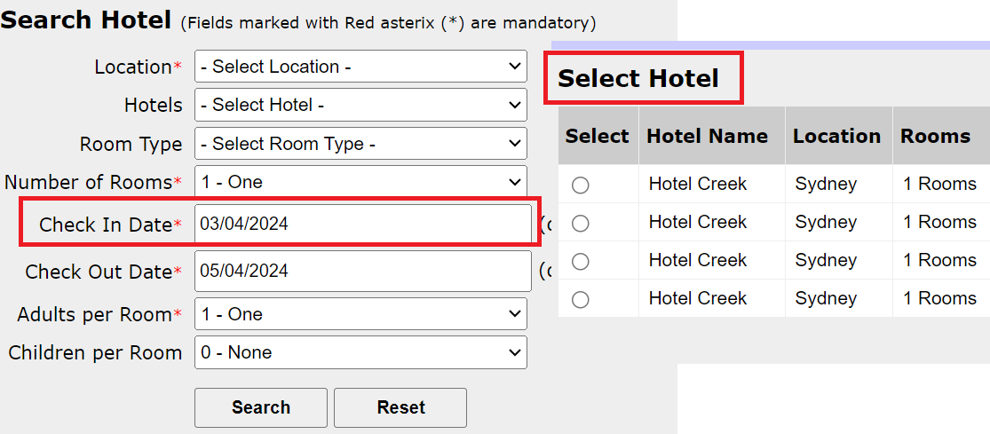
Bug / Defect Template

Defect ID | BUG001 | Assigned To | DEV
Status | New | Browser | Chrome
Severity |  | Found in Version
Priority |  | Found in Build | 1
Module | Search Hotel | Fixed in version
Reported By | Suresh | Fixed in build

Title/Summary | Adactin:SearchHotel:Validation of check-in date is not working[Accepting previous date]
Description Steps To Re-Produce : 1.Launch Browser 2.Enter url 3.Enter username 4.Enter password 5.Click on login button 6.Select all required fields 7.Select check-in date as previous date 8.Click on Search button Expected Result : Error should be displayed Actual Result : Select Hotel Page is displayed
Attachements

BUG002
Bug / Defect Template

Defect ID | BUG002 | Assigned To | DEV
Status | New | Browser | Chrome
Severity |  | Found in Version
Priority |  | Found in Build | 1
Module | Select Hotel | Fixed in version
Reported By | Suresh | Fixed in build

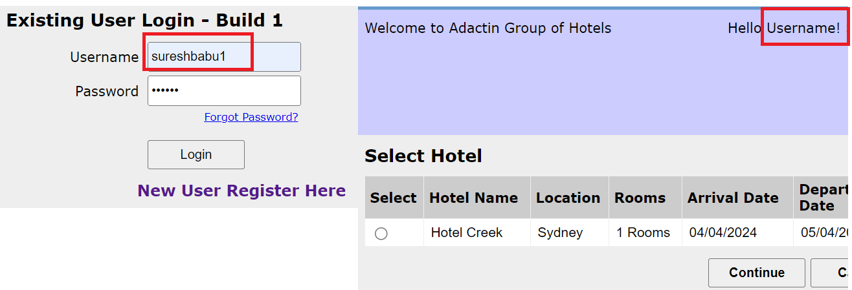
Title/Summary | Adactin:SelectHotel:User entered username in loginpage is not dsiplaying correctly
Description Steps To Re-Produce : 1.Launch Browser 2.Enter url 3.Enter username 4.Enter password 5.Click on login button 6.Select all required fields 7.Click on Search button 8.Verify Hello Text Expected Result : user entered {username} in loginpage should be displayed on Select Hotel page as Hello {username} Actual Result : Hello Text id displayed as Hello Username!
Attachements

