TABLE A $ RANGE
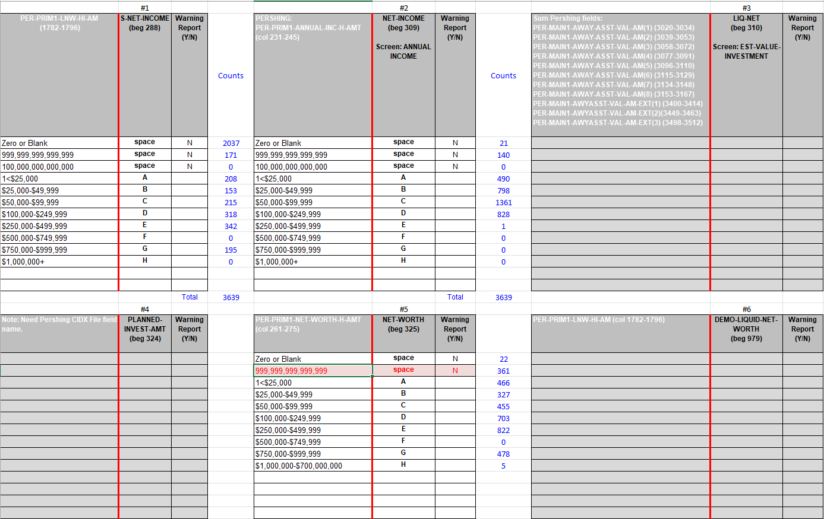
 | #1 |  |  |  | #2 |  |  |  | #3
PER-PRIM1-LNW-HI-AM (1782-1796) | S-NET-INCOME (beg 288) | Warning Report (Y/N) | Counts | PERSHING: PER-PRIM1-ANNUAL-INC-H-AMT (col 231-245) | NET-INCOME (beg 309) Screen: ANNUAL INCOME | Warning Report (Y/N) | Counts | Sum Pershing fields: PER-MAIN1-AWAY-ASST-VAL-AM(1) (3020-3034) PER-MAIN1-AWAY-ASST-VAL-AM(2) (3039-3053) PER-MAIN1-AWAY-ASST-VAL-AM(3) (3058-3072) PER-MAIN1-AWAY-ASST-VAL-AM(4) (3077-3091) PER-MAIN1-AWAY-ASST-VAL-AM(5) (3096-3110) PER-MAIN1-AWAY-ASST-VAL-AM(6) (3115-3129) PER-MAIN1-AWAY-ASST-VAL-AM(7) (3134-3148) PER-MAIN1-AWAY-ASST-VAL-AM(8) (3153-3167) PER-MAIN1-AWYASST-VAL-AM-EXT(1) (3400-3414) PER-MAIN1-AWYASST-VAL-AM-EXT(2)(3449-3463) PER-MAIN1-AWYASST-VAL-AM-EXT(3) (3498-3512) | LIQ-NET (beg 310) Screen: EST-VALUE-INVESTMENT | Warning Report (Y/N) | DATE CHANGE | Return to Mapping
Zero or Blank | space | N | 36,936 | Zero or Blank | space | N | 1,282
999,999,999,999,999 | space | N | 5,540 | 999,999,999,999,999 | space | N | 3,416
100,000,000,000,000 | space | N | 0 | 100,000,000,000,000 | space | N | 0
1<$25,000 | A |  | 6,899 | 1<$25,000 | A |  | 12,764
$25,000-$49,999 | B |  | 4,245 | $25,000-$49,999 | B |  | 21,571
$50,000-$99,999 | C |  | 6,368 | $50,000-$99,999 | C |  | 32,232
$100,000-$249,999 | D |  | 8,643 | $100,000-$249,999 | D |  | 16,820
$250,000-$499,999 | E |  | 12,086 | $250,000-$499,999 | E |  | 117
$500,000-$749,999 | F |  | 0 | $500,000-$749,999 | F |  | 9
$750,000-$999,999 | G |  | 7,400 | $750,000-$999,999 | G |  | 21
$1,000,000+ | H |  | 124 | $1,000,000+ | H |  | 9

 |  | Total | 88,241 |  |  | Total | 88,241
 | #4 |  |  |  | #5 |  |  |  | #6
Note: Need Pershing CIDX File field name. | PLANNED-INVEST-AMT (beg 324) | Warning Report (Y/N) |  | PER-PRIM1-NET-WORTH-H-AMT (col 261-275) | NET-WORTH (beg 325) | Warning Report (Y/N) |  | PER-PRIM1-LNW-HI-AM (col 1782-1796) | DEMO-LIQUID-NET-WORTH (beg 979) | Warning Report (Y/N)
 |  |  |  | Zero or Blank | space | N | 1,387
 |  |  |  | 999,999,999,999,999 | space | N | 11,387
 |  |  |  | 1<$25,000 | A |  | 8,931
 |  |  |  | $25,000-$49,999 | B |  | 5,891
 |  |  |  | $50,000-$99,999 | C |  | 9,399
 |  |  |  | $100,000-$249,999 | D |  | 14,097
 |  |  |  | $250,000-$499,999 | E |  | 21,722
 |  |  |  | $500,000-$749,999 | F |  | 148
 |  |  |  | $750,000-$999,999 | G |  | 14,565
 |  |  |  | $1,000,000+ | H |  | 714

 |  |  |  |  |  | Total | 88,241

LPL -Redwood (RDW) 09/21/2025

