TABLE A $ RANGE
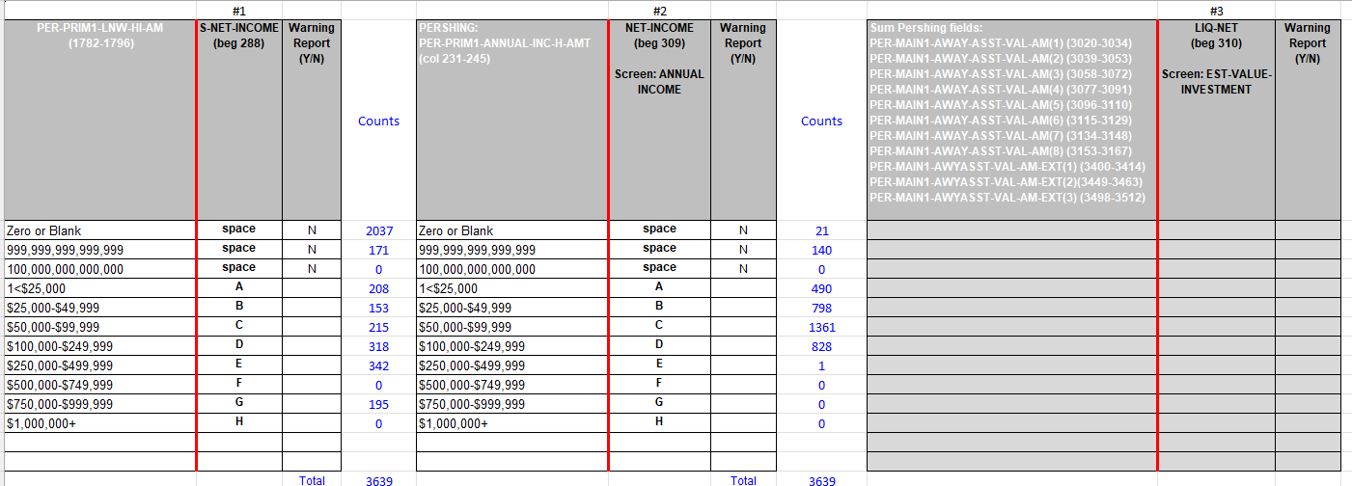
 | #1 |  |  |  | #2 |  |  |  | #3
PER-PRIM1-LNW-HI-AM (1782-1796) | S-NET-INCOME (beg 288) | Warning Report (Y/N) | Counts | PERSHING: PER-PRIM1-ANNUAL-INC-H-AMT (col 231-245) | NET-INCOME (beg 309) Screen: ANNUAL INCOME | Warning Report (Y/N) | Counts | Sum Pershing fields: PER-MAIN1-AWAY-ASST-VAL-AM(1) (3020-3034) PER-MAIN1-AWAY-ASST-VAL-AM(2) (3039-3053) PER-MAIN1-AWAY-ASST-VAL-AM(3) (3058-3072) PER-MAIN1-AWAY-ASST-VAL-AM(4) (3077-3091) PER-MAIN1-AWAY-ASST-VAL-AM(5) (3096-3110) PER-MAIN1-AWAY-ASST-VAL-AM(6) (3115-3129) PER-MAIN1-AWAY-ASST-VAL-AM(7) (3134-3148) PER-MAIN1-AWAY-ASST-VAL-AM(8) (3153-3167) PER-MAIN1-AWYASST-VAL-AM-EXT(1) (3400-3414) PER-MAIN1-AWYASST-VAL-AM-EXT(2)(3449-3463) PER-MAIN1-AWYASST-VAL-AM-EXT(3) (3498-3512) | LIQ-NET (beg 310) Screen: EST-VALUE-INVESTMENT | Warning Report (Y/N) | DATE CHANGE | Return to Mapping
Zero or Blank | space | N | 1,098 | Zero or Blank | space | N | 563
999,999,999,999,999 | space | N | 17 | 999,999,999,999,999 | space | N | 24
100,000,000,000,000 | space | N | 0 | 100,000,000,000,000 | space | N | 0
1<$25,000 | A |  | 154 | 1<$25,000 | A |  | 179
$25,000-$49,999 | B |  | 80 | $25,000-$49,999 | B |  | 310
$50,000-$99,999 | C |  | 137 | $50,000-$99,999 | C |  | 588
$100,000-$249,999 | D |  | 291 | $100,000-$249,999 | D |  | 832
$250,000-$499,999 | E |  | 323 | $250,000-$499,999 | E |  | 193
$500,000-$749,999 | F |  | 207 | $500,000-$749,999 | F |  | 54
$750,000-$999,999 | G |  | 125 | $750,000-$999,999 | G |  | 13
$1,000,000+ | H |  | 374 | $1,000,000+ | H |  | 50

 |  | Total | 2,806 |  |  | Total | 2,806

 | #4 |  |  |  | #5 |  |  |  | #6
Note: Need Pershing CIDX File field name. | PLANNED-INVEST-AMT (beg 324) | Warning Report (Y/N) |  | PER-PRIM1-NET-WORTH-H-AMT (col 261-275) | NET-WORTH (beg 325) | Warning Report (Y/N) |  | PER-PRIM1-LNW-HI-AM (col 1782-1796) | DEMO-LIQUID-NET-WORTH (beg 979) | Warning Report (Y/N)
 |  |  |  | Zero or Blank | space | N | 526
 |  |  |  | 999,999,999,999,999 | space | N | 49
 |  |  |  | 1<$25,000 | A |  | 94
 |  |  |  | $25,000-$49,999 | B |  | 57
 |  |  |  | $50,000-$99,999 | C |  | 102
 |  |  |  | $100,000-$249,999 | D |  | 253
 |  |  |  | $250,000-$499,999 | E |  | 348
 |  |  |  | $500,000-$749,999 | F |  | 280
 |  |  |  | $750,000-$999,999 | G |  | 208
 |  |  |  | $1,000,000+ | H |  | 889

 |  |  |  |  |  | Total | 2,806

LPL- Redwood (RDW) 09/21/2024

Table C Assoc Fields
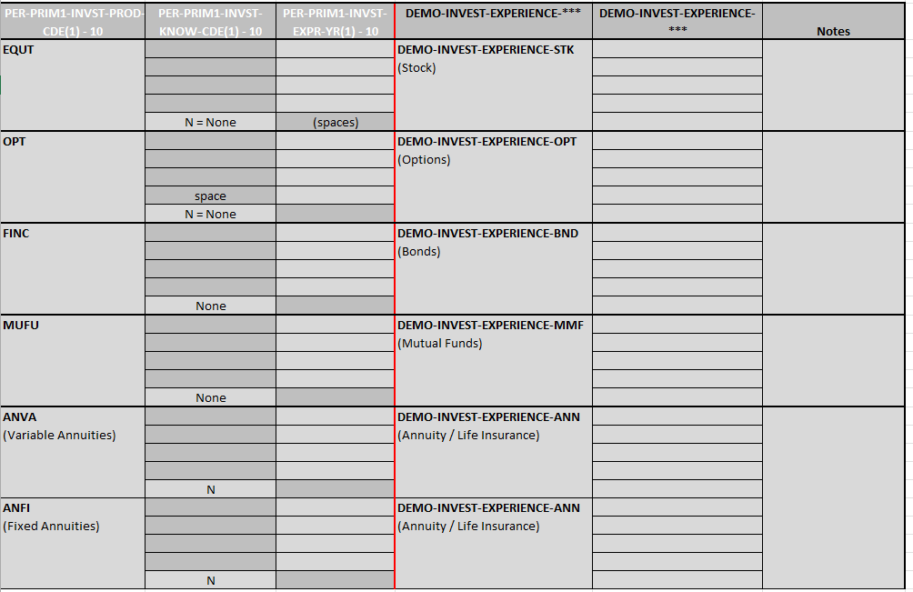
 | #1 |  |  |  | #2 |  |  |  | #3
PER-PRIM1-MARITAL-STATUS (col 1209) | From DEMO adds after file: MSTAT DEMO-MARITAL-STATUS (Beg 301) | Warning Report Y/N | Counts | PER-PRIM1-TAX-STATUS-CODE (col 299-302) | TAX BRACKET DEMO-TAX-BRACKET (Beg 305) | Warning Report Y/N | Counts | PER-IOBJ-RISK-FACTOR (col 207) | DEMO-RISK-TOLERANCE (Beg 978) | Warning Report Y/N
Default | space |  | 649 | Default | space |  | 558 | Default
D | B |  | 149 | HITB | 32 |  | 352 | L
M | A |  | 1,293 | LWTB | space |  | 433 | M
N | space |  | 0 | MDTB | 21 |  | 1,440 | S
P | space |  | 18 | TPTB | 37 |  | 23 | H
S | B |  | 553 | ** | space |  | 0
U | space |  | 0
W | B |  | 144 |  |  |  |  | Pershing Description
 |  |  |  | Pershing Description |  |  |  | L = Low
Pershing Description |  |  |  | LWTB = 0 - 15% |  |  |  | M = Moderate
U - Unknown |  |  |  | MDTB = 15.1% - 32% |  |  |  | S = Speculation
M - Married |  |  |  | HITB = 32.1% - 50% |  |  |  | H = High Risk
N - Entity |  |  |  | TPTB = > or = 50.01%
S - Unmarried
D - Divorced
W - Widowed
P - Domestic Partner
 |  | Total | 2,806 |  |  | Total | 2,806

 |  |  | #4
PER-PRIM1-INVST-PROD-CDE(1) - 10 | PER-PRIM1-INVST-KNOW-CDE(1) - 10 | PER-PRIM1-INVST-EXPR-YR(1) - 10 | DEMO-INVEST-EXPERIENCE-*** | DEMO-INVEST-EXPERIENCE-*** | Notes
EQUT |  |  | DEMO-INVEST-EXPERIENCE-STK
 |  |  | (Stock)

 | N = None | (spaces)
OPT |  |  | DEMO-INVEST-EXPERIENCE-OPT
 |  |  | (Options)

 | space
 | N = None
FINC |  |  | DEMO-INVEST-EXPERIENCE-BND
 |  |  | (Bonds)

 | None
MUFU |  |  | DEMO-INVEST-EXPERIENCE-MMF
 |  |  | (Mutual Funds)

 | None
ANVA |  |  | DEMO-INVEST-EXPERIENCE-ANN
(Variable Annuities) |  |  | (Annuity / Life Insurance)

 | N
ANFI |  |  | DEMO-INVEST-EXPERIENCE-ANN
(Fixed Annuities) |  |  | (Annuity / Life Insurance)

 | N

LPL- Redwood (RDW) 09/21/2024

