Table A
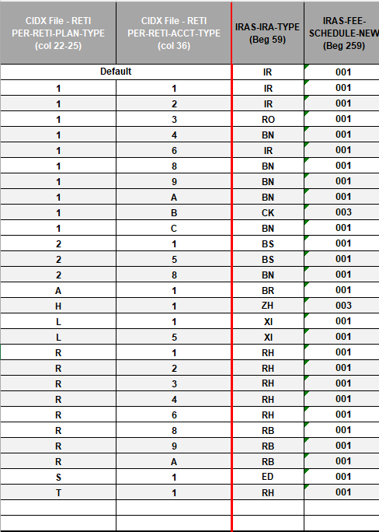
CIDX File - RETI PER-RETI-PLAN-TYPE (col 22-25) | CIDX File - RETI PER-RETI-ACCT-TYPE (col 36) | IRAS-IRA-TYPE (Beg 59) | IRAS-FEE-SCHEDULE-NEW (Beg 259) | Counts | PER-RETI-PLAN-TYPE (22-25) |  | PER-RETI-ACCT-TYPE (36-36)
Default |  | IR | 001 |  | 1 | IRA | 1 | Participant
1 | 1 | IR | 001 | 594 |  | * REG, SPOUSAL,ROLLOVER BENEFICIARY |  | * (Regular, Sep, Simple
1 | 2 | IR | 001 | 3 | 2 | SEP |  | *Regular Roth, Roth Cnv
1 | 3 | RO | 001 | 226 | 4 | FLEXIBLE PROFIT SHARING |  | * Education, MPP, PSP)
1 | 4 | BN | 001 | 3 | 5 | NON-STANDARDIZED PROFIT SHARING | 2 | Spousal
1 | 6 | IR | 001 | 0 | 6 | FLEXIBLE TARGET BENEFIT | 3 | Rollover
1 | 8 | BN | 001 | 88 | 7 | NON-STANDARDIZED TARGET BENEFIT | 4 | Inherited
1 | 9 | BN | 001 | 1 | 8 | FLEXIBLE MONEY PURCHASE | 5 | Employer
1 | A | BN | 001 | 4 | 9 | NON-STANDARDIZED MONEY PURCHASE | 6 | Guardian
1 | B | CK | 003 | 0 | A | SALARY DEFERRAL SARSEP | 7 | Omnibus
1 | C | BN | 001 | 0 | B | FLEXIBLE 401(K) | 8 | Inherited Individual
2 | 1 | BS | 001 | 60 | C | NON-STANDARDIZED 401(K) | 9 | Inherited Estate
2 | 5 | BS | 001 | 9 | D | AGE WEIGHTED 401(K) | A | Inherited Trust
2 | 6 | BS | 001 | 0 | E | AGE WEIGHTED PROFIT SHARING | B | Inherited Charity
2 | 8 | BN | 001 | 0 | F | SUPER SIMPLIFIED PROFIT SHARING | C | Inherited Guardian
A | 1 | BR | 001 | 0 | G | SUPER SIMPLIFIED MONEY PURCHASE | D | Roth Participant
H | 1 | ZH | 003 | 1 | H | 403(B)7 NON-ERISA | F | Roth Guardian
J | 1 | IS | 001 | 4 | I | 403(B)7 ERISA | G | Roth Omnibus
J | 5 | IS | 001 | 0 | J | PROTOTYPE SEP | H | Roth Inherited Individual
L | 1 | XI | 001 | 18 | K | SIMPLE 401(K) | I | Roth Inherited Estate
L | 5 | XI | 001 | 1 | L | SIMPLE IRA | J | Roth Inherited Trust
R | 1 | RH | 001 | 354 | O | INDIVIDUAL 401(K) | K | Roth Inherited Charity
R | 2 | RH | 001 | 0 | R | ROTH IRA | L | Roth Inherited Guardian
R | 3 | RH | 001 | 9 | S | EDUCATION SAVINGS ACCOUNT
R | 4 | RH | 001 | 0 | T | ROTH CONVERSION
R | 6 | RH | 001 | 7 |  | * QRP'S - 4,5,6,7,8,9
R | 8 | RB | 001 | 1 |  | * B,C,D,E,F,G,K,O
R | 9 | RB | 001 | 0
R | A | RB | 001 | 1
R | C | RB | 001 | 0
S | 1 | ED | 001 | 13
T | 1 | RH | 001 | 1

 |  |  | Total | 1,398

LPL- Redwood (RDW) 09/21/2024

DSTRBTN SORC
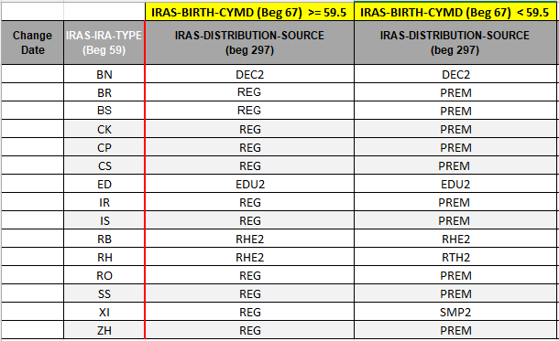
 |  | IRAS-BIRTH-CYMD (Beg 67) >= 59.5 | IRAS-BIRTH-CYMD (Beg 67) < 59.5
Change Date | IRAS-IRA-TYPE (Beg 59) | IRAS-DISTRIBUTION-SOURCE (beg 297) | IRAS-DISTRIBUTION-SOURCE (beg 297) | Warning Report | Counts for Type | Counts >= 59.5 | Counts < 59.5
 | BN | DEC2 | DEC2 |  | 96 | 85 | 11
 | BR | REG | PREM |  | 0 | 0 | 0
 | BS | REG | PREM |  | 69 | 45 | 24
 | CK | REG | PREM |  | 0 | 0 | 0
 | CP | REG | PREM |  | 0 | 0 | 0
 | CS | REG | PREM |  | 0 | 0 | 0
 | ED | EDU2 | EDU2 |  | 13 | 0 | 13
 | IR | REG | PREM |  | 597 | 471 | 126
 | IS | REG | PREM |  | 4 | 4 | 0
 | RB | RHE2 | RHE2 |  | 2 | 1 | 1
 | RH | RHE2 | RTH2 |  | 371 | 163 | 208
 | RO | REG | PREM |  | 226 | 172 | 54
 | SS | REG | PREM |  | 0 | 0 | 0
 | XI | REG | SMP2 |  | 19 | 2 | 17
 | ZH | REG | PREM |  | 1 | 0 | 1

 |  |  |  | Total | 1,398 | 943 | 455

LPL- Redwood (RDW) 09/21/2024

