Sheet1(final)
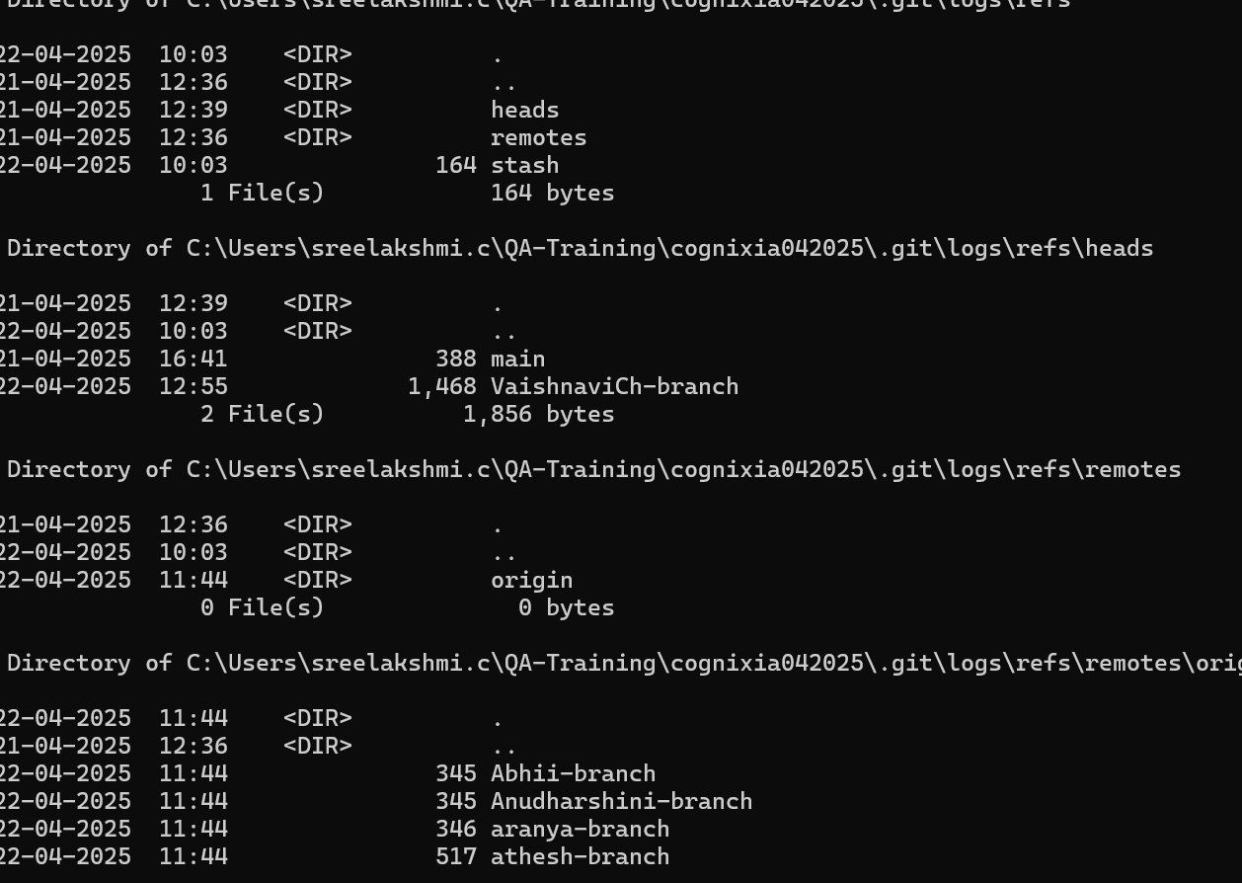
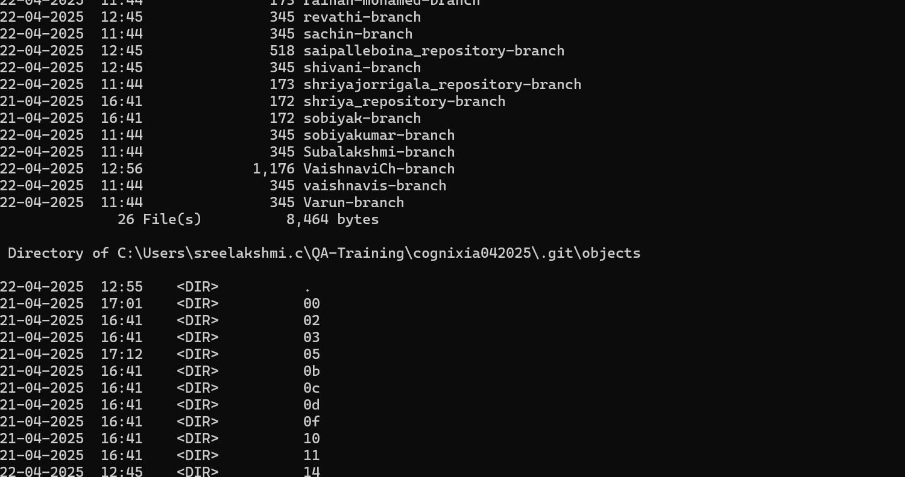
 |  | Test Cases for dir /{parameter} Command

Test ID | Module Name | Scenario | Test Procedure | Expected Output

TC01 | Basic Listing | User wants to list files in current directory | 1. Open Command Prompt 2. Type dir 3. Press Enter | Lists all files and folders in the current directory
TC02 | Pagination | Directory has too many files to fit on one screen | 1. Open Command Prompt 2. Type dir /P 3. Press Enter | Displays directory contents one page at a time
TC03 | Show Hidden Files | User wants to view hidden/system files | 1. Open Command Prompt 2. Type dir /A 3. Press Enter | Shows all files, including hidden and system files
TC04 | Recursive Listing | User needs to see contents of all subfolders | 1. Open Command Prompt 2. Type dir /S 3. Press Enter | Lists files and folders in current and all subdirectories recursively
TC05 | Bare Format | User wants a simple list of filenames only | 1. Open Command Prompt 2. Type dir /B 3. Press Enter | Displays only file and folder names, no additional info

 | Output Screenshots:

 | Screen 1 : |  |  | Screen 2: | Screen 3 :
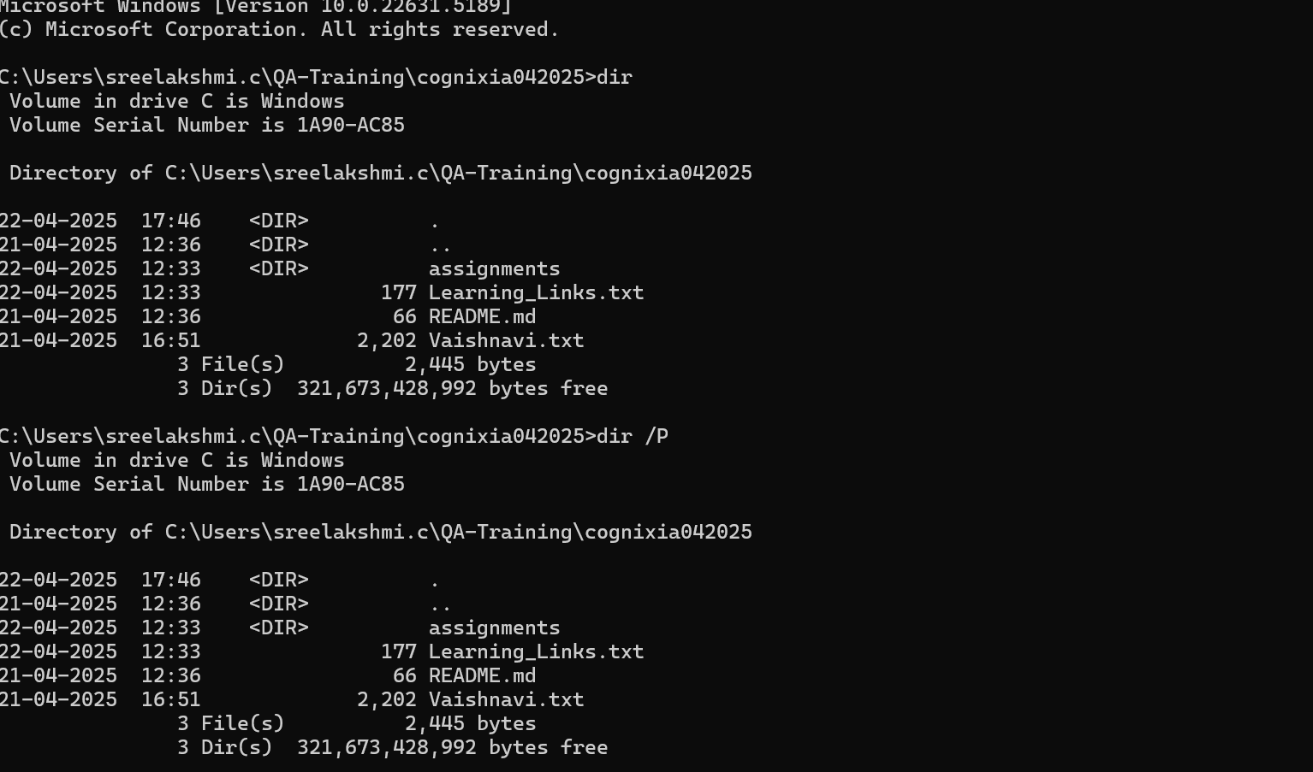
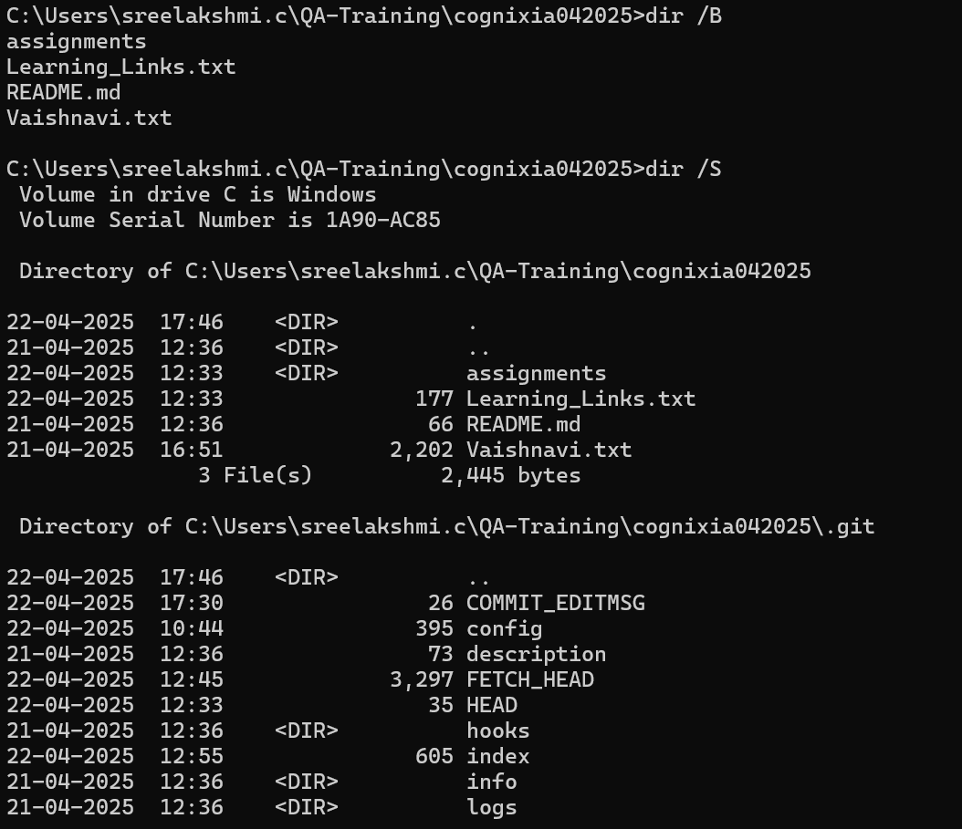
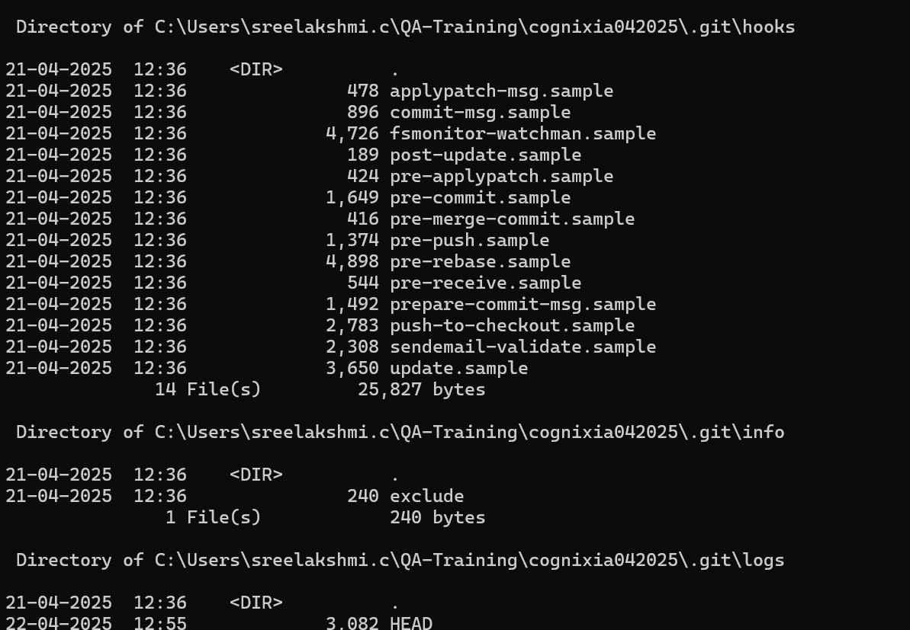

 | Screen 4: |  |  | Screen 5:

