Navigator
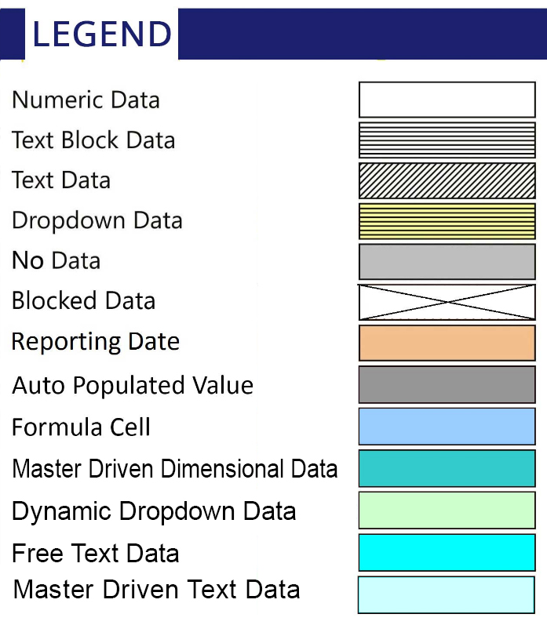
More Options

General Information | Statements
Filing Information | NRB20 - E-money balance report by PSP

FilingInfo
Filing Information
 | Filing Information

Filing Information

Return Name | E-Money Balance Report by PSP
Return Code | NRB20
Name Of Reporting Institution | City Wallet Pvt Ltd.
Entity Code | 17029000
Institution Type | PSP
Reporting Frequency | Daily
Reporting Period Start Date | 2081/09/05
Reporting Period End Date | 2081/09/05
Reporting Currency | NPR
Reporting Scale | Actuals
Taxonomy Version | 1.0.0
Tool Name | NRB iFile
Tool Version | 2.0.0
Report Status | Un-Audited
Date Of Audit

 |  | #LAYOUTECER#

NRB20
NRB20 - E-money balance report by PSP
 | NRB20 - E-money balance report by PSP

Table 1: E-money balance and customer numbers

Total e-money balance | 21,443,864.06
No. of active customers | 70,201
No. of inactive customers | 24,539
Total No. of customers | 94,740

 |  |  | #LAYOUTECER#

Table 2: Settlement account status report by PSP
Serial No. | Bank code | Currency code | Name of the BFIs | Account number
 |  |  | X1 | X2

1 | 11014000 | NPR-Nepal-Nepal Rupees | Machhapuchhre Bank Limited | 999524380160028

 |  |  |  |  | #LAYOUTECER#

