SCAP
Format No: THX04-F12
 |  |  |  |  | Revision no : (5) ; Date : 01.04.2022
TO BE FILLED BY THCM |  |  |  |  |  |  |  |  |  |  | Name of file by which SCAP to be saved in shared folder | SCAPKGP-CR-MA-2-5-23-1-TC02959
 |  | SUPPLIER CORRECTIVE ACTION PLAN (SCAP) |  |  | THCM SCAP Ref.No. |  |  | SCAPKGP-CR-MA-2-5-23-1
 |  |  |  |  | SCAP Reporting area |  |  | CRS -Central reciving
 |  |  |  |  | SCAP reported By |  |  | Majid Khan |  |  |  | SCAPKGP-CR-MA-2-5-23-1-TC02959
Supplier Name |  |  | Supplier Code |  | SCAP reported for the day |  |  | 1
MAG ENGINEERING |  |  | M00080 |  | SCAP Date of reporting |  |  | 2023-05-02
Part Number |  | TC02959 | Part Description | CABIN;OPERATOR | Defective Qty Affected |  |  | 5
Component Sl No (if applicable) |  | 19428,19446,19459,19511&19523 | Model | EX200 | Store Location |  |  | K002
Defect Trigger Point |  | Incoming Inspection - Regular |  |  | Defect Category |  |  | Aesthetic
 |  |  |  |  | Defect Phenomena |  |  | REPEATED CASE
Problem Description |  | 19428-1.Spatter found on front bottom RHS. 2.Dent mark found on door upper side. 3.Putty application not properly done on LHS rear pillar side. 19446 - 1.Rubber bead open out found on back side window. 2.Dent mark found on door upper side. 19459 - . Dent mark found on door upper side. 19511 - 1.Porosity found on upper grill. 2. Dent mark found on door upper side. 3. Multiple deep scratch mark found inside the front upper glass 19523 - . Deep scratch mark(30mm) found inside the front upper glass. 2. Dent mark found on door upper side. 3. Dent mark found on door lower side.
Photographs of the Non conformances observed at THCM
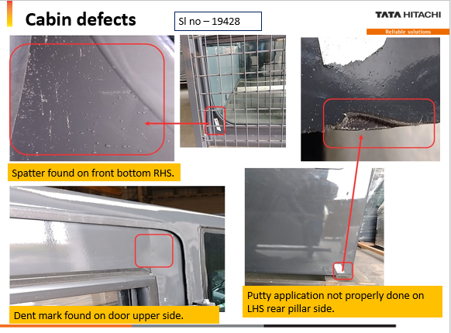 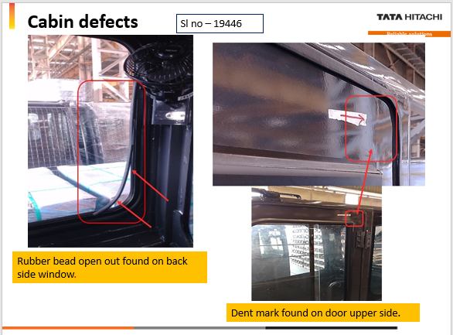 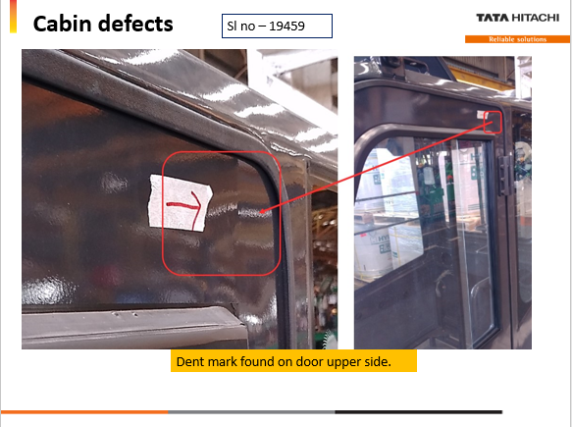 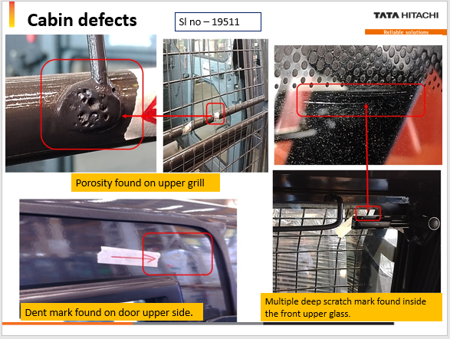 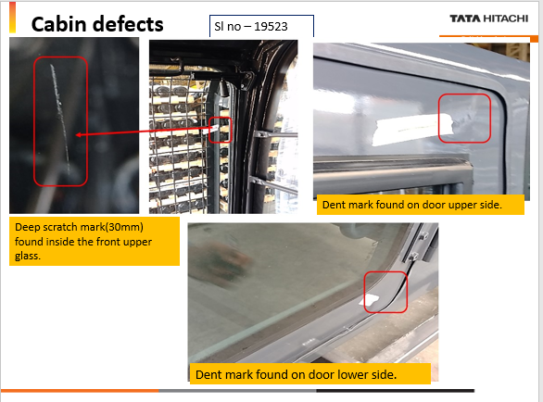

Root Cause analysis : Why - Why Analysis is Must
The 5 Why method is a question technique for cause analysis. It stands for: asking the question “Why?” at least 5 times to find the root cause of the problem. >> It is advisable to use additional sheets if further analysis is required <<
Technical Cause
WHY 1 | WHY 2 | WHY 3 | WHY 4 | WHY 5 | ROOT CAUSE |  |  | COUNTER MEASURE
Spatter found on front bottom RHS. | Spatter sticking to part during welding | Spatter sticking hard to surface | Spatter not getting removed immediate after welding | Chipping tool/Brush not avialable with welder | Chipping tool/Brush not available with welder,Chipping process carried out immediate after completion of all welding |  |  | Wire brush provided to welder to remove the spatter in hot condition
Dent mark found on door | Dent mark due to sheet deflection | Welding distorsion during fabrication process | Sheet thickness is 1.5mm welding distorsion near joint areas | Sheet purchased as per drawing and BOM. | Sheet thickness is 1.5mm,welding distorsion near joint areas |  |  | Sheet thickness to be incrsed from 1.5mm to 3.00 to prevent welding distorsion
Putty application not properly done on LHS rear pillar side. | Putty Application damaged during transit and handling | Cabin movement during transit and handling | Uneven trailer surface | Transporter issue | Uneven trailer surface,damaged during transit and handling |  |  | CFT to be formed and finalize the action to imrpove the transportation methods.
Rubber bead open out found on back side window. | beading Came out while sliding glass | Beading not not hold by sash. | Velvet beading not firmly sticked to the sash | The gum used for sticking not holding the velvet | The gum used for sticking not holding the velvet beading |  |  | Fewikwik shall be applied to hold the beading with channel.
Porosity found on upper grill. | Air entry during welding | Shielding gas not covering on welding surface | Sufficient Shielding not reaching the weld tip | Cut marks in Hose,Gas leakage observed | Cut marks in Hose,Gas leakage observed |  |  | Hose shall be replaced with New one
Multiple deep scratch mark found inside the front upper glass | Possibility of scratches while cleaning the cabin | Cleaning carried out using wiper, any small dust can create scratches on the glass | Operator use Wiper to clean the glass,Minor dust particles difficult to notice during cleanin. | Cleaning process estabilised with wiper for cleaning the glass | Operator use Wiper to clean the glass,Minor dust particles difficult to notice during cleaning ,possibility of scratches |  |  | Wiper cleaning stopped and glass cleaned using cloth.
Assignable cause 4M Please select from drop down ->
Corrective actions taken for the nonconformance observed for WIP & Processed Parts
Except door dent all toher problems rectified by Mag representaive.
Preventive Action Plan - To avoid reoccurrence of the Defect
PDI check sheet updated with checkpoints.
Evidences of Corrective & Preventive Action Taken
Supporting Photographs: |  |  |  |  |  |  | Date of Implementation :- |  | 2023-05-04
 |  |  |  |  |  |  | Cut of Sl NO : (if applicable)
Is there any change (Please tick and attach supportng document) : |  | Design | PFD | Control plan (CP) | Work Instruction |  | Check Sheet |  |  | Tool/Fixture
 |  | FALSE | FALSE | FALSE | FALSE |  | TRUE |  |  | FALSE
After corrective and preventive action, if there is any change in Process flow diagram or in control plan, then you have to also submit the revised documents along with this SCAP sheet. It is the responsibility of supplier to take approval of THCM - QC representative in case of any revision in control documents and maintain its records.
SCAP Filled by (QA in charge of Supplier) | Name | Sheetal |  | SCAP Approved by QA Head /Plant head of Supplier) |  | Name | Suresh R
 | Signature | Digital Signature |  |  |  | Signature | Digital Signature
Horizontal deployment, If any Please select from drop down ->
Applicable part numbers & description | Actions applicable for EX200 and ZX650 |  |  |  |  | Status |  |  |  | Open
 |  |  |  |  |  | PDC/CLOSER DATE |  |  |  | 2023-06-25
Rose colored cell must be filled by THCM
Light Purple colored cell must be filled by supplier
● Status to be kept as open untill all supplier actions are completed
● Status to be changed by THCM person only, before accepting
Notes :

Guide Lines
SCAP- Supplier Corrective Action Plan - Guidelines

1. SCAP Reference Number guideline for DWD
CAPA Ref No.: |  | SCAPKGPDWD-(MI,MD,WH,GS,PDI,SB)-XX-DD-MM-YY-XXX

Area Location
MI-Mini Shop
MD- Midi Shop
WH-Wheeled
GS- Gear Shop
PDI- Pre Dispatch
SB- Shot Blast
(Select any of these)

First 2 letter of name of defect reporting person
Defect reporting date
Record Serial no. (continuous for the day)

2. SCAP Reference Number guideline for KGP
CAPA Ref No.: |  | SCAPKGP-(WH,EX,HEX,TS,FAB,PS,PDI,HS,CS,FAB,ML)-XX-DD-MM-YY-XXX

Area Location
CRS -Central reciving store
WH-Wheeled Assembly
MEX- MID Excavator Assembly
HEX- Heavy Excavator
TS- Transmission Shop
FAB - Fabrication shop
PS - Paint shop
PDI- Pre Dispatch
HS-Hydraulic store
CS- Casting & Forging store
FAB - Fabrication Shop
ML- Metallurgy Lab
(Select any of these)

First 2 letter of name of defect reporting person
Defect reporting date
Record Serial no. (continuous for the day)

1.Each SCAP is divided into 5 categories (As per defect trigger point)
A. Assy Line issue : Non Conformance observed in Regular Parts during line fitment
B. Incoming Inspection - Regular : Non Conformance observed During Incoming Inspection - Regular
C. Incoming Inspection - Development : Non Conformance observed During Incoming Inspection - Development
D. PDI/Testing issue : Non Conformance observed During Machine PDI/Testing
E. Field Failure : Non Conformance observed in failed part.

2.WHY WHY ANALYSIS-Example
The 5 Why method is a question technique for cause analysis. It stands for: asking the question “Why?” at least 5 times to find the root cause of the problem. After the first “Why” the following refers to the answer before. You achieve as you get deeper into the problem and the root cause is identified.

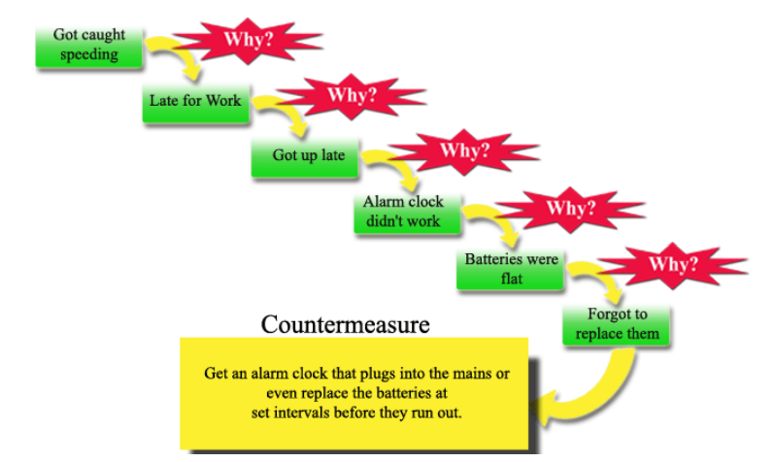

3.CAPA- Corrective Action & Preventive Action
1. After identification of Potential root cause Supplier shall provide Corrective actions taken for the WIP & processed parts in the specified row
2. Supplier shall mention what preventive action taken to avoid reoccurrence of this defect in future supplies
3. Supplier shall mention evidences of CAPA like photographs, Component Serial no (if applicable) or Cut off date
4. Each SCAP shall be verified & approved from supplier QC-Head or Plant Head before sending to THCM.
5. Supplier Shall mention Horizontal deployment of the CAPA taken for other models

4.THCM acceptance of SCAP
THCM - Supplier QC shall verify following points after receipt of SCAP from Suppliers a. Completeness of SCAP. b. Quality of Why-Why Analysis c. CAPA evidences and Actions d. Control documents, if any e. Closure status THCM Supplier QC in charge shall verify the above points, if found unsatisfactory , they shall re-submit the SCAP to supplier by mentioning the comments for improvement.

5.Time line for submitting CAPA & Part block in SAP
a. SCAP for Containment action/ Corrective action of defective Stocks available at TATA-HITACHI must be shared on or before next working day from time of reporting. b. SCAP for Preventive action to avoid reoccurrance must be shared with TATA-HITACHI within 7 days from date of reporting. c. In case of further Query about rejected part or Physical rejected part is required at supplier end for analysis, Suppliers must revert within 24 Working Hours of TATA-HITACHI reporting. Supplier Communication must involve respective representatives of Quality and Supply Chain Management (TATA-HITACHI). d. If rejected part is required for Root Cause analysis, SCAP can be submitted within next 7 days from date of rejected part received at Suppliers end. e. In special case, if supplier need more time for Root cause analysis, Supplier must communicate in advance for more time to submit SCAP. f. Respective rejected/defective parts (reworked at TATA-HITACHI) will be blocked in SAP, if supplier failed to meet the above time line to submit SCAP.

Format Revision History
Rev. No. | Rev. Date | Rev. Content
1 | 31.07.2017 | SCAP format modified to accommodate defect category and why-why analysis.
2 | 01.12.2017 | Requirement of control documents added.
3 | 12.10.2020 | Time line for SCAP submission & Part blockage in SAP
4 | 13.04.2021 | Following Points Added: 1. Field Failure, 2. Containment Action, 3. CFT Team Member, 4. Management Cause (5Why), 5. Change in document
5 | 01.04.2022 | Following Points Added: A. Supplier code B. Area of reporting C. Defect number of day D. Store location E. Defect category F. Defect trigger point G. Root cause H. Applicability of management cause added I. Assignable cause(Please select) J. Applicable part numbers & description for Horizontal deployment THCM QC COMMENTS, Managment why-why REMOVED

