Validation Report
WELDING PROCESS PARAMETERS VALIDATIONCHECK SHEET

PART NAME : Volvo D5 Side Door Customer:M/S Volvo PART No. : 14686566 Machine No: 6346 Process Name: Spot Welding |  |  |  |  |  | Validation Date: 06/04/2023

 | Process Parameters | Spec for Trail 1 | Spec for Trail 2 | Spec for Trail 3 | Spec for Trail 4 | Spec for Trail 5
1 | Air Pressure | 4.2 Kg/Cm2 | 4.2 Kg/Cm2 | 3.4Kg/Cm2 | 3.4Kg/Cm2 | 3.4Kg/Cm2
2 | Working Mode | IK | IK | IK | IK | IK
3 | Control Mode | NO | NO | NO | NO | NO
4 | Squeeze 1 | 0 | 0 | 0 | 0 | 0
5 | Squeeze | 34Cycles | 34Cycles | 34Cycles | 34Cycles | 34Cycles
6 | Pre-Weld | 0 Cycles | 0 Cycles | 0 Cycles | 0 Cycles | 0 Cycles
7 | Pre-Power | 5% | 5% | 5% | 5% | 5%
8 | Cold 1 | 0 Cycles | 0 Cycles | 0 Cycles | 0 Cycles | 0 Cycles
9 | Slope Up | 0 Cycles | 0 Cycles | 0 Cycles | 0 Cycles | 0 Cycles
10 | Weld Time | 11.5 Cycles | 12.5 Cycles | 12.5 Cycles | 12.5 Cycles | 12.5 Cycles
11 | Current | 13KA | 13KA | 13KA | 13KA | 13.2KA
12 | Impulse No. | 1 | 1 | 1 | 1 | 1
13 | Cold 2 | 0 Cycles | 0 Cycles | 0 Cycles | 0 Cycles | 0 Cycles
14 | Slope Down | 0 Cycles | 0 Cycles | 0 Cycles | 0 Cycles | 0 Cycles
15 | Cold 3 | 0 Cycles | 0 Cycles | 0 Cycles | 0 Cycles | 0 Cycles
16 | Post Weld | 0 Cycles | 0 Cycles | 0 Cycles | 0 Cycles | 0 Cycles
17 | Post Power | 5% | 5% | 5% | 5% | 5%
18 | Hold Time | 10 Cycles | 10 Cycles | 10 Cycles | 10 Cycles | 10 Cycles
19 | Off Time | 0 Cycles | 10 Cycles | 10 Cycles | 10 Cycles | 10 Cycles
19 | 6.5 Nugget Diameter in mm | NA | 8.25 mm | 7.21mm | 7.21mm | 8.08mm
20 | Trail Results For Round Tip Electrode Accepted/Rejected | Rejected | Rejected | Accepted | Accepted | Accepted

21 | Trail Results For Flat Tip Electrode(Bottom side) Accepted/Rejected | Not Checked | Not Checked | Not Checked | Rejected | Accepted
22 | Chisel Test sample Photos | 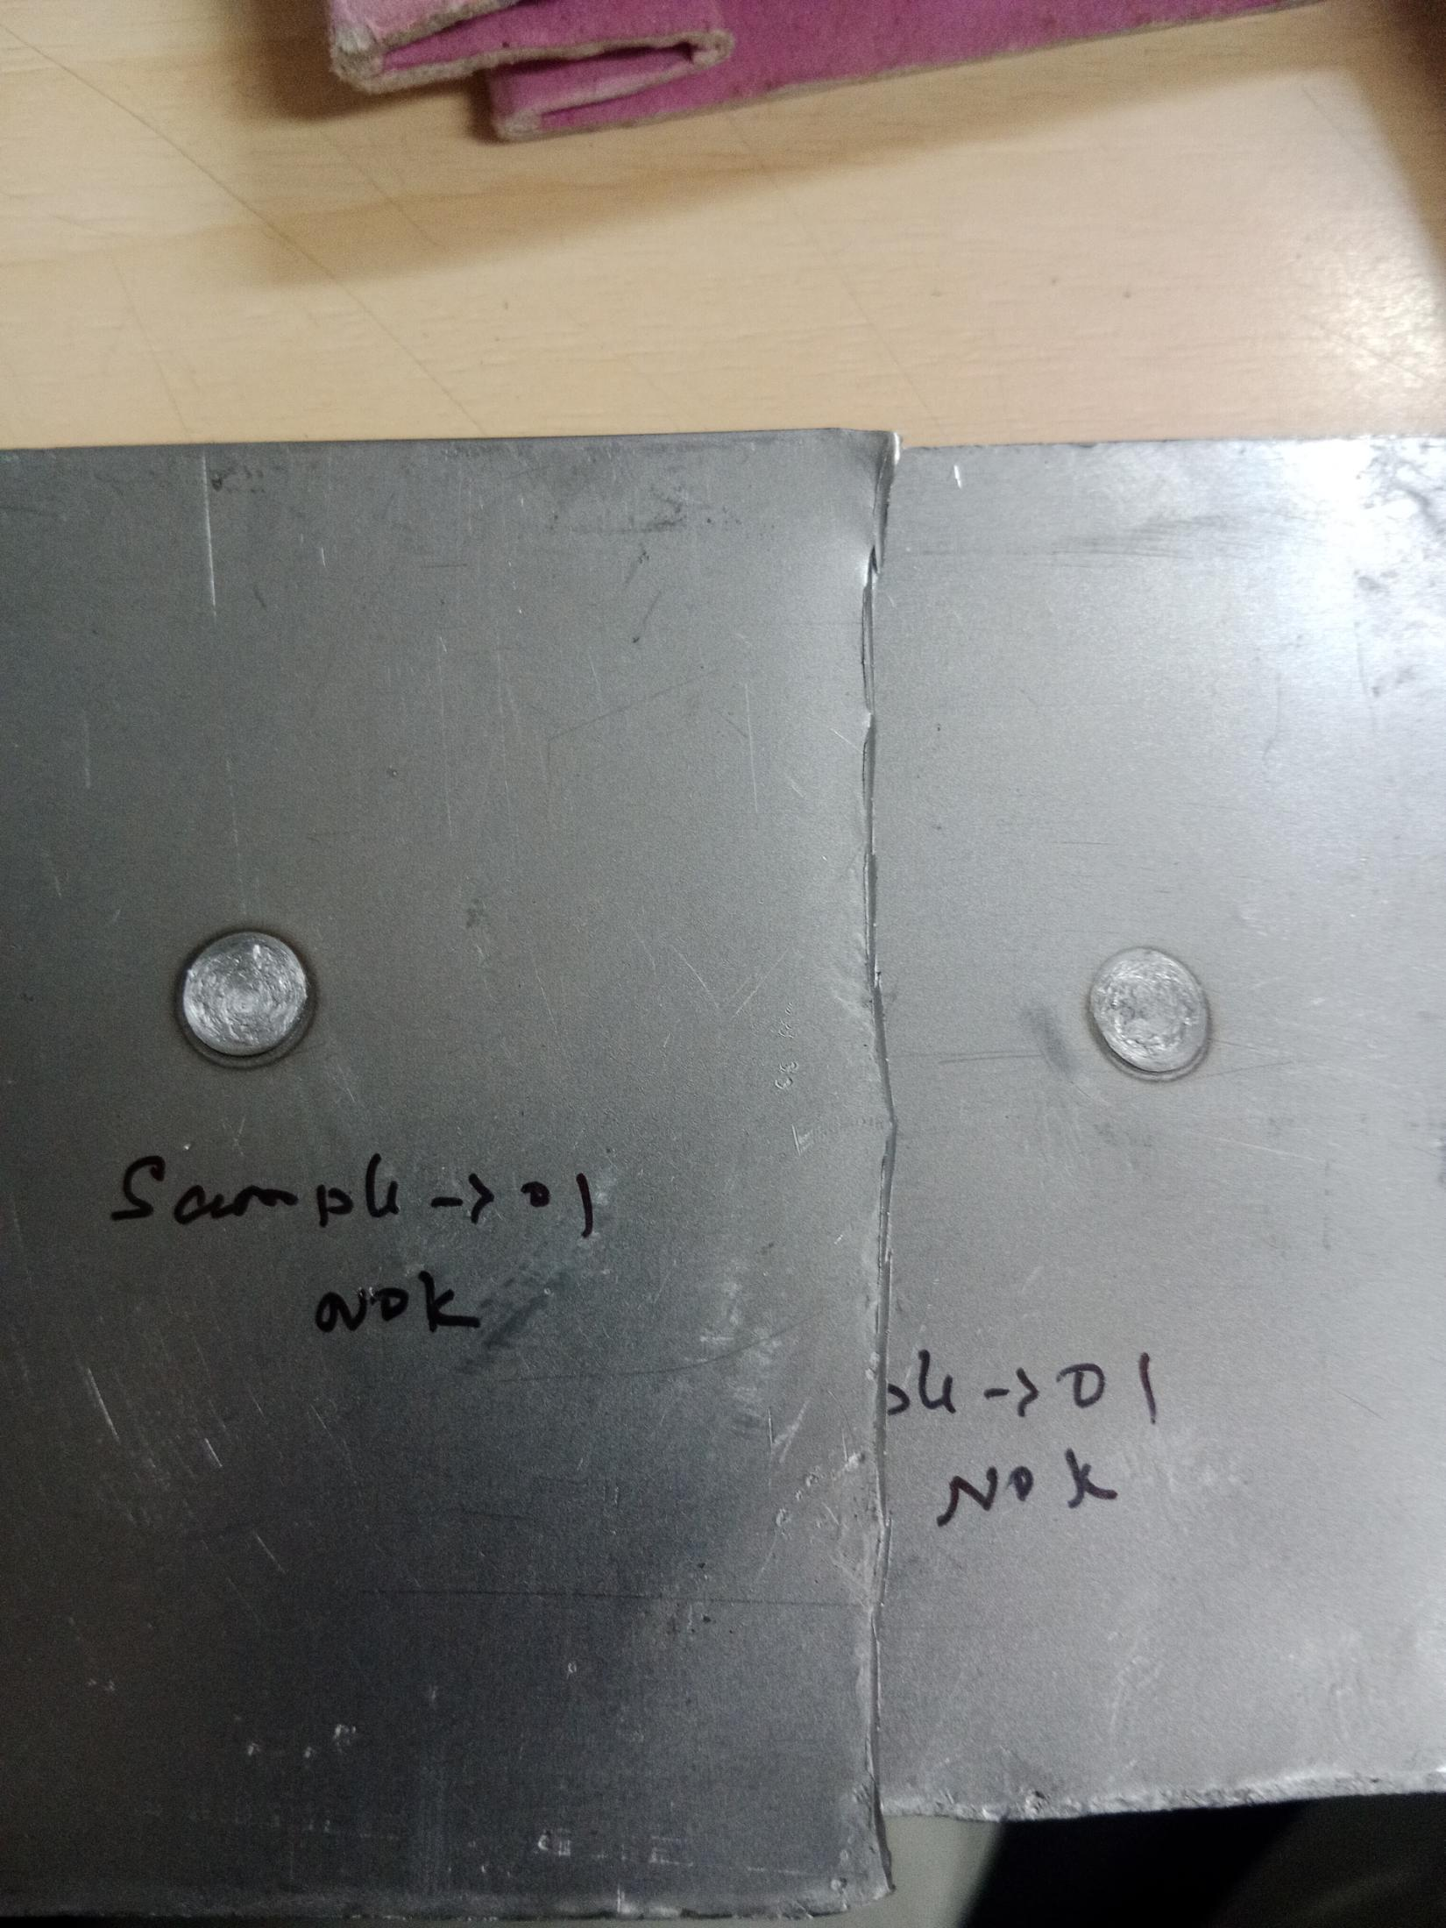 | 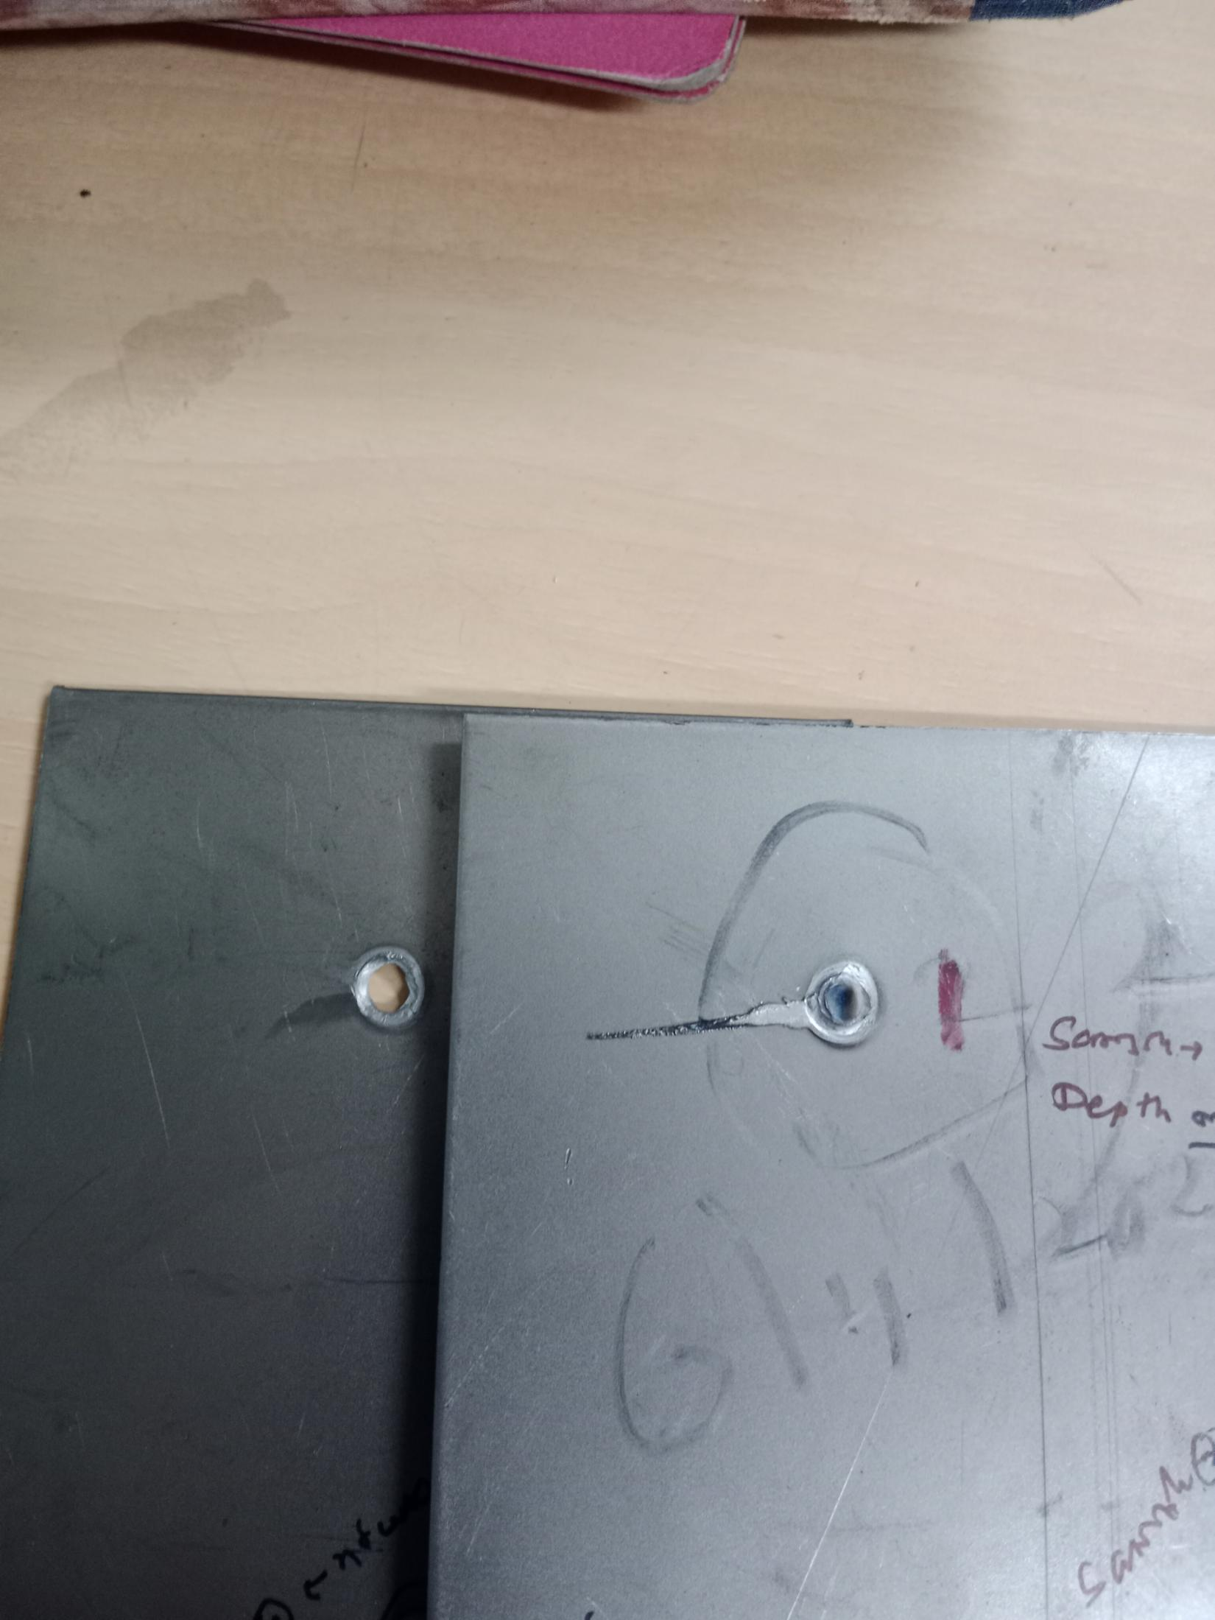 |  | 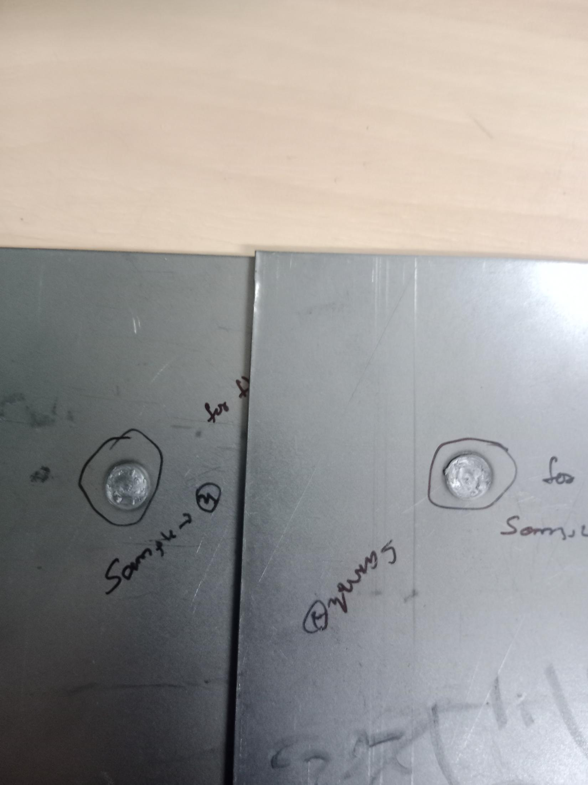

Remarks: Trail 1. Nugget not observed in the test sample Trail 2. Nugget observed but weld depth observed more, at spot area in the sample(Nugget Dia is 8.25mm) Trail 3. Nugget Observed and weld depth found ok at spot area in the sample(Nugget Dia is 7.21mm) Trail 4. Nugget not observed in the test sample After using Flat Tip Electrode At Bottom side for Door Outer Peripheri Trail 5. Nugget Observed and weld depth found ok at spot area in the sample for both Round and Flat Tip Electrode.(Nugget Dia is 8.08mm)

Checked by: Mukesh Approved By: Suresh R

