Table 12
Carden Arbor View School
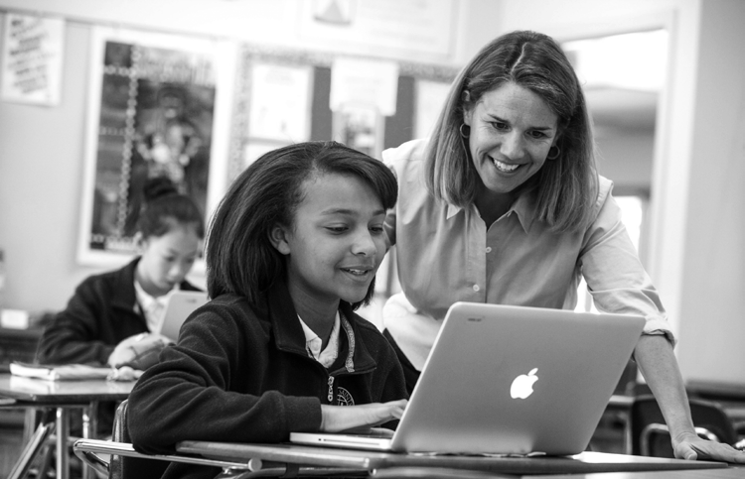
1530 North San Antonio Avenue Upland, CA 91786-2272
(909) 982-9919 Fax (909) 981-3221
Cathy Edwards, Head of School Coeducational Day School Grades K-8; Enrollment 185 www.cardenarborview.org
The Carey School
One Carey School Lane San Mateo, CA 94403
(650) 345-8205 Fax (650) 345-2528
Duncan Lyon, Head of School Coeducational Day School Grades PK-5; Enrollment 249 www.careyschool.org
Carlthorp School
438 San Vicente Boulevard Santa Monica, CA 90402
(310) 451-1332 Fax (310) 451-8559
Dorothy Menzies, Head of School Coeducational Day School Grades K-6; Enrollment 280 www.carlthorp.org
Castilleja School 1310 Bryant Street Palo Alto, CA 94301
(650) 328-3160 Fax (650) 326-8036
Nanci Kauffman, Head of School Day School For Girls
Grades 6-12; Enrollment 425 www.castilleja.org
Cate School
1960 Cate Mesa Road Carpinteria, CA 93013
(805) 684-4127 Fax (805) 684-2279
Benjamin Williams IV, Headmaster Coeducational Boarding/Day School Grades 9-12; Enrollment 286 www.cate.org
Cathedral School for Boys 1275 Sacramento Street San Francisco, CA 94108
(415) 771-6600 Fax (415) 771-2547
Michael Ferreboeuf, Headmaster Episcopal Day School for Boys Grades K-8; Enrollment 272 www.cathedralschool.net
The Center for Early Education
563 North Alfred Street West Hollywood, CA 90048
(323) 651-0707 Fax (323) 651-0860
Reveta Bowers, Head of School Coeducational Day School Grades PS-6; Enrollment 538 www.centerforearlyeducation.org
Chadwick School
26800 South Academy Drive Palos Verdes Peninsula, CA 90274
(310) 377-1543 Fax (310) 377-0380
Frederick Hill, Headmaster Coeducational Day School Grades K-12; Enrollment 833 www.chadwickschool.org
Chandler School
1005 Armada Drive
Pasadena, CA 91103
(626) 795-9314 Fax (626) 795-6508
John Finch, Head of School Coeducational Day School Grades K-8; Enrollment 450 www.chandlerschool.org
Chatsworth Hills Academy
21523 Rinaldi Street
Chatsworth, CA 91311
(818) 998-4037 Fax (818) 998-4062
Ann Gillinger, Head of School Coeducational Day School Grades PS-8; Enrollment 198 www.chaschool.org
The Children’s School 2225 Torrey Pines Lane La Jolla, CA 92037
(858) 454-0184 Fax (858) 454-0186
Evelyn Terry, Head of School Coeducational Day School
Grades Toddler-8; Enrollment 243 www.tcslj.org
Children’s Day School
333 Dolores Street
San Francisco, CA 94110
(415) 861-5432 ext. 312 Fax (415) 861-5419
Molly Huffman, Head of School Coeducational Day School Grades PK-8; Enrollment 367 www.cds-sf.org

Table 15
The Gillispie School 7380 Girard Avenue La Jolla, CA 92037
(858) 459-3773 Fax (858) 459-3834
Alison Fleming, Head of School Coeducational Day School
Grades Toddler-6; Enrollment 253 www.gillispie.org
The Girls’ Middle School 3400 West Bayshore Road Palo Alto, CA 94303
(650) 968-8338 Fax (650) 968-4775
Jennifer Ayer, Head of School Day School For Girls
Grades 6-8; Enrollment 198 www.girlsms.org
Golden Hills School
1060 Suncast Lane
El Dorado Hills, CA 95762
(916) 933-0100 Fax (916) 933-9643
Karen O’Donnell, Head of School Coeducational Day School Grades JK-8; Enrollment 192 www.goldenhillsschool.net
The Gooden School
192 North Baldwin Avenue Sierra Madre, CA 91024
(626) 355-2410 Fax (626) 355-4212
Patricia Patano, Head of School Coeducational Episcopal Day School Grades K-8; Enrollment 160 www.goodenschool.org
The Hamlin School
2120 Broadway
San Francisco, CA 94115
(415) 922-0300 Fax (415) 674-5409
Wanda Holland Greene, Head of School Day School For Girls
Grades K-8; Enrollment 406 https://www.hamlin.org
Harbor Day School
3443 Pacific View Drive Corona del Mar, CA 92625
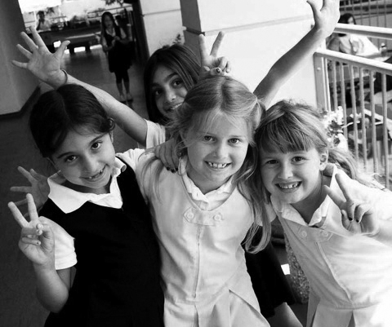
(949) 640-1410 Fax (949) 640-0908
Daniel Greenwood, Head of School Coeducational Day School
Grades K-8; Enrollment 407 www.harborday.org
The Harker School Preschool
4525 Union Avenue San Jose, CA 95124 (408) 553-5700
Lower School 4300 Bucknall Road San Jose, CA 95130
(408) 871-4600 Fax (408) 871-4320
Middle School
3800 Blackford Avenue San Jose, CA 95117
(408) 248-2510 Fax (408) 248-2502
Upper School
500 Saratoga Avenue San Jose, CA 95129
(408) 249-2510 Fax (408) 985-4217
Christopher Nikoloff, Head of School Coeducational Day School
Grades PS-12; Enrollment 1819 www.harker.org
Harkham Hillel Hebrew Academy 9120 West Olympic Boulevard Beverly Hills, CA 90212
(310) 276-6135 Fax (310) 276-6143
Boruch Sufrin, Head of School Coeducational Jewish Day School Grades PS-8; Enrollment 541 www.hillelhebrew.org
Harvard-Westlake School Middle School
700 North Faring Road Los Angeles, CA 90077
(310) 274-7281 Fax (310) 288-3224
Upper School
3700 Coldwater Canyon Avenue North Hollywood, CA 91604
(818) 980-6692 Fax (818) 487-6631
Rick Commons, President
Jeanne Huybrechts, Head of School Coeducational Day School
Grades 7-12; Enrollment 1605 www.hw.com

Table 16
Head-Royce School
4315 Lincoln Avenue
Oakland, CA 94602
(510) 531-1300 Fax (510) 531-2649
Rob Lake, Head of School Coeducational Day School Grades K-12; Enrollment 876 www.headroyce.org
High Point Academy
1720 Kinneloa Canyon Road Pasadena, CA 91107
(626) 798-8989 Fax (626) 798-8751
John Higgins, Headmaster Coeducational Day School Grades K-8; Enrollment 335 www.highpointacademy.org
Hillbrook School
300 Marchmont Drive
Los Gatos, CA 95032-5651
(408) 356-6116 Fax (408) 358-1286
Mark Silver, Head of School Coeducational Day School Grades JK-8; Enrollment 315 www.hillbrook.org
Hillcrest Academy
29275 Santiago Road
Temecula, CA 92592
(951) 676-4754 Fax (951) 676-5316
Chris Lincoln, Head of School Coeducational Day School Grades K-8; Enrollment 188 www.hillcrestacademy.org
Hollywood Schoolhouse 1233 North McCadden Place Hollywood, CA 90038
(323) 465-1320 Fax (323) 465-1720
Stephen Bloodworth, Head of School Coeducational Day School
Grades K- 6; Enrollment 281 www.hollywoodschoolhouse.org
Idyllwild Arts Academy
52500 Temecula Drive
Idyllwild, CA 92549
(951) 659-2171 ext. 2205 Fax (951) 659-2323
Douglas Ashcraft, Head of School Coeducational Boarding School Grades 9-12; Enrollment 300 www.idyllwildarts.org
Ilan Ramon Day School 27400 Canwood Street Agoura Hills, CA 91301
(818) 707-2365 Fax (818) 707-9052
Yuri Hronsky, Head of School Coeducational Jewish Day School Grades PS-5; Enrollment 144 www.ilanramondayschool.com
Immaculate Heart High School
5515 Franklin Avenue Los Angeles, CA 90028
(323) 461-3651 Fax (323) 462-0610
Virginia HurStreet IHM, Principal Catholic Day School for Girls Grades 9-12; Enrollment 501 www.immaculateheart.org
International School of the Peninsula Cowper Campus (Nursery - K)
3233 Cowper Street
Palo Alto, CA 94306-3005
(650) 852-0264 Fax (650) 852-9306
Cohn Campus (Grades 1-8)
151 Laura Lane Palo Alto, CA 94303
(650) 251-8500 Fax (650) 251-8501
Philippe Dietz, Head of School Coeducational Day School
Grades Nursery-8; Enrollment 585 www.istp.org
The John Thomas Dye School
11414 Chalon Road Los Angeles, CA 90049
(310) 476-2811 Fax (310) 476-8675
Raymond Michaud, Headmaster Coeducational Day School Grades K-6; Enrollment 335 www.jtdschool.com
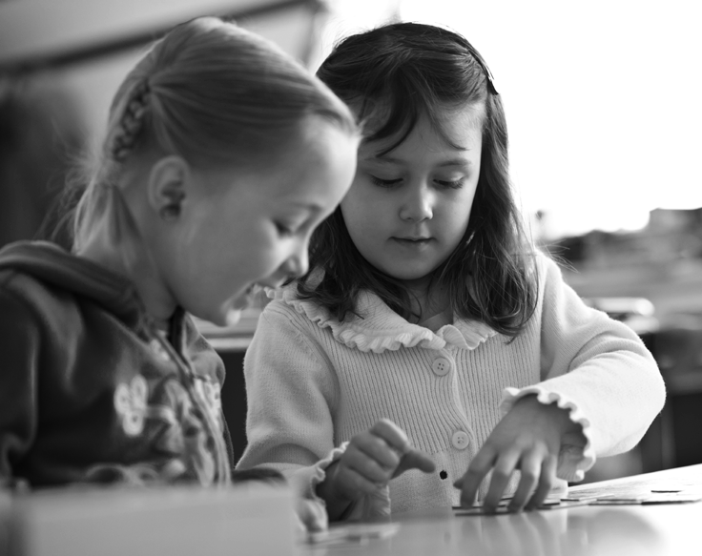
Julia Morgan School for Girls
5000 MacArthur Boulevard
Oakland, CA 94613
(510) 632-6000 Fax (510) 632-6301
Sandra Luna, Head of School Day School For Girls
Grades 6-8; Enrollment 185 www.juliamorganschool.org

Table 19
Mirman School
16180 Mulholland Drive Los Angeles, CA 90049
(310) 476-2868 Fax (310) 471-1532
Dan Vorenberg, Head of School Coed Day School for Gifted Children Grades 1-9; Enrollment 330 www.mirman.org
Mount Madonna School
491 Summit Road
Watsonville, CA 95076
(408) 847-2717 Fax (408) 847-5633
Jivanti Rutansky, Head of Upper School
Mary Supriya McDonald, Head of Lower School Coeducational Day School
Grades PreK-12; Enrollment 206 www.mountmadonnaschool.org
Mount Tamalpais School
100 Harvard Avenue Mill Valley, CA 94941
(415) 383-9434 Fax (415) 383-7519
Kate Mecca, Head of School Coeducational Day School Grades K-8; Enrollment 240 www.mttam.org
New Community Jewish High School
7353 Valley Circle Boulevard.
West Hills, CA 91304
(818) 348-0048 Fax (818) 348-0092
Bruce Powell, Head of School Coeducational Jewish Day School Grades 9-12; Enrollment 350 www.ncjhs.org
New Horizon Irvine
1 Truman Street
Irvine, CA 92620
(949) 552-5411 Fax (949) 552-5945
Dina Eletreby, Head of School Coeducational Day School Grades PreK-6; Enrollment 167 www.newhorizonirvine.org
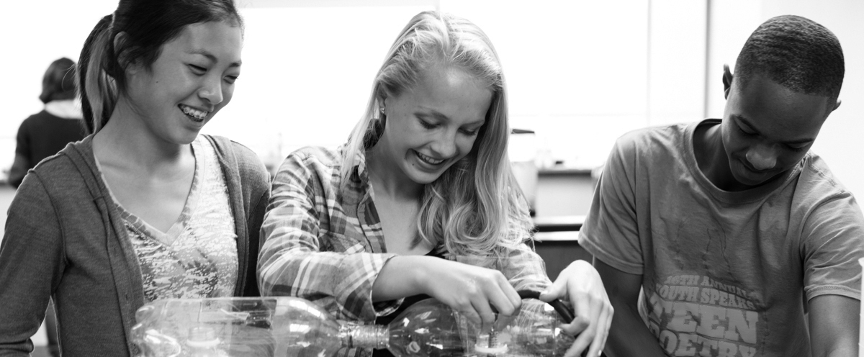
New Horizon School Pasadena
651 North Orange Grove Boulevard Pasadena, CA 91103
(626) 795-5186 Fax (626) 395-9519
Amira Al-Sarraf, Head of School Coeducational Day School Grades PS-8; Enrollment 170 www.newhorizonschool.org
New Horizon School Westside
1819 Sawtelle Boulevard Los Angeles, CA 90025
(310) 231-6092 ext. 11 Fax (310) 231-6096
Dalal Antabli, Head of School Coeducational Day School Grades PS-5; Enrollment 109 www.newhorizonwestside.com
New Roads School Elementary School 2000 Stoner Avenue Los Angeles, CA 90025
(310) 479-8500 Fax (310) 828-2582
Upper School
3131 Olympic Boulevard Santa Monica, CA 90404
(310) 828-5582 Fax (310) 828-2582
Walter Landberg, Head of School Coeducational Day School Grades K-12; Enrollment 660 www.newroads.org
The Nueva School
6565 Skyline Boulevard
Hillsborough, CA 94010-6299
(650) 350-4600 Fax (650) 344-9302
Diane Rosenberg, Head of School Coeducational Day School Grades PK-10; Enrollment 528 www.nuevaschool.org

Table 20
Oak Grove School
220 West Lomita Avenue Ojai, CA 93023
(805) 646-8236 Fax (805) 646-6509
Meredy Benson Rice, Head of School Coeducational Boarding/Day School Grades PK-12; Enrollment 210 www.oakgroveschool.org
Oakland Hebrew Day School
5500 Redwood Road
Oakland, CA 94619
(510) 531-8600 Fax (510) 531-8686
Ari Leubitz, Head of School Coeducational Jewish Day School Grades K-8; Enrollment 172 www.ohds.org
The Oaks School
6817 Franklin Avenue
Hollywood, CA 90028
(323) 850-3755 Fax (323) 850-3758
Ted Hamory, Head of School Coeducational Day School Grades K-6; Enrollment 151 www.oaksschool.org
Oakwood School Elementary School 11230 Moorpark Street
North Hollywood, CA 91602 (818) 732-3500
Secondary School
11600 Magnolia Boulevard North Hollywood, CA 91601 James Astman, Headmaster Coeducational Day School Grades K-12; Enrollment 767 www.oakwoodschool.org
Ojai Valley School 723 El Paseo Road Ojai, CA 93023
(805) 646-1423 Fax (805) 646-0362
Michael Hall-Mounsey, President/CEO Coeducational Boarding/Day School Grades PK-12; Enrollment 288 www.ovs.org
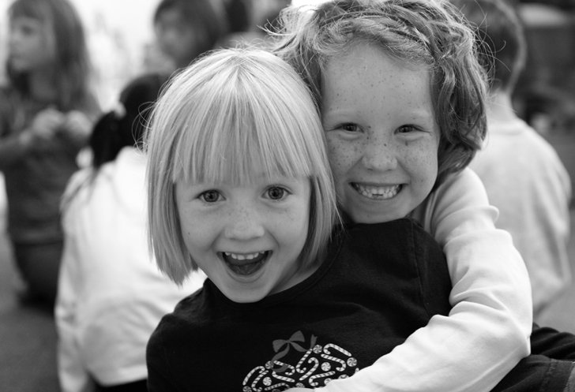
Pacific Hills School
8628 Holloway Dr
West Hollywood, CA 90069
(310) 276-3068 Fax (310) 657-3831
Jeff Guzman, Acting Head of School Coeducational Day School
Grades 6-12; Enrollment 144 www.phschool.org
Palm Valley School
35-525 Da Vall Dr
Rancho Mirage, CA 92270
(760) 328-0861 Fax (760) 770-4541
Robert Graves, Head of School Coeducational Day School Grades PS-12; Enrollment 425 www.pvs.org
The Pegasus School
19692 Lexington
Huntington Beach, CA 92646
(714) 964-1224 Fax (714) 962-6047
John Zurn, Head of School Coeducational Day School Grades PK-8; Enrollment 565 www.thepegasusschool.org
Peninsula Heritage School
26944 Rolling Hills Rd
Rolling Hills Estates, CA 90274 (310) 541-4795 Fax (310) 541-8264
Patricia Cailler, Head of School Coeducational Day School Grades K-6; Enrollment 108 www.peninsulaheritage.org
The Phillips Brooks School
2245 Avy Avenue Menlo Park, CA 94025
(650) 854-4545 Fax (650) 854-6532
Scott Erickson, Head of School Coeducational Day School Grades PS-5; Enrollment 287 www.phillipsbrooks.org
Pilgrim School
540 South Commonwealth Avenue Los Angeles, CA 90020
(213) 385-7351 Fax (213) 386-7264
Mark Brooks, Head of School Coeducational Day/Boarding School Grades Toddler-12; Enrollment 350 www.pilgrim-school.org
Polytechnic School
1030 East California Boulevard Pasadena, CA 91106
(626) 396-6300 Fax (626) 396-6590
Deborah Reed, Head of School Coeducational Day School Grades K-12; Enrollment 860 www.polytechnic.org

Table 23
San Domenico School 1500 Butterfield Road San Anselmo, CA 94960
(415) 258-1900 Fax (415) 258-1901
Cecily Stock, Head of School
Coeducational Catholic Boarding/Day School Grades PreK-12; Enrollment 596 www.sandomenico.org
San Francisco Day School
350 Masonic Avenue San Francisco, CA 94118
(415) 931-2422 Fax (415) 931-1753
David Jackson, Head of School Coeducational Day School Grades K-8; Enrollment 400 www.sfds.net
San Francisco Friends School
250 Valencia Street
San Francisco, CA 94103
(415) 565-0400 Fax (415) 565-0401
Catherine Hunter, Head of School Coeducational Day School Grades K-8; Enrollment 431 www.sffriendsschool.org
The San Francisco School
300 Gaven Street
San Francisco, CA 94134
(415) 239-5065 Fax (415) 239-4833
Steven Morris, Head of School Coeducational Day School Grades PK-8; Enrollment 272 www.sfschool.org
San Francisco University High School
3065 Jackson Street
San Francisco, CA 94115
(415) 447-3100 Fax (415) 447-5801
Julia Eells, Head of School Coeducational Day School Grades 9-12; Enrollment 389 www.sfuhs.org
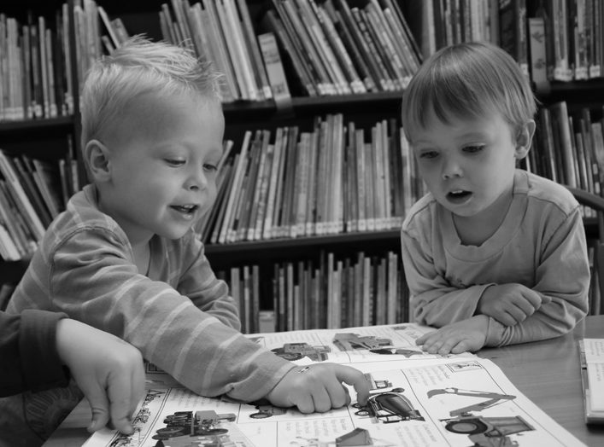
Santa Barbara Middle School 1321 Alameda Padre Serra Santa Barbara, CA 93103
(805) 682-2989 Fax (805) 682-0893
Brian McWilliams, Head of School Coeducational Day School Grades 6-9; Enrollment 135 www.sbms.org
Santa Catalina School 1500 Mark Thomas Drive Monterey, CA 93940-5291
(831) 655-9300 Fax (831) 649-3056
Claire Barone, Head of School Catholic Boarding/Day School Grades PK-12; Enrollment 517 www.santacatalina.org
Schools of the Sacred Heart Ann Marie Krejcarek, President Grades K-12; Enrollment 1154 www.sacredsf.org
Convent of the Sacred Heart
Elementary School
2222 Broadway
San Francisco, CA 94115
(415) 563-2900 Fax (415) 563-0438
Girls Catholic Day School Angela Taylor, Head of School
High School
2222 Broadway
San Francisco, CA 94115
(415) 563-2900 Fax (415) 563-3005
Girls Catholic Day School
Rachel Simpson, Head of School
Stuart Hall
Elementary School
2222 Broadway
San Francisco, CA 94115
(415) 563-2900 Fax (415) 563-3005
Boys Catholic Day School
Jaime Dominguez, Head of School
High School
1715 Octavia Street
San Francisco, CA 94109
(415) 345-5811 Fax (415) 931-9161
Boys Catholic Day School Tony Farrell, Head of School
Sea Crest School
901 Arnold Way
Half Moon Bay, CA 94019
(650) 712-9892 Fax (650) 712-9171
Tekakwitha Pernambuco-Wise, Head of School Coeducational Day School
Grades K-8; Enrollment 268 www.seacrestschool.org

Table 24
Seven Arrows Elementary School
15240 La Cruz Drive Pacific Palisades, CA 90272
(310) 230-0257 Fax (310) 230-7725
Margarita Pagliai, Executive Director Coeducational Day School
Grades K-6; Enrollment 120 www.sevenarrows.org
The Seven Hills School
975 North San Carlos Drive Walnut Creek, CA 94598
(925) 933-0666 Fax (925) 933-6271
William Miller, Headmaster Coeducational Day School Grades PS-8; Enrollment 392 www.sevenhillsschool.org
Sierra Canyon School Lower Campus
11052 Independence Avenue
Chatsworth, CA 91311
818) 882-8121 Fax: (818) 882-8218
Upper Campus
20801 Rinaldi Street
Chatsworth, CA 91311
(818) 882-8121 Fax: (818) 534-2398
James Skrumbis, Head of School Coeducational Day School Grades PK-12; Enrollment 980 www.sierracanyonschool.org
Sinai Akiba Academy 10400 Wilshire Boulevard Los Angeles, CA 90024
(310) 475-6401 Fax (310) 234-9184
Sarah Shulkind, Head of School Coeducational Jewish Day School Grades PK - 8; Enrollment 519 www.sinaiakiba.org
Soille San Diego Hebrew Day School
3630 Afton Road San Diego, CA 92123
(858) 279-3300 Fax (858) 279-3389
Simcha Weiser, Headmaster Coeducational Day School Grades K-8; Enrollment 367 www.hebrewday.org
Sonoma Academy 2500 Farmers Lane Santa Rosa, CA 95404
(707) 545-1770 Fax (707) 636-2474
Janet Durgin, Head of School Coeducational Day School Grades 9-12; Enrollment 267 www.sonomaacademy.org
Sonoma Country Day School
4400 Day School Place Santa Rosa, CA 95403
(707) 284-3200 Fax (707) 284-3254
Brad Weaver, Head of School Coeducational Day School Grades K-8; Enrollment 268 www.scds.org
South Peninsula Hebrew Day School
1030 Astoria Drive
Sunnyvale, CA 94087
(408) 738-3060 Fax (408) 738-0237
Allen Selis, Head of School Coeducational Jewish Day School Grades PK-8; Enrollment 200 www.sphds.org
Stevenson School Lower School
24800 Dolores Street
Carmel, CA 93923
(831) 626-5200 Fax (831) 624-9044
Upper School
3152 Forest Lake Road Pebble Beach, CA 93953
(831) 625-8300 Fax (831) 625-5208
Joseph Wandke, President Coeducational Boarding/Day School Grades PreK-12; Enrollment 724 www.stevensonschool.org
Tarbut V’Torah Community Day School
5 Federation Way
Irvine, CA 92603
(949) 509-9500 Fax (949) 509-7866
Jeffrey Davis, Head of School Coeducational Jewish Day School Grades K-12; Enrollment 545 www.tarbut.com
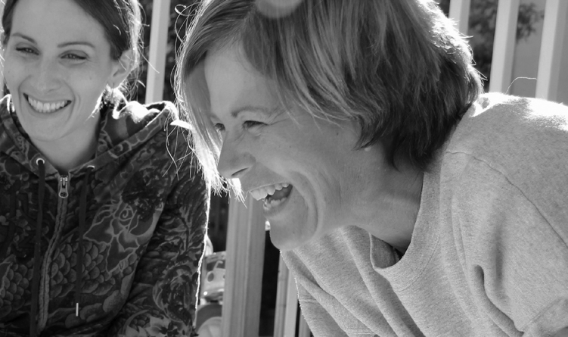
Tehiyah Day School 2603 Tassajara Avenue El Cerrito, CA 94530
(510) 233-3013 Fax (510) 233-0171
Bathea James, Head of School Coeducational Jewish Day School Grades K-8; Enrollment 246 www.tehiyah.org

Table 26
Westerly School
2950 East 29th Street Long Beach, CA 90806
(562) 981-3151 Fax (562) 981-3153
Chris Rodenhizer, Head of School Coeducational Day School Grades K-8; Enrollment 125 www.westerlyschool.org
Westland School
16200 Mulholland Drive Los Angeles, CA 90049
(310) 472-5544 Fax (310) 472-5807
Scott Moran, Head of School Coeducational Day School Grades K-6; Enrollment 131 www.westlandschool.org
Westmark School
5461 Louise Avenue
Encino, CA 91316
(818) 986-5045 ext. 346 Fax (818) 986-2605
Muir Meredith, Head of School Coeducational Day School Grades 2-12; Enrollment 215 www.westmarkschool.org
Westridge School
324 Madeline Drive
Pasadena, CA 91105
(626) 799-1153 Fax (626) 799-9236
Elizabeth McGregor, Head of School Day School For Girls
Grades 4-12; Enrollment 480 www.westridge.org
Westside Neighborhood School
5401 Beethoven Street Los Angeles, CA 90066
(310) 574-8650 Fax (310) 574-8657
Bradley Zacuto, Head of School Coeducational Day School Grades DK-8; Enrollment 459 www.wnsk8.com
Wildwood School Elementary Campus 12201 Washington Place Los Angeles, CA 90066
(310) 397-3134 Fax (310) 397-5134
High School Campus 11811 Olympic Boulevard Los Angeles, CA 90064
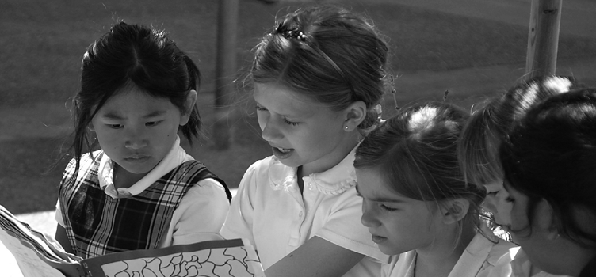
(310) 478-7189 Fax (310) 478-6875
Landis Green, Head of School Coeducational Day School Grades K-12; Enrollment 714 www.wildwood.org
The Willows Community School
8509 Higuera Street Culver City, CA 90232
(310) 815-0411 Fax (310) 815-0425
Lisa Rosenstein, Head of School Coeducational Day School Grades DK-8; Enrollment 435 www.thewillows.org
Windward School 11350 Palms Boulevard Los Angeles, CA 90066
(310) 391-7127 Fax (310) 397-5655
Thomas Gilder, Head of School Coeducational Day School Grades 7-12; Enrollment 550 www.windwardschool.org
Woodland School
360 La Cuesta Drive Portola Valley, CA 94028
(650) 854-9065 Fax (650) 854-6006
John Ora, Head of School Coeducational Day School Grades PS-8; Enrollment 260 www.woodland-school.org
Woodside Priory School 302 Portola Road Portola Valley, CA 94028
(650) 851-8221 Fax (650) 851-2839
Tim Molak, Head of School
Catholic Coed Boarding/Day School Grades 6-12; Enrollment 367 www.prioryca.org
Yavneh Day School 14855 Oka Road Los Gatos, CA 95032
(408) 984-6700 Fax (408) 984-3696
Steven Bogad, Head of School Coeducational Jewish Day School Grades PK-8; Enrollment 164 www.yavnehdayschool.org
York School
9501 York Road
Monterey, CA 93940
(831) 372-7338 Fax (831) 372-8055
Chuck Harmon, Head of School Coeducational Day School Grades 8-12; Enrollment 223

