Sheet1
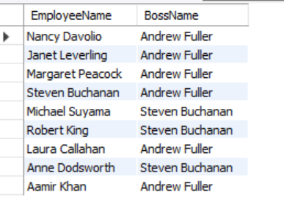
Assignment - 1 | Display output as follows. Use Inner Join | 1
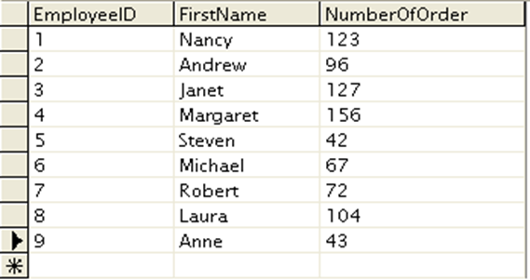

 | Display EmployeeID, Employee FirstName and Number Of Orders each employee has placed. |  | c
 | Use Table : Employees and Orders

Query | Employees Table Orders Table
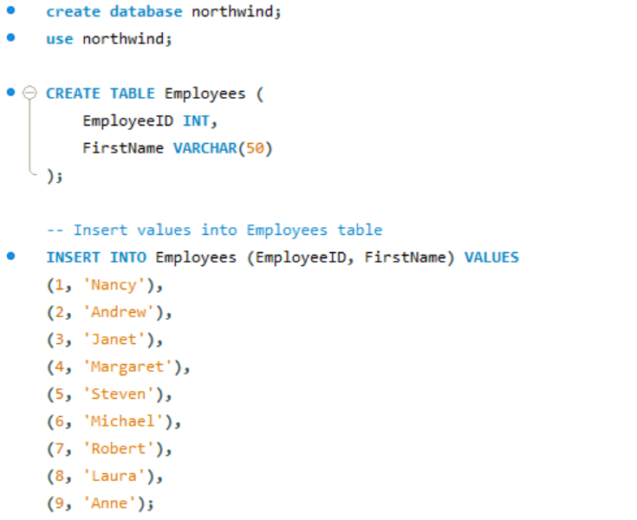
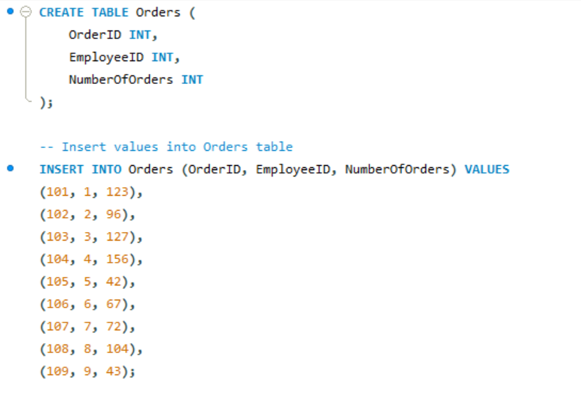

Execution

Output
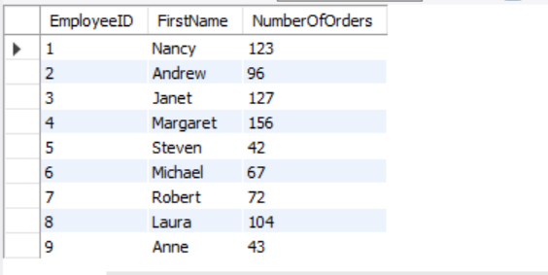

Assignment - 2 | Get all the Orders shipped by Speedy Express and customers at berlin city.

 | User Table : Orders, Customers, Shippers

Query | Orders Table
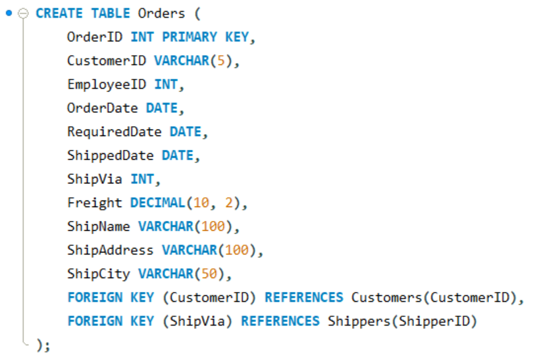

Query | Customers Table
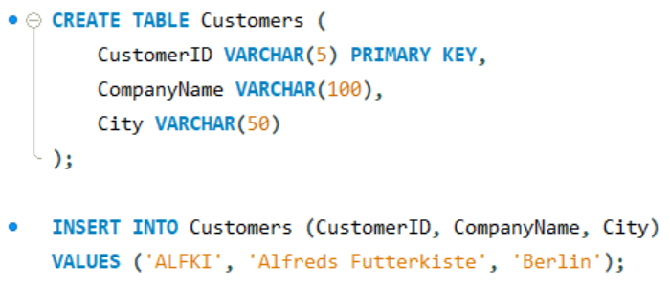

Query | Shippers Table

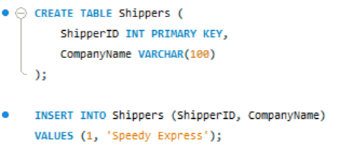

Execution:

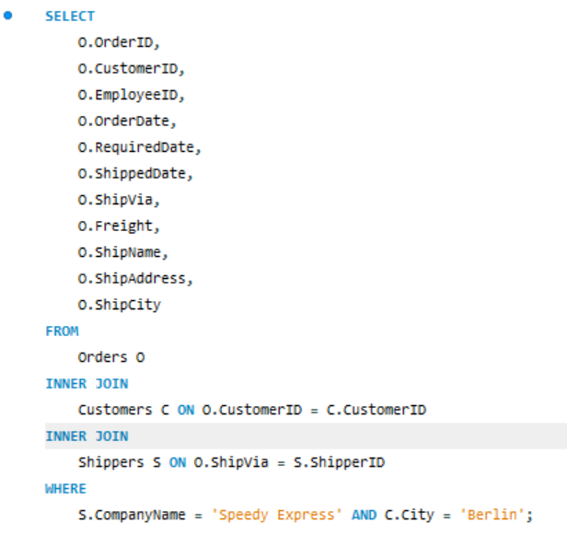

Output

Assignment - 3 | Get Supplier name and display count of product for which supplier is responsible.
 | Table Use : Products, Supplier
 | Use Left Outer Join

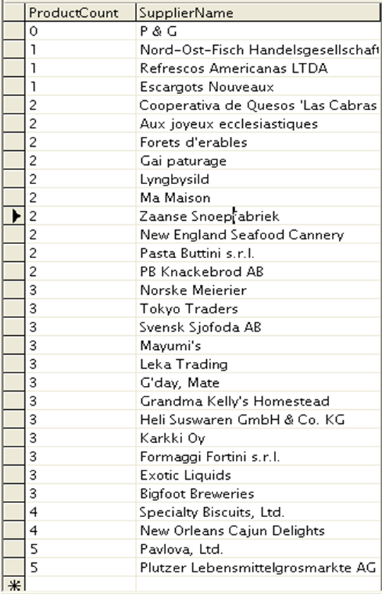

Query | Supliers Table

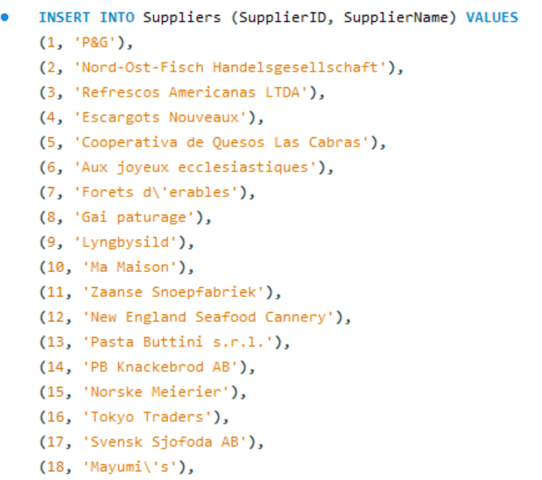

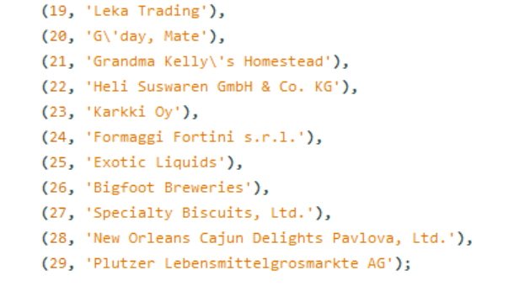

Query | Product Table

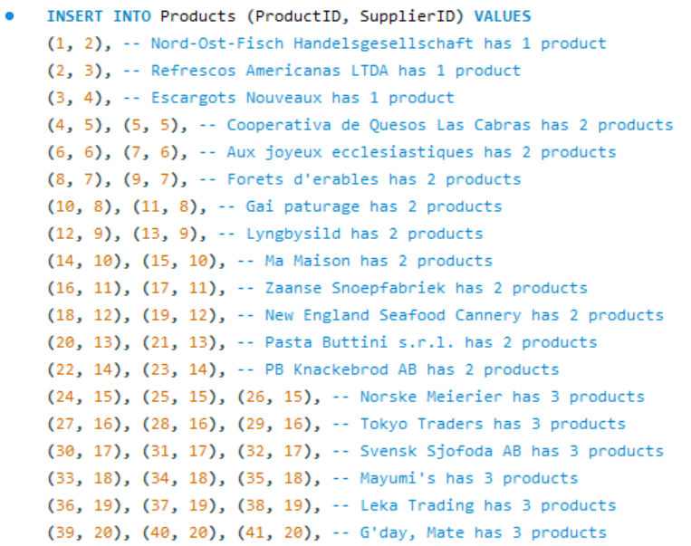

Execution

Output

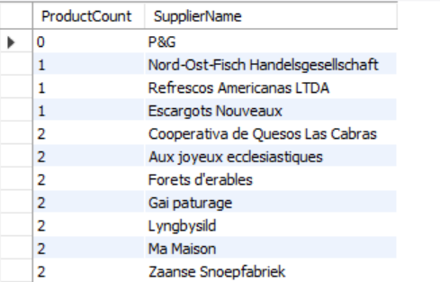

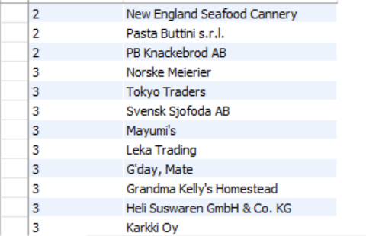

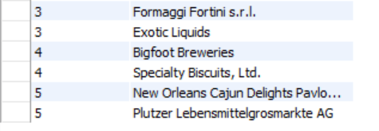

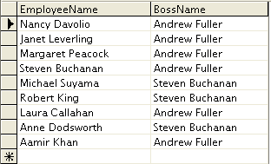
Assignment - 4 | Retrieve a list of employees and Name of the person that employee is reporting.
 | Display as follows.
 | Use Table : Employees
 | Self Join

Query | Employees Table

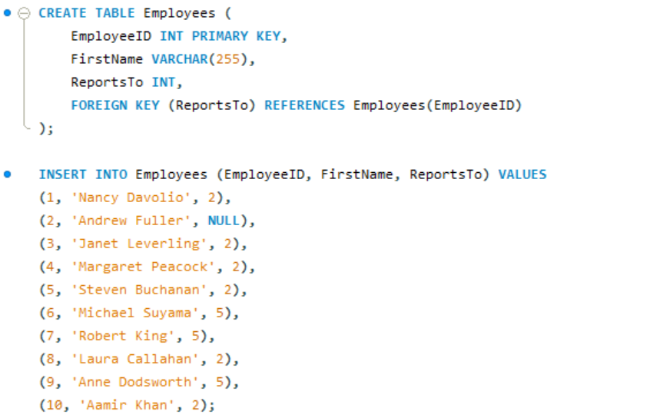

Execution

Output

