PICTORIAL REPRESENTATION
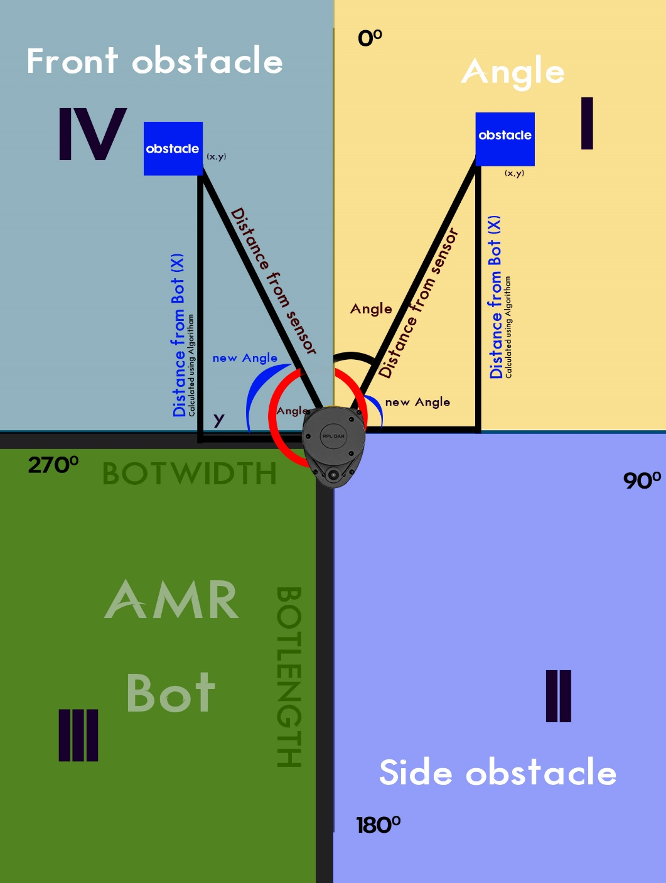
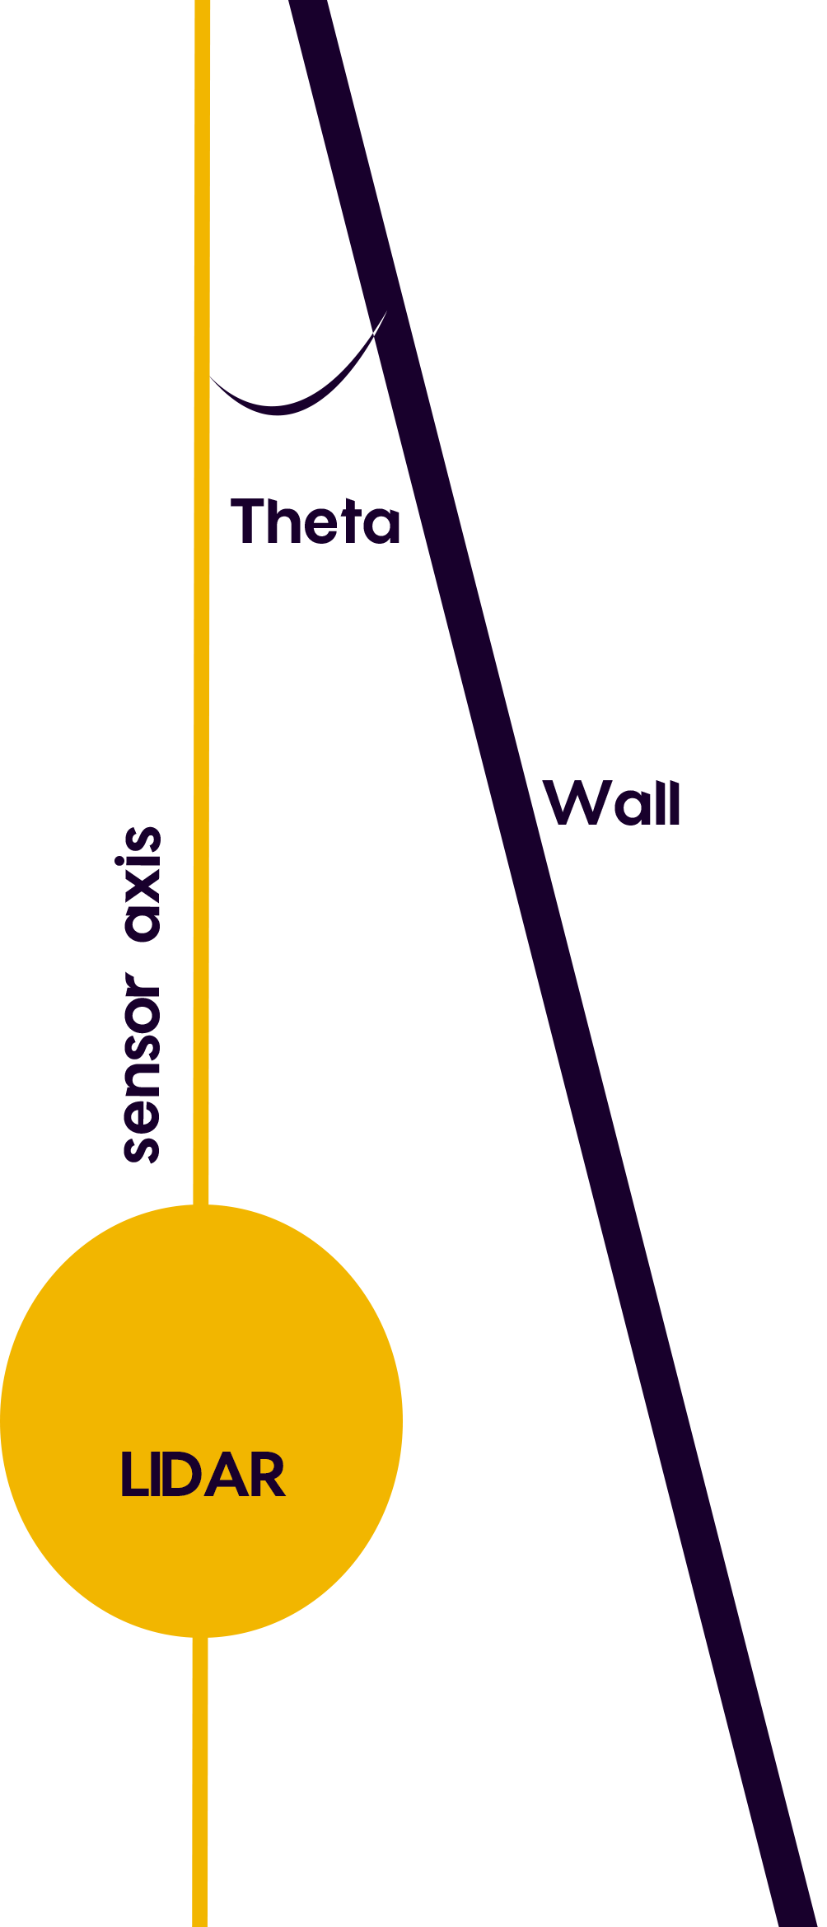
1.QUADRANTS

WALL Detection ANGLE

