Cover Page


Station Information
Region |  | District |  |  | SCADA Point Assignment
Station Code |  |  | SUBURBAN IV Station 3&4 |  | Station Address
Station Name |  |  | SUBURBAN IV Station 3&4 |  | Station Protocol
TMS RTU Name |  |  |  |  | Analog Point Total | 149
WA# |  |  |  |  | Status Point Total | 247
 |  |  |  |  | Control point Total | 85

PAS REVISION HISTORY
Rev # | WA | Date | Submitter | Revision Description
1
2

*NOTE : Do Not change any of the Columns in Grey, they will either be populated automatically or are used by the database team.

Comments:

**Click Here If you require a current Point Assignment to a station already in service you can download a copy from the Analytic Portal.***

Status Reference
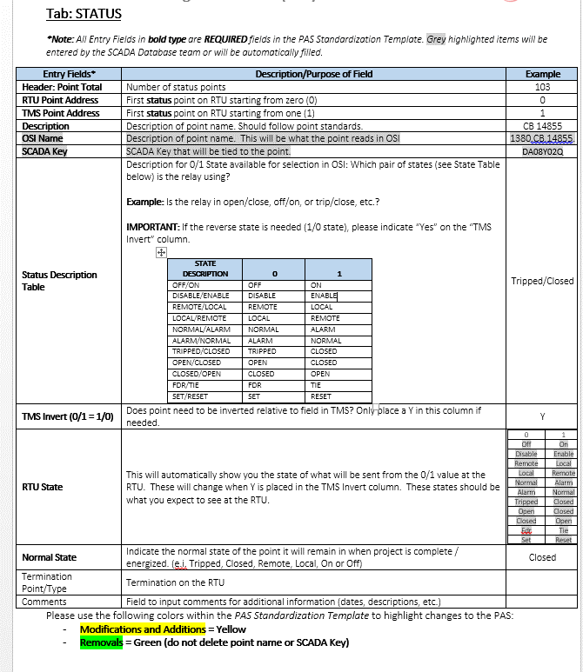
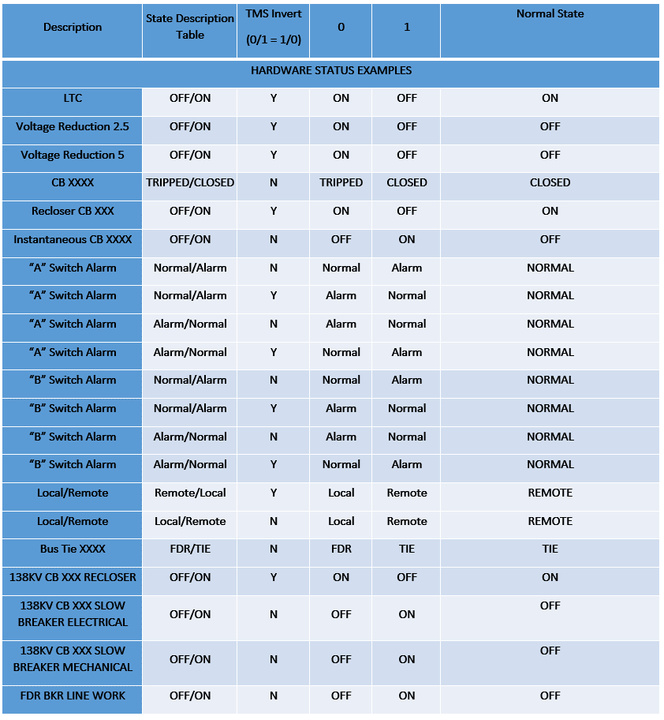
To review the PAS Standardization Job Aid open Transmission SharePoint Site

Point Assignment Sheet (PAS) Standardization Job Aid: STATUS
*Note: All Entry Fields in bold type are REQUIRED fields in the PAS Standardization Template. | Examples of Status Points that may be encountered. Name examples are not exact with what needs to be submitted in PAS.

